Plotly
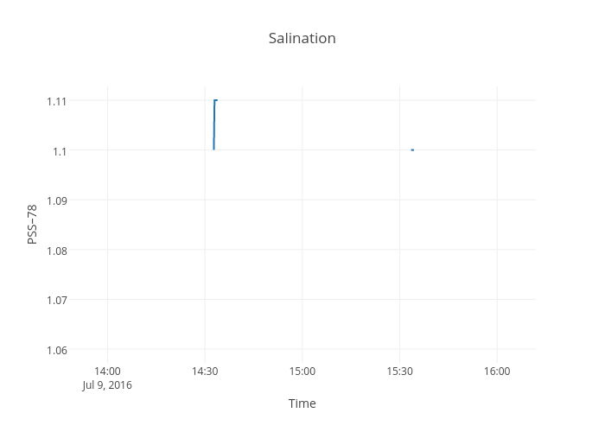
https://plot.ly/~devtar/273/salination/

