Plotly
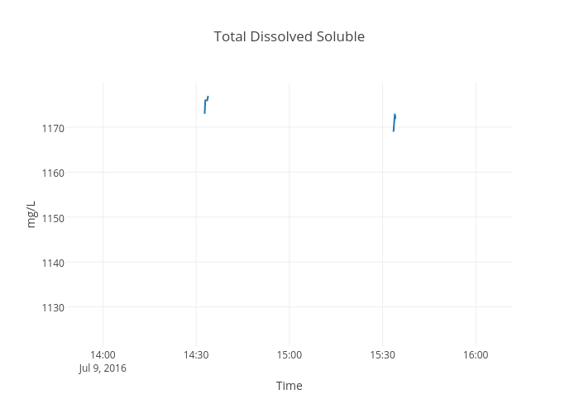
https://plot.ly/~devtar/274/total-dissolved-soluble/

