Plotly
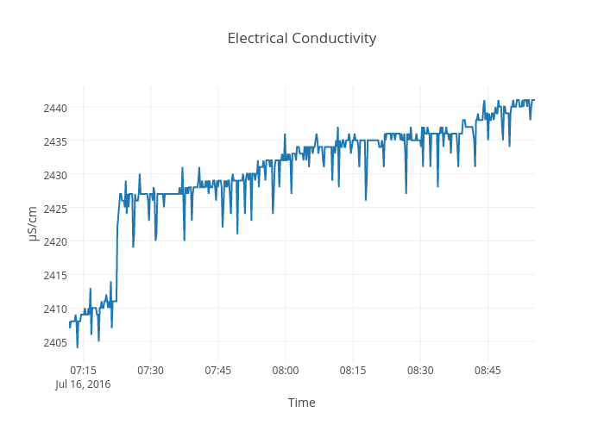
https://plot.ly/~devtar/275/electrical-conductivity/

