Plotly
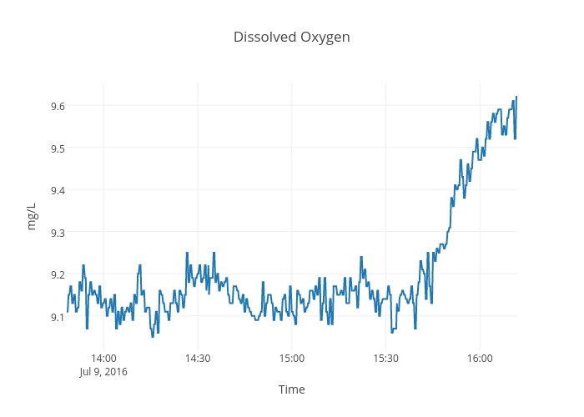
https://plot.ly/~devtar/276/dissolved-oxygen/

