Plotly
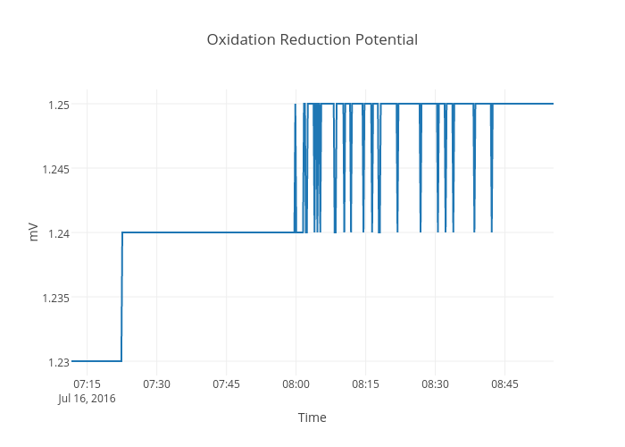
https://plot.ly/~devtar/277/oxidation-reduction-potential/

