Plotly
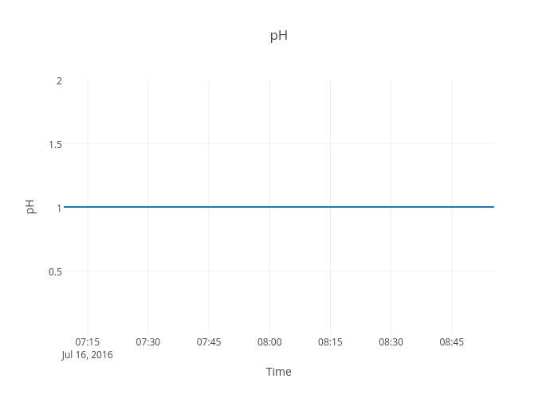
https://plot.ly/~devtar/278/ph/

