Analysis
* All price values are in INR (₹)
 | Close | MA50 | MA200 | RSI | Investment Decision:
Date |  |  |  |  | HOLD
2025-07-21 | ₹3,158.20 | ₹3,402.39 | ₹3,756.93 | 13.576129257
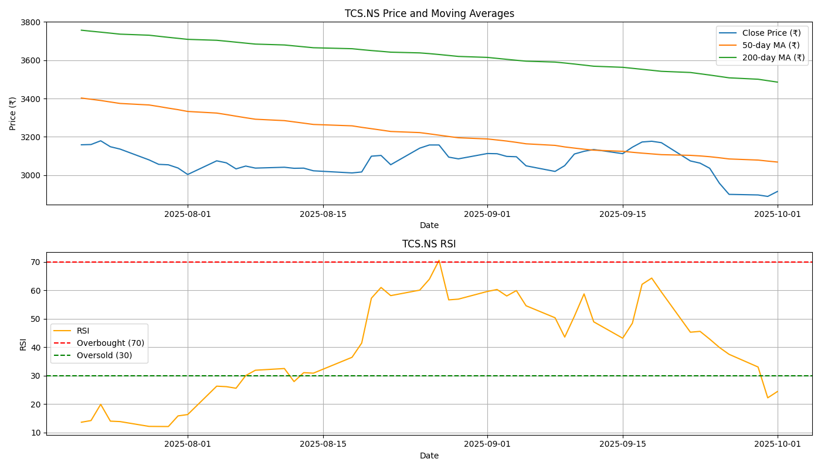
2025-07-22 | ₹3,159.60 | ₹3,396.14 | ₹3,751.65 | 14.166249117
2025-07-23 | ₹3,179.10 | ₹3,389.61 | ₹3,746.74 | 19.874455027
2025-07-24 | ₹3,148.00 | ₹3,381.84 | ₹3,741.58 | 13.959947119
2025-07-25 | ₹3,135.80 | ₹3,374.20 | ₹3,736.26 | 13.80216621
2025-07-28 | ₹3,079.30 | ₹3,366.26 | ₹3,730.75 | 12.11018894
2025-07-29 | ₹3,056.00 | ₹3,358.27 | ₹3,725.12 | 12.081860208
2025-07-30 | ₹3,053.60 | ₹3,349.68 | ₹3,719.61 | 12.064335643
2025-07-31 | ₹3,036.80 | ₹3,341.72 | ₹3,714.40 | 15.801704639
2025-08-01 | ₹3,003.00 | ₹3,332.35 | ₹3,709.08 | 16.279099109
2025-08-04 | ₹3,074.40 | ₹3,323.95 | ₹3,704.21 | 26.258886122
2025-08-05 | ₹3,063.90 | ₹3,316.10 | ₹3,699.41 | 26.088177614
2025-08-06 | ₹3,032.30 | ₹3,307.65 | ₹3,694.37 | 25.532516965
2025-08-07 | ₹3,047.00 | ₹3,299.47 | ₹3,689.29 | 29.980394866
2025-08-08 | ₹3,036.40 | ₹3,291.78 | ₹3,684.37 | 31.864200251
2025-08-11 | ₹3,040.80 | ₹3,284.44 | ₹3,679.79 | 32.467527788
2025-08-12 | ₹3,035.40 | ₹3,277.87 | ₹3,674.93 | 27.871864972
2025-08-13 | ₹3,036.20 | ₹3,271.20 | ₹3,670.16 | 31.012229416
2025-08-14 | ₹3,022.30 | ₹3,264.45 | ₹3,665.28 | 30.834183964
2025-08-18 | ₹3,011.20 | ₹3,257.22 | ₹3,660.18 | 36.418020622
2025-08-19 | ₹3,016.20 | ₹3,249.34 | ₹3,655.18 | 41.437172173
2025-08-20 | ₹3,098.60 | ₹3,242.29 | ₹3,650.54 | 57.202295732
2025-08-21 | ₹3,102.60 | ₹3,235.14 | ₹3,646.50 | 60.981304032
2025-08-22 | ₹3,054.00 | ₹3,227.77 | ₹3,642.14 | 58.110676946
2025-08-25 | ₹3,140.60 | ₹3,221.90 | ₹3,638.31 | 60.042487504
2025-08-26 | ₹3,157.20 | ₹3,215.35 | ₹3,634.53 | 63.896325096
2025-08-27 | ₹3,157.20 | ₹3,208.43 | ₹3,629.92 | 70.535952267
2025-08-28 | ₹3,093.70 | ₹3,201.51 | ₹3,624.93 | 56.616586451
2025-08-29 | ₹3,084.70 | ₹3,194.95 | ₹3,619.92 | 56.874462707
2025-09-01 | ₹3,112.60 | ₹3,188.72 | ₹3,614.80 | 59.578434623
2025-09-02 | ₹3,111.50 | ₹3,183.31 | ₹3,609.67 | 60.269905177
2025-09-03 | ₹3,097.50 | ₹3,177.68 | ₹3,604.71 | 57.988008681
2025-09-04 | ₹3,095.70 | ₹3,170.93 | ₹3,599.76 | 59.876182267
2025-09-05 | ₹3,048.30 | ₹3,163.30 | ₹3,595.19 | 54.547690871
2025-09-08 | ₹3,019.00 | ₹3,155.09 | ₹3,590.38 | 50.323929429
2025-09-09 | ₹3,049.40 | ₹3,147.07 | ₹3,585.56 | 43.529698838
2025-09-10 | ₹3,110.00 | ₹3,140.91 | ₹3,580.20 | 50.84705785
2025-09-11 | ₹3,124.20 | ₹3,135.16 | ₹3,574.55 | 58.722654774
2025-09-12 | ₹3,133.40 | ₹3,130.04 | ₹3,568.77 | 48.892277644
2025-09-15 | ₹3,111.90 | ₹3,124.11 | ₹3,562.98 | 43.134278764
2025-09-16 | ₹3,145.70 | ₹3,119.02 | ₹3,557.80 | 48.419027519
2025-09-17 | ₹3,172.80 | ₹3,114.59 | ₹3,552.62 | 62.083719348
2025-09-18 | ₹3,176.70 | ₹3,110.67 | ₹3,547.43 | 64.276838025
2025-09-19 | ₹3,169.20 | ₹3,106.65 | ₹3,542.07 | 59.377045122
2025-09-22 | ₹3,073.80 | ₹3,103.02 | ₹3,535.98 | 45.241105136
2025-09-23 | ₹3,062.40 | ₹3,100.03 | ₹3,529.30 | 45.540013004
2025-09-24 | ₹3,035.40 | ₹3,095.92 | ₹3,522.57 | 42.799133525
2025-09-25 | ₹2,957.40 | ₹3,090.40 | ₹3,515.42 | 39.884249209
2025-09-26 | ₹2,899.10 | ₹3,084.20 | ₹3,508.08 | 37.466030597
2025-09-29 | ₹2,896.10 | ₹3,078.32 | ₹3,500.74 | 33.000683312
2025-09-30 | ₹2,888.40 | ₹3,072.93 | ₹3,493.23 | 22.160791752
2025-10-01 | ₹2,914.20 | ₹3,068.02 | ₹3,485.76 | 24.365240487

