Sheet1
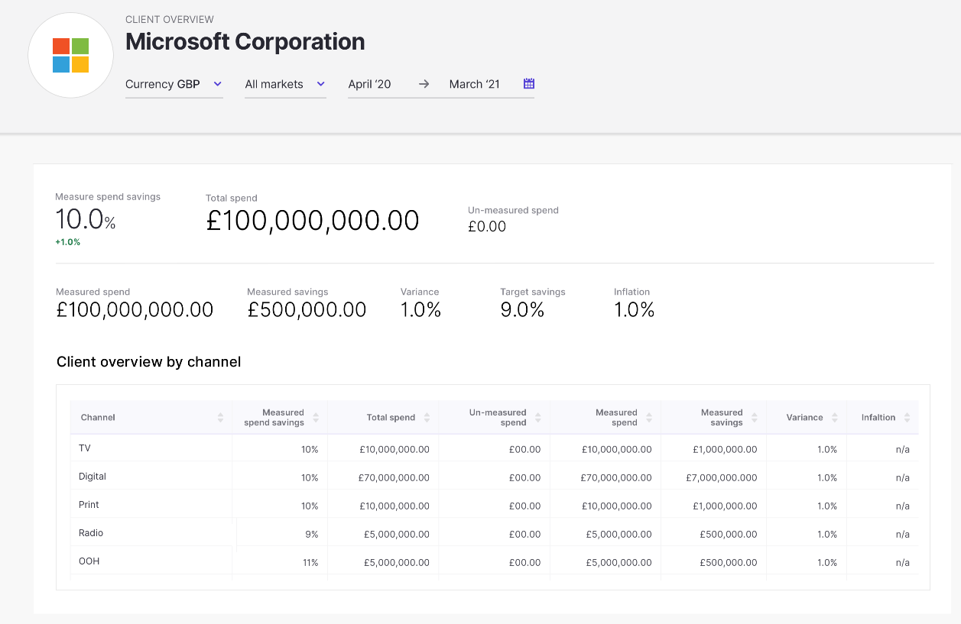
 |  | Maps to these cells in BK template - Summary Sheet |  |  |  | Maps to these cells in C&A template - Summary Sheet |  |  |  | Maps to these cells in ELC template - Detailed Summary YTD or Detailed Summary FY Sheet |  |  |  | Maps to these cells in Philips template - Savings Summary Sheet
ID | Field in Prototype | Local Currency - YTD | Local Currency - Full Year | Converted Currency - YTD | Converted Currency - Full Year | Local Currency - YTD | Local Currency - Full Year | Converted Currency - YTD | Converted Currency - Full Year | Local Currency - YTD | Local Currency - Full Year | Converted Currency - YTD | Converted Currency - Full Year | Local Currency - YTD | Local Currency - Full Year | Converted Currency - YTD | Converted Currency - Full Year
1 | Measured spend savings | I15 | T15 | I28 | T28 | J15 | V15 | J28 | V28 | R38 | R38 | Not in template? | Not in template? | P20 | P39 | Not in template? | Not in template?
2 | % Difference between measured spend savings vs target savings | J15 | U15 | J28 | U28 | K15 | W15 | K28 | W28 | R38 minus U38? | R38 minus U38? | Not in template? | Not in template? | P23 | P42 | Not in template? | Not in template?
3 | Total spend | D15 | O15 | D28 | O28 | D15 | P15 | D28 | P28 | E38 | E38 | Not in template? | Not in template? | D20 | D39 | Not in template? | Not in template?
4 | Un-measured spend | E15 | P15 | E28 | P28 | E15 | Q15 | E28 | Q28 | H38 | H38 | Not in template? | Not in template? | I20 | I39 | Not in template? | Not in template?
5 | Measured spend | F15 | Q15 | F28 | Q28 | G15 | S15 | G28 | S28 | G38 | G38 | Not in template? | Not in template? | H20 | H39 | Not in template? | Not in template?
1
3
4
6 | Measured savings | K15 | V15 | K28 | V28 | L15 | X15 | L28 | X28 | Q38 | Q38 | Not in template? | Not in template? | O20 | O39 | Not in template? | Not in template?
7 | Variance | J15 | U15 | J28 | U28 | K15 | W15 | K28 | W28 | R38 minus U38? | R38 minus U38? | Not in template? | Not in template? | P23 | P42 | Not in template? | Not in template?
2
8 | Target savings | H15 | S15 | H28 | S28 | I15 | U15 | I28 | U28 | U38 | U38 | Not in template? | Not in template? | P22 | P41 | Not in template? | Not in template?
9 | Inflation | M15 | X15 | M28 | X28 | N15 | Z15 | N28 | Z28 | Not in template? | Not in template? | Not in template? | Not in template? | N20 | N39 | Not in template? | Not in template?
10 | Channel-specific measured spend savings | I6-I13 | T6-T13 | I19-I26 | T19-T26 | J6-J13 | V6-V13 | J19-J26 | V19-V26 | R9-R33 | R9-R33 | Not in template? | Not in template? | P9-P18 | P28-P37 | Not in template? | Not in template?
5
11 | Channel-specific total spend | D6-D13 | O6-O13 | D19-D26 | O19-O26 | D6-D13 | P6-P13 | D19-D26 | P19-P26 | E9-E33 | E9-E33 | Not in template? | Not in template? | D9-D18 | D28-D37 | Not in template? | Not in template?
6
7
8
9
12 | Channel-specific un-measured spend | E6-E13 | P6-P13 | E19-E26 | P19-P26 | E6-E13 | Q6-Q13 | E19-E26 | Q19-Q26 | H9-H33 | H9-H33 | Not in template? | Not in template? | I9-I18 | I28-I37 | Not in template? | Not in template?
13 | Channel-specific measured spend | F6-F13 | Q6-Q13 | F19-F26 | Q19-Q26 | G6-G13 | S6-S13 | G19-G26 | S19-S26 | G9-G33 | G9-G33 | Not in template? | Not in template? | H9-H18 | H28-H37 | Not in template? | Not in template?
14 | Channel-specific measured savings | K6-K13 | V6-V13 | K19-K26 | V19-V26 | L6-L13 | X6-X13 | L19-L26 | X19-X26 | Q9-Q33 | Q9-Q33 | Not in template? | Not in template? | O9-O18 | O28-O37 | Not in template? | Not in template?
15 | Channel-specific variance | J6-J13 | U6-U13 | J19-J26 | U19-U26 | K6-K13 | W6-W13 | K19-K26 | W19-W26 | R9 minus U9? R10 minus U10? Etc. | R9 minus U9? R10 minus U10? Etc. | Not in template? | Not in template? | Not in template? | Not in template? | Not in template? | Not in template?
16 | Channel-specific inflation | M6-M13 | X6-X13 | M19-M26 | X19-X26 | N6-N13 | Z6-Z13 | N19-N26 | Z19-Z26 | Not in template? | Not in template? | Not in template? | Not in template? | N9-N18 | N28-N37 | Not in template? | Not in template?
17 | (Not in wireframe yet) Affectable spend | Not in template? | Not in template? | Not in template? | Not in template? | D15 minus E15 minus F15? | P15 minus Q15 minus R15? | D28 minus E28 minus F28? | P28 minus Q28 minus R28? | I38 | I38 | Not in template? | Not in template? | Not in template? | Not in template? | Not in template? | Not in template?
18 | (Not in wireframe yet) Channel-specific affectable spend | Not in template? | Not in template? | Not in template? | Not in template? | D6 minus E6 minus F6? D7 minus E7 minus F7? Etc. | P6 minus Q6 minus R6? P7 minus Q7 minus R7? Etc. | D19 minus E19 minus F19? D20 minus E20 minus F20? Etc. | P19 minus Q19 minus R19? P20 minus Q20 minus R20? Etc. | I9-I33 | I9-I33 | Not in template? | Not in template? | Not in template? | Not in template? | Not in template? | Not in template?

10
11
12
13
14
15
16

