Consolidated Logs
Test Case Name | Step Description | Status Outcome | Duration (s) | Step Screenshot Evidence
test_hybrid_api_to_ui_sync[chromium] | Verified API mock data entity synchronization cleanly matches frontend visual state components | PASSED | 2.62 | 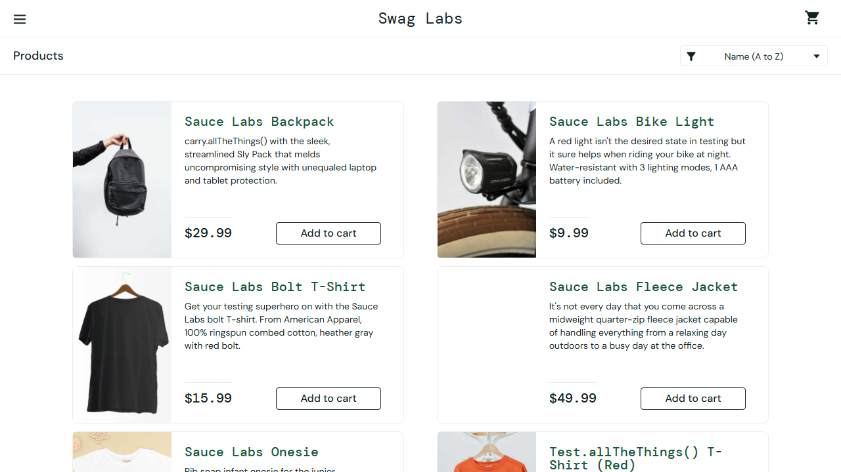
test_login_matrix[chromium]_Scenario_1 | Validated credentials for user [locked_out_user] | PASSED | 2.81 | 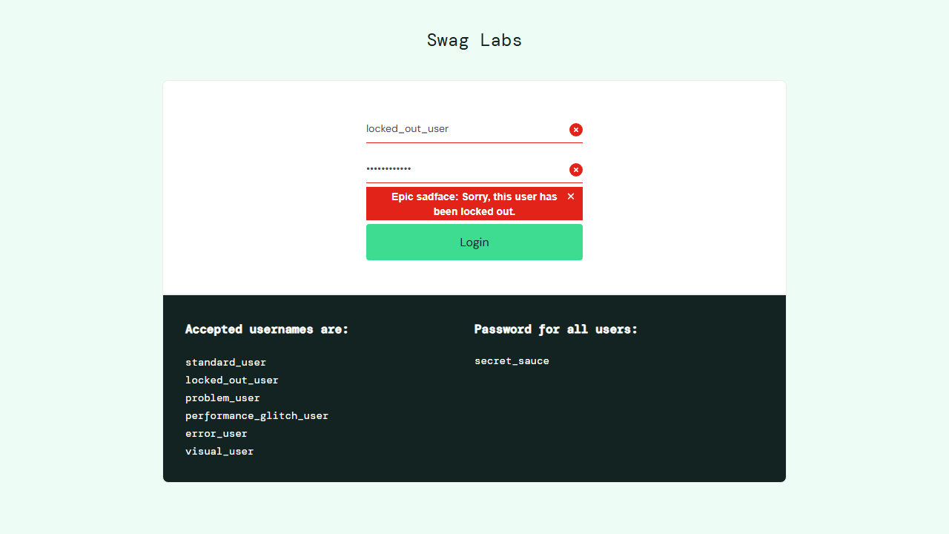
test_login_matrix[chromium]_Scenario_2 | Validated credentials for user [invalid_user] | PASSED | 0.74 | 
test_login_matrix[chromium]_Scenario_3 | Validated credentials for user [] | PASSED | 0.72 | 
test_login_matrix[chromium]_Scenario_4 | Validated credentials for user [standard_user] | PASSED | 0.74 | 
test_sorting_az[chromium] | Verify Catalog Order Sequence: Name A to Z | PASSED | 2.99 | 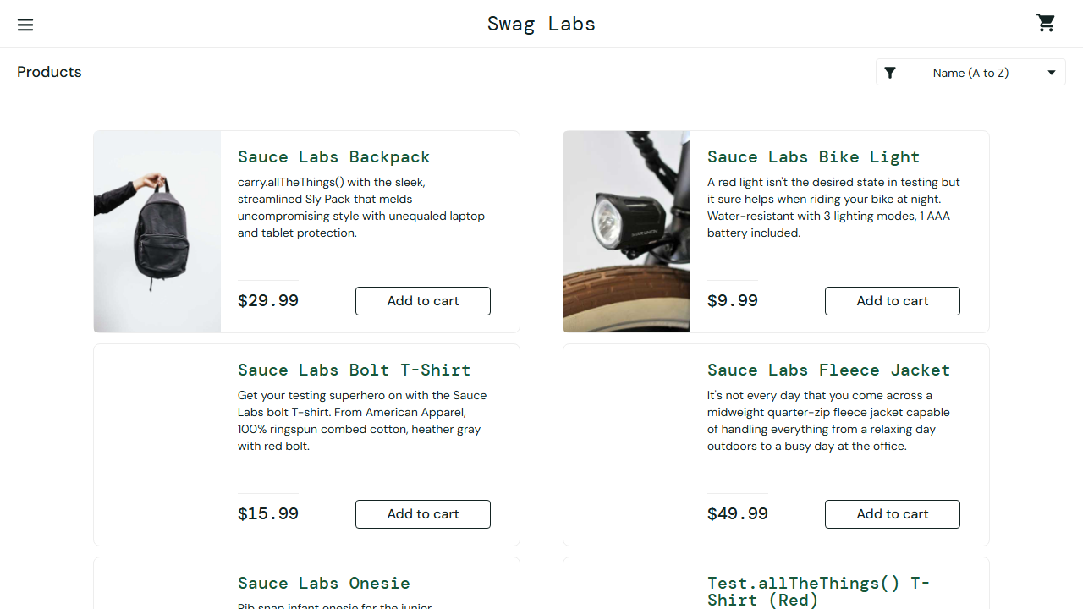
test_sidebar_logout[chromium] | Verify session clear triggers redirection back to home | PASSED | 3.69 | 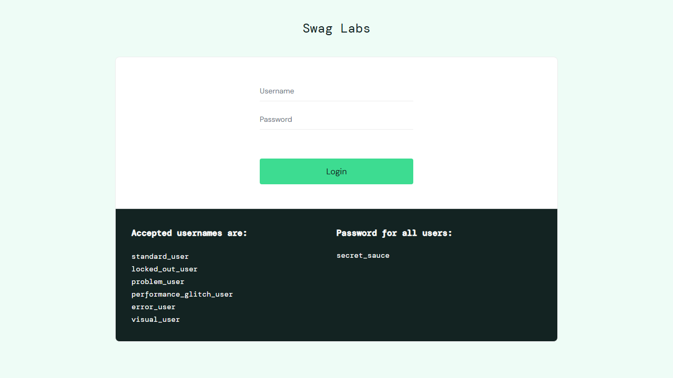
test_generate_auth_state[chromium] | Authenticate standard_user and preserve auth_state.json context | PASSED | 3.1 | 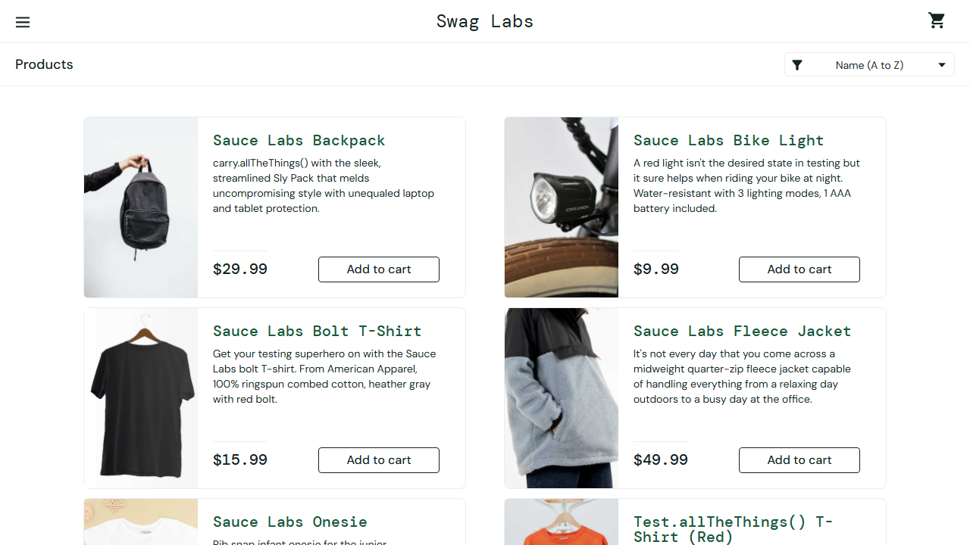
test_consume_auth_state[chromium] | Bypass authentication layout using stored token profiles | PASSED | 1.86
test_sorting_hilo[chromium] | Verify Catalog Order Sequence: Price High to Low | PASSED | 2.9 | 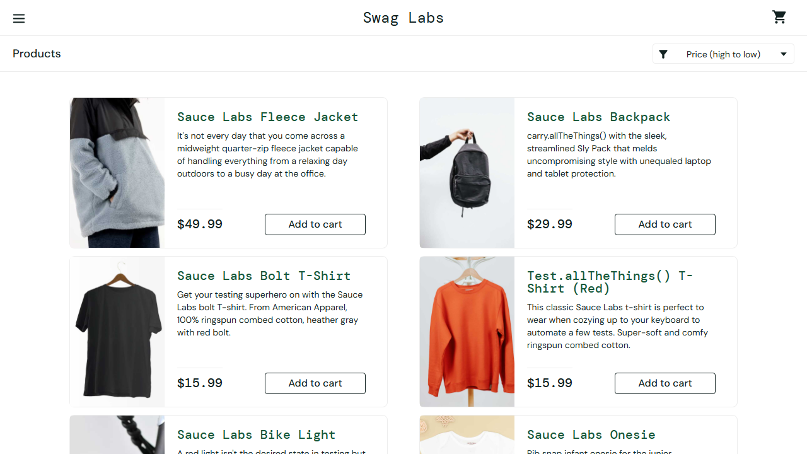
test_add_to_cart[chromium] | Verify item addition correctly populates checkout container metrics | PASSED | 3.3 | 
test_remove_from_cart[chromium] | Verify removing selection drops badge metric elements cleanly | PASSED | 3.15 | 
test_sorting_za[chromium] | Verify Catalog Order Sequence: Name Z to A | PASSED | 3.16 | 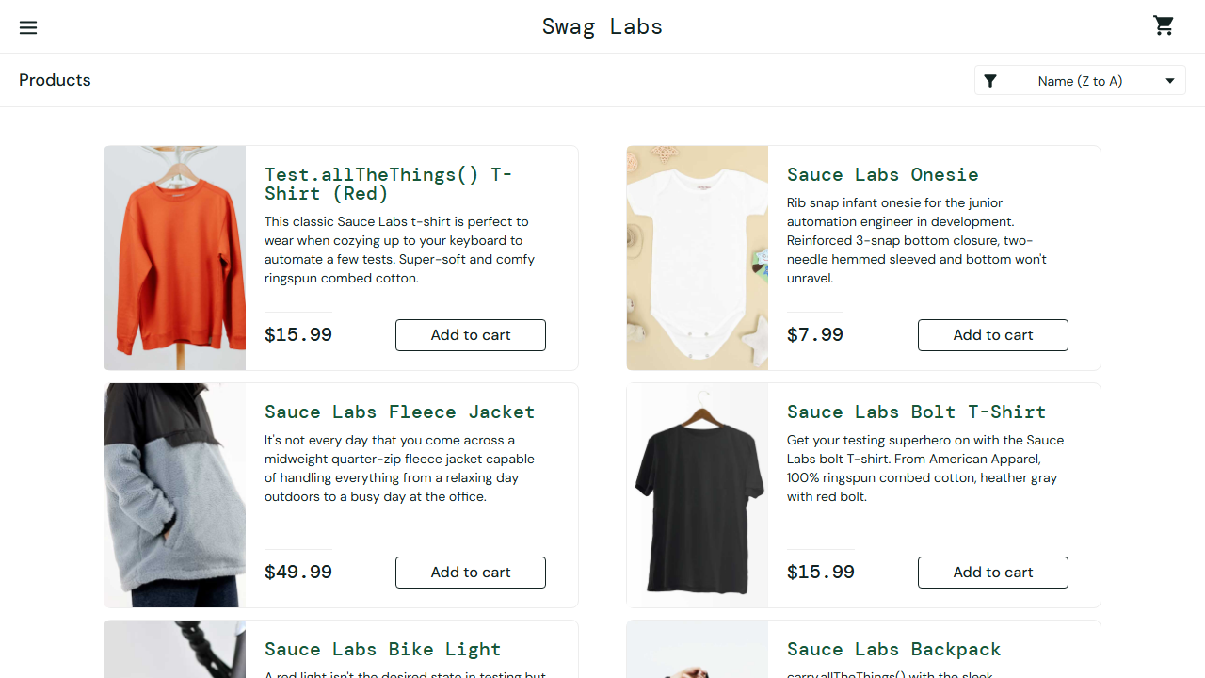
test_sorting_lohi[chromium] | Verify Catalog Order Sequence: Price Low to High | PASSED | 2.84 | 