Definitions
Definitions

Term | Definition
Extended Reality (XR) | All real-and-virtual environments generated by computer technology and wearables. The 'X' in XR is a variable that can stand for any letter.
Virtual Reality (VR) | Encompasses all immersive experiences. These could be created using purely real-world content (360 Video), purely synthetic content (Computer Generated), or a hybrid of both.
Augmented Reality (AR) | An overlay of computer generated content on the real world that can superficially interact with the environment in real-time. With AR, there is no occlusion between CG content and the real-world.
Mixed Reality (MR) | An overlay of synthetic content that is anchored to and interacts with objects in the real world—in real time. Mixed Reality experiences exhibit occlusion, in that the computer-generated objects are visibly obscured by objects in the physical environment.
daily_usage | Average use per day, in hours
bandwidth | Average bitrate consumed per second, in Mbps.
wi-fi_offload | % of traffic offloaded to Wi-Fi (i.e. traffic not carried on the cellular network)

Assumptions
Model Assumptions

ID | Assumption
1 | Average AR Required Bandwidth = 25Mbps
2 | Average VR Required Bandwidth = 40Mbps
3 | Average hour of use/day = 1 for 2024-2025 and 2 for 2026-2027
4 | Wifi Offload is currently 100%, decreasing to ~90% in 2024
5 | Market Share: AR = 75%, VR = 25%
6 | Excludes causal use - i.e. occasional Snapchat photo with AR filter, inlcudes only prolonged use on network
7 | Price point may be an issue - not clear on what future 5G AR/VR headsets will cost but with embedded 5g chip, could cost significantly higher than $499 Meta Quest 2. Meta Quest Pro is currently $1,499

Parameters
Model Parameters

Scenario | Param | Category | Start_Year | Start_val | CAGR | Unique Scenarios
Moderate | Subs | AR-Teth | 2024 | 11250 | 1.6 | Moderate
Moderate | Subs | AR-Emb | 2025 | 15000 | 1.6 | Aggressive
Moderate | Subs | VR-Teth | 2024 | 3750 | 1.6 | 22h1
Moderate | Subs | VR-Emb | 2025 | 5000 | 1.6 | NRG
Moderate | hrs_per_day | AR-Teth | 2024 | 0.25 | 1 | Low
Moderate | hrs_per_day | AR-Emb | 2025 | 0.25 | 1 | High
Moderate | hrs_per_day | VR-Teth | 2024 | 0.1 | 1
Moderate | hrs_per_day | VR-Emb | 2025 | 0.1 | 1
Moderate | Mbps | AR-Teth | 2024 | 25 | 0.0001
Moderate | Mbps | AR-Emb | 2025 | 25 | 0.0001
Moderate | Mbps | VR-Teth | 2024 | 40 | 0.0001
Moderate | Mbps | VR-Emb | 2025 | 40 | 0.0001
Moderate | Wi-Fi_offload | AR-Teth | 2024 | 0.95 | -0.1
Moderate | Wi-Fi_offload | AR-Emb | 2025 | 0.95 | -0.1
Moderate | Wi-Fi_offload | VR-Teth | 2024 | 0.99 | -0.1
Moderate | Wi-Fi_offload | VR-Emb | 2025 | 0.99 | -0.1
Aggressive | Subs | AR-Teth | 2024 | 11250 | 3
Aggressive | Subs | AR-Emb | 2025 | 15000 | 3
Aggressive | Subs | VR-Teth | 2024 | 3750 | 3
Aggressive | Subs | VR-Emb | 2025 | 5000 | 3
Aggressive | hrs_per_day | AR-Teth | 2024 | 0.25 | 1
Aggressive | hrs_per_day | AR-Emb | 2025 | 0.25 | 1
Aggressive | hrs_per_day | VR-Teth | 2024 | 0.1 | 1
Aggressive | hrs_per_day | VR-Emb | 2025 | 0.1 | 1
Aggressive | Mbps | AR-Teth | 2024 | 75 | 0.0001
Aggressive | Mbps | AR-Emb | 2025 | 75 | 0.0001
Aggressive | Mbps | VR-Teth | 2024 | 100 | 0.0001
Aggressive | Mbps | VR-Emb | 2025 | 100 | 0.0001
Aggressive | Wi-Fi_offload | AR-Teth | 2024 | 0.95 | -0.1
Aggressive | Wi-Fi_offload | AR-Emb | 2025 | 0.95 | -0.1
Aggressive | Wi-Fi_offload | VR-Teth | 2024 | 0.99 | -0.1
Aggressive | Wi-Fi_offload | VR-Emb | 2025 | 0.99 | -0.1
22h1 | Subs | AR-Teth | 2024 | 743538.5 | 0.5
22h1 | Subs | AR-Emb | 2025 | 1069123 | 0.5
22h1 | Subs | VR-Teth | 2024 | 247846 | 0.5
22h1 | Subs | VR-Emb | 2025 | 356374.5 | 0.5
22h1 | hrs_per_day | AR-Teth | 2024 | 0.1 | 1
22h1 | hrs_per_day | AR-Emb | 2025 | 0.1 | 1
22h1 | hrs_per_day | VR-Teth | 2024 | 0.1 | 1
22h1 | hrs_per_day | VR-Emb | 2025 | 0.1 | 1
22h1 | Mbps | AR-Teth | 2024 | 25 | 0.0001
22h1 | Mbps | AR-Emb | 2025 | 25 | 0.0001
22h1 | Mbps | VR-Teth | 2024 | 30 | 0.0001
22h1 | Mbps | VR-Emb | 2025 | 30 | 0.0001
22h1 | Wi-Fi_offload | AR-Teth | 2024 | 0.95 | -0.1
22h1 | Wi-Fi_offload | AR-Emb | 2025 | 0.95 | -0.1
22h1 | Wi-Fi_offload | VR-Teth | 2024 | 0.99 | -0.1
22h1 | Wi-Fi_offload | VR-Emb | 2025 | 0.99 | -0.1
NRG | Subs | AR-Teth | 2024 | #REF! | 0.5
NRG | Subs | AR-Emb | 2025 | #REF! | 0.5
NRG | Subs | VR-Teth | 2024 | #REF! | 0.5
NRG | Subs | VR-Emb | 2025 | #REF! | 0.5
NRG | hrs_per_day | AR-Teth | 2024 | 0.268 | 1
NRG | hrs_per_day | AR-Emb | 2025 | 0.268 | 1
NRG | hrs_per_day | VR-Teth | 2024 | 0.268 | 1
NRG | hrs_per_day | VR-Emb | 2025 | 0.268 | 1
NRG | Mbps | AR-Teth | 2024 | 25 | 0.0001
NRG | Mbps | AR-Emb | 2025 | 25 | 0.0001
NRG | Mbps | VR-Teth | 2024 | 30 | 0.0001
NRG | Mbps | VR-Emb | 2025 | 30 | 0.0001
NRG | Wi-Fi_offload | AR-Teth | 2024 | 0.99 | -0.1
NRG | Wi-Fi_offload | AR-Emb | 2025 | 0.99 | -0.1
NRG | Wi-Fi_offload | VR-Teth | 2024 | 0.99 | -0.1
NRG | Wi-Fi_offload | VR-Emb | 2025 | 0.99 | -0.1
Low | Subs | AR-Teth | 2024 | 377,394 | 0.5
Low | Subs | AR-Emb | 2025 | 542,062 | 0.5
Low | Subs | VR-Teth | 2024 | 125,798 | 0.5
Low | Subs | VR-Emb | 2025 | 180,687 | 0.5
Low | hrs_per_day | AR-Teth | 2024 | 0.13 | 1
Low | hrs_per_day | AR-Emb | 2025 | 0.13 | 1
Low | hrs_per_day | VR-Teth | 2024 | 0.04 | 1
Low | hrs_per_day | VR-Emb | 2025 | 0.04 | 1
Low | Mbps | AR-Teth | 2024 | 25 | 0.0001
Low | Mbps | AR-Emb | 2025 | 25 | 0.0001
Low | Mbps | VR-Teth | 2024 | 40 | 0.0001
Low | Mbps | VR-Emb | 2025 | 40 | 0.0001
Low | Wi-Fi_offload | AR-Teth | 2024 | 0.9 | -0.1
Low | Wi-Fi_offload | AR-Emb | 2025 | 0.9 | -0.1
Low | Wi-Fi_offload | VR-Teth | 2024 | 0.9 | -0.1
Low | Wi-Fi_offload | VR-Emb | 2025 | 0.9 | -0.1
High | Subs | AR-Teth | 2024 | 377,394 | 1
High | Subs | AR-Emb | 2025 | 542,062 | 1
High | Subs | VR-Teth | 2024 | 125,798 | 1
High | Subs | VR-Emb | 2025 | 180,687 | 1
High | hrs_per_day | AR-Teth | 2024 | 0.13 | 1
High | hrs_per_day | AR-Emb | 2025 | 0.13 | 1
High | hrs_per_day | VR-Teth | 2024 | 0.04 | 1
High | hrs_per_day | VR-Emb | 2025 | 0.04 | 1
High | Mbps | AR-Teth | 2024 | 25 | 0.0001
High | Mbps | AR-Emb | 2025 | 25 | 0.0001
High | Mbps | VR-Teth | 2024 | 40 | 0.0001
High | Mbps | VR-Emb | 2025 | 40 | 0.0001
High | Wi-Fi_offload | AR-Teth | 2024 | 0.9 | -0.1
High | Wi-Fi_offload | AR-Emb | 2025 | 0.9 | -0.1
High | Wi-Fi_offload | VR-Teth | 2024 | 0.9 | -0.1
High | Wi-Fi_offload | VR-Emb | 2025 | 0.9 | -0.1

Model
Model Assumptions |  |  |  |  |  | Scenario: | Moderate

 | Subs
 |  |  | Start_Year | Start_val | CAGR | 2023 | 2024 | 2025 | 2026 | 2027 | 2028
 |  | AR-Teth | 2024 | 11,250 | 160% | #N/A | 11,250 | 34,104 | 65,245 | 103,383 | 147,742 | -
 |  | AR-Emb | 2025 | 15,000 | 160% | #N/A | #N/A | 15,000 | 45,471 | 86,993 | 137,844
 |  | VR-Teth | 2024 | 3,750 | 160% | #N/A | 3,750 | 11,368 | 21,748 | 34,461 | 49,247
 |  | VR-Emb | 2025 | 5,000 | 160% | #N/A | #N/A | 5,000 | 15,157 | 28,998 | 45,948
 |  |  |  |  | TOTAL | - | 15,000 | 65,471 | 147,622 | 253,835 | 380,781
 | hrs_per_day
 |  |  | Start_Year | Start_val | CAGR | 2023 | 2024 | 2025 | 2026 | 2027 | 2028
 |  | AR-Teth | 2024 | 0.25 | 100% | #N/A | 0.25 | 0.50 | 0.75 | 1.00 | 1.25
 |  | AR-Emb | 2025 | 0.25 | 100% | #N/A | #N/A | 0.25 | 0.50 | 0.75 | 1.00
 |  | VR-Teth | 2024 | 0.1 | 100% | #N/A | 0.10 | 0.20 | 0.30 | 0.40 | 0.50
 |  | VR-Emb | 2025 | 0.1 | 100% | #N/A | #N/A | 0.10 | 0.20 | 0.30 | 0.40
 |  |  |  |  | TOTAL | - | 0.35 | 1.05 | 1.75 | 2.45 | 3.15
 | Mbps
 |  |  | Start_Year | Start_val | CAGR | 2023 | 2024 | 2025 | 2026 | 2027 | 2028
 |  | AR-Teth | 2024 | 25 | 0% | #N/A | 25 | 25 | 25 | 25 | 25
 |  | AR-Emb | 2025 | 25 | 0% | #N/A | #N/A | 25 | 25 | 25 | 25
 |  | VR-Teth | 2024 | 40 | 0% | #N/A | 40 | 40 | 40 | 40 | 40
 |  | VR-Emb | 2025 | 40 | 0% | #N/A | #N/A | 40 | 40 | 40 | 40
 | Wi-Fi_offload
 |  |  | Start_Year | Start_val | CAGR | 2023 | 2024 | 2025 | 2026 | 2027 | 2028
 |  | AR-Teth | 2024 | 95% | -10% | #N/A | 95% | 89% | 85% | 83% | 81%
 |  | AR-Emb | 2025 | 95% | -10% | #N/A | #N/A | 95% | 89% | 85% | 83%
 |  | VR-Teth | 2024 | 99% | -10% | #N/A | 99% | 92% | 89% | 86% | 84%
 |  | VR-Emb | 2025 | 99% | -10% | #N/A | #N/A | 99% | 92% | 89% | 86%

 | AR-Teth | AR-Emb | VR-Teth | VR-Emb
2023 | 0 | 0 | 0 | 0
2024 | 12,360 | 0 | 527 | 0
2025 | 170,291 | 16,479 | 24,396 | 703
2026 | 640,201 | 227,055 | 103,691 | 32,527
2027 | 1,571,953 | 853,601 | 267,841 | 138,254
2028 | 3,104,391 | 2,095,937 | 544,333 | 357,121
 | Total Model Usage |  |  |  |  | 2023 | 2024 | 2025 | 2026 | 2027 | 2028
 | (GB) |  |  |  | AR-Teth |  | 12,360 | 170,291 | 640,201 | 1,571,953 | 3,104,391
 |  |  |  |  | AR-Emb |  |  | 16,479 | 227,055 | 853,601 | 2,095,937
 |  |  |  |  | VR-Teth |  | 527 | 24,396 | 103,691 | 267,841 | 544,333
 |  |  |  |  | VR-Emb |  |  | 703 | 32,527 | 138,254 | 357,121
 |  |  |  |  | TOTAL |  | 12,887 | 211,870 | 1,003,474 | 2,831,649 | 6,101,782

 | AR-Teth | AR-Emb | VR-Teth | VR-Emb
2023 | 0.0 | 0.0 | 0.0 | 0.0
2024 | 1.1 | 0.0 | 0.1 | 0.0
2025 | 5.0 | 1.1 | 2.1 | 0.1
2026 | 9.8 | 5.0 | 4.8 | 2.1
2027 | 15.2 | 9.8 | 7.8 | 4.8
2028 | 21.0 | 15.2 | 11.1 | 7.8
 | Model GB/sub |  |  |  |  | 2023 | 2024 | 2025 | 2026 | 2027 | 2028
 |  |  |  |  | AR-Teth |  | 1.1 | 5.0 | 9.8 | 15.2 | 21.0
 |  |  |  |  | AR-Emb |  |  | 1.1 | 5.0 | 9.8 | 15.2
 |  |  |  |  | VR-Teth |  | 0.1 | 2.1 | 4.8 | 7.8 | 11.1
 |  |  |  |  | VR-Emb |  |  | 0.1 | 2.1 | 4.8 | 7.8
 |  |  |  |  | TOTAL |  |  | 3.2 | 6.8 | 11.2 | 16.0

 | Model summary |  |  |  |  | 2023 | 2024 | 2025 | 2026 | 2027 | 2028
 |  | Subs |  |  |  | 0 | 15,000 | 65,471 | 147,622 | 253,835 | 380,781
 |  | Usage (GB) |  |  |  | 0 | 12,887 | 211,870 | 1,003,474 | 2,831,649 | 6,101,782
 |  | Average usage (GB/sub) |  |  |  |  |  | 3.2 | 6.8 | 11.2 | 16.0

Model vs. 22H1 Forecasted Total AR/VR Subs
 | Postpad 22H1 Total Forecast
 | (does not include AR/VR overlay) |  |  |  |  | 2023 | 2024 | 2025 | 2026 | 2027 | 2028
 |  | Subs |  |  |  | 87,925,805 | 91,230,794 | 94,912,364 | 98,225,896 | 101,217,152 | 103,891,823
 |  | Usage (GB) |  |  |  | 1,528,182,965 | 1,785,193,973 | 2,079,183,761 | 2,395,882,288 | 2,693,603,592 | 3,007,229,252
 |  | Average usage (GB/sub) |  |  |  | 17.4 | 19.6 | 21.9 | 24.4 | 26.6 | 28.9

 | 22H1 ARVR Forecast |  |  |  |  | 2023 | 2024 | 2025 | 2026 | 2027 | 2028
 |  | Subs |  |  |  | 1,244,920 | 1,967,769 | 2,830,994 | 4,024,847 | 5,557,074 | 7,490,917
 |  | Usage (GB) |  |  |  | 11,718,750 | 24,218,750 | 45,898,438 | 85,351,563 | 154,492,188 | 272,656,250
 |  | Average usage (GB/sub) |  |  |  | 9.4 | 12.3 | 16.2 | 21.2 | 27.8 | 36.4

Model vs. 22H1 Forecasted Total AR/VR GBs
 | 22H1 ARVR Forecast | Total Model Usage
2023 | 11,718,750
2024 | 24,218,750 | 12,887
2025 | 45,898,438 | 211,870
2026 | 85,351,563 | 1,003,474
2027 | 154,492,188 | 2,831,649
2028 | 272,656,250 | 6,101,782
 | Scenario: Igor-Moderate |  |  |  |  | 2023 | 2024 | 2025 | 2026 | 2027 | 2028
 |  | Subs
 |  | Usage (GB)
 |  | Average usage (GB/sub)

 | Scenario: 2021 |  |  |  |  | 2023 | 2024 | 2025 | 2026 | 2027 | 2028
 |  | Subs
 |  | Usage (GB)
 |  | Average usage (GB/sub)

Model vs. 22H1 Forecasted Total AR/VR GB/sub
 | 22H1 ARVR Forecast | Total Model Usage
2023 | 9.4 | 0.0
2024 | 12.3 | 0.0
2025 | 16.2 | 3.2
2026 | 21.2 | 6.8
2027 | 27.8 | 11.2
2028 | 36.4 | 16.0

Reference
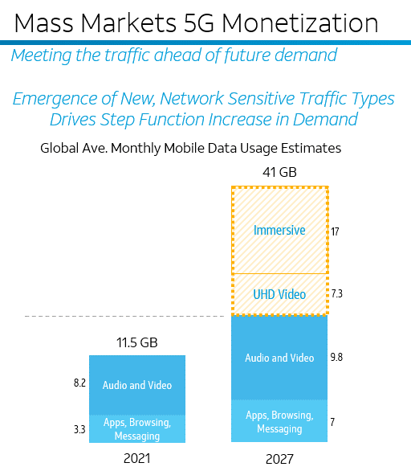
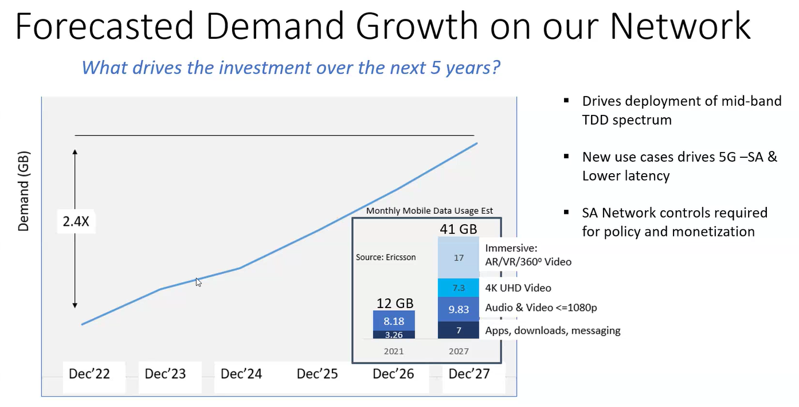
 |  |  |  |  | Variable Estimates
 |  |  |  |  | Metric | AB | Ericsson | SA
 |  |  |  |  | AR avgGB - Low | 25 | 25
 |  |  |  |  | AR avgGB - Avg | 50 | 63
 |  |  |  |  | AR avgGB - High | 75 | 100
 |  |  |  |  | VR avgGB - Low | 40 | 10
 |  |  |  |  | VR avgGB - Avg | 70 | 80
 |  |  |  |  | VR avgGB - High | 100 | 150
 |  |  |  |  | 4K UHD (Mbps) |  | 16
 |  |  |  |  | 8K UHD (Mbps) |  | 22
 |  |  |  |  | Volumetric Media (Mbps) |  | 100
 |  |  |  |  | AR min/day
 |  |  |  |  | VR min/day

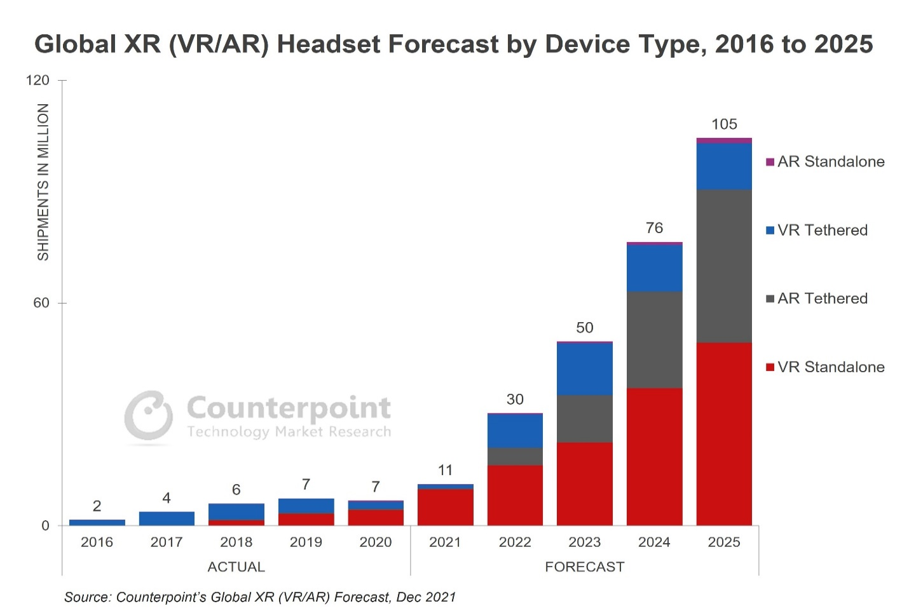

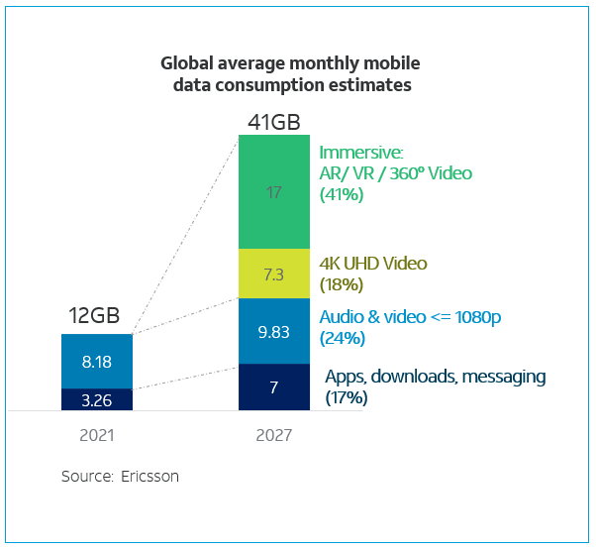
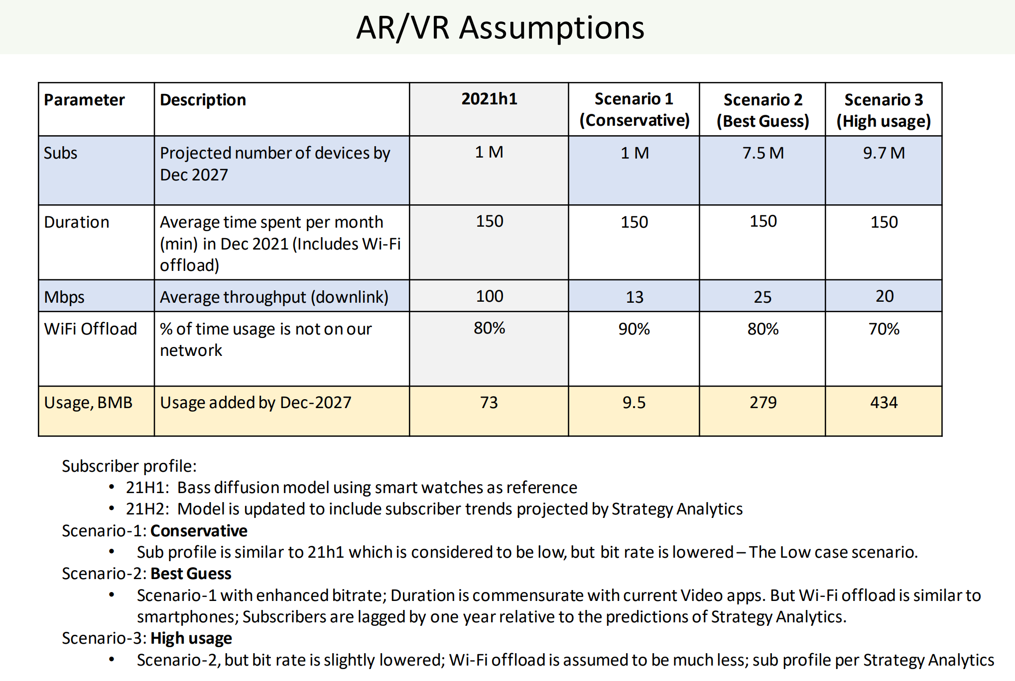

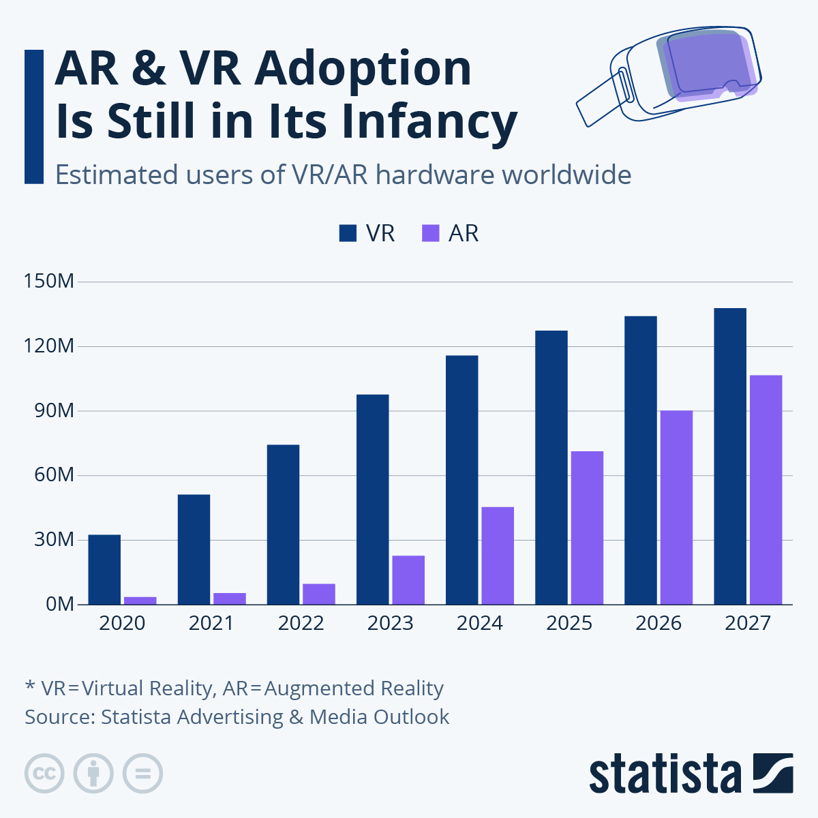
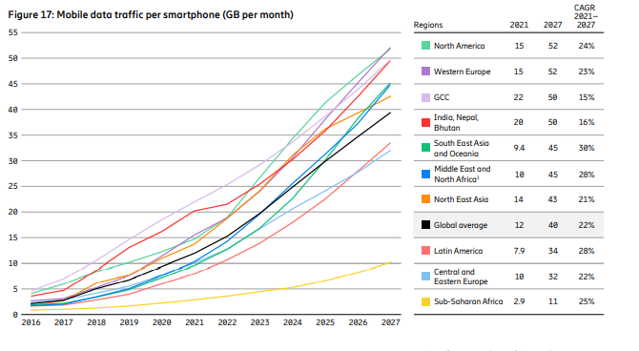

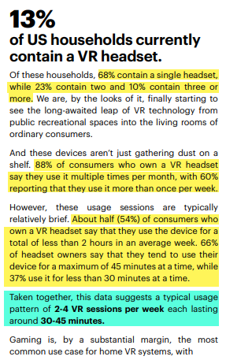

ERICSSON: New services expected to drive data growth in North America In North America, the average monthly mobile data usage per smartphone is expected to reach 52GB in 2027. Unlimited data plans and improved 5G network coverage and capacity are increasingly attracting new 5G subscribers. The data traffic generated per minute of use will increase significantly in line with the expected uptake of new XR and video-based apps. This is due to higher video resolutions, increased uplink traffic, and more data from devices off-loaded to cloud compute resources. In 2027, 5G subscription penetration in North America is predicted to be the highest of all regions at 90 percent.
The traffic growth up to 2027 includes an assumption that an initial uptake of XR-type services, including AR, VR and mixed reality (MR), will happen in the latter part of the forecast period. If adoption is stronger than expected, data traffic could increase even more than currently anticipated towards the end of the forecast period (particularly in the uplink). Currently, video traffic is estimated to account for 69% of all mobile data traffic, a share that is forecast to increase to 79% in 2027. -- Ericsson Mobility Report June 2022 based on their latest view the are expecting avg 52 GB per user in 2027

Source: (National Research Group) https://assets.ctfassets.net/0o6s67aqvwnu/1zmWdgZfYLEEbdLS2DCtNi/0b573716bd56b0a4c09aede06b4325d9/Beyond_Reality_April_2022.pdf (p.8)

 |  | 2021 | 2027 | CAGR
 | E/// | 15 | 52

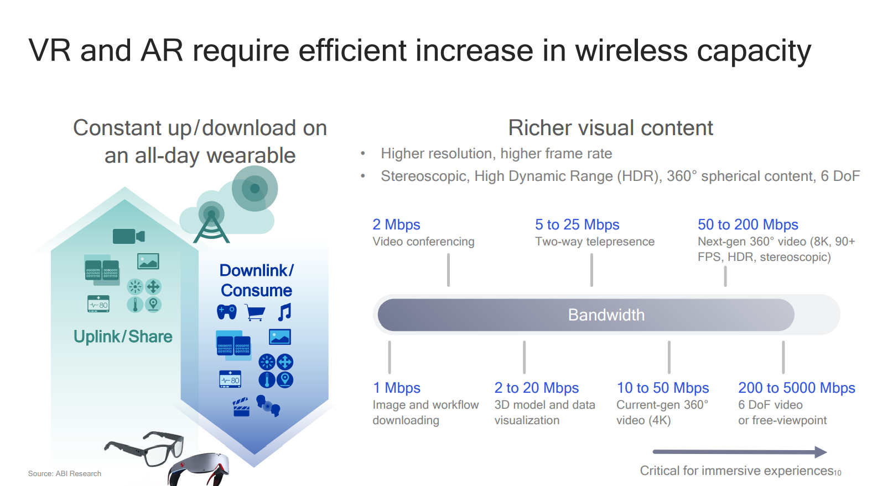

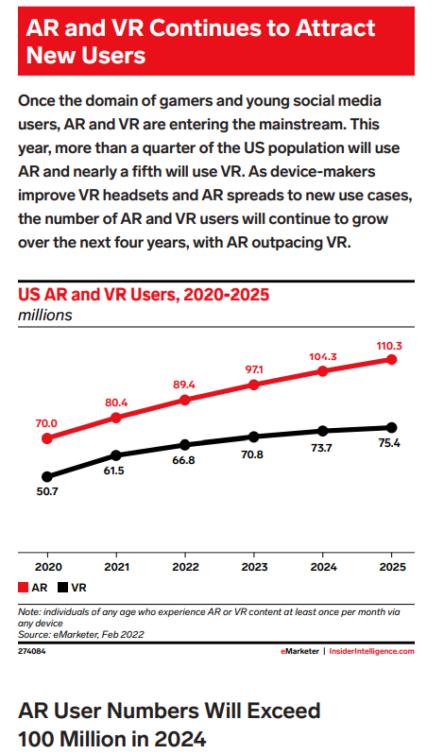

*From Qualcomm

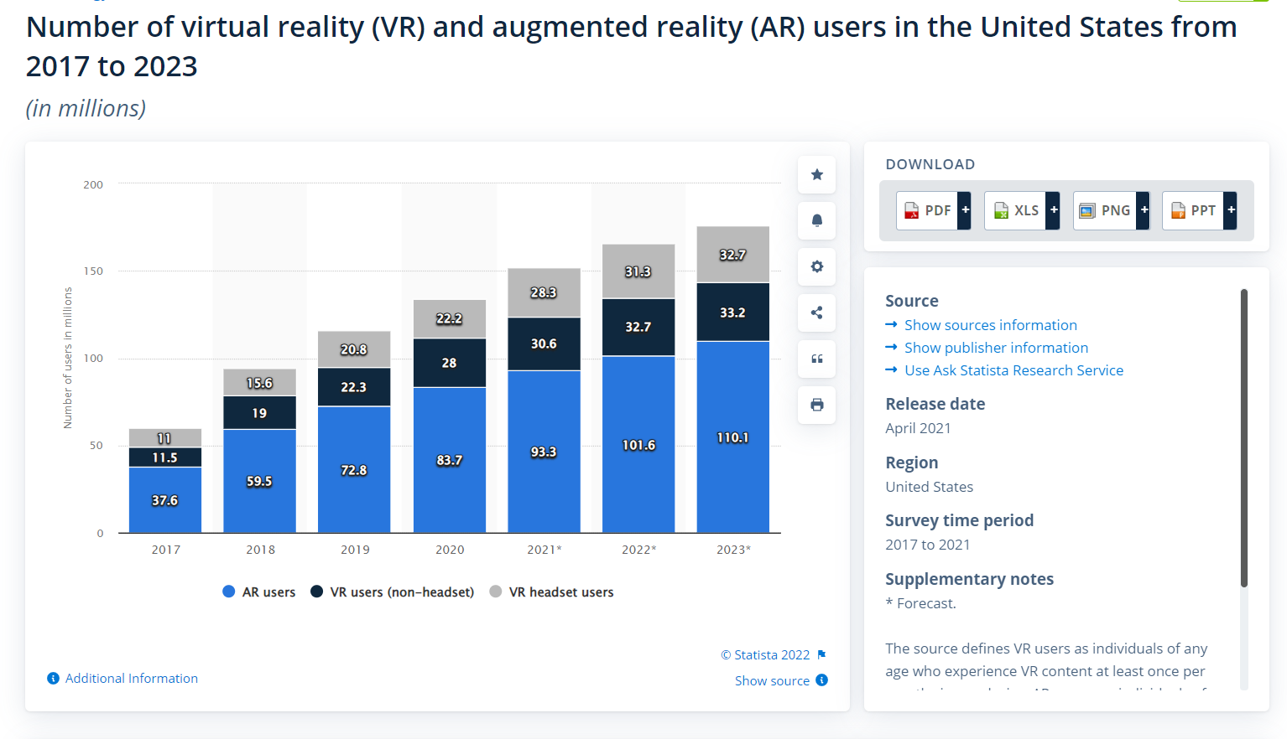

*From Statista

