Typical versus Best Practice (N
 |  | B1 | B1E | B4 | B5 | B6 | C3 | D1 | E2 | E2P | F1 | G1 | G1E | H1 | i2 | i3 | L1 | M1 | N1 | N2 | O1 | P1 | P1E | B2 | B3 | C1 | C2 | C5 | C6 | D2 | D3 | D5 | D6 | G2 | G3 | G5 | G6 | I1 | I1E | I5 | I6 | O1E | O2 | O3 | O5 | O6
Typical | Total Electricity Usage [kWh/d] | 14119 | 14119 | 15867 | 15684 | 14387 | 15685 | 11551 | 21366 | 20868 | 17552 | 22535 | 22535 | 20197 | 25009 | 23506 | 22935 | 21439 | 65867 | 66453 | 15473 | 20591 | 20594 | 18188.5692 | 13328.98 | 16589.3 | 19620.4692 | 17984.3 | 16711.3 | 14538.574 | 10534.28 | 12876.5 | 11603.5 | 26371.488 | 21229.98 | 23572.2 | 22299.2 | 24541.3 | 24541.3 | 25873.3 | 24600.3 | 15473 | 19608.9084 | 14455.28 | 16797.5 | 15524.5
 | CHP Electricity Generation [kWh/d] |  | 6310 |  |  |  |  |  |  |  |  |  | 5612 |  |  |  |  |  |  |  |  |  | 6750 |  |  |  |  |  |  |  |  |  |  |  |  |  |  |  | 3568.6002073 |  |  | 6048.9745908
 | Total Natural Gas Usage [MJ/d] | 0 | 0 | 27508 | 67521 | 25909 | 15280 | 0 | 6250 | 6250 | 0 | 82506 | 84106 | 33662 | 6250 | 13428 | 116037 | 81567 | 220015 | 171261 | 0 | 0 | 0 | 6250 | 13544.103317 | 0 | 6250 | 67521 | 25909 | 6250 | 13544.103317 | 67521 | 25909 | 88756 | 96050.103317 | 150027 | 108415 | 0 | 0 | 67521 | 25909 | 0 | 6250 | 13544.103317 | 67521 | 25909
 | Total Energy Usage [MJ/d] | 50828.4 | 50828.4 | 84629.2 | 123983.4 | 77702.2 | 71746 | 41583.6 | 83167.6 | 81374.8 | 63187.2 | 163632 | 165232 | 106371.2 | 96282.4 | 98049.6 | 198603 | 158747.4 | 457136.2 | 410491.8 | 55702.8 | 74127.6 | 74138.4 | 71728.84912 | 61528.431317 | 59721.48 | 76883.68912 | 132264.48 | 86069.68 | 58588.8664 | 51467.511317 | 113876.4 | 67681.6 | 183693.3568 | 172478.03132 | 234886.92 | 188692.12 | 88348.68 | 88348.68 | 160664.88 | 114470.08 | 55702.8 | 76842.07024 | 65583.111317 | 127992 | 81797.2
Best Practice | Total Electricity Usage [kWh/d] | 9479 | 9479 | 10748 | 12135 | 10792 | 11134 | 8903 | 14355 | 13531 | 11333 | 15645 | 15645 | 13226 | 15102 | 14347 | 15359 | 14199 | 37255 | 36734 | 12300 | 13409 | 13408 | 12293.3477 | 9670.814259 | 10956.85714 | 13174.10074 | 13540.85714 | 12227.85714 | 11411.65614 | 9040.314259 | 11488 | 10175 | 18574.0781 | 15748.81426 | 18196.5 | 16883.5 | 14049.85714 | 14049.85714 | 16813.85714 | 15500.85714 | 12300 | 15179.8419 | 12436.31426 | 14884 | 13571
 | CHP Electricity Generation [kWh/d] |  | 8100 |  |  |  |  |  |  |  |  |  | 7850 |  |  |  |  |  |  |  |  |  | 8180 |  |  |  |  |  |  |  |  |  |  |  |  |  |  |  | 0 |  |  | 7821.063311
 | Total Natural Gas Usage [MJ/d] | 0 | 0 | 0 | 42414 | 5952 | 15064 | 0 | 5952 | 5952 | 0 | 96257 | 96257 | 41583 | 5952 | 13212 | 119845 | 87898 | 220015 | 143461 | 0 | 0 | 0 | 5952 | 13209.10759 | 0 | 5952 | 42414 | 5952 | 5952 | 13209.10759 | 42414 | 5952 | 102209 | 109466.1076 | 138671 | 102209 | 0 | 0 | 42414 | 5952 | 0 | 5952 | 13209.10759 | 42414 | 5952
 | Total Energy Usage [MJ/d] | 34124.4 | 34124.4 | 38692.8 | 86100 | 44803.2 | 55146.4 | 32050.8 | 57630 | 54663.6 | 40798.8 | 152579 | 152579 | 89196.6 | 60319.2 | 64861.2 | 175137.4 | 139014.4 | 354133 | 275703.4 | 44280 | 48272.4 | 48268.8 | 50208.05172 | 48024.038922 | 39444.685704 | 53378.762664 | 91161.085704 | 49972.285704 | 47033.962104 | 45754.238922 | 83770.8 | 42582 | 169075.68116 | 166161.83894 | 204178.4 | 162989.6 | 50579.485704 | 50579.485704 | 102943.8857 | 61755.085704 | 44280 | 60599.43084 | 57979.838926 | 95996.4 | 54807.6

Sensitivity Analysis
 |  | B2 | B3 | C1 | C1E | C2 | C5 | C6 | D1E | D2 | D3 | D5 | D6 | F1E | G2 | G3 | G5 | G6 | H1E | I1 | I1E | I5 | I6 | N1E | O1E | O2 | O3 | O5 | O6
Low Values | Total Electricity Usage [kWh/d] | 17561.30884 | 13284.726368 | 16589.3 | 16589.3 | 19216.69191 | 17984.3 | 16711.3 | 11551 | 14152.03659 | 10490.026368 | 12876.5 | 11603.5 | 17552 | 25712.53997 | 21185.726368 | 23572.2 | 22299.2 | 20197 | 24183.3 | 24183.3 | 25873.3 | 24600.3 | 65867 | 15473 | 18946.90557 | 14411.026368 | 16797.5 | 15524.5
 | CHP Electricity Generation [kWh/d] |  |  |  | 4504.935 |  |  |  | 4560.25 |  |  |  |  | 5818.25 |  |  |  |  | 5614.75 |  | 1915.675 |  |  | 6512 | 6336.25
 | Net Electricity Import [kWh/d] | 17561.30884 | 13284.726368 | 16589.3 | 12084.365 | 19216.69191 | 17984.3 | 16711.3 | 6990.75 | 14152.03659 | 10490.026368 | 12876.5 | 11603.5 | 11733.75 | 25712.53997 | 21185.726368 | 23572.2 | 22299.2 | 14582.25 | 24183.3 | 22267.625 | 25873.3 | 24600.3 | 59355 | 9136.75 | 18946.90557 | 14411.026368 | 16797.5 | 15524.5
 | Total Natural Gas Usage [MJ/d] | 6250 | 11613.167867 | 0 | 0 | 6250 | 67521 | 25909 | 0 | 6250 | 11613.167867 | 67521 | 25909 | 0 | 88756 | 94119.167867 | 150027 | 108415 | 33662 | 0 | 0 | 67521 | 25909 | 220015 | 0 | 6250 | 11613.167867 | 67521 | 25909
 | Total Energy Usage (Low) [MJ/d] | 69,470.71 | 59,438.18 | 59,721.48 | 59,721.48 | 75,430.09 | 132,264.48 | 86,069.68 | 41,583.60 | 57,197.33 | 49,377.26 | 113,876.40 | 67,681.60 | 63,187.20 | 181,321.14 | 170,387.78 | 234,886.92 | 188,692.12 | 106,371.20 | 87,059.88 | 87,059.88 | 160,664.88 | 114,470.08 | 457,136.20 | 55,702.80 | 74,458.86 | 63,492.86 | 127,992.00 | 81,797.20
High Values | Total Electricity Usage [kWh/d] | 18814.82956 | 13388.41721 | 16947.3 | 16947.3 | 20023.24649 | 17984.3 | 16711.3 | 11551 | 14924.11141 | 10593.71721 | 12876.5 | 11603.5 | 17552 | 27029.43603 | 21289.41721 | 23572.2 | 22299.2 | 20197 | 24541.3 | 24541.3 | 25873.3 | 24600.3 | 65867 | 15473 | 20269.91123 | 14514.71721 | 16797.5 | 15524.5
 | CHP Electricity Generation [kWh/d] |  |  |  | 6314.6975 |  |  |  | 4560.25 |  |  |  |  | 5818.25 |  |  |  |  | 5614.75 |  | 6591.735 |  |  | 6512 | 6336.25
 | Net Electricity Import [kWh/d] | 18814.82956 | 13388.41721 | 16947.3 | 10632.6025 | 20023.24649 | 17984.3 | 16711.3 | 6990.75 | 14924.11141 | 10593.71721 | 12876.5 | 11603.5 | 11733.75 | 27029.43603 | 21289.41721 | 23572.2 | 22299.2 | 14582.25 | 24541.3 | 17949.565 | 25873.3 | 24600.3 | 59355 | 9136.75 | 20269.91123 | 14514.71721 | 16797.5 | 15524.5
 | Total Natural Gas Usage [MJ/d] | 6250 | 16740.658389 | 0 | 0 | 6250 | 67521 | 25909 | 0 | 6250 | 16740.658389 | 67521 | 25909 | 0 | 88756 | 99246.658389 | 150027 | 108415 | 33662 | 0 | 0 | 67521 | 25909 | 220015 | 0 | 6250 | 16740.658389 | 67521 | 25909
 | Total Energy Usage (High) [MJ/d] | 73,983.39 | 64,938.96 | 61,010.28 | 61,010.28 | 78,333.69 | 132,264.48 | 86,069.68 | 41,583.60 | 59,976.80 | 54,878.04 | 113,876.40 | 67,681.60 | 63,187.20 | 186,061.97 | 175,888.56 | 234,886.92 | 188,692.12 | 106,371.20 | 88,348.68 | 88,348.68 | 160,664.88 | 114,470.08 | 457,136.20 | 55,702.80 | 79,221.68 | 68,993.64 | 127,992.00 | 81,797.20
Selected Values | Total Electricity Usage [kWh/d] | 18188.5692 | 13328.98 | 16589.3 | 16589.3 | 19620.4692 | 17984.3 | 16711.3 | 11551 | 14538.574 | 10534.28 | 12876.5 | 11603.5 | 17552 | 26371.488 | 21229.98 | 23572.2 | 22299.2 | 20197 | 24541.3 | 24541.3 | 25873.3 | 24600.3 | 65867 | 15473 | 19608.9084 | 14455.28 | 16797.5 | 15524.5
 | CHP Electricity Generation [kWh/d] |  |  |  | 5409.77 |  |  |  | 4560.25 |  |  |  |  | 5818.25 |  |  |  |  | 5614.75 |  | 4253.705 |  |  | 6512 | 6336.25
 | Net Electricity Import [kWh/d] | 18188.5692 | 13328.98 | 16589.3 | 11179.53 | 19620.4692 | 17984.3 | 16711.3 | 6990.75 | 14538.574 | 10534.28 | 12876.5 | 11603.5 | 11733.75 | 26371.488 | 21229.98 | 23572.2 | 22299.2 | 14582.25 | 24541.3 | 20287.595 | 25873.3 | 24600.3 | 59355 | 9136.75 | 19608.9084 | 14455.28 | 16797.5 | 15524.5
 | Total Natural Gas Usage [MJ/d] | 6250 | 13,544.10 | 0 | 0 | 6250 | 67521 | 25909 | 0 | 6250 | 13,544.10 | 67521 | 25909 | 0 | 88756 | 96,050.10 | 150027 | 108415 | 33662 | 0 | 0 | 67521 | 25909 | 220015 | 0 | 6250 | 13,544.10 | 67521 | 25909
 | Total Energy Usage (Selected) [MJ/d] | 71,728.85 | 61,528.43 | 59,721.48 | 59,721.48 | 76,883.69 | 132,264.48 | 86,069.68 | 41,583.60 | 58,588.87 | 51,467.51 | 113,876.40 | 67,681.60 | 63,187.20 | 183,693.36 | 172,478.03 | 234,886.92 | 188,692.12 | 106,371.20 | 88,348.68 | 88,348.68 | 160,664.88 | 114,470.08 | 457,136.20 | 55,702.80 | 76,842.07 | 65,583.11 | 127,992.00 | 81,797.20

AeD Sensitivity Analysis Plots
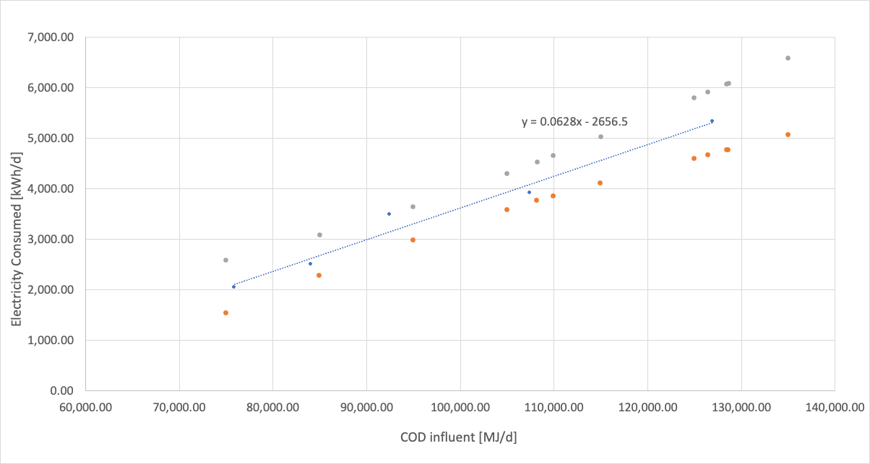
TT | Total COD | Electricity Consumed (kWh/d) | lower | upper | conf se
N/A | 75,000 | 2053.5 | 1527.38428 | 2579.61572 | 165.3180207
N/A | 85,000 | 2681.5 | 2280.69992 | 3082.30008 | 125.9408781
N/A | 95,000 | 3309.5 | 2975.68539 | 3643.31461 | 104.8924557
N/A | 105,000 | 3937.5 | 3578.09464 | 4296.90536 | 112.9336773
N/A | 115,000 | 4565.5 | 4103.04916 | 5027.95084 | 145.3130049
N/A | 125,000 | 5193.5 | 4588.9358 | 5798.0642 | 189.9683895
N/A | 135,000 | 5821.5 | 5057.24644 | 6585.75356 | 240.1465684
B2 | 126,439.00 | 5283.8692 | 4657.10884 | 5910.62956 | 196.9429504
C2 | 109,939.00 | 4247.6692 | 3844.39191 | 4650.94649 | 126.7192759
D2 | 108,205.00 | 4138.774 | 3752.73659 | 4524.81141 | 121.3020966
G2 | 128,460.00 | 5410.788 | 4752.33997 | 6069.23603 | 206.8999653
O2 | 128,653.00 | 5422.9084 | 4761.40557 | 6084.41123 | 207.8598561

Aerobic Digester Best Fit
Treatment Train | Total COD | Electricity Consumed (kWh/d) | Electricity Consumed : COD |  | Treatment Train | Total COD | Electricity Consumed (kWh/d)
E2_T | 92,463.00 | 3,486.00 | 0.037701567113 | Base trains | E2_T | 92,463.00 | 3,486.00
E2P_T | 126,908.00 | 5,327.00 | 0.041975289186 |  | E2P_T | 126,908.00 | 5,327.00
I2_T | 75,899.00 | 2,045.00 | 0.026943701498 |  | I2_T | 75,899.00 | 2,045.00
N2_T | 107,444.00 | 3,915.00 | 0.036437586091 |  | N2_T | 107,444.00 | 3,915.00
N2P_T | 84,037.00 | 2,502.00 | 0.029772600164 |  | N2P_T | 84,037.00 | 2,502.00
 |  |  |  | Created trains | B2 | 126,439.00 | 5,284.37 | 0.041793823108
 |  |  |  |  | C2 | 109,939.00 | 4,248.17 | 0.038641148273
 |  |  |  |  | D2 | 108,205.00 | 4,139.27 | 0.038253999353
Aerobic digestion Energy Requirements
 |  |  |  |  | G2 | 128,460.00 | 5,411.29 | 0.042124303285
 |  |  |  |  | O2 | 128,653.00 | 5,423.41 | 0.042155320125

Anaerobic Electricity Use
Electricity Use [kWh / day] vs. Volume (MG)
TT | Reactor Volume (MG) | Electricity Use [kWh / day] | DG to Boiler
A1 | 0.85 | 1,288.00 | 30,375
B1 | 0.85 | 1,217.00 | 28,625
B1E | 0.85 | 1,217.00 | -
D1 | 0.9 | 1,288.00 | 28500
F1 | 0.85 | 1,217.00 | 29625
O1 | 0.9 | 1,288.00 | 30375
G1 | 0.95 | 1,575.00 | 32750
G1E | 0.95 | 1,575.00
H1 | 1.1 | 1,575.00 | 34250
N1 | 1.2 | 1,575.00
P1 | 0.89 | 1,217.00 | 30375
P1E | 0.89 | 1,217.00

L1 |  |  | 38000
M1 |  |  | 37250
N1 |  |  | 37125

Electricity Use [kWh / day] vs. Influent COD [MJ / day]
 | Electricity Use [kWh / day]
129,836.00 | 1,288.00
126,439.00 | 1,217.00
126,455.00 | 1,217.00
108,205.00 | 1,288.00
126,173.00 | 1,217.00
128,653.00 | 1,288.00
128,460.00 | 1,575.00
128,462.00 | 1,575.00
126,428.00 | 1,575.00
148,796.00 | 1,575.00
132,100.00 | 1,217.00
132,104.00 | 1,217.00

TT | CODin 1 (MJ/d) | CODin 2 (MJ/d) | Total COD in | Electricity Use [kWh / day] | DG to Boiler
A1 | 129836 | 0.00 | 129,836.00 | 1,288.00 | 30,375
B1 | 47302 | 79,137.00 | 126,439.00 | 1,217.00 | 28,625
B1E | 47317 | 79,138.00 | 126,455.00 | 1,217.00 | -
D1 | 108205 | 0.00 | 108,205.00 | 1,288.00 | 28500
F1 | 46735 | 79,438.00 | 126,173.00 | 1,217.00 | 29625
O1 | 128653 | 0.00 | 128,653.00 | 1,288.00 | 30375
G1 | 48925 | 79,535.00 | 128,460.00 | 1,575.00 | 32750
G1E | 48927 | 79,535.00 | 128,462.00 | 1,575.00
H1 | 44028 | 82,400.00 | 126,428.00 | 1,575.00 | 34250
N1 | 148796 | 0.00 | 148,796.00 | 1,575.00
P1 | 132100 | 0.00 | 132,100.00 | 1,217.00 | 30375
P1E | 132104 | 0.00 | 132,104.00 | 1,217.00
L1 |  |  |  |  | 38000
M1 |  |  |  |  | 37250
N1 |  |  |  |  | 37125

TT | Total COD in | DG to Boiler
A1 | 129,836.00 | 30,375
B1 | 126,439.00 | 28,625
D1 | 108,205.00 | 28500
F1 | 126,173.00 | 29625
DG to Boiler [MJ / day] vs. Influent COD [MJ / day]
O1 | 128,653.00 | 30375
G1 | 128,460.00 | 32750
H1 | 126,428.00 | 34250
P1 | 132,100.00 | 30375
P1E | 132,104.00
 |  | 38000
 |  | 37250
 |  | 37125

Anaerobic Digester Biogas Produ
Typical values | COD influent | Digester Gas Production (MJ/d) | Digester Gas to Boiler (MJ / d) | Digester Gas to Flare (MJ / d) | Digester Gas to Generator (MJ / d) | Ratio of Gas to Boil / Flare | Methane Yield (Biogas Produced / COD Input)
A1 | 129,836 | 69,300 | 30,375 | 38,925 | 0 | 0.78034682081 | 0.53375026957
B1 | 126,439 | 68,300 | 28,625 | 39,675 | 0 | 0.72148708255 | 0.54018143136
B1E | 126,455 | 68,300 | 0 | 0 | 68,300 |  | 0.54011308371
F1 | 126,173 | 62,900 | 29,625 | 33,275 | 0 | 0.89030803907 | 0.49852187076
G1 | 128,460 | 62,400 | 32,750 | 29,650 | 0 | 1.1045531197 | 0.48575432041
G1E | 128,462 | 62,300 | 0 | 0 | 62300 |  | 0.48496831748
L1 | 133,429 | 61,100 | 38,000 | 23,100 | 0 | 1.645021645 | 0.45792144137
M1 | 131,405 | 61,300 | 37,250 | 24,050 | 0 | 1.5488565489 | 0.46649670865
N1 | 148,796 | 70,400 | 37,125 | 33,275 | 0 | 1.1157024793 | 0.47313099815
N1P | 119,999 | 56,000 | 37,125 | 18,875 | 0 | 1.9668874172 | 0.46667055559
O1 | 128,653 | 68,600 | 30,375 | 38,225 | 0 | 0.79463701766 | 0.53321725883 | *NOTE: MB_HB spreadsheet reports 68,6000 MJ/day produced, the WERF report itself shows 68,500 MJ / day. Gas to boiler is the same in both, excess gas in spreadsheet goes to flare
P1 | 132,100 | 73,000 | 30,375 | 42,625 | 0 | 0.71260997067 | 0.55261165783
P1E | 132,104 | 73,000 | 0 | 0 | 73000 |  | 0.55259492521
B4 | 126,439 | 68,300 | 28,625 | 39,675 | 0 | 0.72148708255 | 0.54018143136

COD influent / Digester Gas Production

 |  |  |  |  |  |  |  |  |  | Minimum Yield | Maximum Yield | Average
TT | CODin 1 (MJ/d) | CODin 2 (MJ/d) | Total COD in |  |  |  |  |  |  | 0.45792144137 | 0.55261165783 | 0.50900816216
A1 | 129836 | 0.00 | 129,836.00
B1 | 47302 | 79,137.00 | 126,439.00 |  |  |  |  |  |  | Influent COD | Predicted Biogas Yield
B1E | 47317 | 79,138.00 | 126,455.00 |  |  |  |  |  | O1E | 128,653 | 65,394
D1 | 108205 | 0.00 | 108,205.00 |  |  |  |  |  | I1 | 75,899 | 38,579
F1 | 46735 | 79,438.00 | 126,173.00
O1 | 128653 | 0.00 | 128,653.00
G1 | 48925 | 79,535.00 | 128,460.00
G1E | 48927 | 79,535.00 | 128,462.00
H1 | 44028 | 82,400.00 | 126,428.00
N1 | 148796 | 0.00 | 148,796.00
P1 | 132100 | 0.00 | 132,100.00
P1E | 132104 | 0.00 | 132,104.00
L1 | 49238 | 84191 | 133429
M1 | 45940 | 85465 | 131405
N1 | 148796 | 0 | 148796
N1P | 119999 | 0 | 119999
B4 | 47302 | 79137 | 126439

Biogas Linear Regression
 |  |  |  | FIxed y int
Typical values | COD influent [MJ/d] | Digester Gas Production (MJ/d) |  | COD influent [MJ/d] | Digester Gas Production (MJ/d) | lower | upper | conf se
A1 | 129,836 | 69,300 |  | 115,000 | 60,343 | 52,772 | 67,913 | 3,475
B1 | 126,439 | 68,300 |  | 116,000 | 60,710 | 53,566 | 67,853 | 3,279
B1E | 126,455 | 68,300 |  | 117,000 | 61,077 | 54,356 | 67,798 | 3,085
F1 | 126,173 | 62,900 |  | 118,000 | 61,444 | 55,140 | 67,748 | 2,893
G1 | 128,460 | 62,400 |  | 119,000 | 61,811 | 55,917 | 67,705 | 2,705
G1E | 128,462 | 62,300 |  | 120,000 | 62,178 | 56,686 | 67,671 | 2,521
L1 | 133,429 | 61,100 |  | 121,000 | 62,546 | 57,445 | 67,647 | 2,341
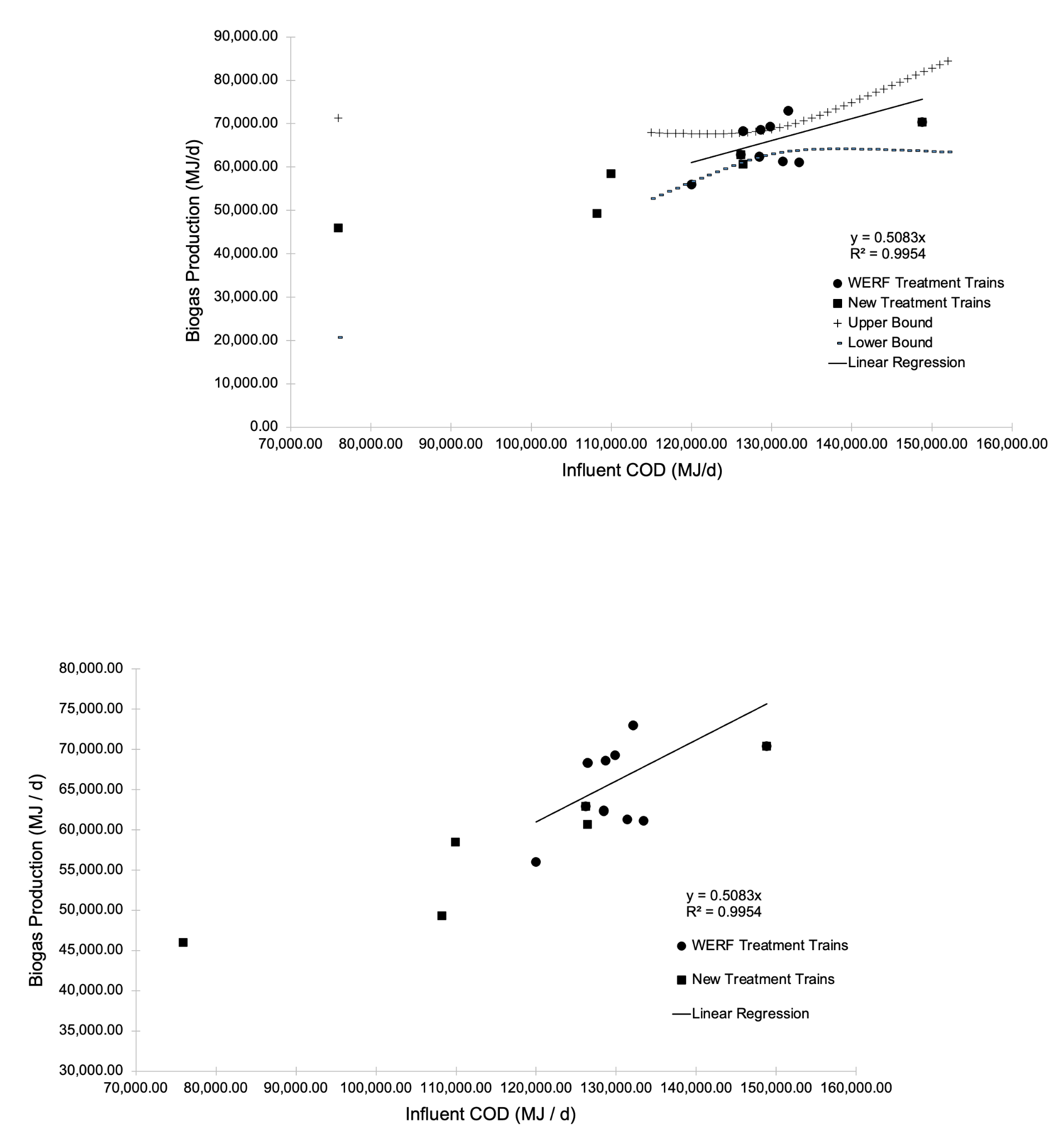
M1 | 131,405 | 61,300 |  | 122,000 | 62,913 | 58,190 | 67,635 | 2,168
N1 | 148,796 | 70,400 |  | 123,000 | 63,280 | 58,919 | 67,641 | 2,001
N1P | 119,999 | 56,000 |  | 124,000 | 63,647 | 59,628 | 67,667 | 1,845
O1 | 128,653 | 68,600 |  | 125,000 | 64,014 | 60,310 | 67,719 | 1,700
P1 | 132,100 | 73,000 |  | 126,000 | 64,381 | 60,958 | 67,805 | 1,571
P1E | 132,104 | 73,000 |  | 127,000 | 64,749 | 61,563 | 67,934 | 1,462
B4 | 126,439 | 68,300 |  | 128,000 | 65,116 | 62,116 | 68,116 | 1,377
 |  |  |  | 129,000 | 65,483 | 62,605 | 68,361 | 1,321
Source of equations: https://real-statistics.com/regression/confidence-and-prediction-intervals/plots-regression-confidence-prediction-intervals/ |  |  |  | 130,000 | 65,850 | 63,023 | 68,677 | 1,297
 |  |  |  | 131,000 | 66,217 | 63,366 | 69,068 | 1,309
alpha | 0.05 |  |  | 132,000 | 66,584 | 63,636 | 69,533 | 1,353
n | 14 |  |  | 133,000 | 66,952 | 63,839 | 70,064 | 1,429
mean(x) | 130,177.77 |  |  | 134,000 | 67,319 | 63,985 | 70,652 | 1,530
devsq(x) | 521939698.3 |  |  | 135,000 | 67,686 | 64,086 | 71,286 | 1,652
steyx | 4852.164683 |  |  | 136,000 | 68,053 | 64,149 | 71,957 | 1,792
t-crit | 2.17881283 |  |  | 137,000 | 68,420 | 64,184 | 72,657 | 1,945
 |  |  |  | 138,000 | 68,787 | 64,196 | 73,379 | 2,108
 |  |  |  | 139,000 | 69,155 | 64,190 | 74,120 | 2,279
 |  |  |  | 140,000 | 69,522 | 64,170 | 74,874 | 2,456
 |  |  |  | 141,000 | 69,889 | 64,139 | 75,639 | 2,639
 |  |  |  | 142,000 | 70,256 | 64,099 | 76,413 | 2,826
 |  |  |  | 143,000 | 70,623 | 64,051 | 77,195 | 3,016
 |  |  |  | 144,000 | 70,991 | 63,998 | 77,983 | 3,209
 |  |  |  | 145,000 | 71,358 | 63,940 | 78,776 | 3,405
 |  |  |  | 146,000 | 71,725 | 63,877 | 79,573 | 3,602
 |  |  |  | 147,000 | 72,092 | 63,811 | 80,373 | 3,801
 |  |  |  | 148,000 | 72,459 | 63,741 | 81,177 | 4,001
 |  |  |  | 149,000 | 72,826 | 63,670 | 81,983 | 4,203
 |  |  |  | 150,000 | 73,194 | 63,596 | 82,792 | 4,405
 |  |  |  | 151,000 | 73,561 | 63,520 | 83,602 | 4,609
 |  |  |  | 152,000 | 73,928 | 63,442 | 84,414 | 4,813
 |  |  | I1E | 75,899 | 45,986 | 20,710 | 71,262 | 11,601
 |  |  | C1E | 109,939 | 58,484
 |  |  | D1E | 108,205 | 49,300
 |  |  | F1E | 126,173 | 62,900
 |  |  | H1E | 126,428 | 60,700
 |  |  | N1E | 148,796 | 70,400
 |  |  | O1E | 128,653 | 68,500

Lime Production
TT | Typical Cake Concentration [mg/L] | Typical Cake Flow Rate [MGD] | Typical Cake Mass [kg TSS/day] | Typical Cake Weight [lbs TSS/day] | Lime Dose [lbs lime/lbs TSS] | Electricity [kWh/d] | Natural Gas [MJ/d]
A1 | 180,000 | 0.006379 | 4,346.48 | 9,582 | 0.25000984625 | 67.21 | 5,586.49 | Expected Energy Requirement
A5 (B5) | 200,000 | 0.010781 | 8,162.10 | 17,994 | 0.25000984625 | 126.22 | 10,490.66 |  | Electricity (kWh/d) | Natural Gas (MJ / day)
A6 (B6) | 200,000 | 0.010774 | 8,156.80 | 17,983 | 0.25000984625 | 126.14 | 10,483.85 | Mean | 86.60 | 7,294.10
B1 | 180,000 | 0.006124 | 4,172.73 | 9,199 | 0.25000984625 | 64.53 | 5,363.17 | Minimum | 64.53 | 5,363.17
B1E | 180,000 | 0.006124 | 4,172.73 | 9,199 | 0.25000984625 | 64.53 | 5,363.17 | Maximum | 126.22 | 10,490.66
B4 | 180,000 | 0.006124 | 4,172.73 | 9,199 | 0.25000984625 | 64.53 | 5,363.17 | Standard Deviation | 21.60 | 1,793.97
E2 | 200,000 | 0.005933 | 4,491.77 | 9,903 | 0.25000984625 | 69.46 | 5,773.22
E2P | 200,000 | 0.006963 | 5,271.56 | 11,622 | 0.25000984625 | 81.52 | 6,775.48
F1 | 180,000 | 0.006613 | 4,505.92 | 9,934 | 0.25000984625 | 69.68 | 5,791.42
G1 | 180,000 | 0.007583 | 5,166.86 | 11,391 | 0.25000984625 | 79.90 | 6,640.90
G1E | 180,000 | 0.007582 | 5,166.18 | 11,390 | 0.25000984625 | 79.89 | 6,640.43
H1 | 204,476 | 0.008 | 6,192.19 | 13,651 | 0.25000984625 | 95.75 | 7,958.76
I2 | 170,000 | 0.006749 | 4,343.11 | 9,575 | 0.25000984625 | 67.16 | 5,582.16
I3 | 170,000 | 0.008679 | 5,585.11 | 12,313 | 0.25000984625 | 86.37 | 7,178.48
L1 | 180,000 | 0.011132 | 7,585.05 | 16,722 | 0.25000984625 | 117.29 | 9,748.99
M1 | 180,000 | 0.010845 | 7,389.50 | 16,291 | 0.25000984625 | 114.27 | 9,497.64
N1 | 180,000 | 0.009101 | 6,201.18 | 13,671 | 0.25000984625 | 95.89 | 7,970.31
N2 | 170,000 | 0.008886 | 5,718.32 | 12,607 | 0.25000984625 | 88.43 | 7,349.69
C3 |  |  |  |  |  | 109.00 | 9,030.00
I3 | 170,000 | 0.008679 | 5,585.11 | 12,313 | 0.25000984625 | 86.00 | 7,178.00
Average |  |  |  |  |  | 87.78 | 7,294.10

Typical Flow Rate [MGD] vs. Typical Cake Concentration [mg/L]
 | Typical Cake Flow Rate [MGD]
180,000 | 0.006379
200,000 | 0.010781
200,000 | 0.010774
180,000 | 0.006124
180,000 | 0.006124
180,000 | 0.006124
200,000 | 0.005933
200,000 | 0.006963
180,000 | 0.006613
180,000 | 0.007583
180,000 | 0.007582
204,476 | 0.008
170,000 | 0.006749
170,000 | 0.008679
180,000 | 0.011132
180,000 | 0.010845
180,000 | 0.009101
170,000 | 0.008886
170,000 | 0.008679
Calculated Natural Gas Requirement
 | UNIT CONVERSIONS
 | Liquid volume | Liters / gallon | 3.78541
 | Mass | Pounds / kg | 2.20462

 | REPORTED IN WERF
 | Lime dosing | lb / ton wet weight | 85
 | Electricity Used for Chemical Production | kWh/lb | 0.028056
 | Fuel Used for Chemical Production | MJ/lb | 2.3319

 | I3 LIME CALCULATIONS
 | Reported Fuel Used for Chemical Production | MJ/day | 7,178.48
 | Reported Electricity Used for Chemical Production | kWh/day | 86.3657
 | Calculated lime production / day - using electricity | lbs lime / day | 3,078.33
 | Calculated lime production / day - using fuel | lbs lime / day | 3,078.38
 | Reported cake production | lbs TSS / day | 12,313
 | Calculated lime dose | lbs lime / lb TSS | 0.25000984625

