SDG2030
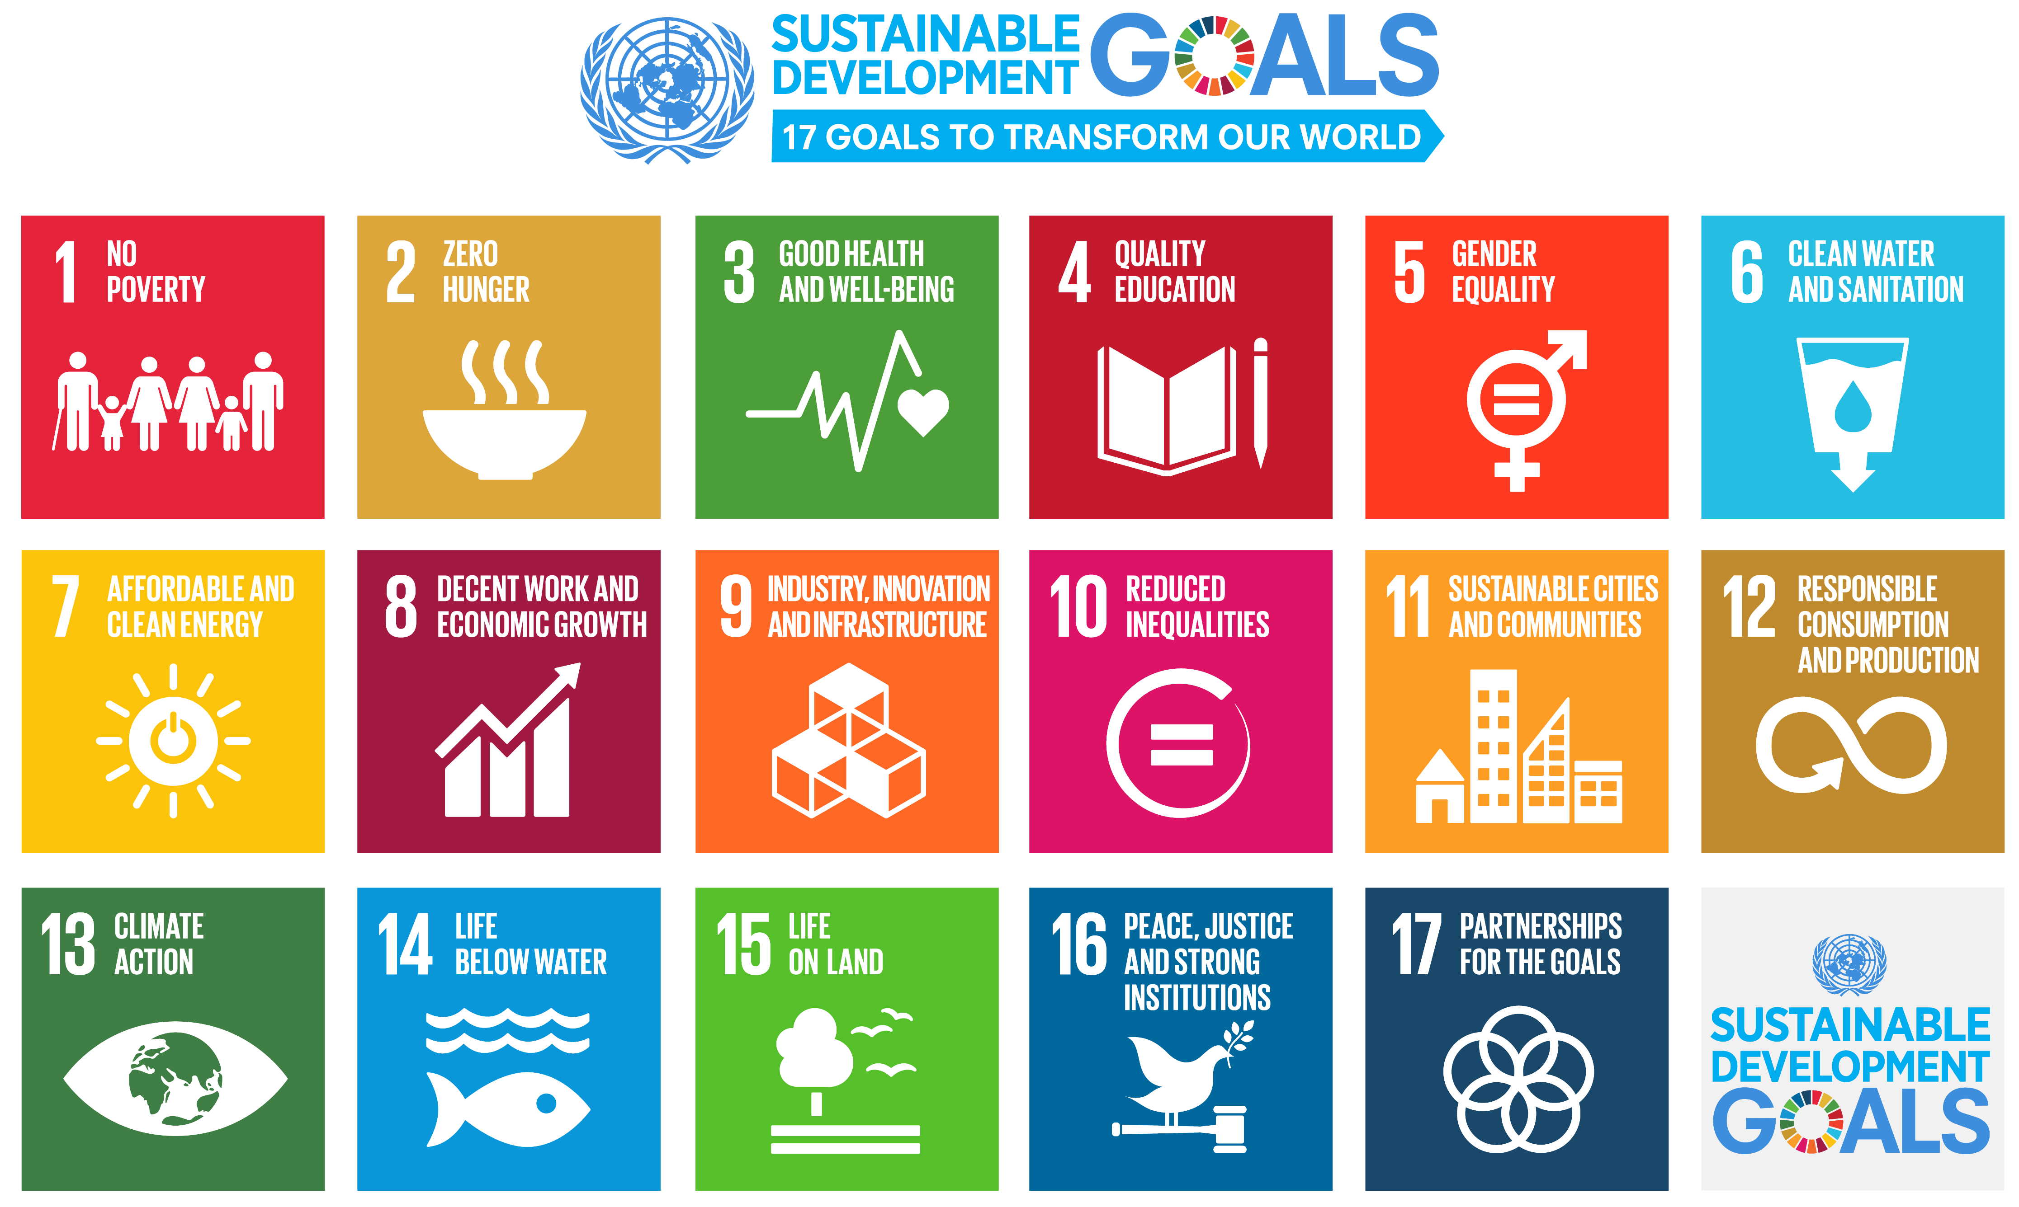
ESC Sustainability Matrix
SDGs 2030 Assessment

 | Sector # | SDG 1 | SDG 2 | SDG 3 | SDG 4 | SDG 5 | SDG 6 | SDG 7 | SDG 8 | SDG 9 | SDG 10 | SDG 11 | SDG 12 | SDG 13 | SDG 14 | SDG 15 | SDG 16 | SDG 17
 |  | NO POVERTY | ZERO HUNGER | GOOD HEALTH AND WELL-BEING | QUALITY EDUCATION | GENDER EQUALITY | CLEAN WATER AND SANITATION | AFFORDABLE AND CLEAN ENERGY | DECENT WORK AND ECONOMIC GROWTH | INDUSTRY INNOVATION AND INFRASTRUCTURE | REDUCED INEQUALITIES | SUSTAINABLE CITIES AND COMMUNITIES | RESPONSIBLE CONSUMPTION AND PRODUCTION | CLIMATE ACTION | LIFE BELOW WATER | LIFE ON LAND | PEACE, JUSTICE AND STRONG INSTITUTIONS | PARTNERSHIPS FOR THE GOALS
Mining and quarrying | B
Mining of Coal and Lignite | 5 | + | - | -- | + | 0 | -- | -- | ++ | 0 | ++ | - | 0 | - | 0 | - | 0 | +
Extraction of Crude Petroleum and Natural Gas | 6
Mining of Metal Ores | 7
Accommodation and food service activities | I
Accommodation | 55
Hotels | 55.1 | + | 0 | 0 | + | + | 0 | 0 | ++ | 0 | ++ | 0 | 0 | 0 | 0 | 0 | 0 | 0
Food and beverage service activities | 56
Real estate activities | L
Real estate activities | 68
Residential Buildings EE | 68.1 | ++ | 0 | 0 | 0 | 0 | 0 | 0 | + | 0 | 0 | ++ | 0 | 0 | 0 | 0 | 0 | 0
Residential Buildings Average | 68.2 | ++ | 0 | 0 | 0 | 0 | 0 | 0 | + | 0 | 0 | ++ | 0 | 0 | 0 | 0 | 0 | 0
Human health and social work activities | Q
Human Health Activities | 86
Hospitals | 86.1 | + | + | ++ | + | ++ | 0 | 0 | ++ | 0 | ++ | + | 0 | 0 | 0 | 0 | 0 | 0
Residential care activities | 87
Elderely People Home | 87.1 | ++ | 0 | 0 | 0 | 0 | 0 | 0 | ++ | 0 | ++ | 0 | 0 | 0 | 0 | 0 | 0 | 0
Disabled People Home | 87.2 | ++ | 0 | 0 | 0 | 0 | 0 | 0 | ++ | 0 | ++ | 0 | 0 | 0 | 0 | 0 | 0 | 0
Social work activities without accommodation | 88
Kindergarten | 88.1 | + | 0 | 0 | ++ | 0 | 0 | 0 | ++ | 0 | ++ | 0 | 0 | + | 0 | 0 | 0 | 0

 |  |  | Evaluation Proposal
 |  | SOCIAL IMPACT | BASIC NEEDS | Average SDG 1, 2, 3, 6, 11
 |  |  | EMPOWERMENT | Average SDG 4, 5, 8, 10,9
 |  | ENVIRONMENTAL IMPACT | CLIMATE CHANGE | Average SDG 7, 13
 |  |  | NATURAL CAPITAL | Average SDG 12, 14, 15
 |  |  | GOVERNANCE | Average SDG 16, 17

