TestCases
Assignment3_Test_Cases_naucidizajn.com_Savic_Jelena

Testing scheduling the meeting with mentor on naucidizajn.com, Mentorstvo page
TC #01 Verify the Scheduling form accepts valid name and e-mail | Verify that after the user filled out the Name and E-mail fields with valid forms of name and e-mail, the confirmation window is visible and the meeting is scheduled | 1. Navigate to https://www.naucidizajn.com page. 2. Click the Mentorstvo button 3. Scroll down to the "Nismo ovde da se.." section and click Zakaži button 4. Pick up the available date 5. Pick up the available time 6. Select the button Next 7. Fill out Name field with any word containing only letters 8. Fill out the E-mail field using valid form of e-mail 9. Select Schedule event button | page URL: https://www.naucidizajn.com/ date: tomorrow time: 12.45h name: testiranje e-mail: testiranje@gmail.com | 1. The page naucidizajn.com is loaded and the user is able to see the content 2. User is redirected to Mentorstvo page 3. User is redirected to Scheduling page in new tab in the browser 4. The date is picked and the menu with available time is displayed 5. The time is picked and the Next button shows up 6. The Enter Details form is displayed 7. The entered letters are visible in the Name field 8. The entered e-mail is visible in the e-mail field 9. The confirmation window appears with relevant details of the meeting | Decision table We verified the behaviour of the form if the user didn't make any mistake while using it
TC #02 Verify the Scheduling form doesn't accept invalid e-mail | Verify that after the user enters valid form of name and invalid form of e-mail error message appears and the user isn't redirected further | 1. Navigate to https://www.naucidizajn.com page. 2. Click the Mentorstvo button 3. Scroll down to the "Nismo ovde da se.." section and click Zakaži button 4. Pick up the available date 5. Pick up the available time 6. Select the button Next 7. Fill out Name field with any word containing only letters 8. Fill out the E-mail field using invalid form of e-mail 9. Select Schedule event button | page URL: https://www.naucidizajn.com/ date: Monday, September 4th time: 12.45h name: testiranje e-mail: testiranjegmail.com | 1. The page naucidizajn.com is loaded and the user is able to see the content 2. User is redirected to Mentorstvo page 3. User is redirected to Scheduling page in new tab in the browser 4. The date is picked and the menu with available time is displayed 5. The time is picked and the Next button shows up 6. The Enter Details form is displayed 7. The entered letters are visible in the Name field 8. The entered e-mail is visible in the E-mail field 9. The error message "Email format is invalid. Valid example: john.doe@gmail.com." appears | Decision table We checked what happened when the user made a common mistake by mistyping the e-mail but entered valid data in Name field
TC #03 Verify the Scheduling form doesn't accept blank mandatory fields | Verify if the user is able to schedule the meeting leaving blank mandatory fields, name and e-mail | 1. Navigate to https://www.naucidizajn.com page. 2. Click the Mentorstvo button 3. Scroll down to the "Nismo ovde da se.." section and click Zakaži button 4. Pick up the available date 5. Pick up the available time 6. Select the button Next 7. Select Schedule event button | page URL: https://www.naucidizajn.com/ | 1. The page naucidizajn.com is loaded and the user is able to see the content 2. User is redirected to Mentorstvo page 3. User is redirected to Scheduling page in new tab in the browser 4. The date is picked and the menu with available time is displayed 5. The time is picked and the Next button shows up 6. The error messages "Can't be blank." below Name and E-mail field are displayed | Error guessing We tested the behaviour of the form when the user made a mistake by clicking the Schedule event button without filling in the missing data
TC #04 Verify the time of the previously scheduled meeting is not available for a new meeting | Verify that after the user scheduled specific meeting time, the same time is not available in the scheduling time list anymore | 1. Navigate to https://www.naucidizajn.com page. 2. Click the Mentorstvo button 3. Scroll down to the "Nismo ovde da se.." section and click Zakaži button 4. Pick up the available date 5. Pick up the available time 6. Select the button Next 7. Fill out Name field with any word containing only letters 8. Fill out the E-mail field using valid form of e-mail 9. Select Schedule event button 10. Close the current tab 11. Get back to Mentorstvo page and click Zakaži button again 12. Pick up the same date as in previous step 13. Search through the available time offered | page URL: https://www.naucidizajn.com/ date: Monday, September 4th time: 12.45h name: testiranje e-mail: testiranje@gmail.com | 1. The page naucidizajn.com is loaded and the user is able to see the content 2. User is redirected to Mentorstvo page 3. User is redirected to Scheduling page in new tab in the browser 4. The date is picked and the menu with available time is displayed 5. The time is picked and the Next button shows up 6. The Enter Details form is displayed 7. The entered letters are visible in the Name field 8. The entered e-mail is visible in the e-mail field 9. The confirmation window appears with relevant details of the meeting 10. The current tab is closed 11. The user is redirected to Scheduling page 12. The date is picked and the menu showing available time is displayed 13. Previously selected time is not available anymore 14. The user stays at the same page | Error guessing We verified that the form is working properly and the same time for a meeting cannot be booked twice
TC #05 Verify unavailable time isn't possible to pick up | Verify if the user is able to select the time that is not marked available | 1. Navigate to https://www.naucidizajn.com page. 2. Click the Mentorstvo button 3. Scroll down to the "Nismo ovde da se.." section and click Zakaži button 4. Click the date that is not marked available | page URL: https://www.naucidizajn.com/ | 1. The page naucidizajn.com is loaded and the user is able to see the content 2. User is redirected to Mentorstvo page 3. User is redirected to Scheduling page in new tab in the browser 4. The dates that are not available aren't clickable 5. The user stays at the same page | Error guessing We tested what happened if the user selected the time that is not convenient for the mentor

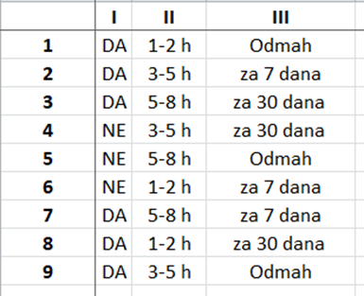
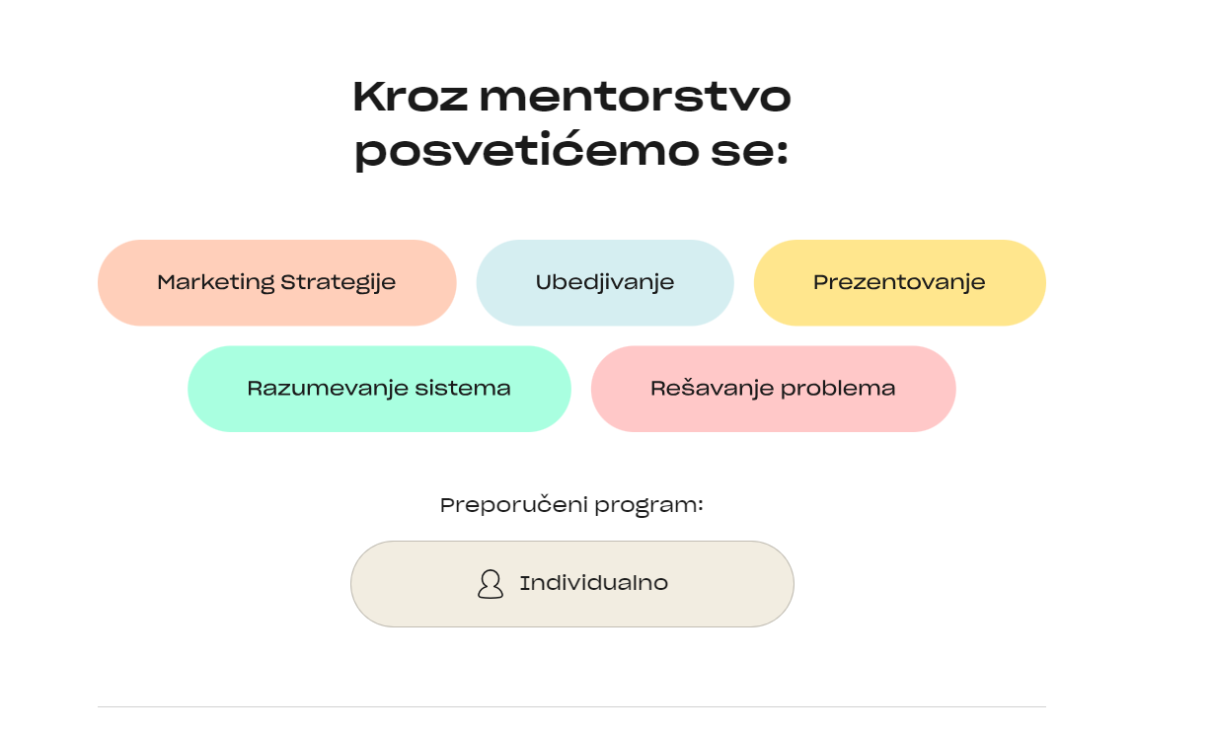
Testing questionnaire results on Mentorstvo page
TC ID and name | TC description | Test steps | Test data | Expected result | Test technique | Attachment
TC #06 Verify the questionnaire result directs user to the skills that can be learned in the course | Verify the skills to learn offered to the user after completing the questionnaire are Marketing strategije, Ubedjivanje, Prezentovanje, Razumevanje sistema and Rešavanje problema, and the program is Individualno | 1. Navigate to https://www.naucidizajn.com page. 2. Click the Mentorstvo button 3. Scroll down to the "Nisi siguran odakle da počneš?" section and click Popuni upitnik button 4. Scroll down to find Kreni upitinik button and click on it 5. For the first question: "Da li si se ikada bavio nekom vrstom digitalnog dizajna?" select option "Da" 6. For the second question:"Koliko sati dnevno si spreman da posvetiš ovom programu?" select option "1-2" 7. Click the arrow right to see the next questions 8. For the third question:" Koliko sati dnevno si spreman da posvetiš ovom programu?" select the option "1-2" 9. For the fourth question:"Kada planiraš da počneš?" select the option: "Odmah!" 10. Click the arrow right to see the results of the questionnaire | page URL: https://www.naucidizajn.com/ | 1. The page naucidizajn.com is loaded and the user is able to see the content 2. User is redirected to Mentorstvo page 3. The window "Baviti se dizajnom ne znači samo …" is displayed 4. The questionaire is visible with the first two questions 5. The option "Da" is selected 6. The option "1-2" is selected 7. The next two questions are displayed 8. The option "1-2" is selected 9. The option "Odmah!" is selected 10. The results of the questionnaire are displayed, the skills offered to the user to learn are Marketing strategije, Ubedjivanje, Prezentovanje, Razumevanje sistema and Rešavanje problema, and the program is Individualno | Pairwise testing There are four questions but question 2 and question 3 are the same, so we assumed the user chose the same option for these two questions. That way we had 3 different questions with 2 and 3 options to choose. Using this technique we made 9 variations to test. For each of these variations the questionnaire offered completely the same result regarding skills to learn and package to choose: Marketing strategije, Ubedjivanje, Prezentovanje, Razumevanje sistema and Rešavanje problema, and the program is Individualno. The same result user gets if he skips answering each question.

