BUGS-MENTORSTVO
Assignment2_BUGS_REPORT_Mentorstvo_tab_naucidizajn.com_Savic_Jelena

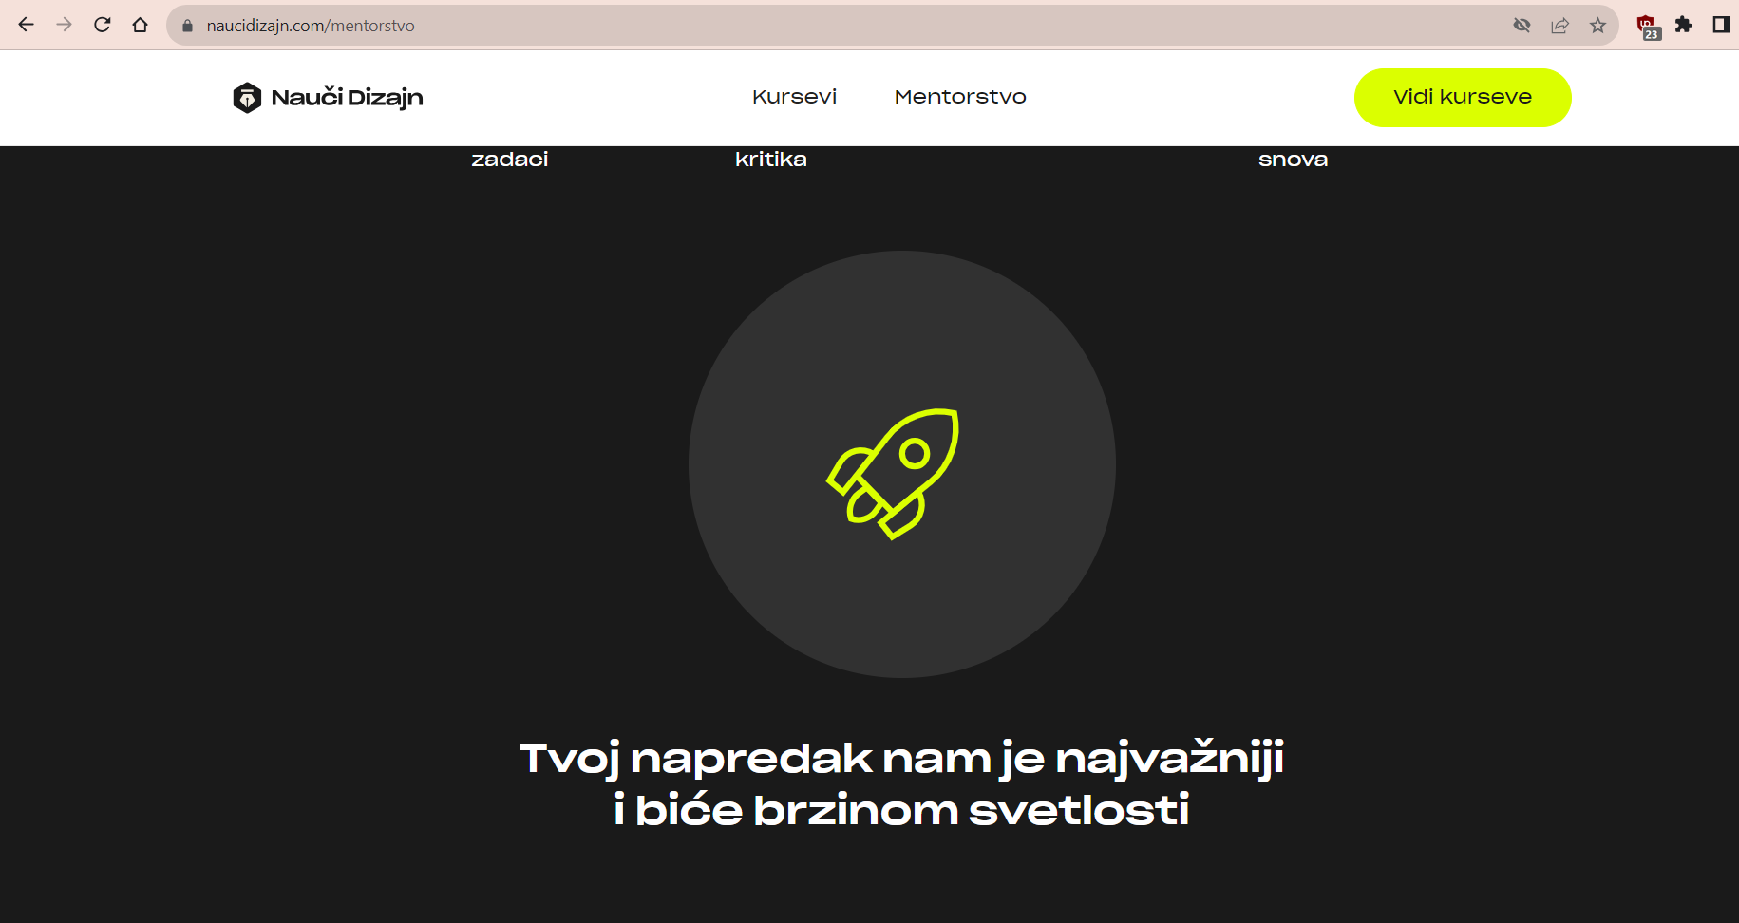
Bug Report ID and Name | Bug Report Summary | Steps to reproduce | Actual Result | Expected Result | Severity | Priority | Attachments
BR 01 - Animation description and animation are not visible simultaneously | In the animated graphic the description of the animation isn't visible at the same time the animation is loading, it's displayed lower on the page. | 1. On the page naucidizajn.com click on Mentorstvo tab 2. Scroll down to the black section:""Pomoći ću ti da transformišeš svoju karijeru u rekordnom roku" 3. Scrol down to see how the animation is loading and the descripton of the section isn't visible 4. Scroll down to see the description related to the animation that stayed upper on the page | While the animation is loading, its description is lower on the page and not visible to the user. It looks like the description and the animation are not related. | The user is able to read the text related to the animation and to see the relevant animation at the same time. | Low | Low
BR 02 - Typo mistakes in animation descriptions on Mentorstvo page, in "Pomoći ću ti da transformišeš svoju karijeru u rekordnom roku" section | The description below the animation contains typo mistakes in Posao and in Konstruktivne kritike | 1. On the page naucidizajn.com click on Mentorstvo tab 2. Scroll down to the section:"Pomoći ću ti da transformišeš svoju karijeru u rekordnom roku" 3. Scroll down to see the description text related to the animation | The visible text in Posao displays 'Dobijas' instead of 'Dobijaš' and in Konstruktivne kritike 'konsturktivne' instead of 'konstruktivne' | The user is able to read the text which is correct and clearly communicates the information about the package. "Dobijate profesionalne konstruktivne kritike" "Dobijaš posao iz snova za samo 6 meseci" | Low | Low | 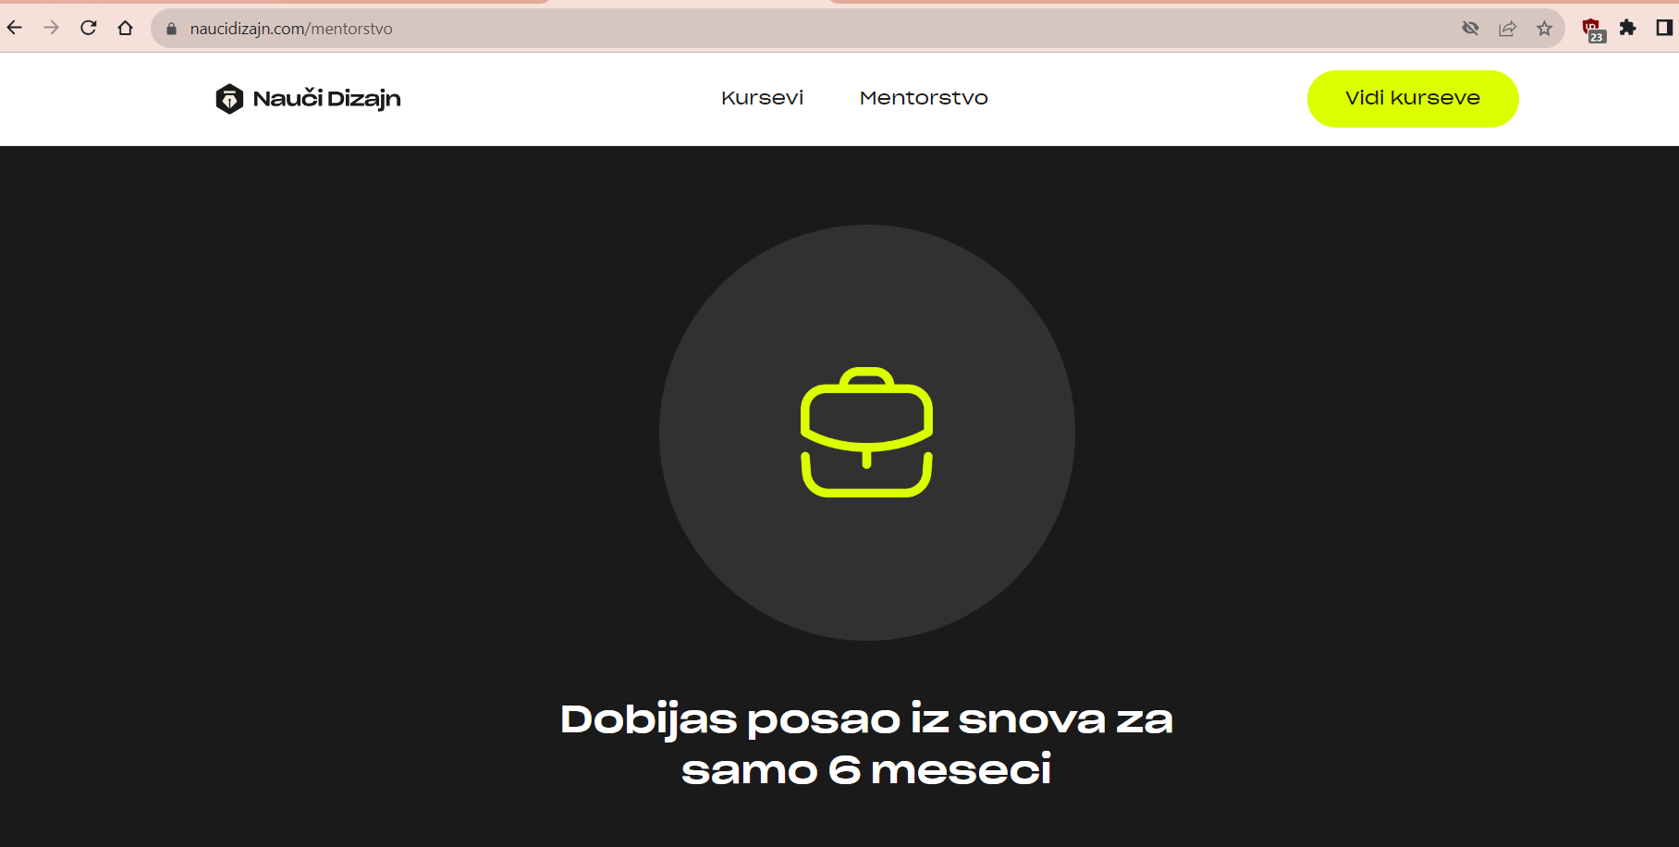 | 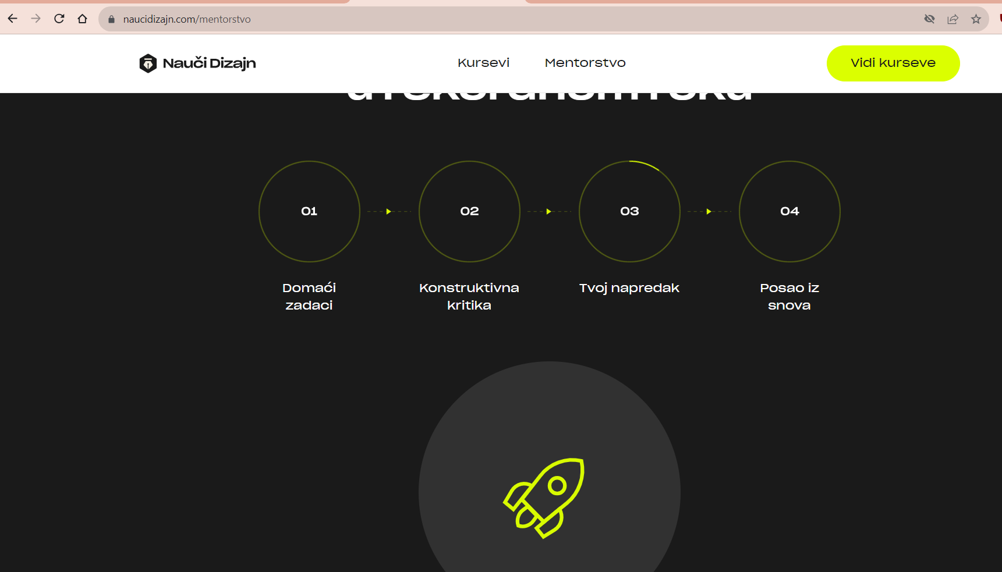
BR 03 - Probaj kurs button leads to the broken page | The button Probaj kurs is clickable but the link it leads to isn't working | 1. On the page naucidizajn.com, click on Mentorstvo tab 2. Scroll down to the section "Zašto je UI UX dizajner jedno od najpopularnijih zanimanja današnjice?" 3. Find Probaj Kurs button and click it | The button is clicked, and the user is redirected to the blank page, "This site can’t be reached" message is displayed. The request is sent. | The user is redirected to the valid page | High | Medium
BR 04 - Typos in Cene Paketa section | The description of Grupno in the section Cene Paketa contains typo mistakes | 1. Scroll down the page Mentorstvo to find Cene Paketa section 2. Read the text from the Left box, Grupno, it contains typo mistakes | The box Grupno shows "Dodadni izvori znajna" as a part of description of the package | In the box Grupno the user is able to read correctly written "Dodatni izvori znanja" | Low | Low | 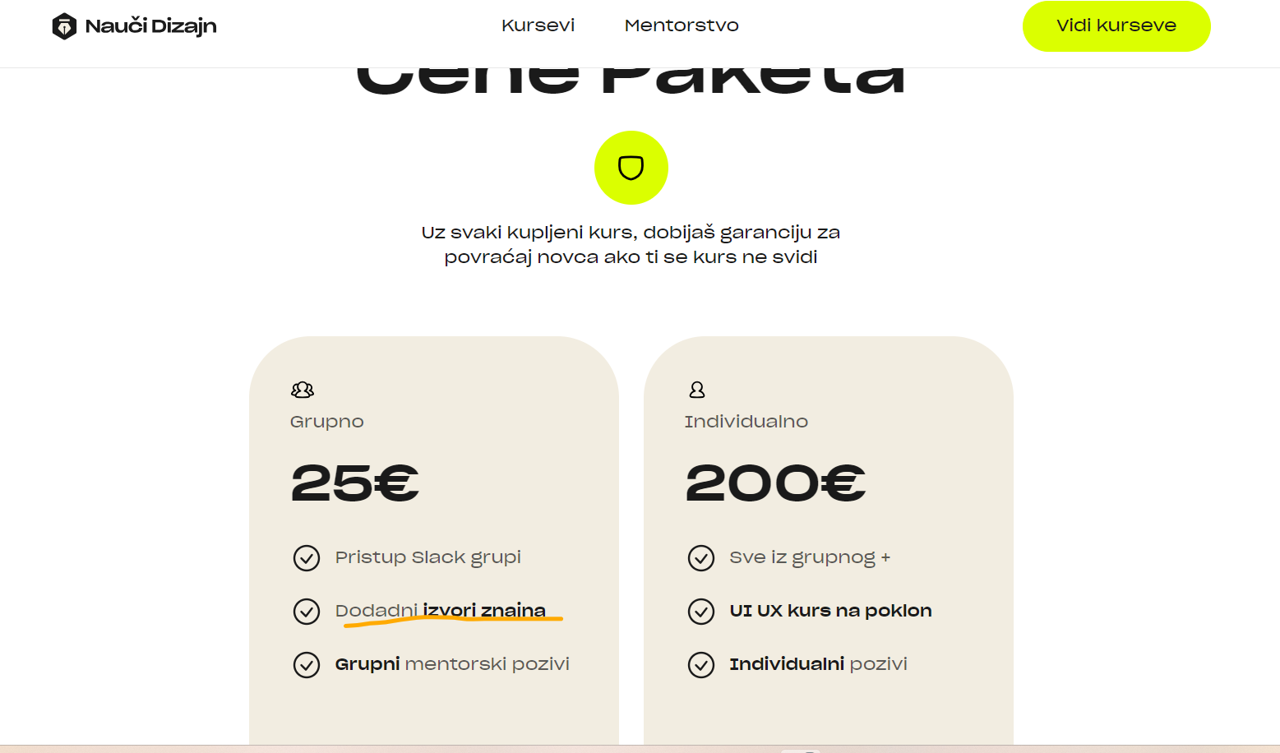
BR 05 -Vidi kurseve button isn't active | While on Mentorstvo page, the user cannot browse through the site by selecting Vidi Kurseve button. | 1. Open Mentorstvo tab 2. Click Vidi kurseve button | The user cannot see the requested page, The user is still in Mentorstvo page. The request isn't sent to the server. | The user can see the content of the page Vidi kurseve | Medium | Medium
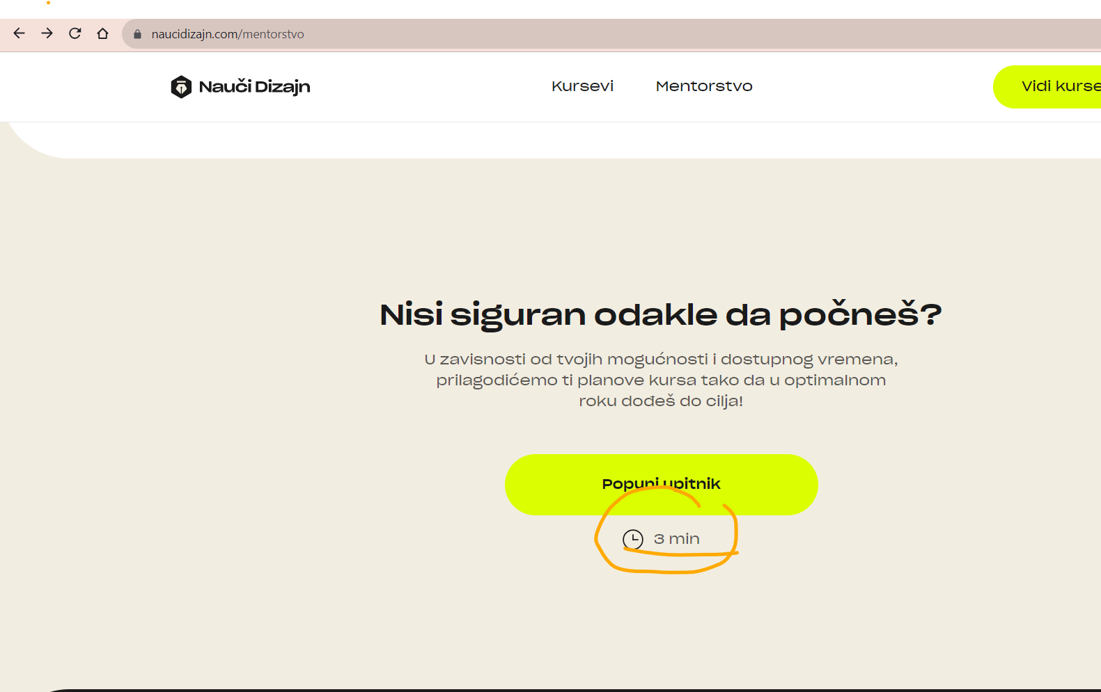
BR 06 - Wrong time for questionnaire filling in on Mentorstvo page | Questionnaire doesn't take 3 minutes to fill out. The user expects to dedicate 3 minutes to it but it actually takes less than 1 minute. | 1. Click on Mentorstvo tab 2. Scroll down to find Nisi siguran odakle da počneš? 3. Below Upitnik button pay attention to the estimated time for questionnaire filling in | The user can see 3 minutes are estimated to complete the questionnaire. Depending on this information the user might decide weather to complete the questionnaire or not. | The user is offered more aproximate time for the questionnaire (1minute). That way the user will easier decide to complete the questionnaire because it takes little time. | Low | Low
BR 07 - There are two same questions in questionnaire | Question 2 and question 3 in the questionnaire are litteraly the same | 1. Click on Mentorstvo tab 2. Scroll down to find Nisi siguran odakle da počneš? section 3. Click Popuni Upitnik button 4. Scroll down to see the Kreni upitnik button 5. Click Kreni upitnik 6. In questionnaire there are 4 questions of which 2 are the identical (question 2 and 3) | The user sees that two of four questons are the same so he has ipmression his needs aren't well estimated. | The user should answer the questions which will guide him to the best service from the mentor. The user expects to see diverse questions in order to get the best recommendation | Medium | Medium
BR 08- The user can complete the questionnaire without choosing any option | If the user opens the questionnaire he can browse through it by clicking the right arrow and eventually get to the recommendation without choosing any answer | 1. Click on Mentorstvo tab 2. Scroll down to find Nisi siguran odakle da počneš? section 3. Click Popuni Upitnik button 4. Scroll down to see the Kreni upitnik button 5. Click Kreni upitnik 5. In questionnaire, click right arrow two times to browse through the questionnaire | The user can see the recommended mentorship program without answering the questions | The user is able to move to the other questions page only after answering the each question on the first page | Medium | Medium
BR 09- The Kreni upitnik button isn't visible right away | When the user opens the questionnaire by clicking Popuni upitnik button, he is redirected to the page where he needs to scroll down to see the button for starting the questionnaire | 1. Click on Mentorstvo tab 2. Scroll down to find Nisi siguran odakle da počneš? section 3. Click Popuni Upitnik button 4. Scroll down to see the Kreni upitnik button 5. Click Kreni upitnik 6. In questionnaire, click right arrow two times to browse through the questionnaire | When the user click Popuni upitnik, he is redirected to the page where he can see the graphic with needed skills. The button for starting the questionnaire isn't visible right away, the user needs to scroll down to be able to see the button Kreni upitnik. | When the user clicks on the Popuni upitnik button, he is redirected to the questions page. | Low | Low

