DEFECT REPORT
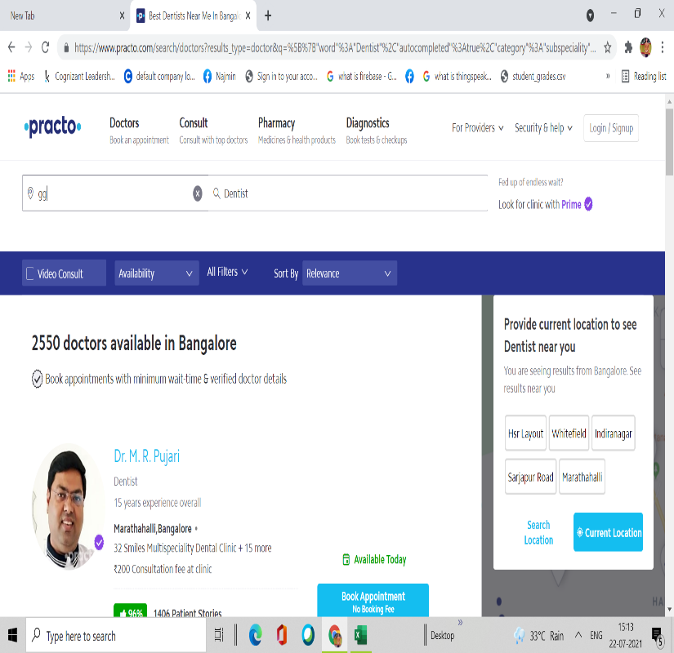
Serial no. | Defect id | Description | Reproducible (yes/no) | Steps to reproduce | Screenshot/Error | Severity | Priority | Reported by | Reported date | Status | Remarks
1 | DF001 | Checking hospital Search functionality with invalid location | Yes | 1.User should be on this page:https://www.practo.com/ |  | Critical | HIGH | TASC | 2021-07-22 | Pending | The error message prompting the user to enter valid location should be displayed.
 |  | Expected Result: |  | 2.Enter the a invalid place(ggg)
 |  | Invalid location should be displayed |  | 3.Enter doctors,clinics,hospitals(Dentist)
 |  | Actual Result:
 |  | The old search results are showing

