Sheet1
 |  |  | ETHICAL VISUALIZATIONS PRESENTATION

1. UNETHICAL VISUALIZATIONS EXAMPLES:
Unethical data visualization encompasses various practices that deviate from ethical standards, including: Cherry-picking data: Selectively choosing data points or subsets to support a predetermined narrative while ignoring contradictory evidence. Misleading labeling: Using ambiguous or deceptive labels that misrepresent the true nature of the data being presented. Distorted scaling: Manipulating the scales of axes or graphs to exaggerate or minimize differences, thus skewing the audience's perception of the data.

(A) Cost of Gas (National Average) -

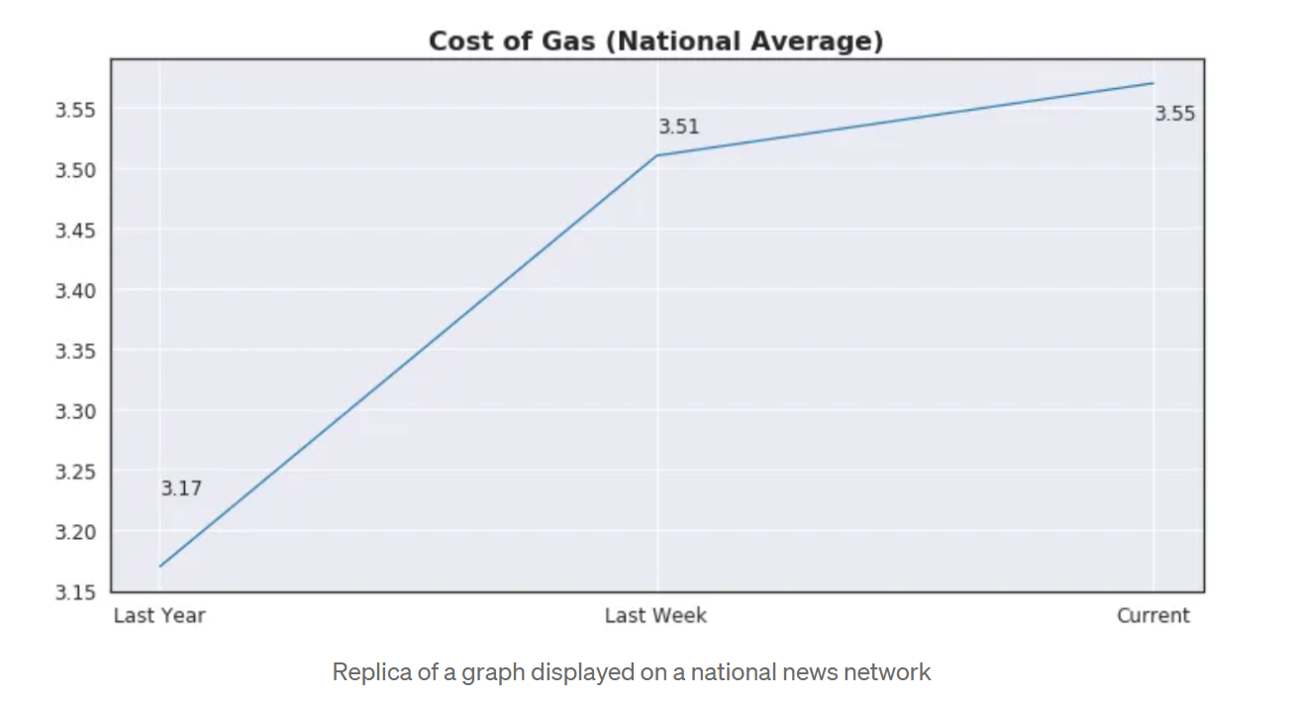
Cost of Gas(National Average)
 |  |  | Reference Graph | Interpreted Graph
Time Duration | Cost
Last Year | 3.17
Last Week | 3.51
Current | 3.55

Description:
Initial Visualization - The line chart illustrates the duration of time versus cost, indicating a steady rise in expenditures from the previous year to the present timeframe. Nevertheless, the y-axis scale is deliberately manipulated, amplifying the fluctuations in cost. This unethical representation distorts the data, possibly leading viewers astray by magnifying the apparent financial shifts over time.
Redesigned Visualization - The displayed line graph exemplifies unethical visualization methods through the use of a skewed y-axis scale, which magnifies the perception of cost variations. The condensed range from 3.17 to 3.55 accentuates minor fluctuations, possibly instigating unnecessary apprehension. Such manipulative depictions have the potential to misguide viewers, influencing their decision-making by instilling a sense of volatility that may not accurately reflect the actual business circumstances. Consequently, this unethical visualization could result in misguided strategies and decisions stemming from a distorted comprehension of cost trends. Additionally, I have eliminated the gridlines and made minor adjustments.

 |  | i

Sheet2
(B) Gun Deaths in Florida -
 |  | Reference Graph | Interpretation
Year | Number of Murders
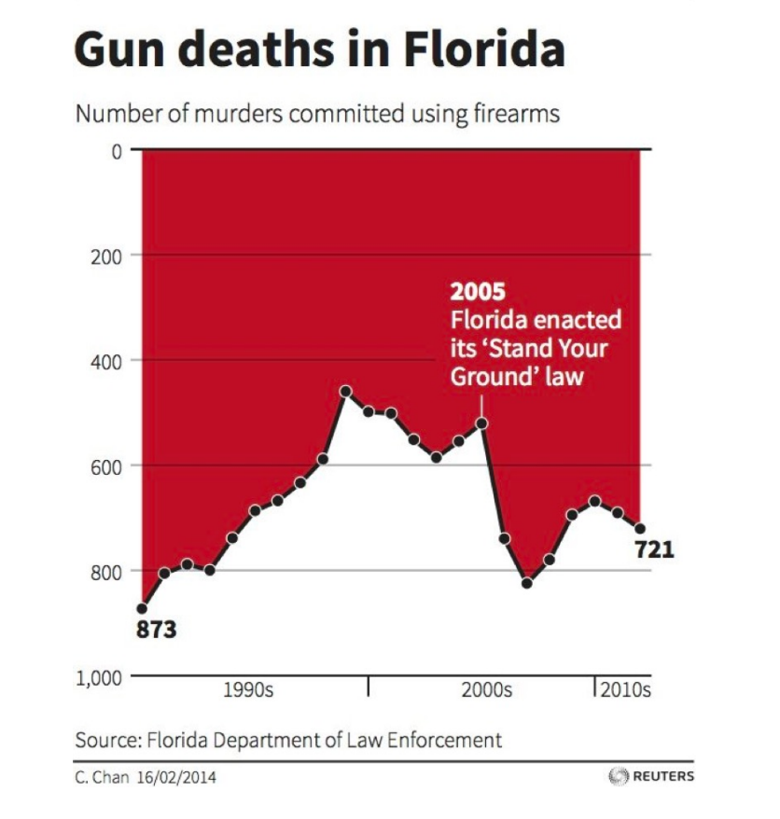
1990s | 873
2000s | 700
Gun Deaths in Florida
2010s | 721

Description:
Initial Visualization - A case of misleading visualization entails altering the y-axis in a bar or line graph, skewing the interpretation of data variances. For instance, a corporation might utilize a truncated y-axis to magnify its expansion, fabricating an illusion of prosperity. In a chart illustrating gun fatalities in Florida, an atypical y-axis arrangement is employed, deceiving observers into assuming that the "Stand Your Ground" legislation resulted in a notable decrease in gun-related deaths, whereas the values are actually depicted in a deceptive format, perpetuating an inaccurate narrative about the law's influence.
Redesigned Visualization - With the aim of transparently presenting the data and improving comprehension, an updated bar graph has been devised. The y-axis now adheres to a conventional ascending sequence, simplifying the interpretation of gun fatality statistics. The figures for the 1990s, 2000s, and 2010s are precisely portrayed as 873, 700, and 721, respectively. This adjustment eradicates any potential confusion stemming from a distorted y-axis, ensuring a more authentic depiction of the data devoid of misleading visual techniques. Moreover, there is ample spacing between the bars, enhancing readability.

Sheet3
2. ETHICAL VISUALIZATIONS EXAMPLES:
Ethical visualization involves the responsible and transparent creation of visual representations of data. It emphasizes accuracy, fairness, and accessibility, considering the potential impact on users and society. Adhering to ethical principles ensures that visualizations convey information truthfully and ethically, promoting informed decision-making.

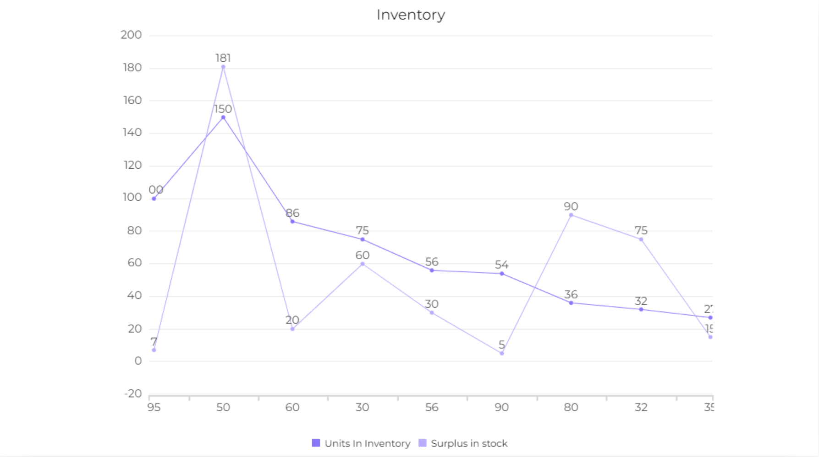
Inventory
(A) Inventory -
 |  | Reference Graph | Interpreted Graph
Stocks | Trends
95 | 7
50 | 181
60 | 20
30 | 60
56 | 30
90 | 5
80 | 90
32 | 75
35 | 27

Description:
Initial Visualization - The provided dataset illustrates a connection between two factors, Stocks and Trends. A scatter plot or line graph visualization might unveil this relationship effectively. Nonetheless, the data seems disheveled, with no apparent markers or headings for the axes, rendering interpretation difficult. To heighten clarity, incorporating axis titles and a heading would enhance the graph's intelligibility. Moreover, defining units for the variables (e.g., Stocks in numerical units, Trends in percentages) would augment the graph's informativeness.
Reconstructed Visualization - The initial chart exhibits stock values juxtaposed with associated trends. Plotting these values in a scatter format uncovers possible connections and patterns, such as an inverse correlation between stocks and trends. Nonetheless, the chart's clarity suffers from the absence of annotations and gridlines. In an improved rendition, a redesigned inventory chart includes conspicuous legends positioned in the upper right corner, augmenting readability. The exclusion of gridlines minimizes visual noise, presenting the stock and trend data in a more streamlined manner.

Sheet4
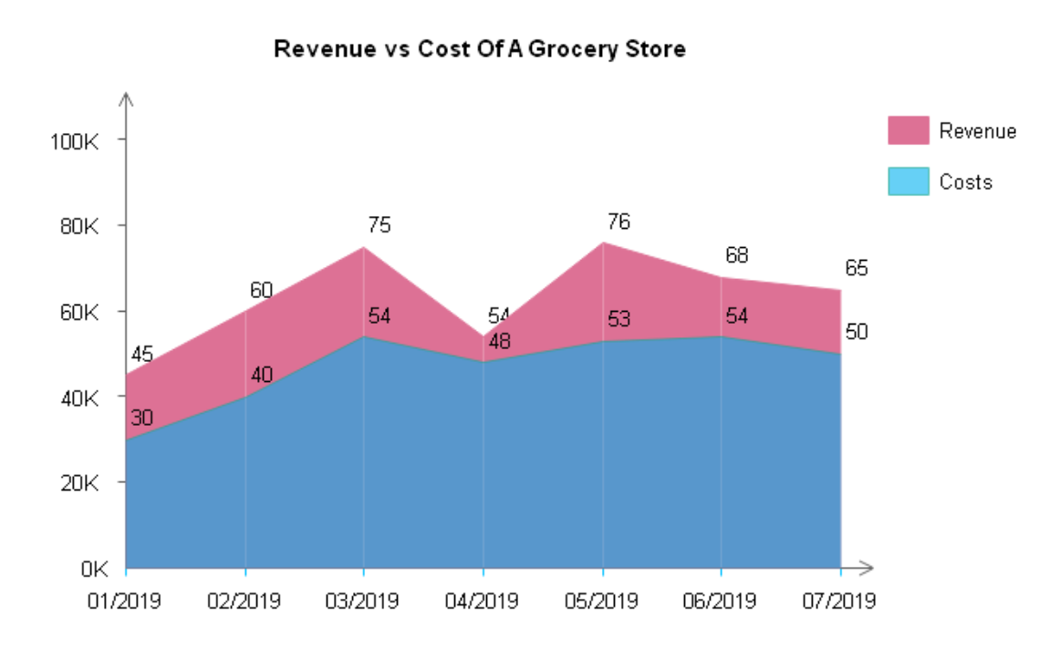
(B) Revenue Vs Cost of Grocery Store -
 |  | Reference Image
Month | Revenue |  | Interpretation
Revenue Vs Cost of Grocery Store
January | 45
Febuary | 60
March | 75
April | 54
May | 76
June | 68
July | 65

Description:
Original Visualization - The dataset offers monthly revenue data, and an area graph is suggested for depicting the temporal fluctuations. An area graph is especially apt for showcasing revenue trends across months, as it emphasizes the general magnitude while downplaying precise figures. This chart type is optimal for comparing various datasets, like monthly revenues, and excels at highlighting overall trends without fixating on specific data points. The area graph's capacity to illustrate both the aggregate and monthly breakdown renders it a valuable tool for capturing revenue fluctuations throughout the designated timeframe.
Reconstructed Visualization - The remodeled visualization has shifted from an area chart to a bar graph, offering a streamlined and targeted portrayal of the information. In this updated rendition, the months have been relabeled with letters to ensure confidentiality. The removal of a key adds to a more minimalist appearance, while the adoption of bars directs attention to specific values instead of the total magnitude. The bar graph is especially efficient for contrasting amounts across various data sets, providing a clear and simplified illustration of revenue patterns throughout the designated months.

