POWER_Point_Monthly_Timeseries_
CCI Assignment 1 Submitted by - Sayam Kumar Roll No - S20180010158 UG4 Place of observation - Ludhiana, Punjab

YEAR | JAN | FEB | MAR | APR | MAY | JUN | JUL | AUG | SEP | OCT | NOV | DEC | ANN
1995 | 12.12 | 15.35 | 19.66 | 26.14 | 34.68 | 37.25 | 34.99 | 29.27 | 27.73 | 25.26 | 19.25 | 14.98 | 24.77
1996 | 13.34 | 16.36 | 22.04 | 28.51 | 33.36 | 34.99 | 33.7 | 29.91 | 28.31 | 23.84 | 18.39 | 14.04 | 24.75
1997 | 12.53 | 15.69 | 21.62 | 26.65 | 31.92 | 35.52 | 35.26 | 30.72 | 29.59 | 24.15 | 18.87 | 13.42 | 24.7
1998 | 11.99 | 15.73 | 20.12 | 29.87 | 35.34 | 35.84 | 34.58 | 33.62 | 31.77 | 26.32 | 20.94 | 15.97 | 26.05
1999 | 12.99 | 17.05 | 23.51 | 30.87 | 35.39 | 36.37 | 36.08 | 33.48 | 32.3 | 26.42 | 21.06 | 16.27 | 26.86
2000 | 13.9 | 13.94 | 21.33 | 31.43 | 36.59 | 35.12 | 33.03 | 33.54 | 31.23 | 26.78 | 20.87 | 15.82 | 26.15
2001 | 12.47 | 17.31 | 23.05 | 28.82 | 35.54 | 35.11 | 32.37 | 32.07 | 30.81 | 27.23 | 20.8 | 15.59 | 25.97
2002 | 14.04 | 16.07 | 23.74 | 30.89 | 36.67 | 37.73 | 37.5 | 33.66 | 28.88 | 25.83 | 20.57 | 15.92 | 26.85
2003 | 13 | 16.22 | 21.13 | 29.73 | 33.92 | 37.6 | 32.19 | 31.57 | 30.26 | 25.04 | 18.62 | 15.4 | 25.43
2004 | 13.25 | 16.9 | 25.31 | 31.48 | 34.25 | 35.52 | 35.66 | 31.01 | 31.03 | 24.46 | 20.77 | 15.91 | 26.31
2005 | 12.03 | 14.38 | 22.02 | 26.75 | 33.3 | 37.26 | 32.77 | 33.8 | 30.52 | 25.41 | 19.17 | 14.14 | 25.19
2006 | 12.52 | 21.07 | 21.8 | 29.5 | 36.61 | 35.15 | 33.12 | 31.56 | 28.25 | 25.8 | 19.33 | 13.57 | 25.7
2007 | 12.3 | 15.74 | 20.11 | 30.3 | 34.88 | 36.65 | 35.15 | 32.98 | 31.07 | 25.67 | 20.61 | 13.65 | 25.8
2008 | 11.53 | 14.93 | 25.48 | 27.98 | 33.41 | 33.27 | 31.95 | 29.01 | 27.26 | 25.01 | 19.61 | 15.69 | 24.62
2009 | 14.28 | 16.86 | 22.56 | 27.92 | 34.89 | 36.87 | 35.73 | 33.52 | 29.73 | 25.59 | 19.08 | 14.85 | 26.04
2010 | 13.5 | 17.05 | 26.07 | 32.36 | 35.82 | 36.01 | 32.76 | 30.48 | 28.15 | 25.44 | 19.73 | 13.19 | 25.92
2011 | 11.43 | 15.66 | 22.72 | 27.65 | 35.83 | 34.85 | 32.89 | 30.3 | 28.19 | 25.3 | 20.45 | 14.28 | 25.01
2012 | 11.47 | 13.77 | 21.7 | 28.26 | 34.12 | 38.03 | 35.71 | 32.48 | 28.83 | 24.23 | 18.48 | 13.9 | 25.11
2013 | 11.17 | 15.4 | 21.85 | 28.53 | 35.21 | 35.84 | 33.48 | 29.33 | 28.8 | 26.12 | 18.23 | 13.98 | 24.87
2014 | 12.58 | 14.77 | 20.51 | 26.74 | 32.75 | 38.06 | 34.91 | 33.87 | 27.24 | 24.35 | 18.43 | 12.79 | 24.8
2015 | 11.89 | 16.48 | 19.61 | 26.99 | 33.6 | 35.05 | 31.69 | 31.12 | 29.4 | 25.84 | 19.91 | 14.61 | 24.72
2016 | 14.06 | 16.79 | 23.15 | 30.15 | 35.12 | 36.58 | 32.95 | 30.9 | 30.12 | 26.15 | 19.98 | 16.44 | 26.05
2017 | 12.71 | 16.73 | 21.57 | 30.04 | 35.04 | 34.62 | 32.64 | 30.84 | 29.09 | 26.01 | 18.9 | 14.51 | 25.26
2018 | 12.73 | 16.81 | 23.56 | 29.54 | 34.59 | 35.32 | 31.29 | 30.44 | 28 | 23.89 | 18.77 | 13 | 24.86
2019 | 11.25 | 13.85 | 19.36 | 28.87 | 32.82 | 36.86 | 33 | 29.64 | 28.69 | 23.85 | 19.01 | 12.05 | 24.14
2020 | 10.83 | 14.93 | 18.9 | 25.65 | 31.76 | 34.36 | 33.26 | 30.7 | 29.71 | 25.44 | 17.99 | 13.33 | 23.92

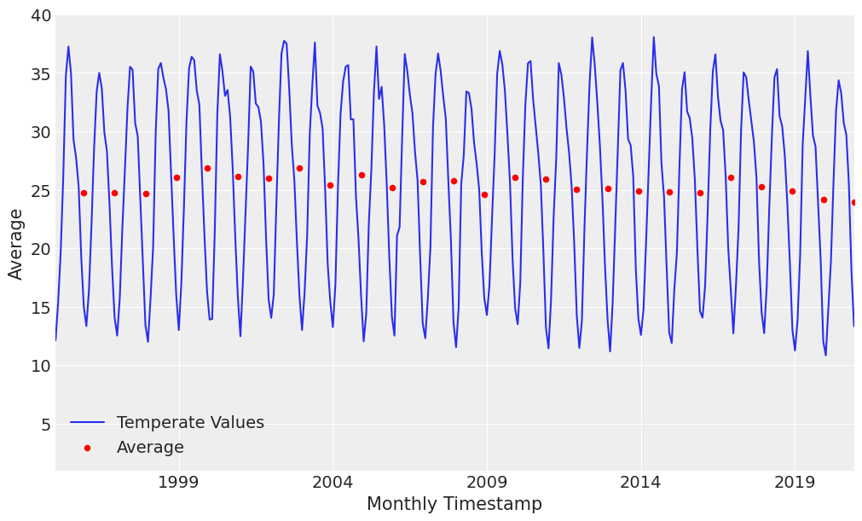

 |  |  | Observation - One can clearly see that the city have extreme trends. This means, the temperature drops a lot in winters and rises a lot in summers. As a conclusion, the average temperate throughout the year is fairly constant across all years

