Definitions
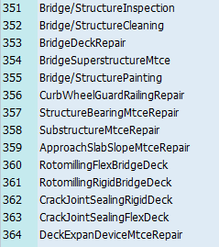
Order | Unique Idenfier for Work Order
Bas. start date | Planned start date | Maintenance Activity Types
Description | Work order description
Functional Location | Unique identifier for asset used by Maintenance
BRKEY | Unique identifier for asset used by Inspection Unit
Basic fin. date | Date activity finished
Actual start | Date activity actually started
MaintActivType | Work order type
Description | Asset description
Total actual costs | Total actual cost of work order
Total Planned Costs | Total planned cost of work order
Route | Route asset is located on
Begin Ref. Point | Beginning mile point of asset
End Reference point | End mile point of asset

