Test Report
TEST CASE REPORT
Project Name | Probashi Android Application |  |  |  |  |  | Total No. | Status
Module Name | SIGN UP |  |  |  |  |  | 32 | PASS
Written By | Abdullah Mohammod Sayid Boiah |  |  |  |  |  | 6 | FAIL
Executed By | Abdullah Mohammod Sayid Boiah |  |  |  |  |  | 0 | Not Executed
Reviewed By | BJIT

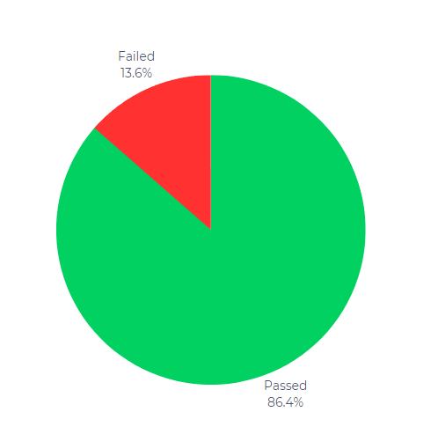
TEST EXECUTION REPORT

Test Case | PASS |  | FAIL | Not Executed | Out Of Scope | Total TC
32 | 26 |  | 6 | 0 | 0 | 32

Grand Total | 26 |  | 6 | 0 | 0 | 32

 |  | Testing Type in Scope |  | Descriptoon

Yes/ No. Justification (If No): |  | Functional Testing |  | All the functionlity of this application is't working out of 32 cases 4 functional components are not working.

Yes/ No. Justification (If No): |  | Usability Testing |  | Test application from user friendliness perspective.

Yes/ No. Justification (If No): |  | UI Testing |  | There have some UI related problen in this application.

Yes/ No. Justification (If No): |  | Device Compatibility Testing |  | Browser Compatibility Testing is performed for web applications and it ensures that the software can run with the combination of different browser.

TEST REPORT There are 32 test cases found; 26 passed and 6 failed. The app is fine in terms of functionality, but I think its user interface isn't too good. There are some alignment problems, like the menu bar on the Terms and Conditions page, the photo upload bar, etc. On the other hand, its email verification email isn't decorated. The summary is that the app is very functional but not user-friendly. It has to rearrange the user interface.

