Runaq
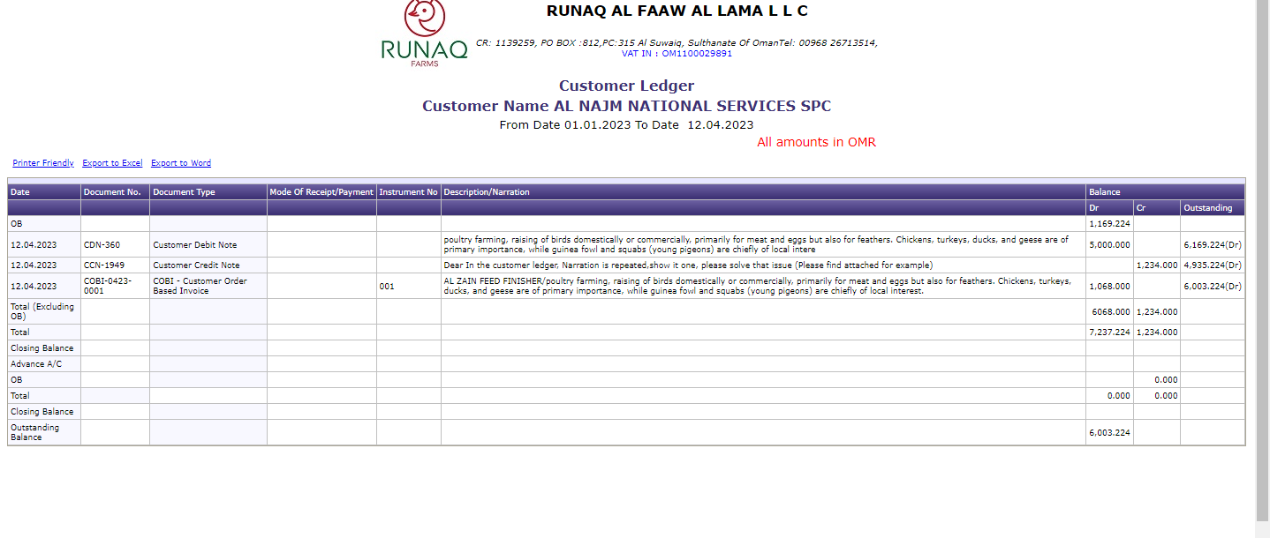
S no | REQ-0323-0058 - ticken num (It's already in live)
 | Client Reqest | Testing | Module | Bug's
1 | Dear In the customer ledger, Narration is repeated,show it one, please solve that issue (Please find attached for example) | Now Narration working properly Check the screenshort | Direct sales | Accepting same combination of category and code
2 |  |  |  | In edit page for broiler birds Pieces text box is not coming
3 |  |  |  | in add page if we give price as "00" while saving some aql error and the entere data's are gone
 |  |  |  | In edit page Flock dropdown should come only for chicks and birds it's coming for all categories
 | Screenshort

