Traverse
 | Empty Tree | Uninitialized Tree | Tree 1 | Tree 2 | Tree 3
Expected | "" | "" | "D E B G F C A" | "B F D G H E C A" | "H I D J E B F K G C A"
Actual | "" | "" | "D E B G F C A" | "B F D G H E C A" | "H I D J E B F K G C A"

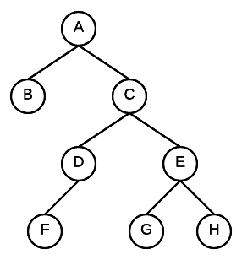
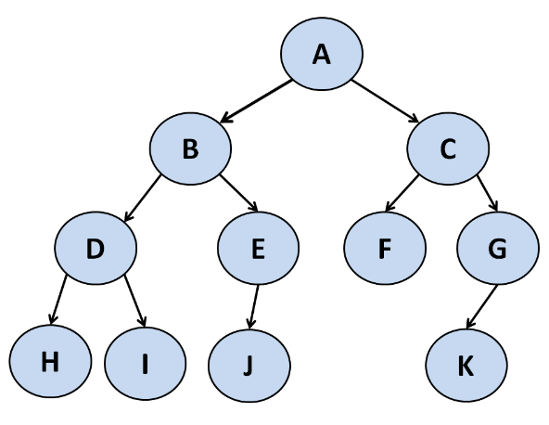
Tree 1 |  |  | Tree 2 |  |  |  | Tree 3
 |  |  |  |  |  | A
 |  |  |  |  | B
 |  |  |  | C
 |  |  | D

 |  |  | Tree 3
 |  |  | A
 |  |  |  | B
 |  |  |  |  | C
 |  |  |  |  |  | D

