About
Sample OCDS Evaluation: What Does Sample Publish?

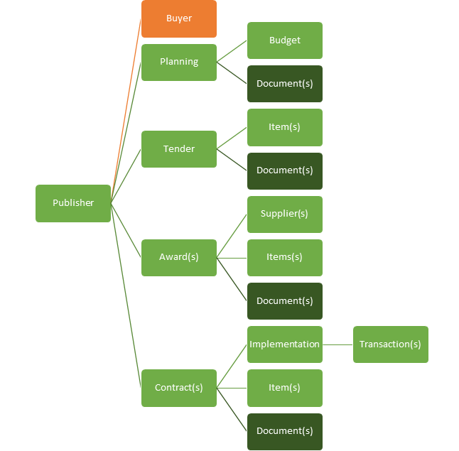
The Open Contracting Data Standard's Sections | Sample's Published Sections |  |  | About Sample's OCDS Data
 | Section | Provided? | Number Provided | Section | Provided?
 | Planning |  |  | Published
 | Tender |  |  | Released
 | Awards |  |  | Number of Files
 | Contracts |  |  | License | None
 | Implementation |  |  | Publication Policy | None
 | Buyer |  |  | Publisher Name | None
 | Suppliers |  |  | Publisher Scheme | None
 | Documents |  |  | Publisher UID | None
 | Extensions |  |  | Publisher URI | None

 |  |  |  | Publisher Information Expected in OCDS Releases

Dashboard
Sample OCDS Evaluation: How well does Sample align with OCDS?

The Open Contracting Data Standard's Publication Levels
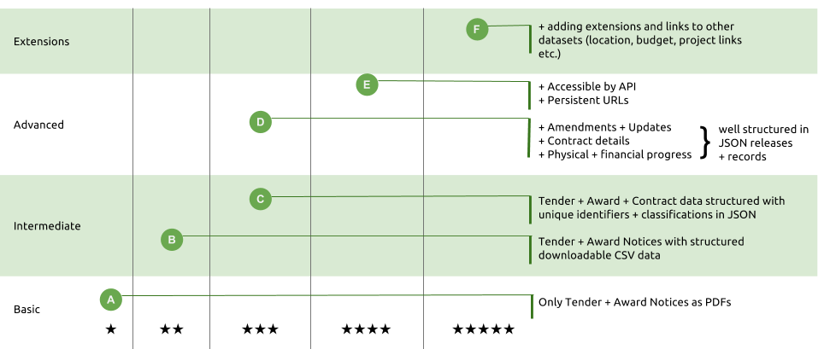

OCDS Publication Levels |  |  |  |  |  |  |  | OCDS Validator

Sample's Publication Level Progress |  |  |  |  |  |  |  |  | Is Sample's OCDS Publication Valid?

Basic |  |  | Intermediate |  | Advanced |  |  | 5* | Schema |  | Files Checked | Release Errors | Header Errors
Required | Recommended |  | Required | Recommended | Required | Recommended
#N/A | #N/A |  | #N/A | #N/A | #N/A | #N/A |  | #N/A

To Do: Provide These Required Fields & Priority Documents To Improve Sample's Publication Level |  |  |  |  |  |  |  |  | To Do: Fix These To Validate Releases
Level | OCDS Block | OCDS Field |  |  |  | Level | Document Title |  | Number | Issue
 |  |  |  |  |  | basic | Tender Notice
 |  |  |  |  |  | basic | Award Notice
 |  |  |  |  |  | basic | Contract Notice
 |  |  |  |  |  | basic | Completion certificate
 |  |  |  |  |  | basic | Procurement Plan
 |  |  |  |  |  | basic | Bidding Documents
 |  |  |  |  |  | basic | Technical Specifications
 |  |  |  |  |  | basic | Evaluation Criteria
 |  |  |  |  |  | intermediate | Evaluation report
 |  |  |  |  |  | intermediate | Signed Contract
 |  |  |  |  |  | intermediate | Arrangements for ending contract
 |  |  |  |  |  | intermediate | Schedules and milestones
 |  |  |  |  |  | intermediate | Physical progress reports
 |  |  |  |  |  | intermediate | Financial progress reports
 |  |  |  |  |  | intermediate | Final Audit
 |  |  |  |  |  | intermediate | Public Hearing Notice
 |  |  |  |  |  | intermediate | Market Studies
 |  |  |  |  |  | intermediate | Eligibility Criteria
 |  |  |  |  |  | intermediate | Clarifications to bidders questions
 |  |  |  |  |  | intermediate | Shortlisted Firms
 |  |  |  |  |  | advanced | Environmental Impact
 |  |  |  |  |  | advanced | Assesment of government's assets and liabilities
 |  |  |  |  |  | advanced | Provisions for management of risks and liabilities
 |  |  |  |  |  | advanced | Winning Bid
 |  |  |  |  |  | advanced | Complaints and decisions
 |  |  |  |  |  | advanced | Annexes to the Contract
 |  |  |  |  |  | advanced | Guarantees
 |  |  |  |  |  | advanced | Subcontracts
 |  |  |  |  |  | advanced | Needs Assessment
 |  |  |  |  |  | advanced | Feasibility study
 |  |  |  |  |  | advanced | Project plan
 |  |  |  |  |  | advanced | Bill Of Quantity
 |  |  |  |  |  | advanced | Information on bidders
 |  |  |  |  |  | advanced | conflicts of interest uncovered
 |  |  |  |  |  | advanced | debarments issued

