Acerca de
Evaluación OCDS a Sample: Qué publica Sample?

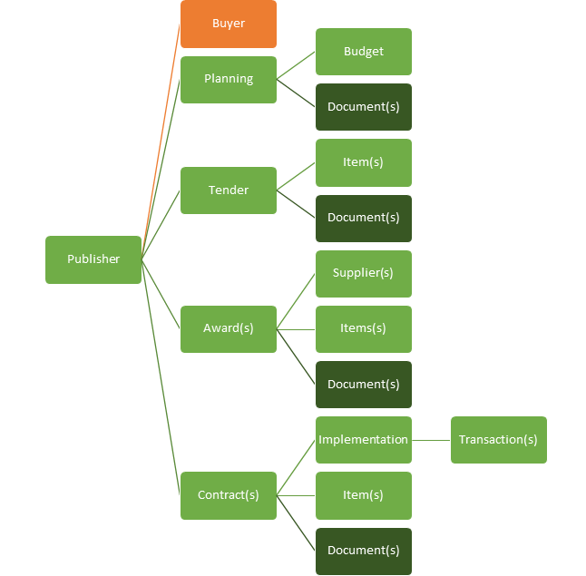
Secciones de Open Contracting Data Standard | Secciones Publicadas por Sample |  |  | Sobre los datos de Sample
 | Sección | Provee | Cantidad proveída | Sección | Provee?
 | Planning | No |  | Published
 | Tender | Yes |  | Released
 | Awards | Yes |  | Number of Files
 | Contracts | Yes |  | License | None
 | Implementation | No |  | Publication Policy | None
 | Buyer | Yes |  | Publisher Name | None
 | Suppliers | Yes |  | Publisher Scheme | None
 | Documents | Yes |  | Publisher UID | None
 | Extensions | No |  | Publisher URI | None

 |  |  |  | Información del publicador esperada en los Releases OCDS

Dashboard
Evaluación OCDS a Sample: Qué tan bien se ajusta Sample a OCDS?

Los Niveles de publicación de Open Contracting Data Standard
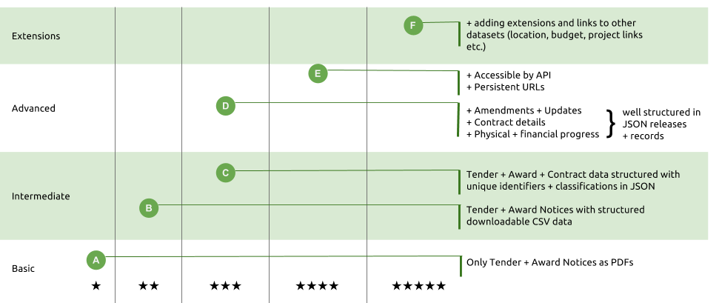

Niveles de Publicación OCDS |  |  |  |  |  |  |  | Validador OCDS

Progreso del Nivel de Publicación de Sample |  |  |  |  |  |  |  |  | Es la publicación OCDS de Sample Válida?

Básico |  |  | Intermedio |  | Avanzado |  |  | 5* | Schema |  | Archivos evaluados | Errores de Release | Header Errors
Requerido | Recomendado |  | Requirido | Recomendado | Requirido | Recomendado
#N/A | #N/A |  | #N/A | #N/A | #N/A | #N/A |  | #N/A

To Do: Proporcione estos campos requeridos y documentos de prioridad para mejorar el nivel de publicación de Sample |  |  |  |  |  |  |  |  | To Do: Corregir Estos para Validar los Releases
Nivel | Bloque OCDS | Campo OCDS |  |  |  | Nivel | Título del Documento |  |  | Issue
 |  |  |  |  |  | básico | Tender Notice
 |  |  |  |  |  | básico | Award Notice
 |  |  |  |  |  | básico | Contract Notice
 |  |  |  |  |  | básico | Completion certificate
 |  |  |  |  |  | básico | Procurement Plan
 |  |  |  |  |  | básico | Bidding Documents
 |  |  |  |  |  | básico | Technical Specifications
 |  |  |  |  |  | básico | Evaluation Criteria
 |  |  |  |  |  | intermedio | Evaluation report
 |  |  |  |  |  | intermedio | Signed Contract
 |  |  |  |  |  | intermedio | Arrangements for ending contract
 |  |  |  |  |  | intermedio | Schedules and milestones
 |  |  |  |  |  | intermedio | Physical progress reports
 |  |  |  |  |  | intermedio | Financial progress reports
 |  |  |  |  |  | intermedio | Final Audit
 |  |  |  |  |  | intermedio | Public Hearing Notice
 |  |  |  |  |  | intermedio | Market Studies
 |  |  |  |  |  | intermedio | Eligibility Criteria
 |  |  |  |  |  | intermedio | Clarifications to bidders questions
 |  |  |  |  |  | intermedio | Shortlisted Firms
 |  |  |  |  |  | avanzado | Environmental Impact
 |  |  |  |  |  | avanzado | Assesment of government's assets and liabilities
 |  |  |  |  |  | avanzado | Provisions for management of risks and liabilities
 |  |  |  |  |  | avanzado | Winning Bid
 |  |  |  |  |  | avanzado | Complaints and decisions
 |  |  |  |  |  | avanzado | Annexes to the Contract
 |  |  |  |  |  | avanzado | Guarantees
 |  |  |  |  |  | avanzado | Subcontracts
 |  |  |  |  |  | avanzado | Needs Assessment
 |  |  |  |  |  | avanzado | Feasibility study
 |  |  |  |  |  | avanzado | Project plan
 |  |  |  |  |  | avanzado | Bill Of Quantity
 |  |  |  |  |  | avanzado | Information on bidders
 |  |  |  |  |  | avanzado | conflicts of interest uncovered
 |  |  |  |  |  | avanzado | debarments issued

