Table 1
Information
Schools Printed Books
Schools Free Resources
Schools eBooks
Classics to e-Read
Apps
Via Afrika Digital Education Acadamy (VADEA)
Teenage Wellness Courses
Printed Books Table of Content
Accounting
Accounting Additional Resources
Agricultural Sciences
Business Studies
Computer Applications Technology
Creative Arts
Dramatic Arts
Economic and Management Sciences
eBooks Table of Content
Accounting
Agricultural Sciences
Business Studies
Computer Applications Technology
Creative Arts
Dramatic Arts
Economic and Management Sciences

Economics

Free Resources Table of Content
Accounting
Agricultural Sciences
Business Studies
Computer Applications Technology
Economics
Geography
History
Languages - Afrikaans
Economics
Geography
History
Languages - Afrikaans
Afrikaans: Reading Schemes and Literature
Languages - English
English: Reading Schemes and Literature
Languages - isiNdebele
isiNdebele: Reading Schemes and Literature
Languages - isiXhosa
isiXhosa: Reading Schemes and Literature
Languages - isiZulu
isiZulu: Reading Schemes and Literature
Languages - Sepedi
Sepedi: Reading Schemes and Literature
Languages - Sesotho
Sesotho: Reading Schemes and Literature
Languages - Setswana
Setswana: Reading Schemes and Literature
Languages - Siswati
Languages - TshiVenḓa
Languages - Xitsonga
Xitsonga: Reading Schemes and Literature
Life Orientation
Life Sciences
Life Skills
Mathematical Literacy
Mathematics
Natural Sciences
Natural Sciences and Technology
Social Sciences
Technology
Tourism
Geography
History
Languages - Afrikaans
Afrikaans: Reading Schemes and Literature
Languages - English
English: Reading Schemes and Literature
Languages - isiNdebele
isiNdebele: Reading Schemes and Literature
Languages - isiXhosa
isiXhosa: Reading Schemes and Literature
Languages - isiZulu
isiZulu: Reading Schemes and Literature
Languages - Sepedi
Sepedi: Reading Schemes and Literature
Languages - Sesotho
Sesotho: Reading Schemes and Literature
Languages - Setswana
Setswana: Reading Schemes and Literature
Languages - Siswati
Siswati: Reading Schemes and Literature
Language - TshiVenda
Languages - Xitsonga
Xitsonga: Reading Schemes and Literature
Life Orientation
Life Sciences
Life Skills
Mathematical Literacy
Mathematics
Natural Sciences
Natural Sciences and Technology
Physical Sciences
Social Sciences
Technology
Tourism
Languages - English
Languages - isiNdebele
Languages - Sepedi
Languages - Sesotho
Languages - Setswana
Languages - Siswati
Languages - TshiVenda
Languages - Xitsonga
Life Sciences
Mathematical Literacy
Mathematics
Physical Sciences
Tourism
I nformation
▪ This price list is valid from 1 July 2025 to 30 June 2026.
▪ Prices are subject to change without prior notice.
▪ Prices are inclusive of 15% VAT.
Trade Orders for all printed product
Via Afrika
PO Box 5197, CAPE TOWN, 8000
Tel: 087 353 1330
Fax: 086 510 7600
Email: customerservices@viaafrika.com
Credit Facilities
Via Afrika
PO Box 5197, CAPE TOWN, 8000
Tel: 087 353 1330
Fax: 086 510 7600
Email: customerservices@viaafrika.com
Customer Services for ALL product enquiries
Soné Joubert
Tel: 021 406 3080
Email: Sone.Joubert@viaafrika.com / customerservices@viaafrika.com
Returns
1. All sales are firm.
2. Apart from returns for imperfections, returns may be granted at the Company’s sole discretion on the following conditions:
a. Only books in mint condition will be accepted. Only CAPS titles will be considered.
b. Returns will only be considered on books invoiced in the previous three months and if the three months do not cross financial years (which runs from 1 April to 31 March annually).
3. A request for a return, which must include the invoice number, invoice date and a picture of the imprint pag
Tel: 087 353 1330
Fax: 086 510 7600
Email: customerservices@viaafrika.com
Customer Services will issue a Returns Authorisation document (RA) on approval.
4. When making an approved return, a copy of the RA document must accompany the return.
5. Please note:
a. Only parcels couriered by customers (at the customer's cost) to the Via Afrika warehouse (physical address) will be accepted. We do not collect returns from
b. A 5% handling charge is levied on all pre-authorised returns.
HEAD OFFICE
40 Heerengracht
PO Box 5197
Cape Town, 8000
Tel: 021 406 3528
Fax: 086 510 7600
Email: customerservices@viaafrika.com
Website: www.viaafrika.com
ISBN | Format | TITLE | Retail Price 15% VAT incl. | Grade / Level | Subject | Language | Language Level | Component
..... ACCOUNTING
9781415436721 | Printed book | Via Afrika Rekeningkunde Graad 11 Leerderboek (Printed book.) | R328,90 | 11 | Accounting | Afrikaans |  | Learner's Book
9781415439555 | Printed book | Via Afrika Rekeningkunde Graad 11 Oefenboek (Printed book.) | R272,90 | 11 | Accounting | Afrikaans |  | Exercise Book
9781415436738 | Printed book | Via Afrika Rekeningkunde Graad 11 Onderwysersgids (Printed book.) | R297,90 | 11 | Accounting | Afrikaans |  | Teacher's Guide
9781415439548 | Printed book | Via Afrika Accounting Grade 11 Exercise Book (Printed book.) | R272,90 | 11 | Accounting | English |  | Exercise Book
9781415436707 | Printed book | Via Afrika Accounting Grade 11 Learner's Book (Printed book.) | R328,90 | 11 | Accounting | English |  | Learner's Book
9781415436714 | Printed book | Via Afrika Accounting Grade 11 Teacher's Guide (Printed book.) | R297,90 | 11 | Accounting | English |  | Teacher's Guide
ACCOUNTING ADDITIONAL RESOURCES
9781775635062 | Printed book | Back to Basics Graad 8 Rekeningkunde Aktiwiteitsboek (Printed book.) | R244,90 | 8 | Accounting | Afrikaans |  | Activity Book
9781775635147 | Printed book | Back to Basics Graad 8 Rekeningkunde Onderwysersgids (Printed book.) | R735,90 | 8 | Accounting | Afrikaans |  | Teacher's Guide
9781775635093 | Printed book | Back to Basics Graad 9 Rekeningkunde Aktiwiteitsboek (Printed book.) | R363,90 | 9 | Accounting | Afrikaans |  | Activity Book
9781775635123 | Printed book | Back to Basics Graad 9 Rekeningkunde Onderwysersgids (Printed book.) | R774,90 | 9 | Accounting | Afrikaans |  | Teacher's Guide
9781775635055 | Printed book | Back to Basics Grade 8 Accounting Activity Book (Printed book.) | R244,90 | 8 | Accounting | English |  | Activity Book
9781775635154 | Printed book | Back to Basics Grade 8 Accounting Teacher's Guide (Printed book.) | R735,90 | 8 | Accounting | English |  | Teacher's Guide
9781775635086 | Printed book | Back to Basics Grade 9 Accounting Activity Book (Printed book.) | R363,90 | 9 | Accounting | English |  | Activity Book
9781775635130 | Printed book | Back to Basics Grade 9 Accounting Teacher's Guide (Printed book.) | R774,90 | 9 | Accounting | English |  | Teacher's Guide
..... AGRICULTURAL SCIENCES
9781415423530 | Printed book | Via Afrika Agricultural Sciences Grade 10 Learner's Book (Printed book.) | R254,90 | 10 | Agricultural Sciences | English |  | Learner's Book
9781415423547 | Printed book | Via Afrika Agricultural Sciences Grade 10 Teacher's Guide (Printed book.) | R294,90 | 10 | Agricultural Sciences | English |  | Teacher's Guide
9781415436967 | Printed book | Via Afrika Agricultural Sciences Grade 11 Learner's Book (Printed book.) | R320,90 | 11 | Agricultural Sciences | English |  | Learner's Book
9781415436974 | Printed book | Via Afrika Agricultural Sciences Grade 11 Teacher's Guide (Printed book.) | R297,90 | 11 | Agricultural Sciences | English |  | Teacher's Guide
9781415441213 | Printed book | Via Afrika Agricultural Sciences Grade 12 Learner's Book (Printed book.) | R357,90 | 12 | Agricultural Sciences | English |  | Learner's Book
9781415441220 | Printed book | Via Afrika Agricultural Sciences Grade 12 Teacher's Guide (Printed book.) | R325,90 | 12 | Agricultural Sciences | English |  | Teacher's Guide

Table 122
ISBN | Format | Title | Link to KOBO to purchase the book | Language | Genre
9781415452554 | eBook (ePub) | Ukhozi Olumaphiko | https://www.kobo.com/za/en/ebook/ukhozi-olumaphiko | isiXhosa | Novel
9781415461396 | eBook (ePub) | UMhlangengxaki | https://www.kobo.com/za/en/ebook/umhlangengxaki | IsiXhosa | Novel
9781415461365 | eBook (ePub) | UNongxaki nezakhe | https://www.kobo.com/za/en/ebook/unongxaki-nezakhe | IsiXhosa | Novel
9781415452400 | eBook (ePub) | uZwelinjani | https://www.kobo.com/za/en/ebook/uzwelinjani | isiXhosa | Novel
9781415452578 | eBook (ePub) | Intambanane | https://www.kobo.com/za/en/ebook/intambanane | IsiXhosa | Poetry
9781415452424 | eBook (ePub) | Qhiwu-u-u-la!! | https://www.kobo.com/za/en/ebook/qhiwu-u-u-la | IsiXhosa | Poetry
9781415452417 | eBook (ePub) | Masiphakule Ulwazi | https://www.kobo.com/za/en/ebook/masiphakule-ulwazi | isiXhosa | Poetry
9781415452431 | eBook (ePub) | Sela Emthonjeni | https://www.kobo.com/za/en/ebook/sela-emthonjeni | isiXhosa | Poetry
9781415452455 | eBook (ePub) | Awam Ngqo! | https://www.kobo.com/za/en/ebook/awam-ngqo | IsiXhosa | Short Stories
9781415452523 | eBook (ePub) | Kungaqhuma Kubasiwe | https://www.kobo.com/za/en/ebook/kungaqhuma-kubasiwe | IsiXhosa | Short Stories
9781415452462 | eBook (ePub) | Qula Kwedini Kabawo | https://www.kobo.com/za/en/ebook/qula-kwedini-kabawo | isiXhosa | Short Stories
9781415452592 | eBook (ePub) | Amaqili | https://www.kobo.com/za/en/ebook/amaqili | isiZulu | Drama
9781415461495 | eBook (ePub) | Izulu eladuma esandlwana | https://www.kobo.com/za/en/ebook/izulu-eladuma-esandlwana | isiZulu | Drama
9781415460870 | eBook (ePub) | Impepho | https://www.kobo.com/za/en/ebook/impepho | IsiZulu | Folklore
9781415452608 | eBook (ePub) | Amandl' Esambane | https://www.kobo.com/za/en/ebook/amandl-esambane | IsiZulu | Novel
9781415452622 | eBook (ePub) | Ithemba Alibulali | https://www.kobo.com/za/en/ebook/ithemba-alibulali | IsiZulu | Novel
9781415452639 | eBook (ePub) | Ithemba Lami | https://www.kobo.com/za/en/ebook/ithemba-lami | IsiZulu | Novel
9781415461488 | eBook (ePub) | Qhude Manikiniki | https://www.kobo.com/za/en/ebook/qhude-manikiniki | IsiZulu | Novel
9781415463529 | eBook (ePub) | Isibusiso Sikamhawu | https://www.kobo.com/za/en/ebook/isibusiso-sikamhawu | IsiZulu | Poetry
9781415460900 | eBook (ePub) | Izintaba Zokhahlamba | https://www.kobo.com/za/en/ebook/izintaba-zokhahlamba | IsiZulu | Poetry
9781415452653 | eBook (ePub) | Izinyembezi Zokulangaza | https://www.kobo.com/za/en/ebook/izinyembezi-zokulangaza | IsiZulu | Poetry
9781415452677 | eBook (ePub) | Di Šitile Phaahle | https://www.kobo.com/za/en/ebook/di-sitile-phaahle | Sepedi | Drama
9781415452684 | eBook (ePub) | Lehufa | https://www.kobo.com/za/en/ebook/lehufa | Sepedi | Drama
9781415461532 | eBook (ePub) | Makgale | https://www.kobo.com/za/en/ebook/makgale | Sepedi | Drama
9781415461518 | eBook (ePub) | Marangrang | https://www.kobo.com/za/en/ebook/marangrang | Sepedi | Drama
9781415452691 | eBook (ePub) | Naga Ga Di Etelane | https://www.kobo.com/za/en/ebook/naga-ga-di-etelane | Sepedi | Drama
9781415461525 | eBook (ePub) | Tau modulathoko | https://www.kobo.com/za/en/ebook/tau-modulathoko | Sepedi | Drama
9781415452707 | eBook (ePub) | Kgati Ya Moditi | https://www.kobo.com/za/en/ebook/kgati-ya-moditi | Sepedi | Novel
9781415452714 | eBook (ePub) | Lenong La Gauta | https://www.kobo.com/za/en/ebook/lenong-la-gauta | Sepedi | Novel
9781415452721 | eBook (ePub) | Lešitaphiri | https://www.kobo.com/za/en/ebook/lesitaphiri | Sepedi | Novel
9781415452738 | eBook (ePub) | Ntshebele 1 | https://www.kobo.com/za/en/ebook/ntshebele-1 | Sepedi | Short Stories
9781415461129 | eBook (ePub) | Ntshwê | https://www.kobo.com/za/en/ebook/ntshwe | Sepedi | Short Stories
9781415461570 | eBook (ePub) | Boiphetetso | https://www.kobo.com/za/en/ebook/boiphetetso | Sesotho | Drama
9781415461587 | eBook (ePub) | Sekhukhune | https://www.kobo.com/za/en/ebook/sekhukhune-1 | Sesotho | Drama
9781415452486 | eBook (ePub) | Sefi | https://www.kobo.com/za/en/ebook/sefi | Sesotho | Drama
9781415461563 | eBook (ePub) | Tahleho | https://www.kobo.com/za/en/ebook/tahleho | Sesotho | Drama
9781415461600 | eBook (ePub) | O titimetse | https://www.kobo.com/za/en/ebook/o-titimetse | Sesotho | Novel
9781415452509 | eBook (ePub) | Sehlekehleke Sa Deidro | https://www.kobo.com/za/en/ebook/sehlekehleke-sa-deidro | Sesotho | Novel
9781415460818 | eBook (ePub) | Ditswakotleng | https://www.kobo.com/za/en/ebook/ditswakotleng | Sesotho | Poetry
9781415460955 | eBook (ePub) | Kgorula | https://www.kobo.com/za/en/ebook/kgorula | Sesotho | Poetry
9781415461013 | eBook (ePub) | Manya-A-Pelo | https://www.kobo.com/gb/en/ebook/manya-a-pelo | Sesotho | Poetry
9781415461150 | eBook (ePub) | Phumola Dikeledi | https://www.kobo.com/za/en/ebook/phumola-dikeledi | Sesotho | Poetry
9781415452745 | eBook (ePub) | Dinyane La Tshepe, Sebalamakgulo | https://www.kobo.com/za/en/ebook/dinyane-la-tshepe-sebalamakgulo | Sesotho | Short Stories
9781415460832 | eBook (ePub) | Fahleho Sa Ka | https://www.kobo.com/za/en/ebook/fahleho-sa-ka | Sesotho | Short Stories
9781415452752 | eBook (ePub) | Makatolle | https://www.kobo.com/za/en/ebook/makatolle | Sesotho | Short Stories
9781415452356 | eBook (ePub) | Thukulatshe | https://www.kobo.com/za/en/ebook/thukulatshe | Sesotho | Short Stories
9781415461655 | eBook (ePub) | Gareng ga metswi | https://www.kobo.com/za/en/ebook/gareng-ga-metswi | Setswana | Drama
9781415461631 | eBook (ePub) | Lerato ke eng? | https://www.kobo.com/za/en/ebook/lerato-ke-eng | Setswana | Drama
9781415461662 | eBook (ePub) | Pelo e ja serati | https://www.kobo.com/za/en/ebook/pelo-e-ja-serati | Setswana | Drama
9781415452769 | eBook (ePub) | Bogosi Kupe | https://www.kobo.com/za/en/ebook/bogosi-kupe | Setswana | Novel
9781415461617 | eBook (ePub) | Go ša baori | https://www.kobo.com/za/en/ebook/go-sa-baori | Setswana | Novel
9781415461648 | eBook (ePub) | Marara | https://www.kobo.com/za/en/ebook/marara | Setswana | Novel
9781415461624 | eBook (ePub) | Mokwena | https://www.kobo.com/za/en/ebook/mokwena | Setswana | Novel
9781415452776 | eBook (ePub) | Morabaraba | https://www.kobo.com/za/en/ebook/morabaraba | Setswana | Novel
9781415452790 | eBook (ePub) | Ntlotlele Tsa Maloba | https://www.kobo.com/za/en/ebook/ntlotlele-tsa-maloba | Setswana | Short Stories
9781415452363 | eBook (ePub) | Se Time Tsala | https://www.kobo.com/za/en/ebook/se-time-tsala | Setswana | Short Stories
9781415460788 | eBook (ePub) | Bulayo Lo Talifhaho | https://www.kobo.com/za/en/ebook/bulayo-lo-talifhaho | Tshivenḓa | Novel
9781415460863 | eBook (ePub) | Hlamba Vunwa Nandziwe | https://www.kobo.com/za/en/ebook/hlamba-vunwa-nandziwe | Xitsonga | Drama
9781415463536 | eBook (ePub) | Hi Ya Kwihi? | https://www.kobo.com/za/en/ebook/hi-ya-kwihi | Xitsonga | Novel
9781415452813 | eBook (ePub) | Mulunguntima | https://www.kobo.com/za/en/ebook/mulunguntima | Xitsonga | Novel
9781415461440 | eBook (ePub) | Xona hi xihi? | https://www.kobo.com/za/en/ebook/xona-hi-xihi | Xitsonga | Novel
9781415452820 | eBook (ePub) | Kwakwa Ra Sekwa | https://www.kobo.com/za/en/ebook/kwakwa-ra-sekwa | Xitsonga | Short Stories
............... ..... VIA AFRIKA APPS
Test-Urself/Toets-Uself
.......... Via Afrika Test-Urself/Toets-Uself
Operating system/s: Android Language/s: English and Afrikaans (Separate apps) Device/s: Phone and tablet Target market: Grades 4 to 12 Cost: Free Test-Urself is the perfect study-buddy for every learner in South Africa. The app tests knowledge and skills in school subjects with a free quiz for every subject and every grade – over 240 free quizzes. Detailed feedback on each question ensures success in exams, and boosts confidence and improves results. There are 569 English quizzes and 544 Afrikaans quizzes in total. Grades 4-6 Life Skills; Mathematics; Social Sciences; Natural Sciences and Technology; Afrikaans EAT; Afrikaans HT; English FAL; isiNdebele; isiXhosa; isiZulu; Sepedi; Sesotho; Setswana; Siswati; TshiVenda; Xitsonga Grades 7-9 Creative Arts; Mathematics; Life Orientation; Natural Sciences; Social Sciences; Technology; Afrikaans EAT; Afrikaans HT; English FAL; isiNdebele; isiXhosa; isiZulu; Sepedi; Sesotho; Setswana; Siswati; Economic and Management Sciences Grades 10-12 Afrikaans HT; Agricultural Sciences; Business Studies; CAT; Dramatic Arts; Economics; Geography; History; Life Orientation; Life Sciences; Maths, Maths Lit; Physical Sciences; Tourism; Afrikaans EAT; English FAL; isiNdebele; isiXhosa; isiZulu; Sepedi; Sesotho; Setswana; Siswati; TshiVenda; Xitsonga, Accounting (only Grade 11)
Question 7 of 12
English Language » Grd 12
which of the following lwa facts
abo t writing e summary arc
You can include your own opinions when writing tne summary.
Direct speech should be written in Indirect speech in the summary.
Do not use your own words.
 | 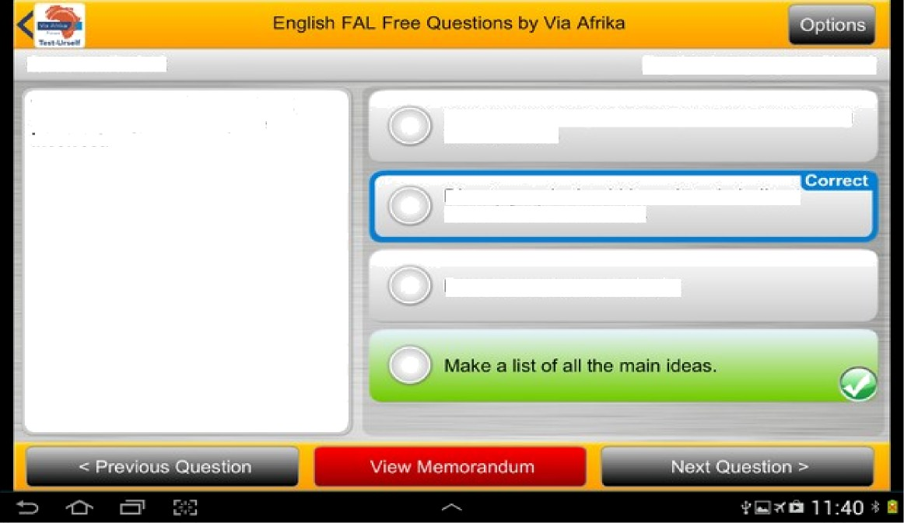
Question 4 of 25 (4 marks)
English Language » Grd 12
Matcl› the following wards to their correct rliminuiivcs.
calf
giraffe
cygnet
whale
cub
 | 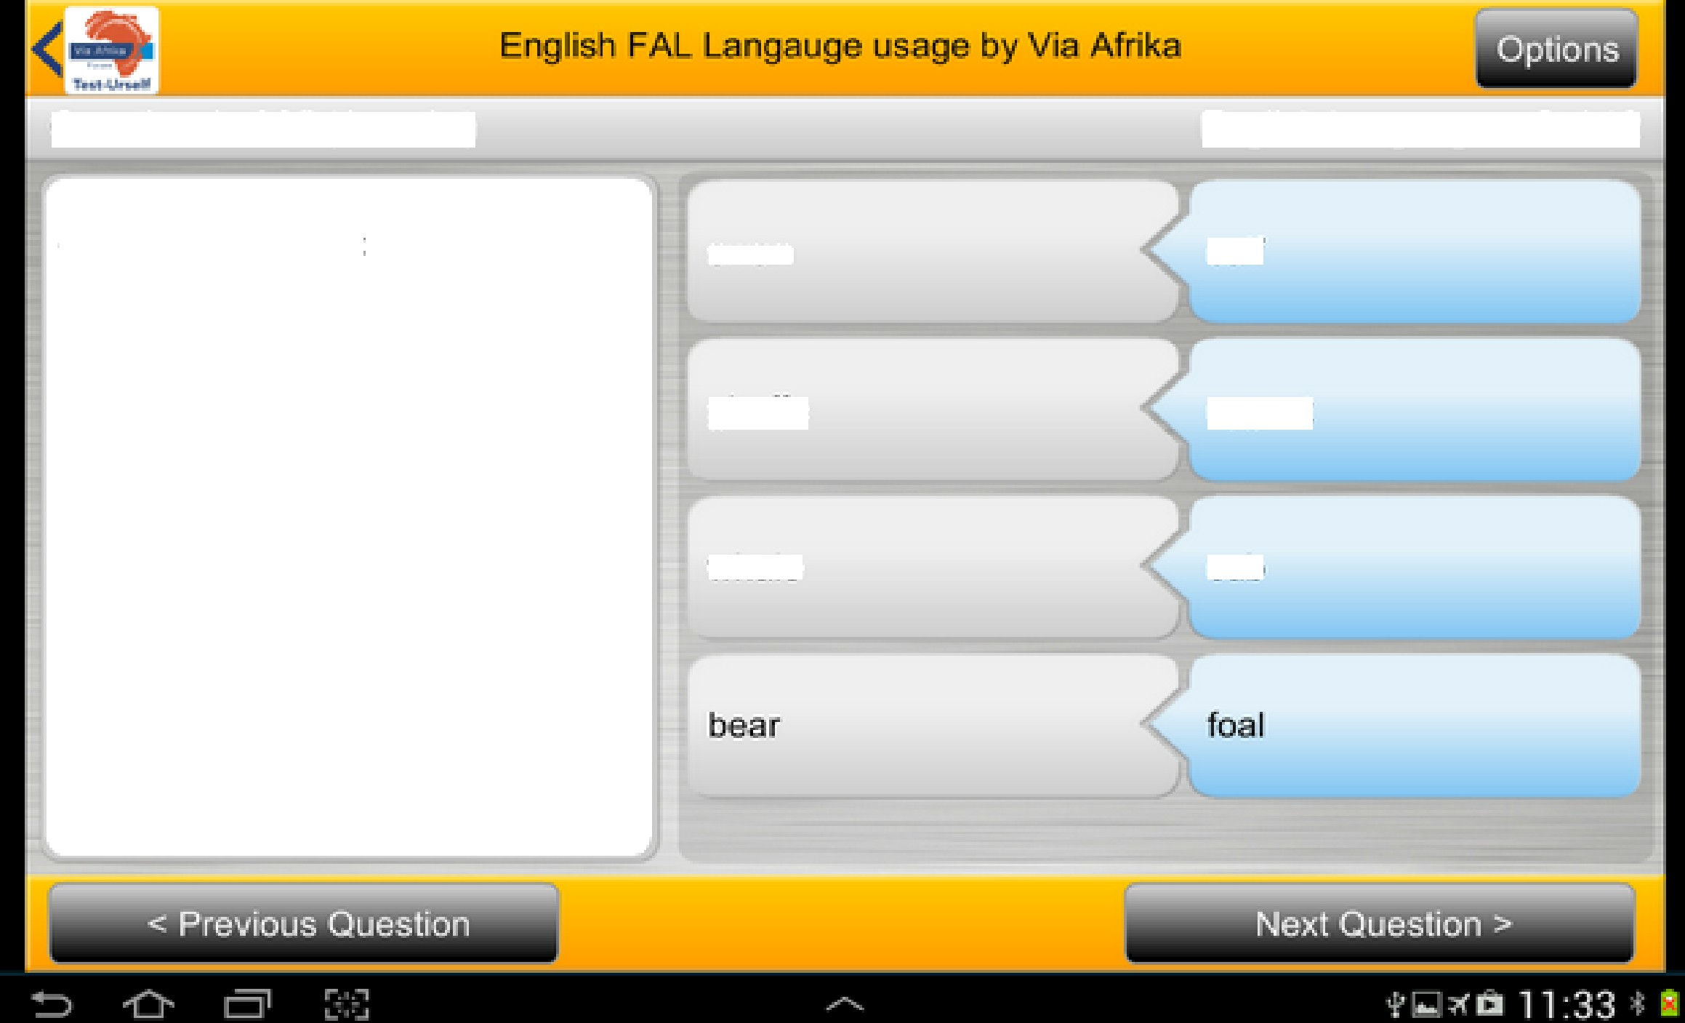

............... ..... Via Afrika Digital Education Academy Training Courses
We created the Via Afrika Digital Education Academy (VADEA) to provide teachers with the knowledge, skills and values needed to prepare our learners to be competent and confident citizens. VADEA is a set of online training sessions that offer teachers the chance to take on the challenge of elearning and the 4IR confidently.
Via Afrika Digital Education Academy offers the revolutionary Mindset Change for effective Digital Education Course because, as Bitner and Bitner noted, “Using technology as a teaching and learning tool in the classroom [brings about fear, anxiety and concern] to an even greater extent [than change] since it involves both changes in classroom procedures and the use of often unfamiliar technologies.” (Bitner and Bitner, 2002). This three level course identifies and creates the ideal mindset for a teacher who is working in the digital age. Find out more on page 8. We have developed our Fourth Industrial Revolution course, with two generative AI sessions as we acknowledge that “Our learners are our future workers and we have to ensure they are wellequipped and prepared for the 4IR.” – Mrs Angie Motshekga MP, Minister of Basic Education.
Teachers now require different skills and knowledge to what they did even five years ago. In a set of courses on using Windows (on tablets and laptops) and Android operating systems, VADEA has developed the training needed for a teacher to take their place in a classroom, in the 4IR, with a full understanding of the technology and pedagogies needed to make teaching and learning a success.
“Teachers must move from being able to demonstrate technology skills to being able to integrate technology competently into the teaching and learning process with the appropriate pedagogical expertise. But teachers who are competent also need to be confident in their competence in order to perform well.” – Christina Watson, CEO Via Afrika. Our Your laptop course offers guidance on how to teach with only one laptop in a classroom. To meet the needs of a changing environment we offer a Teaching Online course that will give the teacher the knowledge and skills to develop learning for remote teaching and learning situations.
VADEA operates in partnership with the Department of Basic Education (DBE) and was developed from the work Via Afrika has been doing in rural schools in dedicated technology centres. All of the training sessions in the courses have been approved by the South African Council for Educators (SACE) for Continuous Professional Development Points (PD Points).

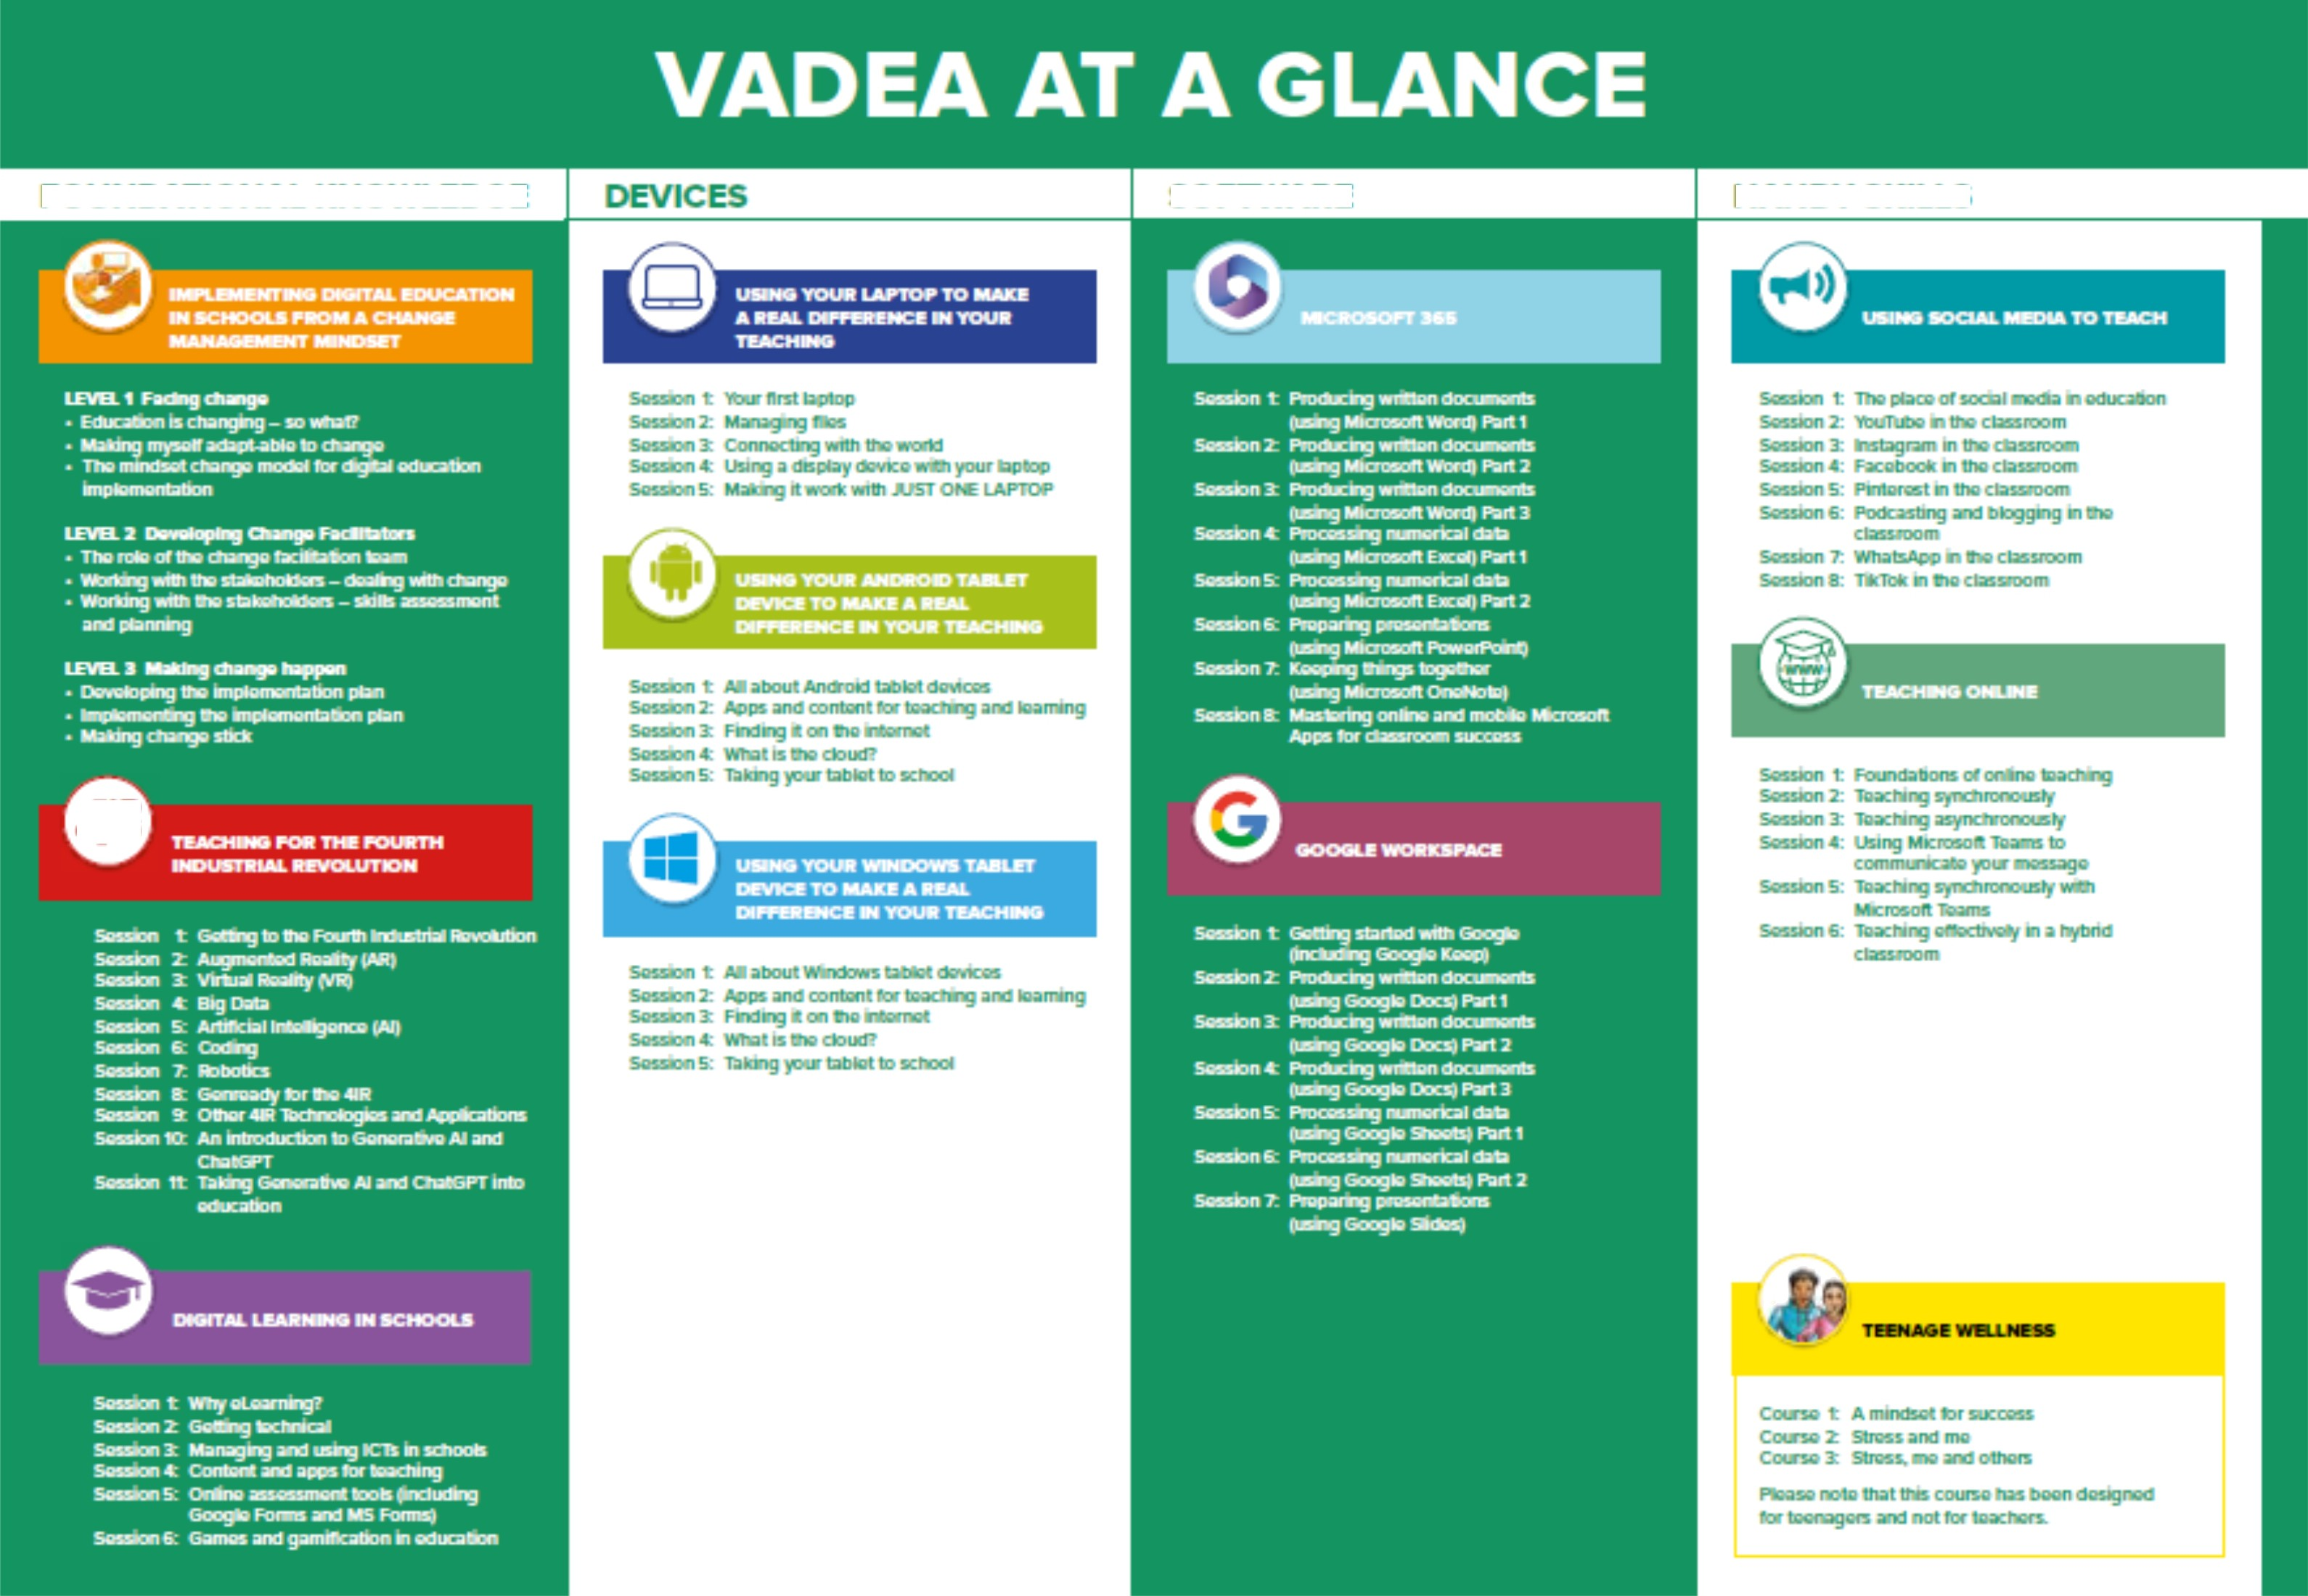
FOU NDATIO NA L KNO\'ELE DG E
SO FT\‘EA R E
HA N DY SKILLS

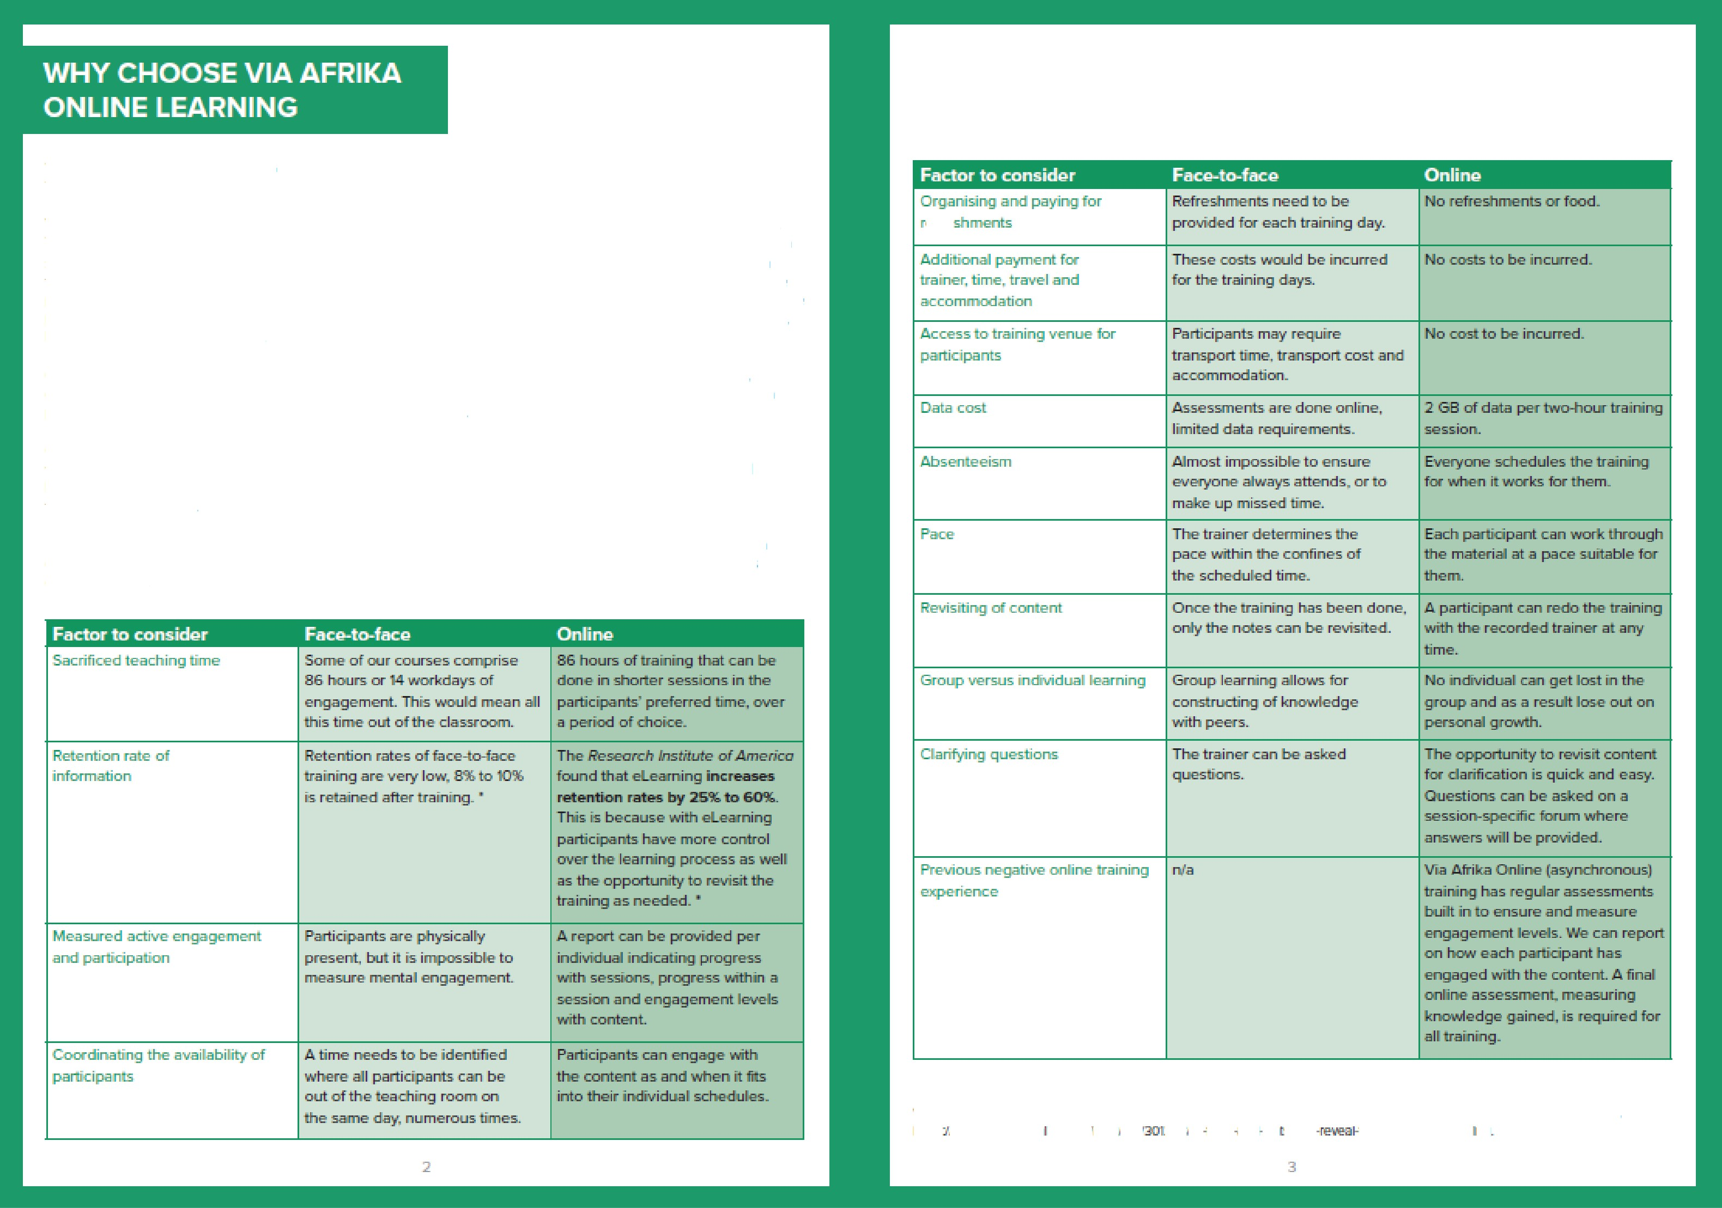
'U¥A AfiB0¢A ONLB'šG LZABNI¥0G
Tlzere are y forms of onBrse lewzfing, and it isčrq>uetzuTt to cazdersbsrsd uzlsat w do at Vsa Afrika.
To vrt
paati
sašso aae purt ad e
vae hold a
o+dč+e or zcuedirrg and
tiorl
ses@on cxi Miurascdt Tearro b•efore'everycx+egets szwted. Dtaš+g tfds ses@orz, a fauz eugages wflh
the cpor$s to e+zstae e eryc e is p+a cžpaarls tfxcxxgh th'e bzšršrug
wilh the registzabo+i $xou Ažtfds o+d +e everrL v = talk tf+e
s. tf+e' dedgn oftfte' sessšr ts wxž wtsat to expe<k ALI quesdcxzs ¢xi the prc<ess az+d ssrucbae ae ans¥uered. Paztžc§aards are ttien on their awn toda the bairšng in thi° o+m tirue.
Dn tf›o sot corzga •bon dzde'. we have a faszd Info onBrse
wdt:Is zdl paaficgzords wd+ere wae doLxñof.
discuss poterrbal cgJasfiorzs. w+d wrap zqs II+e trz rip This ermaos that tho trz ring cms bo ¢hx+e a
Ow trairdzzg mo‹bdes we designed so thzd there e regzdar požr¥s of erlga
fxGt into the trairfirug.
vahere tlze pwticipant ds to engage č1 w ordir+e acžrrdy o+ assesmerK to ertszae that tf+e reqršred kzx+vdedge o+ skdl has been auqcired. A patiui carx+ot Iy ban ou th'e trzšning. walk away zid claim
Pfiaase see' the table hotcnv for a compaatscm
onBrua k•arrñng azxi fzu-n-tn-lace fearr +g to get a
ccurg:flete perspechu'o on tlze bet+uaon face-4o-face syr+cfuonous trairñng aruJ asyrx:manors

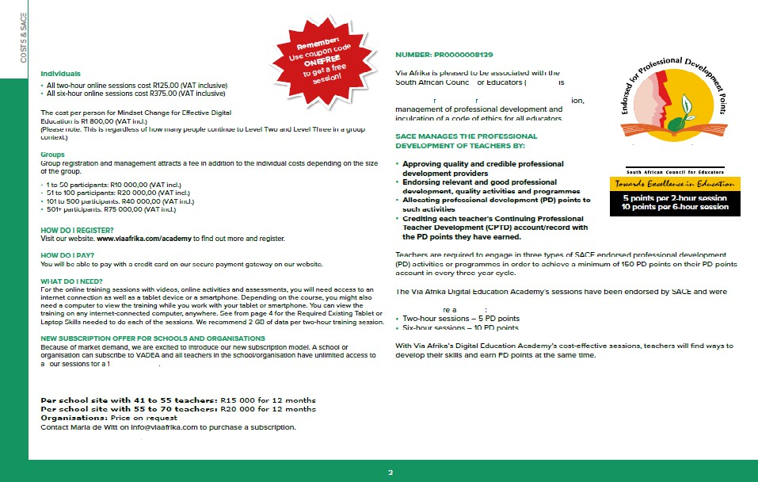
WHAT DOES IT
SACE ENDORSEMENT
SACE”s reap-c nsibi Iiy to end ance the**tatu**of the ie achfng E of a*I: n tr ou th appr:pria-e regis-rat
S A C E
a hoczted PD pcfir t s on *ucce s*ful corr pie tion of the session ar ñ it. arses* men-. The fol Irvfng PD points we II:-rated
Pe r scho oT site with u p to TO tea ch ers: RR 000 for 12 m on ths Pe r scho oT site with y y to 24 tea ch ers: R IO 00 0 tar t2 months Pe r scho of site with z5 to 4o tea chcms : R £ 3 S0 0 for £ 2 months

HOW DO I REGISTER?
Visit our website, www.viaafrika.com/academy to find out more and to register.
HOW DO I PAY?
You will be able to pay with a credit card on our secure payment gateway on our website.
WHAT DO I NEED?
For the online training sessions with videos, online activities and assessments, you will need access to an internet connection as well as a tablet device. You will also need a computer to view the training on while you work with your tablet. You can view the training on any internet-connected computer, anywhere.
WHAT CERTIFICATION WILL I GET?
All training sessions are endorsed by the South African Council for Educators (SACE), with five Professional Development (PD) points per two-hour session and ten Professional Development (PD) points per 6 hour session. You will receive a certificate issued by Via Afrika, as well as a digital badge for inclusion in your online profiles to show others just how you are developing your digital knowledge and skills.
I HAVE MORE QUESTIONS, AND WOULD LIKE TO RECEIVE A FULL BROCHURE, WHO CAN I ASK?
Please email us on VATraining@viaafrika.com or phone Maria at 082 339 2687. www.viaafrika.com


p4=irticipern1s umdersten<1 their emotions to n•rfimrnae their em<>tiens fuII^,c end 1x> del-rienstra1xa erripe for others. The eim is top d elop decisions uu'hiIe thery' set en<1 ech i4= •e• goels i n p•z•sitkxe calls boratiom wcith has.
1. Self-owvewne£as c<zropesees the skills to r+ cegnise ^, our cr¥+'n emotiems end te see hcrav wriotions her en imgxact on your rriinclsM en<1 L>eheviours. This is +z<tende<1 to the ebiiI te eckmouvle<Jge persons I strenjgths encJ ovesa kne£ases to cJ top self-con ficJence. Self-rrie negement encorrip4=ss¥ss the skills to teke control encl era+'nershi p of ye€ r rriinc1s4zt_ thought encJ emo tions in elf situations to enfnence goel echii rrierTt. 3. florist er«vereness is If-ie eb•iIity' to em pathise w«ith others fr<x-«Ifflferx=nt culture L so mist. •economic encl crtier Iz•eck grounds topLJr au'¥'ri. Reletienship ski Its en the skil Is newJed te ml-eete e nd i-rie inta in positiv e end free ltLn, s. Owcision-meking E c ills e r4= the ski 11s m edecJ to gLJicJe he we you chic>ose to respencJ to etuetions. chelleng¥ss encl people in e }zosit?u'e weeIp thEat Iee<1s to your pereonel excess

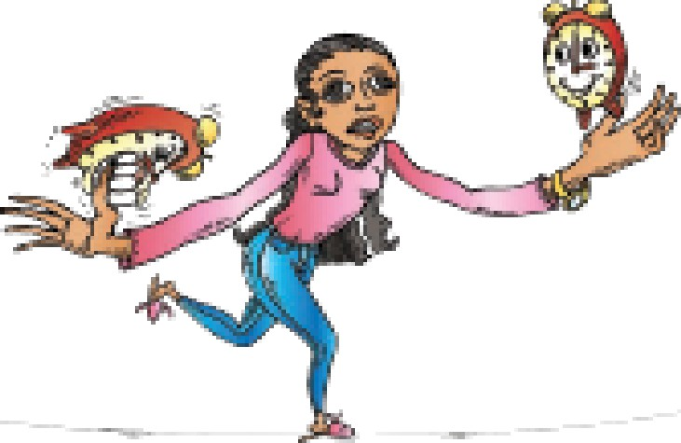

This course eims to develop self-awa renes6. self-mer gement end decieon-meking skills
'L understand hcnv ne think end nhy we set es ne do A h•e eble to say vd t e success mirxJset â 3. understand how val up beliefé eral attitudes play e role in our identity end our mxicezs 4. kricrm hcrm to regulate ctur physioIogiczaI end emoticxnel state 6. h•e eble to create e qcs I on solid foundaticrs.
M Cozxso 2: Sazass sued zzze This course eims to develop self-awa renes6. self-rnenegemwtt. sociel ewa Inness end decsion-me king skills
'L understand how end why ne reEpcrid to events in our lives A h•e eble to defirx• negative eñzees
4. understand there is en optimal nay' to resp<xnd to evwrls tlnet cctJld h•e peroeived es negative stressors 6. h•e eble to use activities in deily lifé to menege stress efFective§c
m Cozxso Zz Stzesa. me zuzd a@sers This course eims to develop self-awa renes6. self-rnerzagemerrL sociel awareness. reletiondnip skills end decision-meking skills

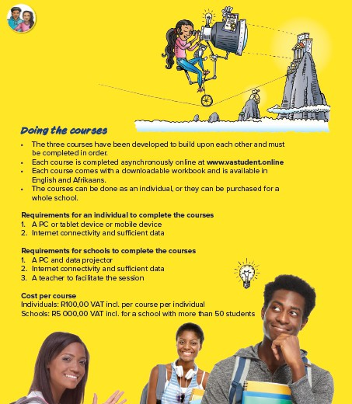
Directors: O. Lalbahadur, L. Goliath, C. Watson, L. Franke, L.J. Jacquet (Secretary) Reg. No. 1996/012379/07

