Table 2
School/Bookshop/Private: | Completed by:
Physical address: | Capacity:

 | Signature:

 | Date:
Tel: | Fax:
Cell: | E-mail:
Official school stamp: | Order number:
(if applicable)

 | HSE BANK DETAILS
 | Name: | HSE
 | Bank: | STANDARD BANK
 | Branch: | Menlyn
 | Branch code: | 012345
 | Account number: | 012673870

PLEASE NOTE
*Incorrect orders or damaged books must be reported within 3 working days of acceptance of the order.
*No book returns will be accepted after 28 February 2026.
*Delivery will be free of charge for orders of more than 30 books.
*If your order is less than 30 books a quotation for delivery will be provided.
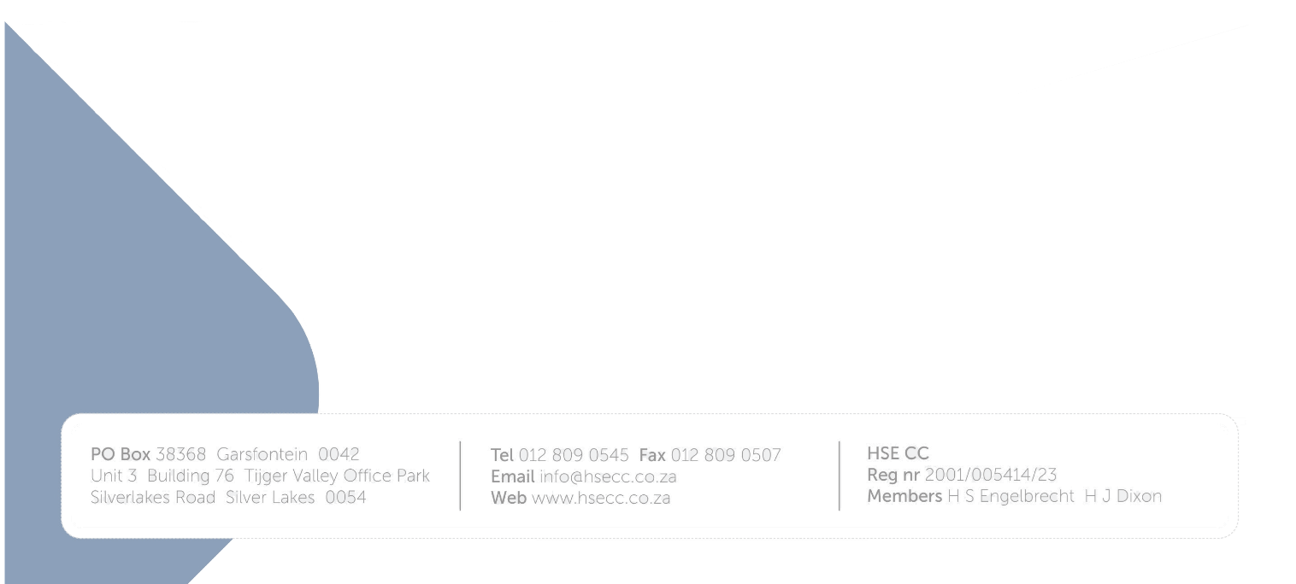
*Prices are subject to change without prior notice.

