Alpha1_2_PowerSupervisor
How to use OVLO/UVLO calculation:
1. enter your desired stop voltage
2. find the R value for this voltage on the right
3. Find the closest existing value, e.g. 35k -> E6's 33k
4. Enter it in the next line's green field
5. find the actual stop voltage for this value on the left
MAX1756x | Application calculator |  | for AnywhereAmps Alpha 1.2
Legend: | Calculated output | Enter value | Output below Target

Overcurrent protection
SETI | Setting [A] | Result [kOhm]
Rseti [kOhm] | 4.20 | 2.74
Chosen | 3.5 | 3.3

VCC
R1
R3
To Supervisor
R2
R4
GND
Overvoltage protection
OVLO | Stop voltage/cell | Stop Volt [V] | R4 [kOhm]
Target | 4.2 | 21.0 | 33.9
Chosen | 4.3 | 21.6 | 33.0

Unvervoltage protection
UVLO | Stop voltage/cell | Stop Volt [V] | R2 [kOhm]
Target | 3.0 | 15.0 | 48.7
Chosen | 3.0 | 15.2 | 48.0

 | R1, R3 [kOhm]
Recommended | 2200
Chosen | 560

Cin chosen [uF] | 20
Attention! With high output capacitance connected, it's likely to overload the power supply. Input Voltage might drop below UVLO causing running resets!
More details: https://schallbert.github.io/these-damn-capacitors/
Cout (max) [uF] | 3019
Cout chosen [uF] | 1210

Pmax [W] | 2.3

Helpers
Ubg (internal reference) [V] | 1.2
Useti reference [V] | 11.5
tBlank (min) [ms] | 18.6
tRetry [ms] | 600

Alpha1_1_9Vreg
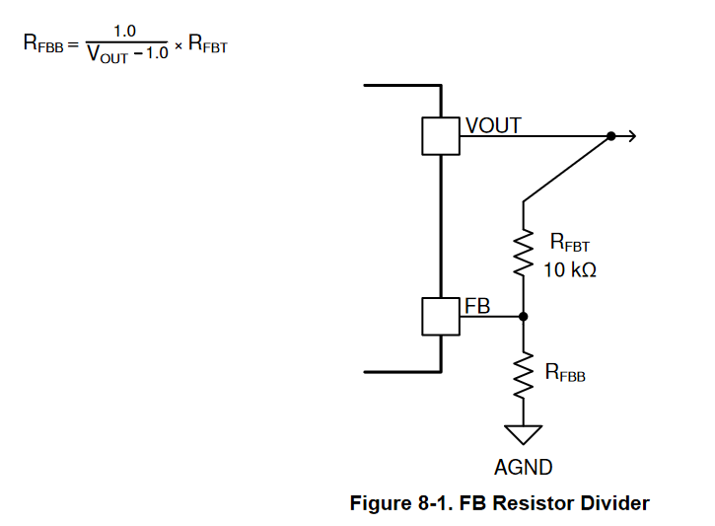
PTPSM5601R5H
 | [kOhm]
Rfbt | 10
Rfbb | 1.2004801921

Vout | 9.33

Cin | 2*4,7u | 35v
Cout | 2* 47u | 16v

Alpha1_2_9Vreg
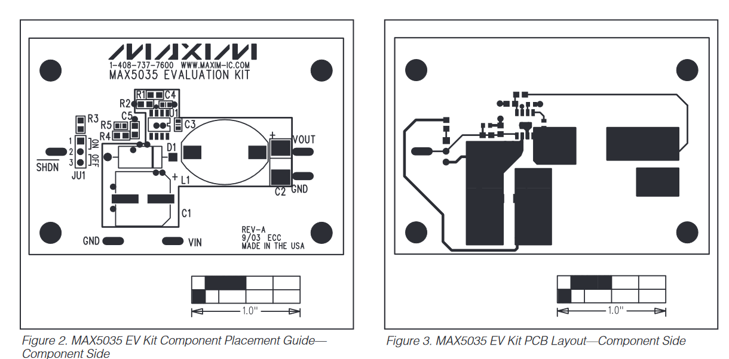
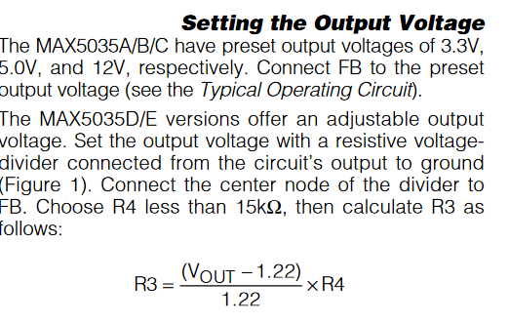
MAX5053D

 | Setting [V] | Result R3 [kOhm]
Target | 9 | 21.0
Chosen | 9.3533333333 | 22

R4 [kOhm] | 3.3

Vref | 1.22

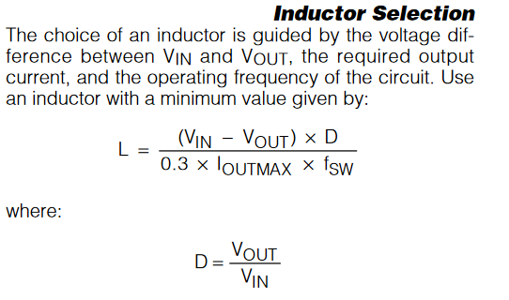

Lmin[uH] | 120
Lchosen | 220
Vin [V] | 18
fSW [Hz] | 125000
Ioutmax [A] | 1
D | 0.51962962963

CinMin [uF] | 200
CinChosen | 220
dVinRipple [V] | 0.01

Cout [uF] | <=68 | 100m-250mOhm ESR

