9V
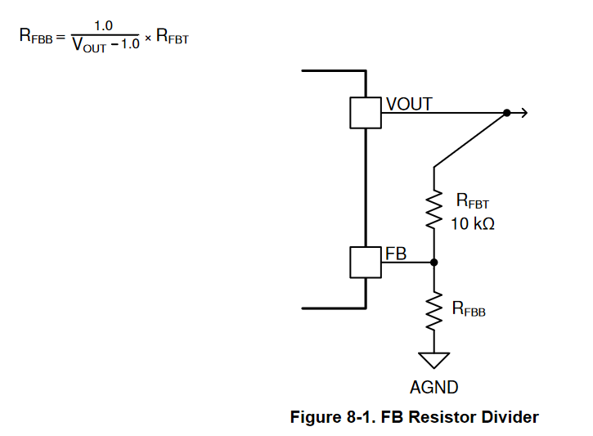
TPSM5601R5H
 | [kOhm]
Rfbt | 10
Rfbb | 1.2004801921

Vout | 9.33

Cin | 2*4,7u | 35v
Cout | 2* 47u | 16v

