9V
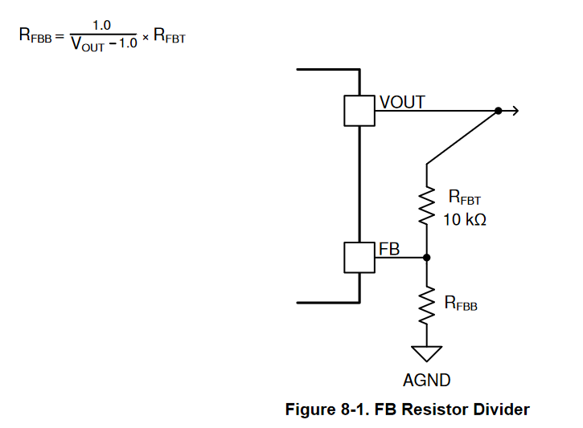
TPSM5601R5H
 | [kOhm]
Rfbt | 10
Rfbb | 1.25

Vout | 9

Cin | 2*4,7u | 35v
Cout | 2* 22u | 16v

