Better Rune Order (T13 Late Gam
ORDER | (1/7.5B) Bloom > | (1/15B) Aether > | (1/25B) Superstar > | (1/50B) Vexed > | (1/100B) Blizzard > | (1/250B) Kingslayer > | (1/1T) Mystery > | (1/10T) Thorn > | (1/75Qd) Divinity > | (1/75Qd) Abyssium > | (1/25Sx) Prosperity > | (1/3.33Oc) Oscillon > | (1/750No) Hyper Finality > | (1/1TDe) Garmin > | (1/100QdDe) Gleam > | (1/125SpDe) Shyft > | (1/50OcDe) Overlord > | (1/7.5NoDe) Mirror > | (1/50TVt) Oblivion >
(Rarity) | (1/20SxVt) Immortality > | (1/700Tg) Vanta > | (1/30TTg) Frostbite > | (1/15QnTg) Odyssey > | (1/50NoTg) Destiny > | (1/15Dqg) Squid > | (1/10Qdqg) Array > | (1/250Qnqg) Cyclone > | (1/10DQg) Stray > | (1.5QdQg) Triarch > | (1/7.5SpQg) Disarray > | (1/175NoQg) Bolt > | (1/500Dsg) Zephyr > | (1/1Spsg) Whirl > | (1/15Spsg) Riptide > | (1/1Ocsg) Cosmic Dust > | (1/25Ocsg) Star > | (1/250Nosg) Apex > | (1/2TSg) Buff >
 | (1/25TSg) Constellation> | (1/2.5QnSg) Torrent > | (1/1SpSg) Sorcerer > | (1/33OcSg) Planet > | (1/125UOg) Onyx | (1/25QdOg) Strix > | (1/35QdOg) Liberty > | (1/150QnOg) Rocket > | (1/6.66OcOg) [EXP] Vanguard > | (1/75QdNg) Raze > | (1/10SpNg) Bozo > | (1/333SpNg) Glint > | (1/1Ce) Nexus >

ORDER | (1/7.5B) Bloom > | (1/50B) Vexed > | (1/100B) Blizzard > | (1/15B) Aether > | (1/250B) Kingslayer > | (1/1T) Mystery > | (1/10T) Thorn > | (1/75Qd) Divinity > | (1/125Qn) Abyssium > | (1/25Sx) Prosperity > | (1/3.33Oc) Oscillon > | (1/750No) Hyper Finality > | (1/1TDe) Garmin > | (1/100QdDe) Gleam > | (1/125SpDe) Shyft > | (1/7.5NoDe) Mirror > | (1/50OcDe) Overlord > | (1/50TVt) Oblivion > | (1/20SxVt) Immortality >
(Recommended) | (1/700Tg) Vanta > | (1/30TTg) Frostbite > | (1/15QnTg) Odyssey > | (1/50NoTg) Destiny > | (1/15Dqg) Squid > | (1/1Qdqg) Array > | (1/250Qnqg) Cyclone > | (1/10DQg) Stray > | (1.5QdQg) Triarch > | (1/7.5SpQg) Disarray > | (1/175NoQg) Bolt > | (1/500Dsg) Zephyr > | (1/1Spsg) Whirl > | (1/15Spsg) Riptide > | (1/1Ocsg) Cosmic Dust > | (1/25Ocsg) Star > | (1/250Nosg) Apex > | (1/2TSg) Buff > | (1/25TSg) Constellation >
 | (1/2.5QnSg) Torrent > | (1/1SpSg) Sorcerer > | (1/33OcSg) Planet > | (1/125UOg) Onyx | (1/25QdOg) Strix > | (1/35QdOg) Liberty > | (1/150QnOg) Rocket > | (1/6.66OcOg) [EXP] Vanguard > | (1/75QdNg) Raze > | (1/10SpNg) Bozo > | (1/333SpNg) Glint > | (1/1Ce) Nexus >
[Official] Ascender Incremental Trello
Rune calculator Click here

5M Beginner [LIMITED]: |  |  |  |  |  |  |  |  | Step 1: The Beginning
- Superstar 1/25B (MAX 50) |  |  |  |  |  |  |  |  | First: You must hit Tier 13, Chromatize 10, and Freeze 9 you can unlock “Rune starring” in the 2nd talent tree.
Stats: x1M Energy [EXPONENTIAL] (MAX x1NoNg) + Talent Upgrade (Hall of Fame,between both Runes, Rune Clone) |  |  |  |  |  |  |  |  | The location to rune star is in Realm 2 across from the Realm teleport. This is REQUIRED to start your Hidden runes Journey.
- Overlord 1/50OcDe (MAX 4.17M) |  |  |  |  |  |  |  |  | Make sure you are grabbing the secret stats every time you can. Hail is the most worthwhile but get both incase haze gets buffed.
Stats: x1.01 Energy [EXPONENTIAL] (MAX 1NoNg) +24 Rune Bulk (MAX +100M) |  |  |  |  |  |  |  |  | (For each new talent look at the “Hidden talent” page of this doc)
- Sorcerer 1/1SpSg |  |  |  |  |  |  |  |  | Second: Max star Color, Polychrome, and Arctic, these will unlock the hidden runes Bloom (inf), Aether(9k Max), Vexed(40 Max), and Blizzard (6 Max).
Stats: x1 Rune Speed (MAXx100) + x1 Rune Speed (MAX x1K)+ x1 Tickets (MAX x50B)
- Vanguard 1/6.66OcOg [H][EXP] (MAX 2.8K,66.6B for Rune Speed 370K,100T for Rune Bulk) |  |  |  |  |  |  |  |  | Recommended to max Blizzard, and Vexed, then as you're working on Aether touch 5M Royal every 10M tickets to try and get enough Imperial to AFK the rune
Stats: x1 Rune Speed (MAX x15) + x1 Rune Speed (MAX x750)+ x1 Rune Bulk (MAX x4K) + x1 Rune Bulk (MAX x15K) |  |  |  |  |  |  |  |  | Third: Once you're able to AFK 5M Royal Sit on it until you get Kingslayer (400 Max) Afk strat: max out Kingslayer.
 |  |  |  |  |  |  |  |  | Active strat: bounce between 5M Royal, Basic, and Nature for Kingslayer, Mystery (Max 4k), and Thorn (Max 500k)
 |  |  |  |  |  |  |  |  | Final: Go back to 5M Royal for Divinity (Max 50K) and Polychrome for Abyssium (Max 10K) you can bounce between these 2 until they're maxed,

5M Royal [LIMITED]: |  |  |  |  |  |  |  |  | next its a grind on 5M Royal for Prosperity (Max 10M) until you have >1Sp RPS, go back to Polychrome for Oscillion until you get 60, Finish Prosperity.
- Kingslayer 1/250B (MAX 400) +0.25x rune luck/speed per rune |  |  |  |  |  |  |  |  | Step 2: The Grind Starts
Stats: x25K Orbs [EXPONENTIAL] | (MAX x1NoNg) + x1.25 Rune Luck (MAX x100) + x1.25 Rune Speed (MAX x100) |  |  |  |  |  |  |  |  | First: This is the start of the first Exponential rune. From this point forward TURN OFF RUNE LUCK. Goto Basic and grind Hyper Finality (Max 111k)
- Divinity 1/75Qd (MAX 50k) |  |  |  |  |  |  |  |  | this will unlock a new ticket perk in R2, but you won't be able to max it until the next rune Garmin (Max 1.3M) in Cryo after go over to Color for Gleam
Stats: +2 Rune Bulk (MAX +100k) + x1 Rune Luck (MAX x10) |  |  |  |  |  |  |  |  | Second: Go back to Basic for Shyft (Max 50K) after that grind is over you should have enough to stand on Chromatizer until 150 or more to get the next
- Prosperity 1/25Sx (MAX 10M) |  |  |  |  |  |  |  |  | perk from it (maxes out at 350), once you've done that grind Arctic for Mirror (Max 1B) until >200OcDe RPS This should be enough to quickly get Overlord (Max 4.17M)
Stats: -1 Chest Chance (MAX -1/6k) + x1.01 Rune Speed (MAX x100K) |  |  |  |  |  |  |  |  | Third: Starting here you'll start to get slowed down by Rtokens. Max both Oblivion in Polychrome then Immortality in 5M Royal, back to Color for Vanta (Max 994K)
- Immortality 1/20SxVt (MAX 41.5K) (Formula: 1.0005^(number of Immortality)) |  |  |  |  |  |  |  |  | Final: Teleport to R2 for Arctic grinding to get Frostbite (Max 10M) hop back on Color for more Vanta (Max 12.67Qd) for ticket mult so you can grind
Stats: x2 Rune Bulk [EXPONENTIAL] (MAX x1B) |  |  |  |  |  |  |  |  | 5M Royal for Odyssey. Starring up at 250, 2500, 500k, and 1T
- Odyssey 1/15QnTg (MAX 9.5M) (Formula: 1.000001^(number of Odyssey)) |  |  |  |  |  |  |  |  | Step 3: Don't Stop Grinding
Stats: x1 Rune Bulk [EXPONENTIAL] (MAX x10K)+ x1 Rune Bulk (MAX x50) + x1 Rune Speed (MAX x50) |  |  |  |  |  |  |  |  | First: Once you finish Odyssey starring stay on 5M Royal for Destiny until maxed. After that head over to Nature to get Squid, this will unlock a new ticket perk
- Destiny 1/50NoTg (MAX 200M) |  |  |  |  |  |  |  |  | during the Squid grind you can also run over to Basic for Array, griding them together. Eventually youll get Cyclone while youre finishing Squid tickets
Stats: x1 Rune Bullk (MAX x10K) + x1 Rune Speed (MAX x250) |  |  |  |  |  |  |  |  | Second: once you finish Cyclone and max ticket upgrade go to realm 2 for Cryo grinding Stray. when that is maxed its back to 5M Royal to get Triarch. Finish that
- Triarch 1/1.5QdQg (MAX 67B) |  |  |  |  |  |  |  |  | then head back to Basic to get Disarray. Now head over to Nature for Bolt where you will unlock a new talent that increases rune speed. Try to max that.
Stats: x1 Rune Speed (MAX x75)+ x1 Rune Speed (MAX x500) + x1 Rune Speed (MAX x50K) |  |  |  |  |  |  |  |  | Third: Go to Polychrome for Zephyr you will see almost no progress until 400 then youll be done at 418, From here got to Color for Whirl (speed Max 5k)
- Liberty 1/35QdOg [H] (MAX 40K) |  |  |  |  |  |  |  |  | once you finish getting speed start grinding Nature for Riptide until speed stops, finish Whirl then come back to get enough Riptide to start opening Galactic
Stats: x1 Rune Bulk (MAX x100) + x1 Rune Speed (MAX x10) + x1 Hail (MAX x1.25) |  |  |  |  |  |  |  |  | Once you get to Sorcerer you will need to finish the ticket upgrades from Torrent otherwise you will end up ticket-gated.

 |  |  |  |  |  |  |  |  | Step 4: Does it ever end?

Galactic Rune: *although this is not a hidden rune, Rune Luck doesn't affect it! |  |  |  |  |  |  |  |  | No
- Cosmic Dust 1/1Ocsg (Max 1M)
Stats: + x1 Tickets (MAX x25) + x1 Rune Speed (MAX x15)
- Star 1/25Ocsg (Max 140K) |  |  |  |  |  |  |  |  |  |  |  | How Hyper Finality works til 20k
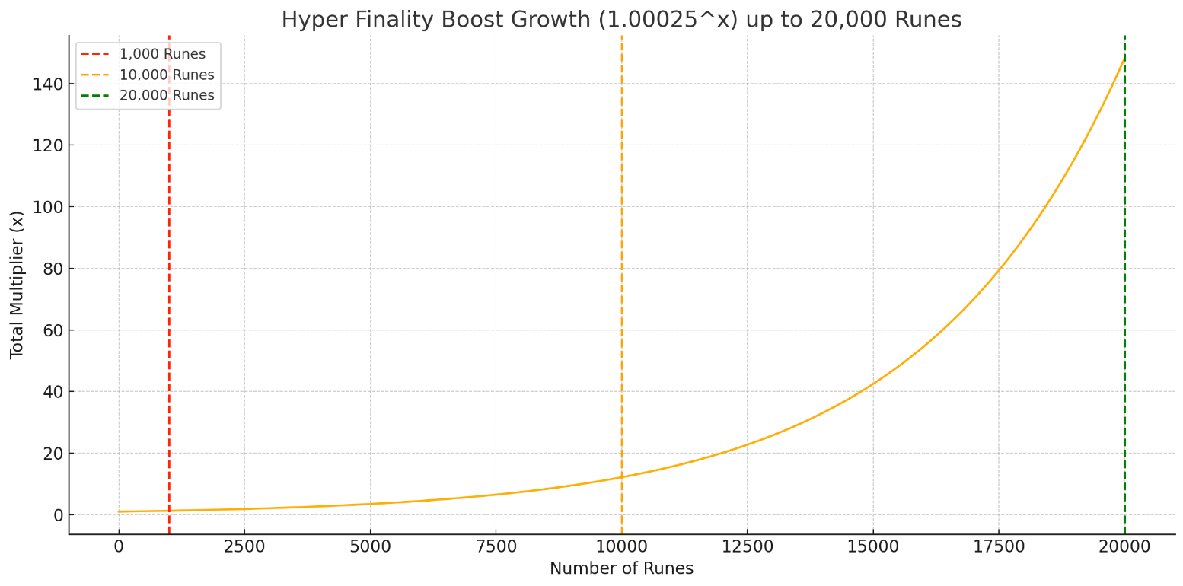
Stats: + x1 Tickets (MAX x1M) + x1 Rune Speed (MAX x1.5K) [BOTH EXPONENTIAL]
- Constellation 1/25TSg (Max 100K)
Stats: x1 Rune Bulk (MAX x25) + x1 Rune Bulk (MAX x25) + New Talent
- Planet 1/33OcSg (Max 18K for ^Rune Bulk 340M for +Rune Bulk)
Stats: +75K Bulk (MAX 25T) + ^1 Bulk [EXPONENTIAL] (MAX 1^035)
- Rocket 1/150QnOg (MAX 5.8M for Rune Speed 2Sx for Tickets)
Stats: New Talent + x1.5 Tickets (MAX x1Sx) + x1 Rune Speed [EXPONENTIAL] (MAX x100K)

Basic Rune:
- Mystery 1/1T (Max 4k)
Stats: x1 Rune Bulk (MAX x5) + -0.1s RToken Cooldown (MAX -60s)
- Hyper Finality 1/750No (MAX 110.54k) (1.01 @ 26, 1.02 @ 60) (Formula: 1.00025^(number of HF))
Stats: x1 Rune Speed [EXPONENTIAL] (MAX x1T)+ Ticket Perks Upgrade
- Shyft 1/75SpDe (MAX 50k)
Stats: +1 Walkspeed (MAX 30) +7 Rune Bulk (MAX +500k) + New Talent (Behind the Basic Rune on island)
- Array 1/1Qdqg (MAX 7.15M) |  |  |  |  |  |  |  |  |  |  |  | Immortality Rune Exponential
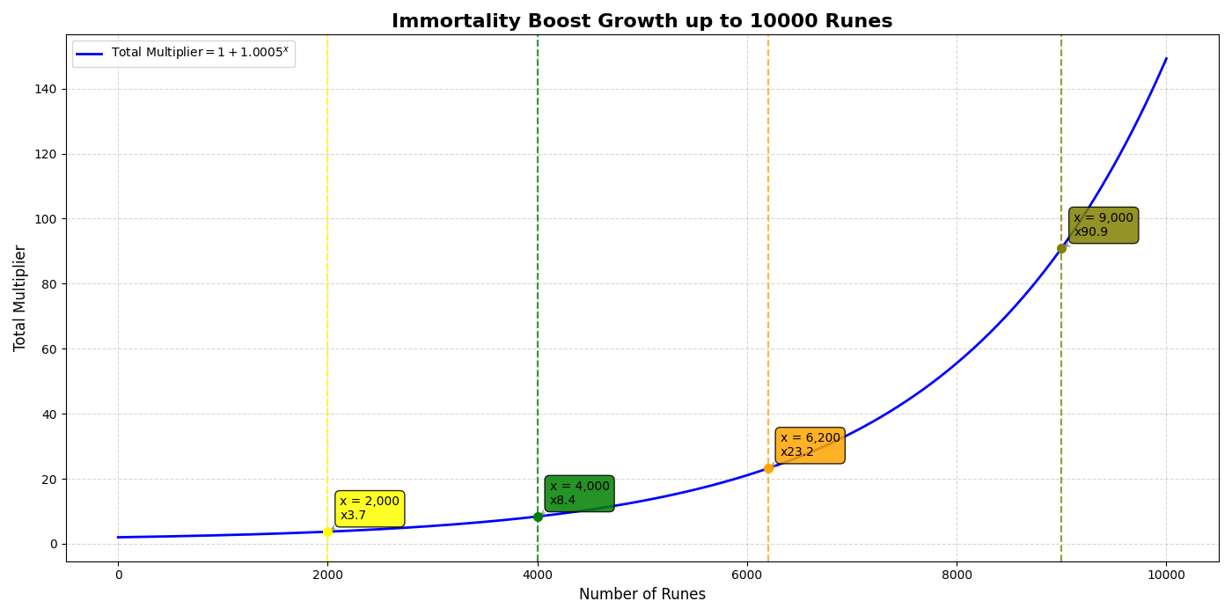
Stats: +3.5k Rune Bulk (MAX + 25B) + x1 Rune Bulk (MAX x25) + x1 Tickets (MAX x7.5)
- Disarray 1/7.5SpQg (MAX 3.7M)
Stats: +1 Rune Bulk [EXPONENTIAL] (MAX +1T) + x1 Rune Bulk (MAX x250)
- Apex 1/250Nosg (MAX Speed 14K MAX bulk 31M)
Stats: x1 Rune Bulk [EXPONENTIAL] (MAX x25K) + x1 Rune speed [EXPONENTIAL] (MAX x1K)
- Strix 1/25 QdOg (MAX 200)
Stats: x1.01 Rune Speed (MAX x3) + 1 new talent
- Nexus 1/1 Ce (MAX 100UCe)
Stats: x1NoNg Chrome + x2.49UCe tickets + Ticket Upgrade Unlock

Color Rune:
- Bloom 1/7.5B
Stats: 1k Boost Spheres [No Limit] + Talent Upgrade (Prisms Talent Tree)
- Gleam 1/100QdDe (MAX 1M)
Stats: x1.01 Rune Speed (MAX x1K) + x1 Rune Bulk (MAX x10K)
- Vanta 1/700Tg (Max 995K for Rune 13Qd for Tickets) (Fornula: 1.000015^(number of vanta))
Stats: x2 Rune Speed [EXPONENTIAL] (MAX 3M) + x1 Rune Bulk (MAX x3) + x2 Tickets (MAX 1DDe)
- Whirl 1/1Spsg (MAX 5K for Rune Speed 1M for Tickets) |  |  |  |  |  |  |  |  |  |  |  | Vanta Rune Exponential by Crab
Stats: x1 Rune Speed (MAX x25)+ x1 Tickets (MAX x1K)
- Onyx 1/125UOg (MAX 37K for Rune Speed 1 8M for Rune Speed 2)
Stats: x1 Rune Speed (MAX x75)+ x1 Rune Speed (EXPONENTIAL) (MAX x100K)

Nature Rune:
- Thorn 1/10T (Max 500k for Rune Speed 7.5B for Tickets)
Stats: Ticket Perks Upgrade (Rune Bulk) + x1.05 Rune Speed (MAX x25k) + x2.5 Tickets (MAX x10B)
- Squid 1/15Dqg (Max 3.6k for Rune Bulk 135T for Tickets)
Stats: Ticket Perk (Rune Bulk) + x2 Rune Bulk (MAX x200) +x1.01 Tickets (MAX x1T)
- Cyclone 1/250Qnqg (Max 1M)
Stats: +^1.2 Rune Bulk + x1K Rune Speed + Talent Upgrade (T1 area on a hill)
- Bolt 1/175NoQg (Max 500M)
Stats: x1 Rune Bulk (MAX x100) + x1 Rune Bulk (MAX x250) + New Talent
- Riptide 1/15Spsg ( Max 800K)
Stats: x2 Rune Speed + x1 Rune Speed (MAX x500) + x1 Tickets [EXPONENTIAL] (MAX x10De)
- Torrent 1/2.5QnSg (MAX 2M)
Stats: x1 Rune Speed (MAX x10k ) + 2 Ticket perks

Polychrome Rune:
- Aether 1/15B (MAX 9K)
Stats: Rune Luck (MAX x10) + Talent Upgrade (Prisms Talent Tree, Hidden from a big rock on right side) |  |  |  |  |  |  |  |  |  |  |  | Stray Rune Exponential by Crab
- Vexed 1/50B (MAX 40)
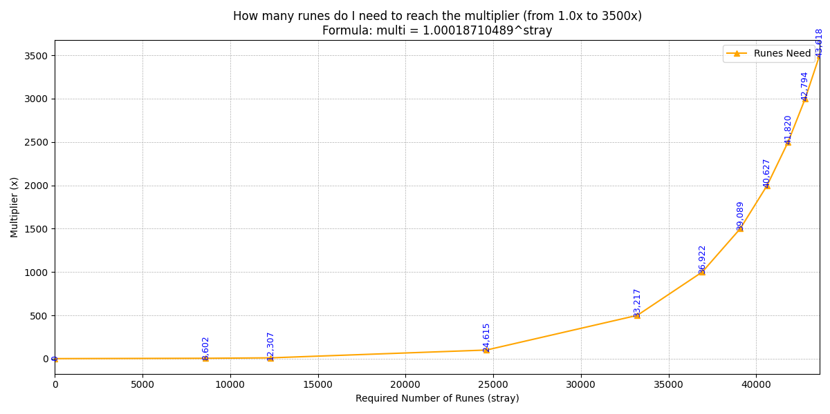
Stats: x1.05 Tickets (MAX x3) + Talent Upgrade (Realm 2, Hidden close of Cyro Rune on Right side from a floating island)
- Abyssium 1/125Qn (MAX 10K)
Stats: x2.1 Tickets (MAX x10K) + x1.01 Rune Bulk (MAX x100)
- Oscillon 1/3.33Oc (MAX 50M)
Stats: x1.02 Rune Luck (MAX x1M) + ^1 Rune Bulk (MAX ^1.3)
- Oblivion 1/50TVt (MAX 2M)
Stats: x1.02 Rune Bulk (MAX x50k) + New Talent
- Zephyr 1/500Dsg (MAX 418)
Stats: x1 Rune Bulk [DUAL EXPONENTIAL] (MAX x1M)+ x1.01 Rune Speed (MAX x3)
- Raze 1/75 QdNg (MAX RS@14k/RB@20m/chrome@400m)
Stats: x500 Rune Bulk + x15 Rune Speed + x1K Chrome

Cryo Rune:
- Okay Garmin Save Video 1/1TDe (MAX 1.2M)
Stats: x1 Tickets (MAX x1SxDe)
- Stray 1/10DQg (MAX 60K for Rune Speed 4M for Tickets)
Stats: x1 Rune Speed (MAX x75K)+ x1 Tickets (MAX 100No) [BOTH EXPONENTIAL]
- Buff 1/God Knows How Much or 1/2TSg (MAX 35K)
Stats: x1 Tickets (MAX x50K) + x1 Tickets (MAX x1M) [BOTH EXPONENTIAL]
- Bozo 1/10K Ancient Runes (MAX RS@40/Base Chrome@500)
Stats: +50 Base Chrome + x3 Rune Speed

Arctic Rune:
- Blizzard 1/100B (MAX 6)
Stats: x1.05 Rune Bulk (MAX x1.3) + Ticket Perk (Rune Luck)
- Mirror 1/7.5NoDe (MAX 200M)
Stats: x1.01 Rune Speed (MAX 50K) + x1 Rune Speed (MAX 500K)
- Frostbite 1/30TTg (MAX 10M)
Stats: x1.01 Rune Speed (MAX x100K) + New Talent
- Glint 1/333 SpNg (MAX Chrome@2k/RS@6.3m/chrome@1b)
Stats: x500 RS [EXP] + x100 Chrome + x1K Chrome

