Características_Modelos
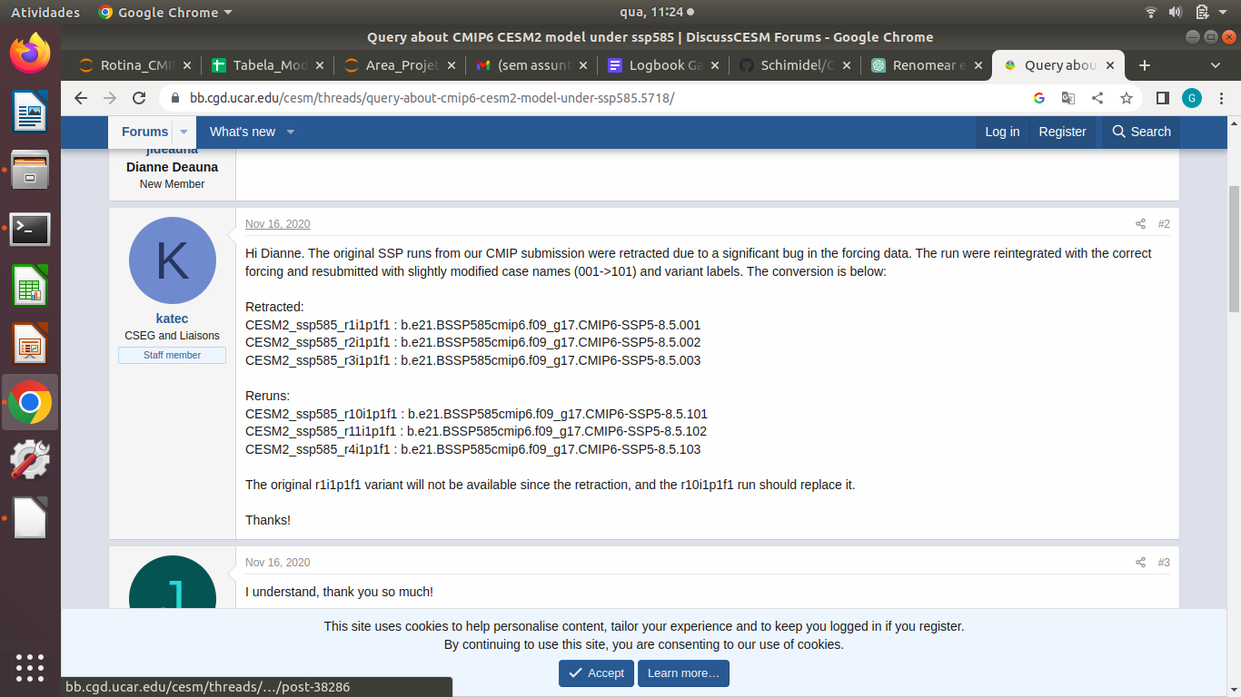
 | CMIP6 Model | Ensemble member | Componente Oceânica | Resolução Nominal (lat x lon) | Coordernada Vertical do Oceano e Níveis | Centro de Modelagem | Nome Area | Unidade Profundidade | Nome axis lev_bnds | Ensembele ssp 370 | Ensemble ssp585
1 | CESM2 | r1i1p1f1 | POP2 | 1.0 x 1.0 | z(45) | NCAR | Areacello | cm | d2 | r10i1p1f1', 'r11i1p1f1', 'r4i1p1f1' | r11i1p1f1', 'r4i1p1f1', 'r10i1p1f1
2 | CESM2-WACCM | r1i1p1f1 | POP2 | 1.0 x 1.0 | z(60) | NCAR
3 | HadGEM3-GC31-LL | r1i1p1f3 | NEMO-HadGEM3-GO6.0 | 1.0 x 1.0 | z*(75) | MOHC |  |  |  | 0 | r1i1p1f3', 'r2i1p1f3', 'r3i1p1f3', 'r4i1p1f3
4 | IPSL-CM6A-LR | r1i1p1f1 | NEMO3.6 | 1.0 x 1.0 | z*(75) | IPSL | Areacello | m | axis_nbounds: 2 | r3i1p1f1', 'r1i1p1f1', 'r2i1p1f1', 'r10i1p1f1', 'r8i1p1f1', 'r7i1p1f1', 'r4i1p1f1', 'r6i1p1f1', 'r5i1p1f1', 'r9i1p1f1', 'r14i1p1f1' | r1i1p1f1', 'r2i1p1f1', 'r3i1p1f1', 'r6i1p1f1', 'r14i1p1f1', 'r4i1p1f1'
5 | MIROC6 | r1i1p1f1 | COCO4.9 | 1.0 x 1.0 | Hybrid z-sigma (62) | JAMSTEC | Areacello | m | bnds: 2 | r3i1p1f1', 'r2i1p1f1', 'r1i1p1f1 | r1i1p1f1', 'r3i1p1f1', 'r2i1p1f1', 'r39i1p1f1', 'r45i1p1f1', 'r18i1p1f1', 'r17i1p1f1', 'r46i1p1f1', 'r34i1p1f1', 'r35i1p1f1', 'r19i1p1f1', 'r38i1p1f1', 'r41i1p1f1', 'r40i1p1f1', 'r20i1p1f1', 'r47i1p1f1', 'r48i1p1f1', 'r16i1p1f1', 'r43i1p1f1', 'r42i1p1f1', 'r44i1p1f1', 'r37i1p1f1', 'r36i1p1f1', 'r49i1p1f1', 'r33i1p1f1', 'r24i1p1f1', 'r6i1p1f1', 'r22i1p1f1', 'r5i1p1f1', 'r23i1p1f1', 'r29i1p1f1', 'r27i1p1f1', 'r32i1p1f1', 'r28i1p1f1', 'r31i1p1f1', 'r9i1p1f1', 'r8i1p1f1', 'r26i1p1f1', 'r25i1p1f1', 'r30i1p1f1', 'r50i1p1f1', 'r10i1p1f1', 'r21i1p1f1', 'r4i1p1f1', 'r14i1p1f1', 'r11i1p1f1', 'r12i1p1f1', 'r13i1p1f1', 'r7i1p1f1', 'r15i1p1f1

 | Questão ssp CESM2 | LINK: https://bb.cgd.ucar.edu/cesm/threads/query-about-cmip6-cesm2-model-under-ssp585.5718/

COMPARAÇÕES
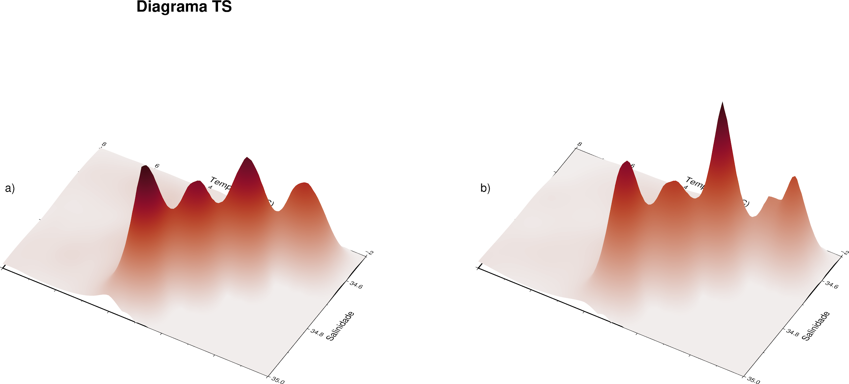
Comparação_IPSL

COMPARAÇÕES_XARRAY
