RTVM
ID | Project X Performance Specification 20NOV2013 | PRF Paragraph-Document | PRF Requirement Type | System Requirement | System Requirement Type | Derived (Y/N) | System Requirement Comments
PWSCORE1 | 1 SCOPE | 1 | Header
PWSCORE3 | 1.1 Identification | 1.1 | Header
PWSCORE10 | 2 APPLICABLE DOCUMENTS | 2 | Header
...
PWSCORE3565 | 3.1.15.1.3 Power supplies | 3.1.15.1.3 | Header
PWSCORE3567 | 3.1.15.2 Materials | 3.1.15.2 | Header
PWSCORE3568 | 3.1.15.2.1 TPE reparability | 3.1.15.2.1 | Header
PWSCORE3570 | 3.1.15.2.2 Flammable materials | 3.1.15.2.2 | Header
PWSCORE3572 | 3.1.15.2.2.1 Fire retardant additives | 3.1.15.2.2.1 | Header
PWSCORE3574 | 3.1.15.2.3 Fungus-inert materials | 3.1.15.2.3 | Header
PWSCORE3577 | 3.1.15.2.4 Hazardous materials | 3.1.15.2.4 | Header
PWSCORE3579 | 3.1.15.2.4.1 Use of hazardous materials | 3.1.15.2.4.1 | Header
PWSCORE3584 | 3.1.15.2.5 Metals | 3.1.15.2.5 | Header
PWSCORE3586 | 3.1.15.2.6 Wood products | 3.1.15.2.6 | Header
PWSCORE3587 | 3.1.15.2.6.1 Preservation | 3.1.15.2.6.1 | Header
PWSCORE3589 | 3.1.15.2.6.2 Fire retardancy | 3.1.15.2.6.2 | Header
PWSCORE3591 | 3.1.15.2.6.3 Termite protection | 3.1.15.2.6.3 | Header
PWSCORE3593 | 3.1.15.2.6.4 Grade | 3.1.15.2.6.4 | Header
PWSCORE3595 | 3.1.15.2.7 Radioactive material | 3.1.15.2.7 | Header
PWSCORE3597 | 3.1.15.3 Manufacturing processes | 3.1.15.3 | Header
PWSCORE3599 | 3.1.15.3.1 Painting, and preparation for painting | 3.1.15.3.1 | Header
PWSCORE3601 | 3.1.15.3.2 Nonskid surfaces | 3.1.15.3.2 | Header
PWSCORE3603 | 3.1.15.3.3 Corrosion prevention | 3.1.15.3.3 | Header
PWSCORE3605 | 3.1.16 Nameplates and product markings | 3.1.16 | Header
PWSCORE3606 | 3.1.16.1 Lettering, permanency, and legibility | 3.1.16.1 | Header
PWSCORE3608 | 3.1.16.2 Trainer nameplate | 3.1.16.2 | Header
PWSCORE4827 | 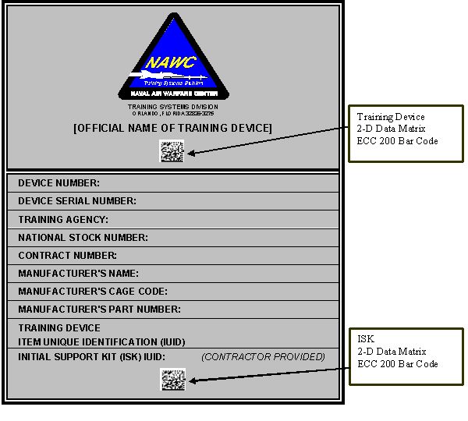 | 3.1.16.2.0-3 | Product Requirement | SYSREQ2744: A sample trainer nameplate with the required information is shown on FIGURE 1 of the Performance Specification. | Product Requirement | N
PWSCORE3613 | 3.1.16.2.1 Data matrix bar codes | 3.1.16.2.1 | Header
PWSCORE3615 | 3.1.16.2.1.1 Trainer bar code | 3.1.16.2.1.1 | Header
PWSCORE3617 | 3.1.16.2.1.2 Initial Support Kit (ISK) bar code | 3.1.16.2.1.2 | Header
PWSCORE3625 | 3.1.16.3 Marking of units, assemblies, subassemblies, and parts | 3.1.16.3 | Header
PWSCORE3626 | 3.1.16.3.1 Units | 3.1.16.3.1 | Header
PWSCORE3629 | 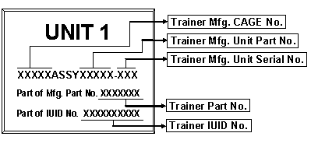 | 3.1.16.3.1.0-3 | Product Requirement | SYSREQ2761: Each unit shall be marked with contractor-supplied identification (ID) plates as shown on FIGURE 2 of the Performance Specification. | Product Requirement | N
PWSCORE3631 | 3.1.16.3.1.1 Location of ID plates | 3.1.16.3.1.1 | Header
PWSCORE3633 | 3.1.16.3.1.2 ID plate information | 3.1.16.3.1.2 | Header
PWSCORE3635 | 3.1.16.3.2 Plug-in assemblies | 3.1.16.3.2 | Header
PWSCORE3637 | 3.1.16.3.2.1 Assembly chart | 3.1.16.3.2.1 | Header
PWSCORE3639 | 3.1.16.3.3 Fuse holders | 3.1.16.3.3 | Header
PWSCORE3640 | 3.1.16.3.3.1 Fuse rating | 3.1.16.3.3.1 | Header
PWSCORE3643 | 3.1.16.3.3.2 Spare fuses | 3.1.16.3.3.2 | Header
PWSCORE3646 | 3.1.16.3.4 Controls and indicating devices | 3.1.16.3.4 | Header
PWSCORE3647 | 3.1.16.3.4.1 Function and operation marking | 3.1.16.3.4.1 | Header
PWSCORE3650 | 3.1.16.3.4.2 Function and operation marking location | 3.1.16.3.4.2 | Header
PWSCORE3653 | 3.1.16.3.5 Sockets | 3.1.16.3.5 | Header
PWSCORE3654 | 3.1.16.3.5.1 Identification and marking of sockets | 3.1.16.3.5.1 | Header
PWSCORE3657 | 3.1.16.3.5.2 Chassis marking of sockets | 3.1.16.3.5.2 | Header
PWSCORE3660 | 3.1.16.3.5.3 Chassis marking of sockets, reverse side | 3.1.16.3.5.3 | Header
PWSCORE3663 | 3.1.16.3.5.4 Location chart for sockets | 3.1.16.3.5.4 | Header
PWSCORE3666 | 3.1.16.3.6 Printed wiring boards | 3.1.16.3.6 | Header
PWSCORE3667 | 3.1.16.3.6.1 Electrical operation interference | 3.1.16.3.6.1 | Header
PWSCORE3670 | 3.1.16.3.6.2 Ink type | 3.1.16.3.6.2 | Header
PWSCORE3673 | 3.1.16.3.6.3 Marking considerations | 3.1.16.3.6.3 | Header
PWSCORE3676 | 3.1.16.3.7 Terminals, terminal blocks, and strips | 3.1.16.3.7 | Header
PWSCORE3677 | 3.1.16.3.7.1 Marking of terminals, terminal blocks, and strips | 3.1.16.3.7.1 | Header
...

