Grading
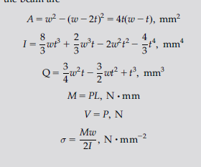
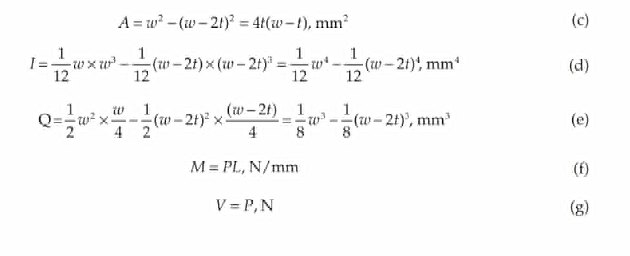
Grading scheme | Point
Optimization equation | 1 | Note: It is equivalent to minimize weight, volume, or cross section area
Shear stress | 1
Beding stress | 1 | Bending = Mc/I for c=w/2, M=PL. Another formula is M/S. Look at table for standard formula of I and S (S=I/c).
Deflection | 1
width/thickness | 1
dimension restriction | 1
Total = 6

Note: There might be multiple equivalent version. They should be seem all correct if it is derived from same formula. It should be all considered correct if they are equivalent. Some formula might have number plugged in or simplified. If plug in correct, full point, incorrect = no point. Note: Sometimes, the results might have different variable. Instead width and thickness, they have inner and outer length, In such case, t=a-b, w=a. Just plug that to default equation

