Grading
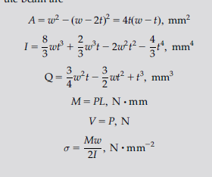
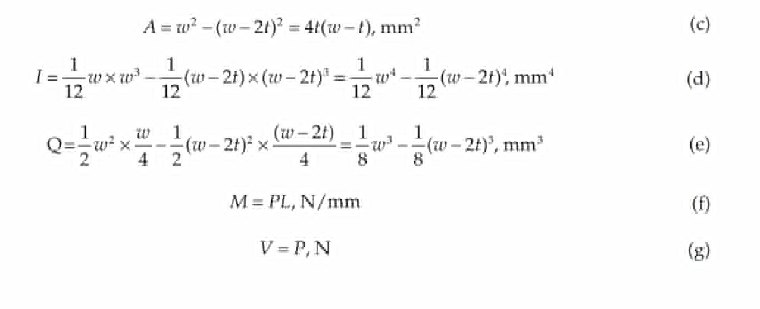
Grading scheme | Point
Optimization equation | 1 | Note: It is equivalent to minimize weight, volume, or cross section area
Shear stress | 1
Beding stress | 1 | Bending = Mc/I for c=w/2, M=PL. Another formula is M/S. Look at table for standard formula of I and S (S=I/c).
Deflection | 1
width/thickness | 1
dimension restriction | 1
Total = 6

Note: There might be multiple equivalent version. They should be seem all correct if it is derived from same formula. It should be all considered correct if they are equivalent. Some formula might have number plugged in or simplified. If plug in correct, full point, incorrect = no point. Note: For objective function, the equation must explicity show that the beam is indeed hollow (A_in and A-out). Otherwise no mark. Note: FOr all constraints, if you give general formula (such as Mc/I<max_bending) and stop there means full marks. However, if you give explicit equation (such as for M,c, or I) and they are not correct means no marks, whether equation has been plugged in or not. For example, bending stress =Mc/I where I=wt^3/12 means no marks, but bending stress = Mc/I alone means full marks. If the equation mentions more than 2 equations, also no marks. For example, if c=w/2 and I=(b_out^4-b_in^4)/12 means no marks. Note: Sometimes, the results might have different variable. Instead width and thickness, they have inner and outer length, In such case, t=a-b, w=a. Just plug that to default equation. However, there should only be max of 2 var. If you have all inner width, outer width, beam width (which is outer width), and thickness, then you have made 2 extra variables that is unnecessary. In that case, equation that is presented as function of inner and outer width will be marked 0 for unncessary variable. Note: It is ok to mention safety factor (and apply it correctly), although not mandatory Note: Wrong bracket also means wrong. For ex, (out-in)*2!=out-in*2

