Sheet1
 |  | Original sample (N=416) |  |  |  |  |  |  |  | Sum of weights (N=2624)
 | Val | NA | Very Low | Low | Medium | Medium High | High | Extreme |  | NA | Very Low | Low | Medium | Medium High | High | Extreme
cash_score | Bin A | 60 | 54 | 25 | 20 | 5 | 5 | 15 |  | 167 | 712 | 631 | 318 | 239 | 53 | 54
 | Bin B | 22 | 38 | 10 | 22 | 6 | 2 | 7 |  | 18 | 56 | 97 | 25 | 55 | 15 | 5
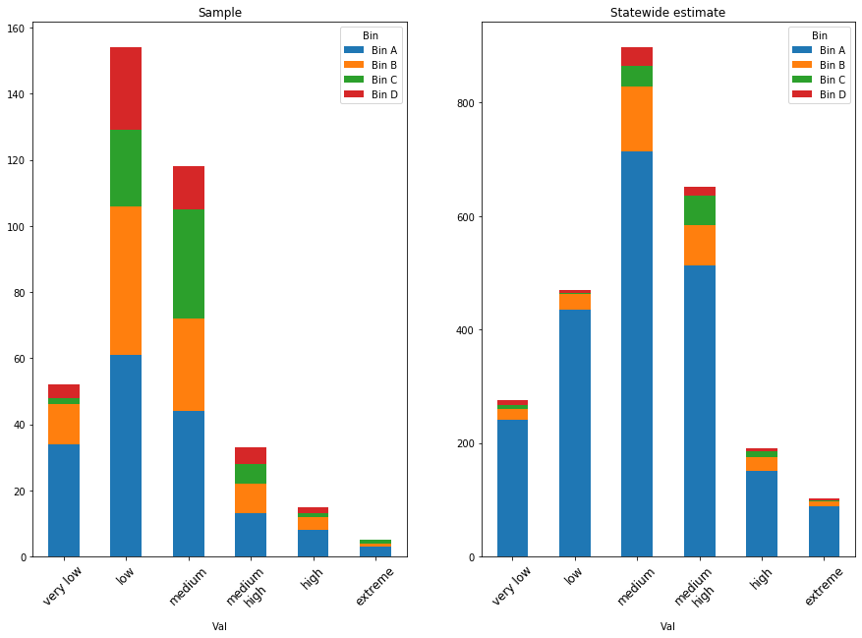
 | Bin C | 9 | 15 | 16 | 15 | 6 | 5 | 4 |  | 6 | 14 | 23 | 24 | 23 | 9 | 8
 | Bin D | 17 | 9 | 15 | 7 | 1 | 2 | 4 |  | 5 | 22 | 12 | 20 | 9 | 1 | 3
month_score | Bin A | 24 | 119 | 20 | 6 | 3 | 5 | 7 |  | 80 | 272 | 1431 | 226 | 74 | 32 | 60
 | Bin B | 9 | 60 | 20 | 3 | 4 | 8 | 3 |  | 7 | 22 | 149 | 52 | 7 | 12 | 20
 | Bin C | 5 | 35 | 19 | 4 | 3 | 3 | 1 |  | 2 | 8 | 53 | 29 | 6 | 5 | 5
 | Bin D | 7 | 28 | 14 | 2 | 2 | 1 | 1 |  | 1 | 9 | 37 | 19 | 3 | 3 | 1
ratio_score | Bin A | 52 | 16 | 18 | 25 | 32 | 33 | 8 |  | 95 | 603 | 210 | 221 | 280 | 364 | 401
 | Bin B | 19 | 11 | 16 | 15 | 28 | 16 | 2 |  | 5 | 47 | 28 | 42 | 39 | 68 | 41
 | Bin C | 5 | 4 | 6 | 18 | 21 | 15 | 1 |  | 2 | 8 | 6 | 9 | 28 | 32 | 23
 | Bin D | 13 | 1 | 7 | 12 | 14 | 8 | 0 |  | 0 | 17 | 1 | 9 | 16 | 19 | 11
lab_avg | Bin A | 21 | 34 | 61 | 44 | 13 | 8 | 3 |  | 34 | 241 | 434 | 714 | 513 | 151 | 88
 | Bin B | 8 | 12 | 45 | 28 | 9 | 4 | 1 |  | 2 | 20 | 28 | 114 | 72 | 25 | 10
 | Bin C | 4 | 2 | 23 | 33 | 6 | 1 | 1 |  | 2 | 6 | 3 | 35 | 50 | 9 | 2
 | Bin D | 6 | 4 | 25 | 13 | 5 | 2 | 0 |  | 0 | 8 | 5 | 33 | 17 | 7 | 3
 |  |  |  |  |  |  |  |  | Total | 37 | 275 | 470 | 897 | 652 | 191 | 102
Proportions
 |  | Original sample |  |  |  |  |  |  |  | Sum of weights
 | Val | NA | Very Low | Low | Medium | Medium High | High | Extreme |  | NA | Very Low | Low | Medium | Medium High | High | Extreme
cash_score | Bin A | 14% | 13% | 6% | 5% | 1% | 1% | 4% |  | 6% | 27% | 24% | 12% | 9% | 2% | 2%
 | Bin B | 5% | 9% | 2% | 5% | 1% | 0% | 2% |  | 1% | 2% | 4% | 1% | 2% | 1% | 0%
 | Bin C | 2% | 4% | 4% | 4% | 1% | 1% | 1% |  | 0% | 1% | 1% | 1% | 1% | 0% | 0%
 | Bin D | 4% | 2% | 4% | 2% | 0% | 0% | 1% |  | 0% | 1% | 0% | 1% | 0% | 0% | 0%
month_score | Bin A | 6% | 29% | 5% | 1% | 1% | 1% | 2% |  | 3% | 10% | 55% | 9% | 3% | 1% | 2%
 | Bin B | 2% | 14% | 5% | 1% | 1% | 2% | 1% |  | 0% | 1% | 6% | 2% | 0% | 0% | 1%
 | Bin C | 1% | 8% | 5% | 1% | 1% | 1% | 0% |  | 0% | 0% | 2% | 1% | 0% | 0% | 0%
 | Bin D | 2% | 7% | 3% | 0% | 0% | 0% | 0% |  | 0% | 0% | 1% | 1% | 0% | 0% | 0%
ratio_score | Bin A | 13% | 4% | 4% | 6% | 8% | 8% | 2% |  | 4% | 23% | 8% | 8% | 11% | 14% | 15%
 | Bin B | 5% | 3% | 4% | 4% | 7% | 4% | 0% |  | 0% | 2% | 1% | 2% | 1% | 3% | 2%
 | Bin C | 1% | 1% | 1% | 4% | 5% | 4% | 0% |  | 0% | 0% | 0% | 0% | 1% | 1% | 1%
 | Bin D | 3% | 0% | 2% | 3% | 3% | 2% | 0% |  | 0% | 1% | 0% | 0% | 1% | 1% | 0%
lab_avg | Bin A | 5% | 8% | 15% | 11% | 3% | 2% | 1% |  | 1% | 9% | 17% | 27% | 20% | 6% | 3%
 | Bin B | 2% | 3% | 11% | 7% | 2% | 1% | 0% |  | 0% | 1% | 1% | 4% | 3% | 1% | 0%
 | Bin C | 1% | 0% | 6% | 8% | 1% | 0% | 0% |  | 0% | 0% | 0% | 1% | 2% | 0% | 0%
 | Bin D | 1% | 1% | 6% | 3% | 1% | 0% | 0% |  | 0% | 0% | 0% | 1% | 1% | 0% | 0%

