Time Sheet
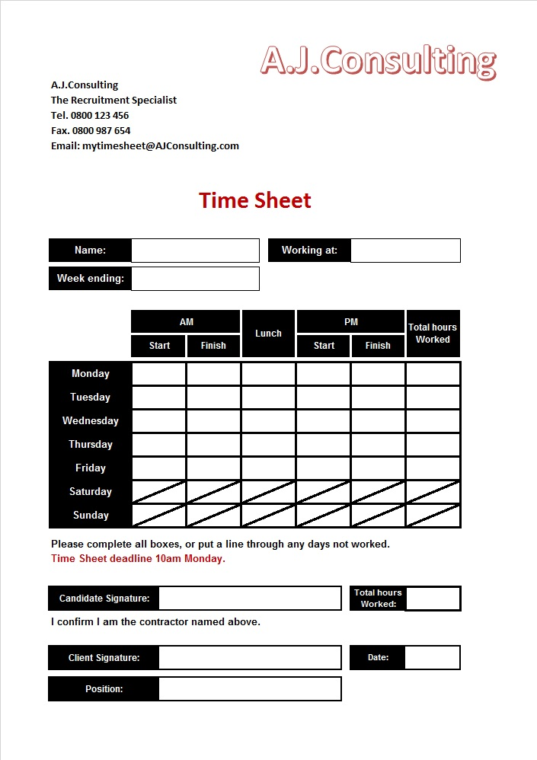

Alan Jarvis |  |  |  | My Assignment

2015-07-31

9:00:00 | 12:00:00 | 0:30:00 | 12:30:00 | 17:01:00 | 7:30:00
9:00:00 | 12:00:00 | 0:30:00 | 12:30:00 | 17:12:00 | 7:30:00
9:00:00 | 12:00:00 | 0:30:00 | 12:30:00 | 17:26:00 | 7:45:00
9:00:00 | 12:00:00 | 0:30:00 | 12:30:00 | 17:31:00 | 8:00:00
9:00:00 | 12:00:00 | 0:30:00 | 12:30:00 | 17:00:00 | 7:30:00

 | Alan Jarvis |  |  |  | 38:15:00

