Karel_Intro
Karel the Robot
Resize Cells
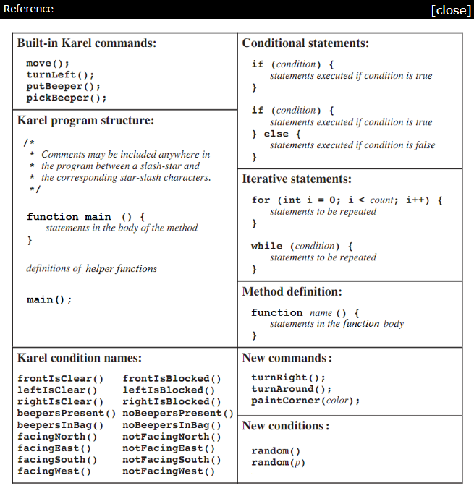

Karel the Robot.pdf
Learn to Program with Karel
Stanford's CS106A course
Stanford's CS106A -> Introduction
Stanford's CS106A -> Assignment 1
3 | <- column Width
12 | <-start # of Beepers
System Messages
H13 | <-start cell
Ɵ | <-Beeper
3 | <-Speed
Read Challenge
 |  | Ɵ

Reset Karel

Edit Macro

Run Macro

Karel_Challenge A
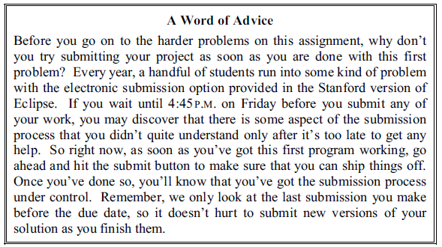
Karel the Robot
Resize Cells
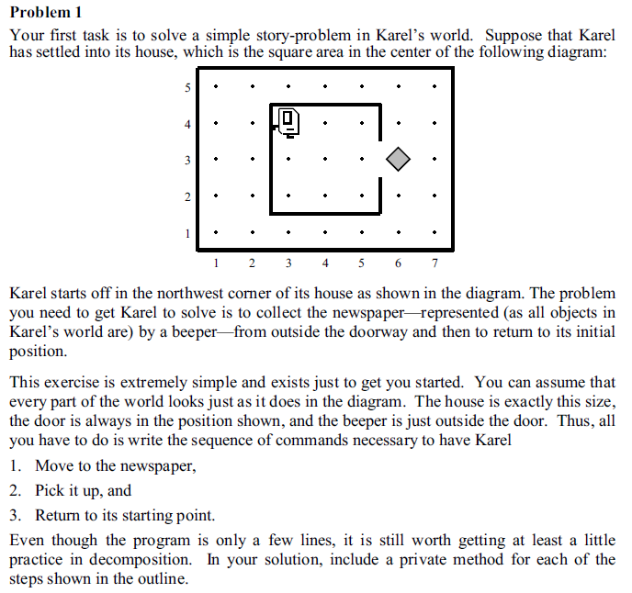

Karel the Robot.pdf
Learn to Program with Karel
Stanford's CS106A course
Stanford's CS106A -> Introduction
Stanford's CS106A -> Assignment 1
3.0466666667 | <- column Width
99999999 | <-start # of Beepers
System Messages
I14 | <-start cell
Ɵ | <-Beeper
10 | <-Speed
Read Challenge
 |  | 5
 |  | 4
 |  | 3
Reset Karel
 |  | 2
 |  | 1
Edit Macro
 |  |  | 1 | 2 | 3 | 4 | 5 | 6 | 7

Run Macro

Karel_Challenge B
Karel the Robot
Resize Cells
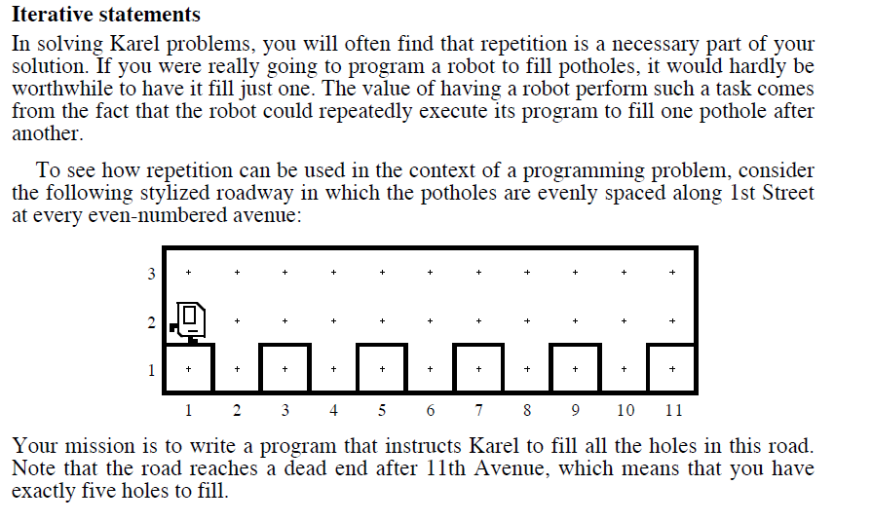

Karel the Robot.pdf
Learn to Program with Karel
Stanford's CS106A course
Stanford's CS106A -> Introduction
Stanford's CS106A -> Assignment 1
3.0466666667 | <- column Width
12 | <-start # of Beepers
System Messages
H14 | <-start cell
Ɵ | <-Beeper
7 | <-Speed
Read Challenge
 |  | 3
Completion State
 |  | 2
 |  | 1
Reset Karel
 |  |  | 1 | 2 | 3 | 4 | 5 | 6 | 7 | 8 | 9 | 10 | 11

Edit Macro

Run Macro

Karel_Challenge C
Karel the Robot
Resize Cells
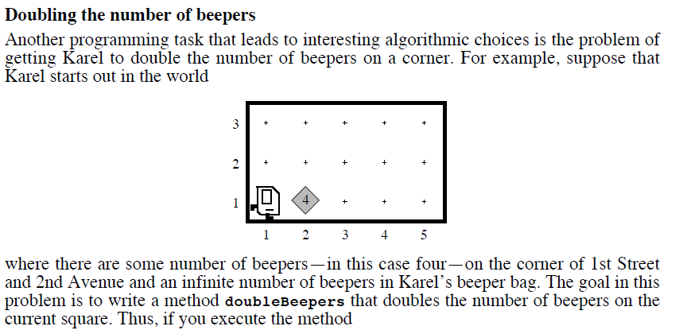

Karel the Robot.pdf
Learn to Program with Karel
Stanford's CS106A course
Stanford's CS106A -> Introduction
Stanford's CS106A -> Assignment 1
3.0466666667 | <- column Width
99999 | <-start # of Beepers
System Messages
H15 | <-start cell
Ɵ | <-Beeper
10 | <-Speed
Read Challenge
 |  | 3
 |  | 2
 |  | 1 |  | Ɵ
Reset Karel
 |  |  | 1 | 2 | 3 | 4 | 5

Edit Macro

Run Macro

Karel_Challenge D
Karel the Robot
Resize Cells

Karel the Robot.pdf
Learn to Program with Karel
Stanford's CS106A course
Stanford's CS106A -> Introduction
Stanford's CS106A -> Assignment 1
3.0466666667 | <- column Width
0 | <-start # of Beepers
System Messages
H19 | <-start cell
Ɵ | <-Beeper
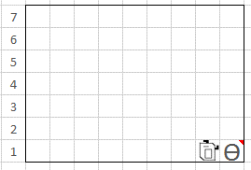
Completion State
10 | <-Speed
Read Challenge
 |  | 7
 |  | 6 |  |  |  |  | Ɵ
 |  | 5 |  | Ɵ |  |  | Ɵ
Reset Karel
 |  | 4 |  | Ɵ |  |  | Ɵ
 |  | 3 | Ɵ | Ɵ |  | Ɵ | Ɵ
Edit Macro
 |  | 2 | Ɵ | Ɵ | Ɵ | Ɵ | Ɵ | Ɵ
 |  | 1 | Ɵ | Ɵ | Ɵ | Ɵ | Ɵ | Ɵ

Run Macro

Karel_Challenge E
Karel the Robot
Resize Cells
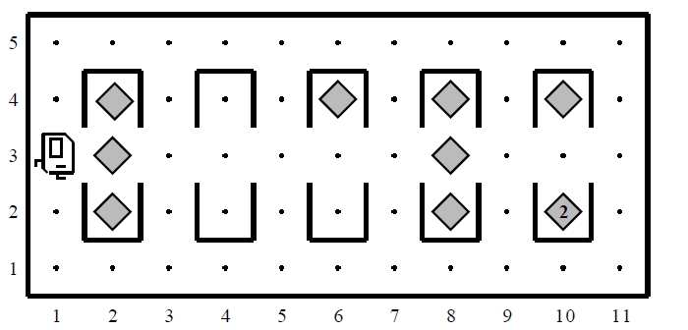

Karel the Robot.pdf
Learn to Program with Karel
Stanford's CS106A course
Stanford's CS106A -> Introduction
Stanford's CS106A -> Assignment 1
3.0466666667 | <- column Width
99999999 | <-start # of Beepers
System Messages
H15 | <-start cell
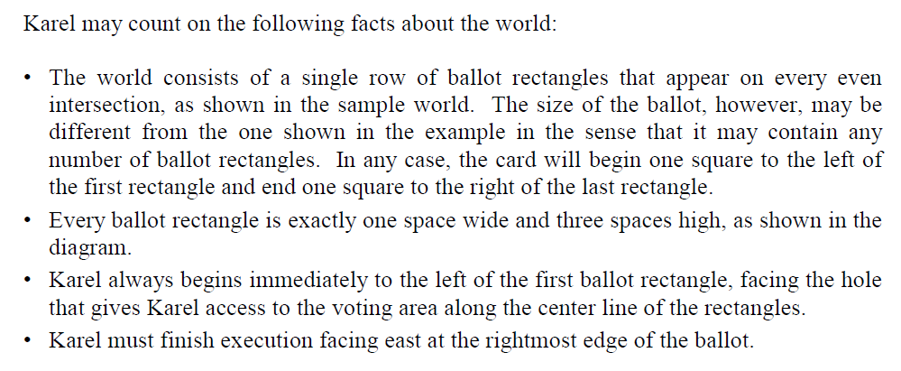
Ɵ | <-Beeper
6 | <-Speed
Read Challenge
 |  | 5
 |  | 4 |  | Ɵ |  |  |  |  |  | Ɵ
 |  | 3 |  | Ɵ |  |  |  |  |  | Ɵ
Reset Karel
 |  | 2 |  | Ɵ |  |  |  |  |  | Ɵ
 |  | 1
Edit Macro
 |  |  | 1 | 2 | 3 | 4 | 5 | 6 | 7 | 8 | 9 | 10 | 11

Run Macro

Karel_Challenge F
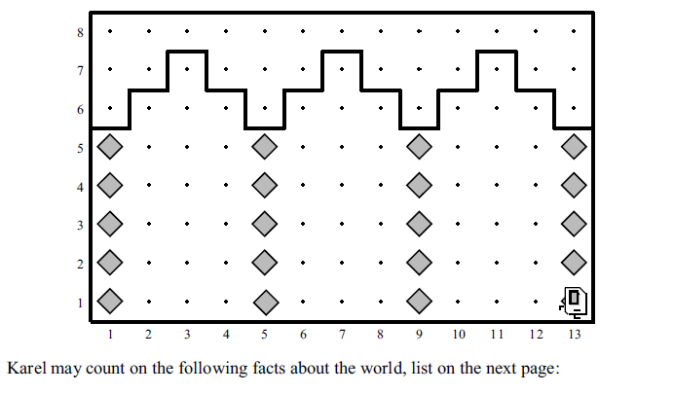
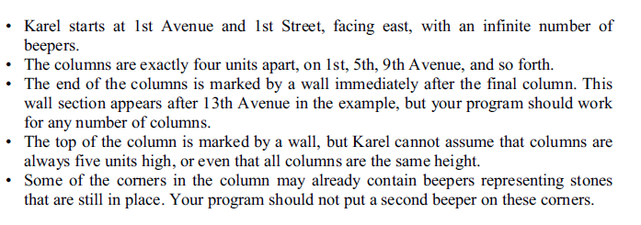
Karel the Robot
Resize Cells
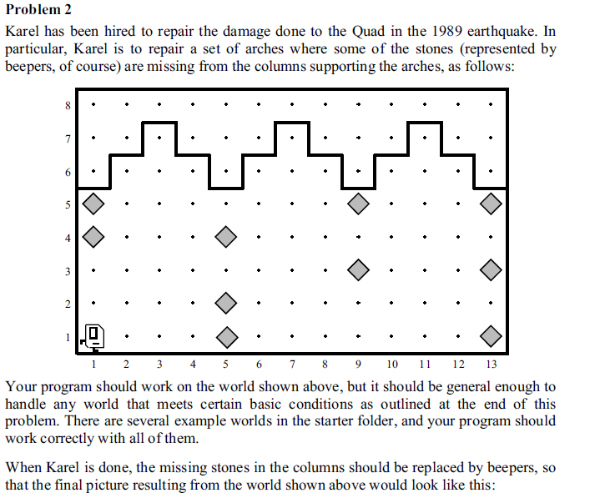
Ɵ

 | Karel the Robot.pdf
 | Learn to Program with Karel
 | Stanford's CS106A course
 | Stanford's CS106A -> Introduction
 | Stanford's CS106A -> Assignment 1
 | 3.0466666667 | <- column Width
 | 999 | <-start # of Beepers
System Messages
 | H20 | <-start cell
 | Ɵ | <-Beeper
 | 10 | <-Speed
Read Challenge
 | Ɵ |  | 8
 |  |  | 7
 |  |  | 6
Reset Karel
 |  |  | 5 | Ɵ |  |  |  |  |  |  |  | Ɵ |  |  |  | Ɵ
 |  |  | 4 | Ɵ |  |  |  | Ɵ
Edit Macro
 |  |  | 3 |  |  |  |  |  |  |  |  | Ɵ |  |  |  | Ɵ
 |  |  | 2 |  |  |  |  | Ɵ
 |  |  | 1 |  |  |  |  | Ɵ |  |  |  |  |  |  |  | Ɵ
Run Macro
 |  |  |  | 1 | 2 | 3 | 4 | 5 | 6 | 7 | 8 | 9 | 10 | 11 | 12 | 13

Karel_Challenge G
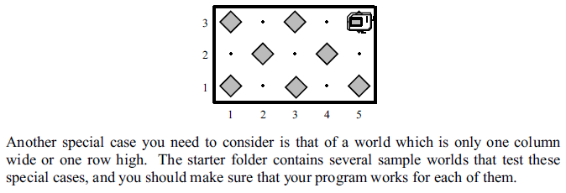
Karel the Robot
Resize Cells
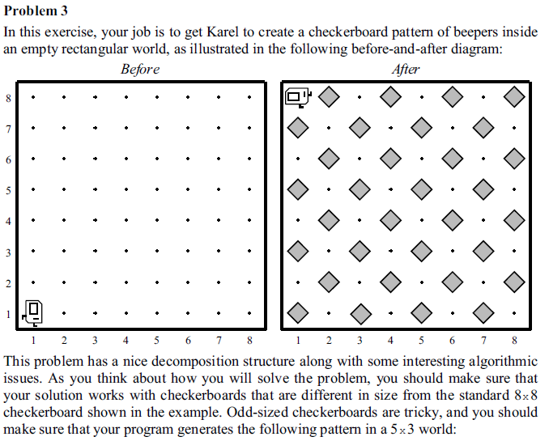

Karel the Robot.pdf
Learn to Program with Karel
Stanford's CS106A course
Stanford's CS106A -> Introduction
Stanford's CS106A -> Assignment 1
3.0466666667 | <- column Width
99999999 | <-start # of Beepers
System Messages
H22 | <-start cell
Ɵ | <-Beeper
14 | <-Speed
Read Challenge
 |  | 10
 |  | 9
 |  | 8
Reset Karel
 |  | 7
 |  | 6
Edit Macro
 |  | 5
 |  | 4
 |  | 3
Run Macro
 |  | 2
 |  | 1
 |  |  | 1 | 2 | 3 | 4 | 5 | 6 | 7 | 8 | 9 | 10

Karel_Challenge H
Karel the Robot
Resize Cells

Karel the Robot.pdf
Learn to Program with Karel
Stanford's CS106A course
Stanford's CS106A -> Introduction
Stanford's CS106A -> Assignment 1
3.0466666667 | <- column Width
0 | <-start # of Beepers
System Messages
H18 | <-start cell
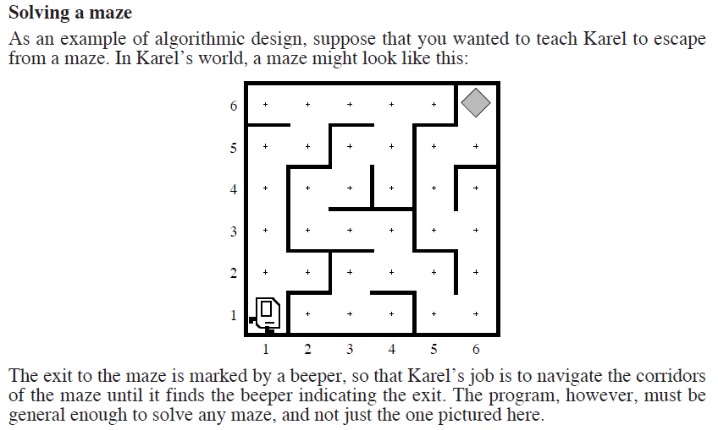
Ɵ | <-Beeper
10 | <-Speed
Read Challenge
 |  | 6 |  |  |  |  |  | Ɵ
 |  | 5
 |  | 4
Reset Karel
 |  | 3
 |  | 2
Edit Macro
 |  | 1
 |  |  | 1 | 2 | 3 | 4 | 5 | 6

Run Macro

Karel_Challenge I
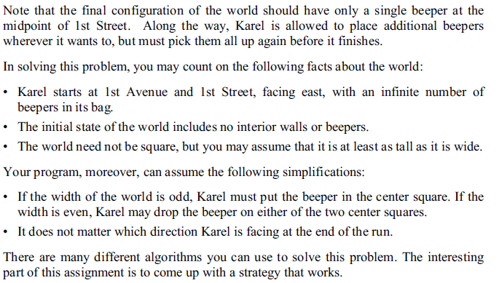
Karel the Robot
Resize Cells
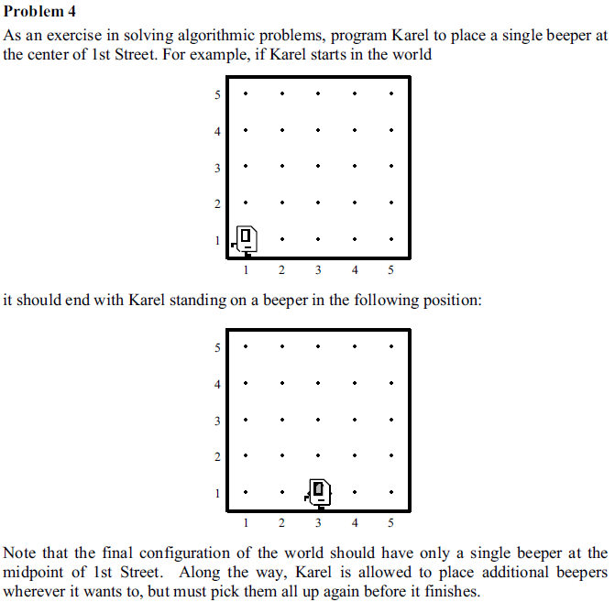

Karel the Robot.pdf
Learn to Program with Karel
Stanford's CS106A course
Stanford's CS106A -> Introduction
Stanford's CS106A -> Assignment 1
3.0466666667 | <- column Width
99999999 | <-start # of Beepers
System Messages
H22 | <-start cell
Ɵ | <-Beeper
10 | <-Speed
Read Challenge
 |  | 10
 |  | 9
 |  | 8
Reset Karel
 |  | 7
 |  | 6
Edit Macro
 |  | 5
 |  | 4
 |  | 3
Run Macro
 |  | 2
 |  | 1
 |  |  | 1 | 2 | 3 | 4 | 5 | 6 | 7 | 8 | 9 | 10

