Table of Contents
Contributors
864skater@gmail.com

Latest file:
link

Video 'Introduction to VBA Programming with Karel the Robot in Excel':

How to
The purpose of this document is to introduce you to Excel's Visual Basic by hands on and with links to resources.
 | For any button, right click -> Assign Macro -> Edit -> to access the view the code of what's happening and how.
Content will be added to this document over time as needs or ideas come to mind.

Special Notes:
Always save your workbook as an '.xlsm' macro enabled workbook or all of your macros will be erased.
Always set 'Option Explicit'

Excel VBA and Macros Introduction Tutorials:
Step by Step Introduction Videos

Refresh Links
Tabs listing items
01_Recording a Macro
02_Variables_and_VB_Editor
03_If_Then
04_Ranges_and_Loops
05_Objects_Sheets_ErrorHandling
06_Functions
07_Application
08_Userform
09_Excel_To_PPT
10_PromptForFile

Examples of different types of VBA Code 'Special Case'
SC_01_Get List of Files
SC_02_Get UserName
SC_03_Get Mouse Position
SC_04_SendKeys Example
SC_05_MoveShape Example
SC_06_RunMacroAtSetTime
SC_07_ChangeTextInTextFile

Links to VBA resources
Chip Pearson Consulting - tutorials
Leila Gharani on Youtube - Excellent Instructor
Excel VBA - overview
Excel Is Fun

Free Online Resources for your next level in Programming
In order to improve at VBA, you need to be able to manage how to write out your plan before coding and then transfer that into code.
The below links teach introduction to computer science materials which involves how to think about programs and system.
Stanford's non-Maintained site - intoruction to Computer Science'
MIT Opencourseware - Introductory computer science and a ton of other classes as well!
Udacity's Intro to Computer Science
Khan Academy's Computer Programming
Project Euler

Hands on programming with Karel the Robot in this Excel file
 |  | Difficulty Level
Karel_Intro |  | 1
Karel_Challenge A |  | 1
Karel_Challenge B |  | 1
Karel_Challenge C |  | 2
Karel_Challenge D |  | 3
Karel_Challenge E |  | 3
Karel_Challenge F |  | 3
Karel_Challenge G |  | 4
Karel_Challenge H |  | 5
Karel_Challenge I |  | 5

02_Variables_and_VB_Editor
Reference
Get Value

Lauren | <- whatever you enter into the form (after clicking the button) will appear in this cell.

Declaring Variables (always use Option Explicit)

most common types of variables
String = string of characters
Long = integer
double = has decimal places

Example in Types of Variables

1.1 | <- value of this plus itself will appear in msg box showing how each variable type behaves.

The Visual Basic Editor Introduction

03_If_Then
Reference

If Then Example

2 | < If this is Even, then below is true.
 | TRUE

04_Ranges_and_Loops
Reference |  | Ranges - more detailed information

While Loop Example

1 | <-Start here and move down one row until blank
2
3
4

For Loop Example

1 | <- start here and iterate predefined loop
2
3
4 | <- till here

For Loop Index Example

2 | Number of loops
1 | Increment
2 | Result

05_Objects_Sheets_ErrorHandling
Reference |  | Error Handling in VBA

Select another worksheet
in this workbook

01_Recording a Macro | <- Select a worksheet name in this workbook.

Select another Workbook

Book2 | <- other workbook name (ie. Open another workbook then input that name here; otherwise, it'll inform you it's not open)

06_Functions
Reference

Test a Function

The example function adds '2' to whatever you input.

1 | <- any value here
3 | <- same user defined function applied as a formula

sam | <- Name
Hello sam | <- another user defined function applied as a formula

07_Application
Reference | Open PPT from Excel VBA

Open MS Word

08_Userform
Reference

User Form Example

Value below will come from the User Form:
this value?

09_Excel_To_PPT
Reference | Open PPT from Excel VBA

Put Range into PPT

Example

 |  | Example

10_PromptForFile
Prompt User for File

File below will come from the File Selector Prompt:

SC_01_Get List of Files
Get List of Files

SC_02_Get UserName
Get User Name

Obtains your login ID

SC_03_Get Mouse Position
Get Mouse Position

X | Y
282 | 721 | <- Coordinates of mouse position at point of 'hitting return'

Test the position of MouseCoordinates Above

SC_04_SendKeys Example
Send Keys Example

Value below will typed in Notepad:
test 1

Send Keys Example with Pauses

Value below will typed in Notepad:
test

SC_05_MoveShape Example
Move Shape

X | Y
1 | 1 | <- move circle to these coordinates in Excel
 | 1 | <- number of seconds for movement

Size Shape by Cell Address

D12 | <- Cell Address to place top-left corner
1 | <- width in columns wide
1 | <- height in columns high

Object Model Reference

SC_06_RunMacroAtSetTime
Run at Set Time (example)
Cancel Run

Number of Times | 3
Hours | 0
Minutes | 0
Seconds | 5

SC_07_ChangeTextInTextFile
Replace Text in Text File

First, create a text file with text you'd like modified.

Prompt User for File
 | Location of Text File: | C:\Users\example\Desktop\Summary_View.mht
 | Must Contain This Text: | .mht">Chart<
 | Part of Text to Replace: | .mht">Chart<
 | Next Text: | .mht" target="blank">Chart<

 | Number of Changes: | 0

Karel_Intro
Karel the Robot
Resize Cells
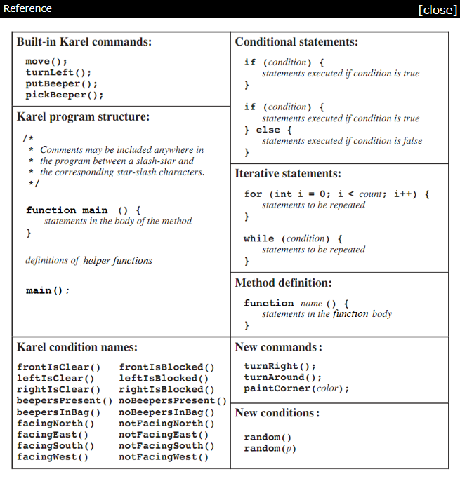

Karel the Robot.pdf
Learn to Program with Karel
Stanford's CS106A course
Stanford's CS106A -> Introduction
Stanford's CS106A -> Assignment 1
3 | <- column Width
12 | <-start # of Beepers
System Messages
I14 | <-start cell
Ɵ | <-Beeper
9000 | <-Speed
Read Challenge
 |  | Ɵ

Reset Karel

Edit Macro

Run Macro

Karel_Challenge A
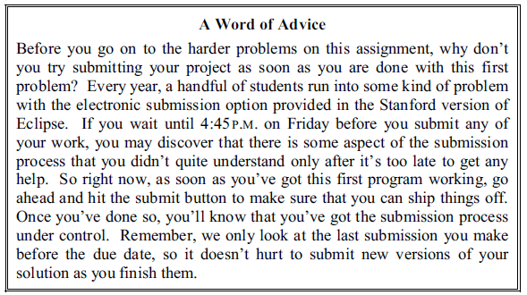
Karel the Robot
Resize Cells
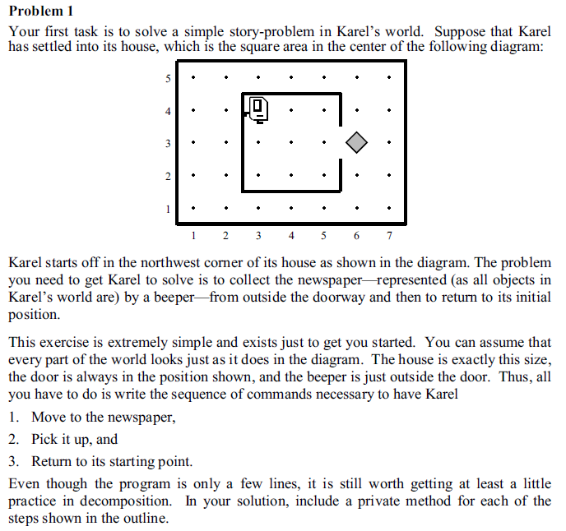

Karel the Robot.pdf
Learn to Program with Karel
Stanford's CS106A course
Stanford's CS106A -> Introduction
Stanford's CS106A -> Assignment 1
3.0466666667 | <- column Width
99999999 | <-start # of Beepers
System Messages
I14 | <-start cell
Ɵ | <-Beeper
9000 | <-Speed
Read Challenge
 |  | 5
 |  | 4
 |  | 3 |  |  |  |  |  | Ɵ
Reset Karel
 |  | 2
 |  | 1
Edit Macro
 |  |  | 1 | 2 | 3 | 4 | 5 | 6 | 7

Run Macro

Karel_Challenge B
Karel the Robot
Resize Cells
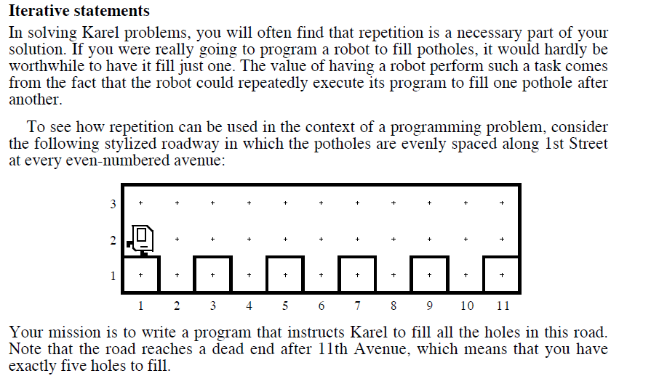

Karel the Robot.pdf
Learn to Program with Karel
Stanford's CS106A course
Stanford's CS106A -> Introduction
Stanford's CS106A -> Assignment 1
3.0466666667 | <- column Width
12 | <-start # of Beepers
System Messages
H14 | <-start cell
Ɵ | <-Beeper
9000 | <-Speed
Read Challenge
 |  | 3
Completion State
 |  | 2
 |  | 1
Reset Karel
 |  |  | 1 | 2 | 3 | 4 | 5 | 6 | 7 | 8 | 9 | 10 | 11

Edit Macro

Run Macro

Karel_Challenge C
Karel the Robot
Resize Cells
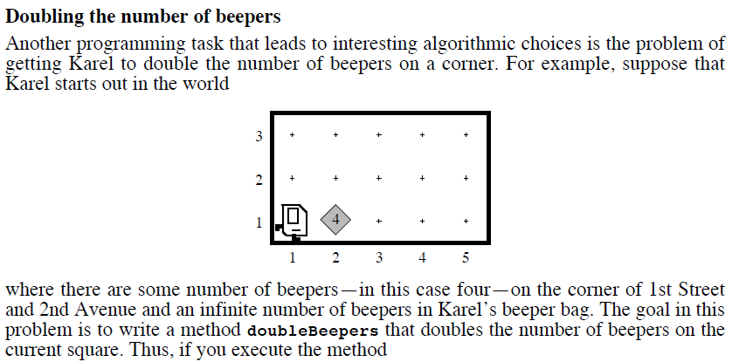

Karel the Robot.pdf
Learn to Program with Karel
Stanford's CS106A course
Stanford's CS106A -> Introduction
Stanford's CS106A -> Assignment 1
3.0466666667 | <- column Width
99999999 | <-start # of Beepers
System Messages
H15 | <-start cell
Ɵ | <-Beeper
9000 | <-Speed
Read Challenge
 |  | 3
 |  | 2
 |  | 1 |  | Ɵ
Reset Karel
 |  |  | 1 | 2 | 3 | 4 | 5

Edit Macro

Run Macro

Karel_Challenge D
Karel the Robot
Resize Cells

Karel the Robot.pdf
Learn to Program with Karel
Stanford's CS106A course
Stanford's CS106A -> Introduction
Stanford's CS106A -> Assignment 1
3.0466666667 | <- column Width
0 | <-start # of Beepers
System Messages
H19 | <-start cell
Ɵ | <-Beeper
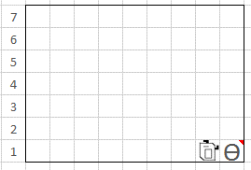
Completion State
9000 | <-Speed
Read Challenge
 |  | 7
 |  | 6 |  |  |  |  | Ɵ
 |  | 5 |  | Ɵ |  |  | Ɵ
Reset Karel
 |  | 4 |  | Ɵ |  |  | Ɵ
 |  | 3 | Ɵ | Ɵ |  | Ɵ | Ɵ
Edit Macro
 |  | 2 | Ɵ | Ɵ | Ɵ | Ɵ | Ɵ | Ɵ
 |  | 1 | Ɵ | Ɵ | Ɵ | Ɵ | Ɵ | Ɵ

Run Macro

Karel_Challenge E
Karel the Robot
Resize Cells
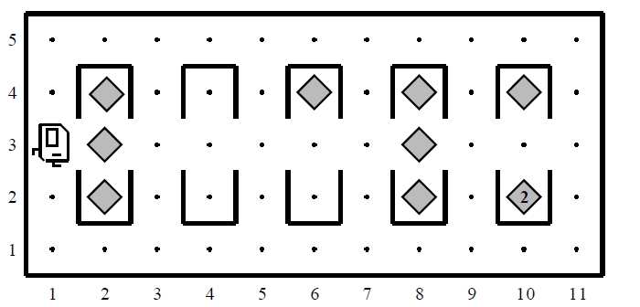

Karel the Robot.pdf
Learn to Program with Karel
Stanford's CS106A course
Stanford's CS106A -> Introduction
Stanford's CS106A -> Assignment 1
3.0466666667 | <- column Width
99999999 | <-start # of Beepers
System Messages
H15 | <-start cell
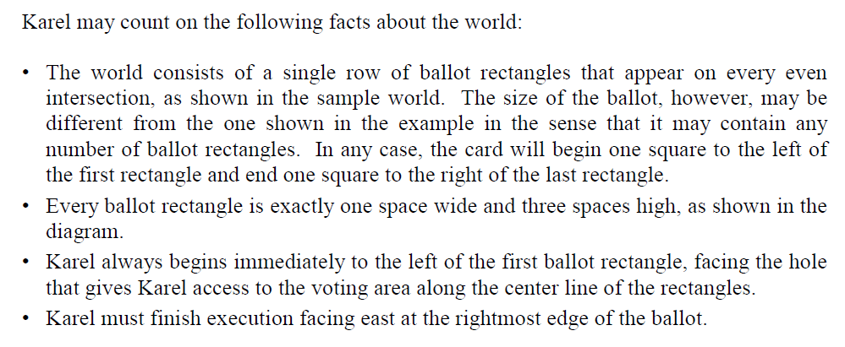
Ɵ | <-Beeper
9000 | <-Speed
Read Challenge
 |  | 5
 |  | 4 |  |  |  |  |  | Ɵ |  |  |  | Ɵ
 |  | 3 |  | Ɵ |  | Ɵ |  |  |  | Ɵ
Reset Karel
 |  | 2 |  |  |  |  |  | Ɵ |  |  |  | Ɵ
 |  | 1
Edit Macro
 |  |  | 1 | 2 | 3 | 4 | 5 | 6 | 7 | 8 | 9 | 10 | 11

Run Macro

Karel_Challenge F
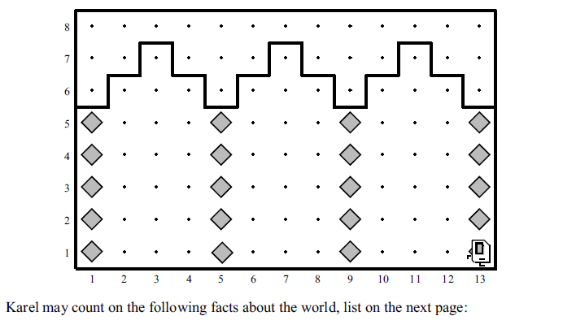
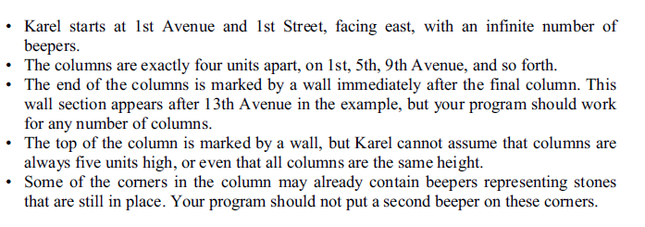
Karel the Robot
Resize Cells
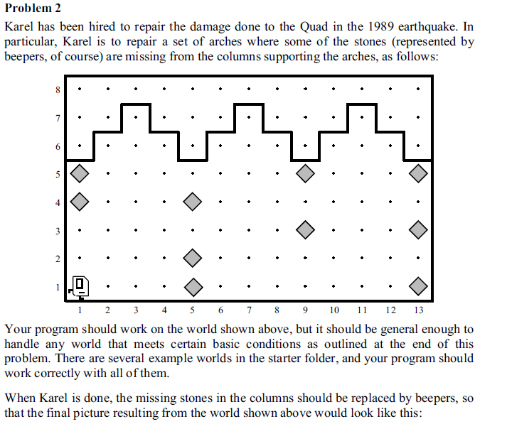

Karel the Robot.pdf
Learn to Program with Karel
Stanford's CS106A course
Stanford's CS106A -> Introduction
Stanford's CS106A -> Assignment 1
3.0466666667 | <- column Width
99999999 | <-start # of Beepers
System Messages
H20 | <-start cell
Ɵ | <-Beeper
9000 | <-Speed
Read Challenge
 |  | 8
 |  | 7
 |  | 6
Reset Karel
 |  | 5 | Ɵ |  |  |  |  |  |  |  | Ɵ |  |  |  | Ɵ
 |  | 4 | Ɵ |  |  |  | Ɵ
Edit Macro
 |  | 3 |  |  |  |  |  |  |  |  | Ɵ |  |  |  | Ɵ
 |  | 2 |  |  |  |  | Ɵ
 |  | 1 |  |  |  |  | Ɵ |  |  |  |  |  |  |  | Ɵ
Run Macro
 |  |  | 1 | 2 | 3 | 4 | 5 | 6 | 7 | 8 | 9 | 10 | 11 | 12 | 13

Karel_Challenge G
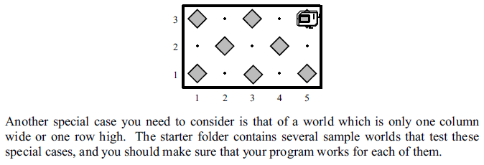
Karel the Robot
Resize Cells
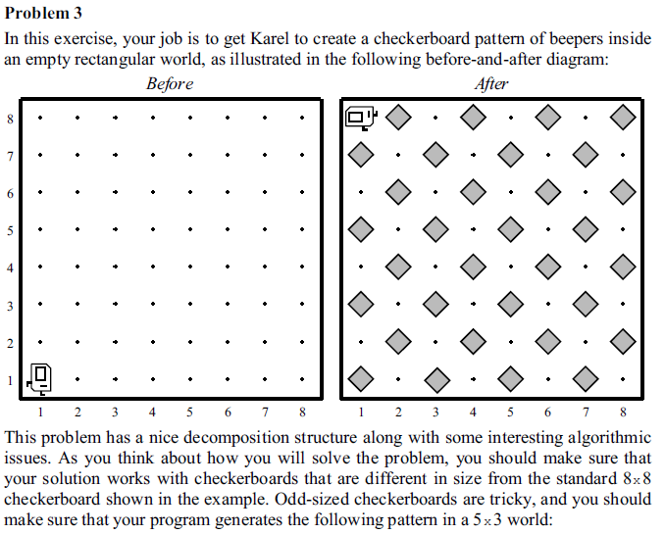

Karel the Robot.pdf
Learn to Program with Karel
Stanford's CS106A course
Stanford's CS106A -> Introduction
Stanford's CS106A -> Assignment 1
3.0466666667 | <- column Width
99999999 | <-start # of Beepers
System Messages
H22 | <-start cell
Ɵ | <-Beeper
9000 | <-Speed
Read Challenge
 |  | 10
 |  | 9
 |  | 8
Reset Karel
 |  | 7
 |  | 6
Edit Macro
 |  | 5
 |  | 4
 |  | 3
Run Macro
 |  | 2
 |  | 1
 |  |  | 1 | 2 | 3 | 4 | 5 | 6 | 7 | 8 | 9 | 10

Karel_Challenge H
Karel the Robot
Resize Cells

Karel the Robot.pdf
Learn to Program with Karel
Stanford's CS106A course
Stanford's CS106A -> Introduction
Stanford's CS106A -> Assignment 1
3.0466666667 | <- column Width
0 | <-start # of Beepers
System Messages
H18 | <-start cell
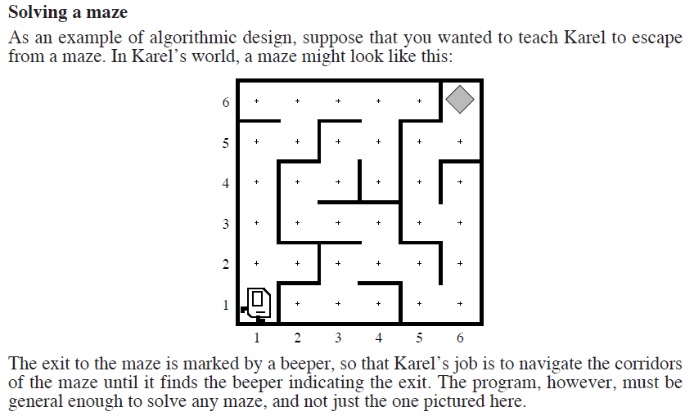
Ɵ | <-Beeper
9000 | <-Speed
Read Challenge
 |  | 6 |  |  |  |  |  | Ɵ
 |  | 5
 |  | 4
Reset Karel
 |  | 3
 |  | 2
Edit Macro
 |  | 1
 |  |  | 1 | 2 | 3 | 4 | 5 | 6

Run Macro

Karel_Challenge I
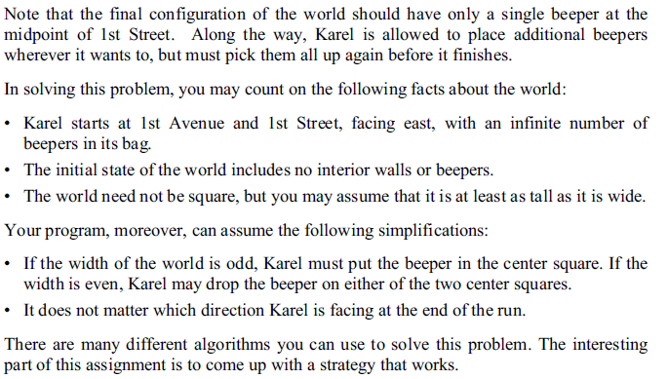
Karel the Robot
Resize Cells
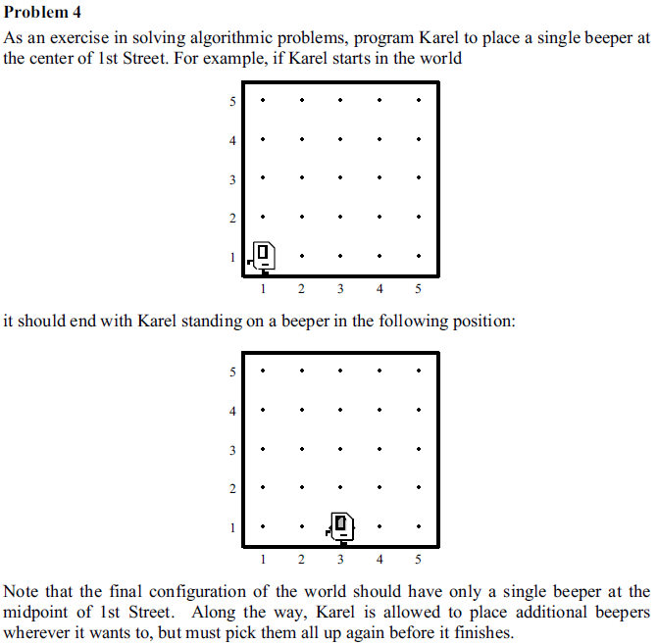

Karel the Robot.pdf
Learn to Program with Karel
Stanford's CS106A course
Stanford's CS106A -> Introduction
Stanford's CS106A -> Assignment 1
3.0466666667 | <- column Width
99999999 | <-start # of Beepers
System Messages
H22 | <-start cell
Ɵ | <-Beeper
9000 | <-Speed
Read Challenge
 |  | 10
 |  | 9
 |  | 8
Reset Karel
 |  | 7
 |  | 6
Edit Macro
 |  | 5
 |  | 4
 |  | 3
Run Macro
 |  | 2
 |  | 1
 |  |  | 1 | 2 | 3 | 4 | 5 | 6 | 7 | 8 | 9 | 10

