Read Me
Dashboard Summary & Instructions

Created by | Scott MacArthur
Last Update | 2025-05-26
Version | 1.1

 | Section 1. | Project Overview | This dashboard enables the Quality Assurance (QA) team to effectively track both their auditing workload and the performance of Customer Service Advisors. It displays progress against monthly audit targets and highlights key performance metrics such as pass rates, detailed results across a 22-question scorecard, and the top 3 most commonly failed questions and failure reasons. This helps QA staff quickly identify training needs, performance issues, and areas for improvement across teams and interaction types.

 | Section 2. | Tools Used
 |  | Tool Name | Description
 |  | Power Query | Used to clean, shape, and transform raw data sourced from SharePoint, ensuring consistency and usability for reporting.
 |  | Data Model | Established relationships between multiple tables to enable seamless cross-filtering and efficient data analysis.
 |  | DAX Measures | Created custom calculations (e.g., Total Audits Completed, Pass Rates) to support dynamic insights and KPIs.
 |  | Pivot Tables | Summarized key metrics and performance indicators across various dimensions for structured reporting.
 |  | Slicers | Implemented a unified slicer to filter visuals by month, allowing intuitive and consistent exploration of trends over time.
 |  | Data Visualisation | Used a range of visual elements (line charts, bar charts, pie charts) to communicate insights clearly and effectively.
 |  | Conditional Formatting | Applied formatting to highlight performance thresholds and draw attention to key metrics (e.g., pass rate %), enhancing readability and quick decision-making.

 | Section 3. | Key Metrics
 |  | Target – Editable field for setting monthly audit targets.
 |  | Total Audits Completed – Number of audits conducted by QA team.
 |  | Pass Rate (%) – Percentage of audits that met quality standards.
 |  | Remediation Rate (%) – Proportion of audits requiring corrective action.

 |  | Supporting Visuals
 |  | Scorecard (Q1–Q22) – Distribution of Pass/Fail/NA across all scorecard questions.
 |  | Top 3 Failing Questions – Most frequently failed questions, highlighting key problem areas.
 |  | Top 3 Failure Reasons – Common failure reasons per question to support root cause analysis.
 |  | Interaction Types – Audit volume and performance by interaction channel.
 |  | Pass Rate Trend – Month-by-month view of pass rate performance.

 | Section 4. | Example Insights | This dashboard has enabled the QA team to make informed decisions by providing clear, actionable insights into both workload management and agent performance. The scorecard analysis (Q1–Q22) consistently highlights specific questions with high failure rates, allowing the team to pinpoint recurring problem areas. The Top 3 Failing Questions and Fail Reasons per Question visuals support targeted root cause analysis and help prioritize training interventions. The Team Performance table allows QA to assess whether issues are isolated within specific teams or are widespread across departments. Additionally, the Agent Tenure view provides useful context by indicating whether performance challenges are linked to agent experience—for example, highlighting trends among new or in-training agents. These insights have been actively used by the QA function to develop and deliver targeted training materials, update internal processes, and support continuous performance improvement. For example, following the introduction of a new process in late December, a temporary dip in pass rates was observed in January—particularly in Q3–Q5—followed by a notable improvement from February onward, demonstrating the impact of process-driven support.

 | Section 5. | How to Use
 |  | Use 'Filter By Month' slicer to filter for specific month. Multiple values can be selected too.
 |  | View KPIs at the top for a quick overview of team performance against targets.
 |  | QA Volumes - shows audits completed by each QA member.
 |  | Pass Rate % and Remediation % helps to gauge overall quality and risk level.
 |  | Q1-Q22 Scoring - identify questions with most failure points.
 |  | Use the “Top 3 Failing Questions” chart to identify key audit weaknesses at a glance.
 |  | Review the “Top Fail Reasons” chart to understand root causes for question failures.
 |  | “Interaction Type” breakdown to compare pass rates across different interaction types.
 |  | View the “Pass Rate Trend” chart to monitor how quality has changed over time.
 |  | Use “Team Performance” and “Agent Tenure” tables to filter by specific teams or experience levels and spot patterns.
 |  | *All visuals are interactive and can be filtered down when necessary for further insight.

 | Section 6. | Notes
 |  | Data Source: All data used in this dashboard was sourced from SharePoint and refreshed regularly using Power Query. The connections have been broken to prevent access to confidential customer/employee information.
 |  | Time Frame: The dashboard reflects data for November 2024-May2025. Any future data won't automatically load into this dashboard.
 |  | Remediation Definition: “Remediation” refers to any follow-up action taken based on a failed audit to prevent negative customer impact.
 |  | Pass Criteria: Audit outcomes can be scored as Good, Good-Minor Issues, Poor-Advisor, Poor System. Only audits scoring Good/Good-Minor Issues are counted towards the Pass Rate.
 |  | Agent Tenure: Tenure classification is based on available HR data; agents are considered “in training” if < 3 months tenure.
 |  | Data Model: All data relationships were handled through the Data Model in Power Pivot. Any changes to source structure may break links.
 |  | Manual Inputs: Monthly target is an editable cell. Any changes to this input will reflect across linked KPIs.
 |  | Confidential Information: All employee names found in QA Volumes table have been anonymised. All Team Leader names from Team Performance have been anonymised as well.

 |  | Power Query Transformations
 |  | Removed confidential or sensitive information (e.g. customer names, employee names/employee IDs) to comply with data protection standards.
 |  | Removed unnecessary columns to streamline the dataset and improve performance.
 |  | Filtered out blank rows and irrelevant records to ensure data quality.
 |  | Changed data types to support accurate filtering and aggregation (e.g. date, text, number).
 |  | Split columns where necessary (e.g. failure reasons) to assist with filtering and grouping.
 |  | Anonymised QA/TL names to remove confidential data
 |  | Unpivoted columns to normalize the structure and allow better analysis of question-level performance.
 |  | Standardised values in various columns eg 1st Line QA Outcomes and QA Name/Team Leader name to ensure accurate reporting.

 |  | Power Query Steps - Visual Reference
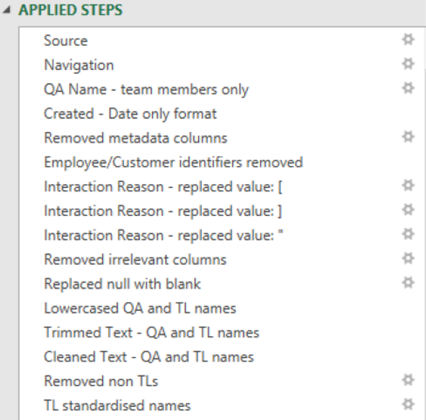

 |  | Step: Initial data cleaning on raw data. Replaced values, removed unnecessary columns, standardised Team Leader names.

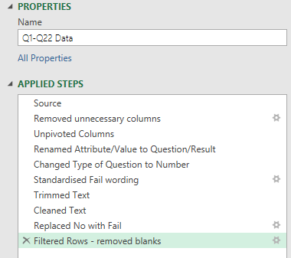

 |  | Step: Reshaped data for Q1-Q22 scoring. Unpivoted columns, changed data type, standardised values and removed blanks.
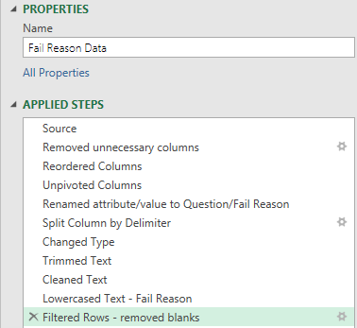

 |  | Step: Transformed data for fail reasons. Removed unrelated data, unpivoted and split columns to streamline analysis process. Standardised values and removed blanks.

QA Monthly Dashboard
QUALITY ASSURANCE DASHBOARD

Q1-Q22 Scoring
 | Pass | Fail | Feedback/Coaching Needed | N/A
1 | 100% | 0% | 0% | 0%
2 | 68% | 21% | 6% | 4%
3 | 64% | 15% | 17% | 4%
4 | 68% | 11% | 17% | 4%
5 | 74% | 9% | 15% | 2%
6 | 55% | 5% | 0% | 40%
7 | 36% | 2% | 4% | 57%
8 | 4% | 0% | 0% | 96%
9 | 6% | 0% | 0% | 94%
10 | 30% | 0% | 5% | 65%
11 | 13% | 2% | 2% | 83%
12 | 62% | 26% | 13% | 0%
13 | 72% | 11% | 17% | 0%
14 | 49% | 30% | 21% | 0%
15 | 10% | 0% | 5% | 85%
16 | 77% | 13% | 9% | 2%
17 | 15% | 0% | 0% | 85%
18 | 62% | 13% | 26% | 0%
19 | 2% | 6% | 2% | 89%
20 | 0% | 2% | 0% | 98%
21 | 0% | 0% | 0% | 100%
22 | 96% | 0% | 0% | 4%
 |  |  | Key Metrics |  |  |  | Team Performance

 |  |  |  |  |  |  | Team Leader Name | Total_Audits | Pass Rate % | Remediation%
 |  | Target Audits |  | Total Audits | Pass Rate | Remediation | TL_01 | 0 | 0% | 0%
 |  | 45 |  | 47 | 53% | 38% | TL_02 | 2 | 50% | 0%
 |  |  |  |  |  |  | TL_03 | 4 | 25% | 50%
 |  |  |  |  |  |  | TL_04 | 9 | 78% | 22%
Pass Rate Trends
 | Total
November | 57%
December | 49%
January | 25%
February | 55%
March | 58%
April | 53%
May | 50%
 |  |  |  |  |  |  | TL_05 | 7 | 71% | 43%
 |  |  |  |  |  |  | TL_06 | 2 | 50% | 50%
 |  |  |  |  |  |  | TL_07 | 4 | 25% | 50%
 |  |  |  |  |  |  | TL_08 | 4 | 25% | 75%
Top 3 Failing Questions
 | Fail
2 | 10
12 | 12
14 | 14
 |  |  |  |  |  |  | TL_09 | 7 | 57% | 29%
 |  |  |  |  |  |  | TL_10 | 4 | 50% | 50%
 |  |  |  |  |  |  | TL_11 | 3 | 33% | 0%
 |  |  |  |  |  |  | TL_12 | 1 | 100% | 100%
 |  |  |  |  |  |  | TL_13 | 0 | 0% | 0%
 |  |  |  |  |  |  | TL_14 | 0 | 0% | 0%

 |  |  |  |  |  |  | Agent Tenure

 |  |  |  |  |  |  | Row Labels | Total_Audits | Pass Rate % | Remediation%
 | QA Volumes |  |  |  |  |  | Live | 47 | 53% | 38%

Interaction Types
 | Total_Audits | Total_Passes
Inbound | 30 | 19
Outbound | 3 | 2
Webchat | 14 | 4
 | QA Name | Total_Audits | % of Target
 | QA_01 | 6 | 12.77%
 | QA_02 | 7 | 14.89%
 | QA_03 | 8 | 17.02%
 | QA_04 | 8 | 17.02%
 | QA_05 | 0 | 0.00%
 | QA_06 | 6 | 12.77%
top 3 Fail Reasons per question
 | Total
dd not surpressed | 3
pa set incorrectly | 2
process not followed | 2
 | QA_07 | 0 | 0.00%
 | QA_08 | 6 | 12.77%
 | QA_09 | 6 | 12.77%

