performance
function | performance
ackley | 99.425
beale | 99.51
bird | 99.79
booth | 99.87
bukin4 | 99.55
bukin6 | 98.62
carromtable | 95.065
chichinadze | 99.37
crossfunc | 14.135
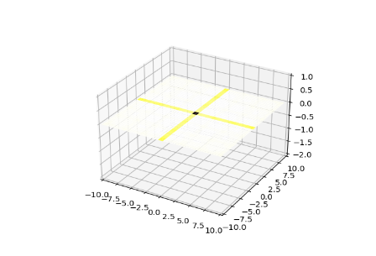
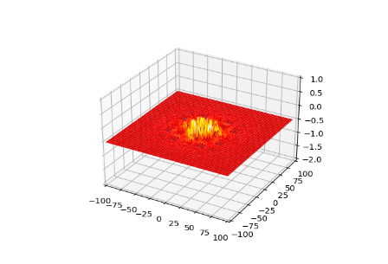
crossintray | 99.015
crosslegtable | 86.77
crownedcross | 98.265
cube | 99.505
easom | 50.035
eggholder | 99.505
gaussian_min_max | 99.215
giunta | 97.505
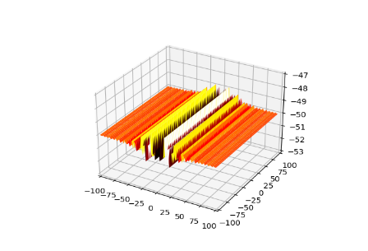
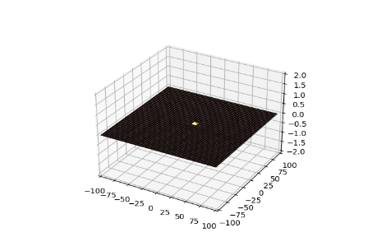
goldsteinprice | 97.96
griewank | 99.935
helicalvally_min_max | 99.93
himmelblau | 95.49
holdertable | 98.95
leon | 99.48
levi13 | 99.68
logarithmic_min_max | 99.72
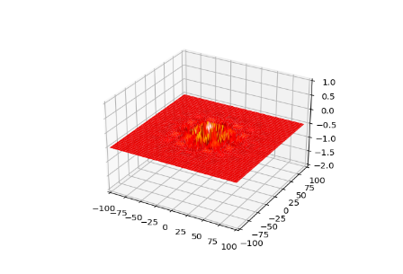
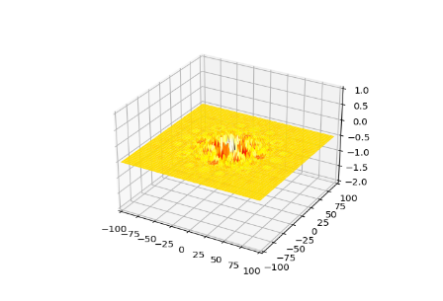
matyas | 99.4
mccormick | 98.67
modschaffer1 | 72.155
modschaffer2 | 60.175
modschaffer3 | 41.445
modschaffer4 | 85.925
penholder | 99.135
perlin | 99.92
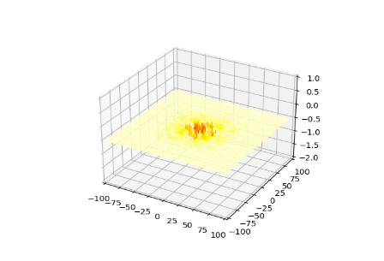
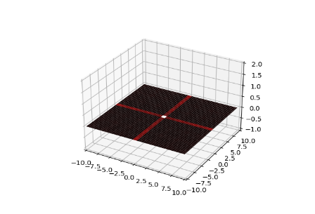
rastrigin | 99.965
rosenbrock | 99.505
schweffel | 98.935
sinenvsin | 50.005
sixhumpcamel | 98.84
testtubeholder | 99.12
threehumpcamel | 98.09
zettl | 95.06

