STM32L433CCT6
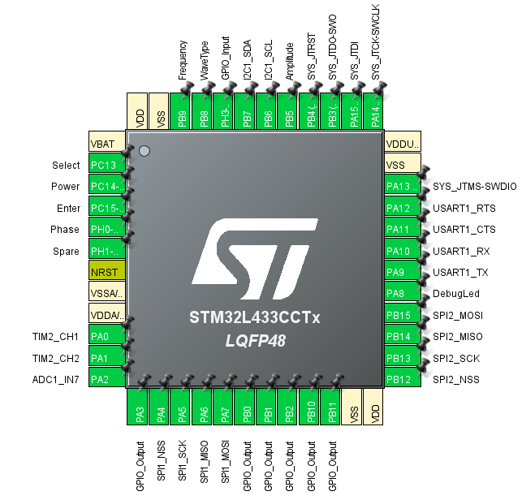

 | VBAT | 1 | 25 | PB12 | SPI2_NSS
gpio | PC13 | 2 | 26 | PB13 | SPI2_SCK
gpio | PC14/oscin | 3 | 27 | PB14 | SPI2_MISO
gpio | pc15/oscout | 4 | 28 | PB15 | SPI2_MOSI
gpio | ph0/oscin | 5 | 29 | PA8 | gpio
gpio | ph1/oscout | 6 | 30 | PA9 | USART_TX
 | RESET | 7 | 31 | PA10 | USART_RX
 | VSSA/VREF- | 8 | 32 | PA11 | USART_CTS
 | VDDA/VREF | 9 | 33 | PA12 | USART_RTS
Tim2_CH1 | PA0 | 10 | 34 | PA13 | SWDIO
TIM2_CH2 | PA1 | 11 | 35 | VSS
ADC1_IN7 | PA2 | 12 | 36 | VDDUSB
gpio | PA3 | 13 | 37 | PA14 | SWCLK
SPI1_nss | PA4 | 14 | 38 | PA15 | JTDI
SPI1_SCK | PA5 | 15 | 39 | PB3 | SWO
SPI1_MISO | PA6 | 16 | 40 | PB4 | gpio
SPI1_MOSI | PA7 | 17 | 41 | PB5 | gpio
gpio | PB0 | 18 | 42 | PB6 | I2C_SCL
gpio | PB1 | 19 | 43 | PB7 | I2C_SDA
gpio | PB2 | 20 | 44 | PH3-BOOT0 | gpio
gpio | PB10 | 21 | 45 | PB8 | gpio
gpio | PB11 | 22 | 46 | PB9 | gpio
 | VSS | 23 | 47 | VSS
 | VDD | 24 | 48 | VDD

