Sheet2
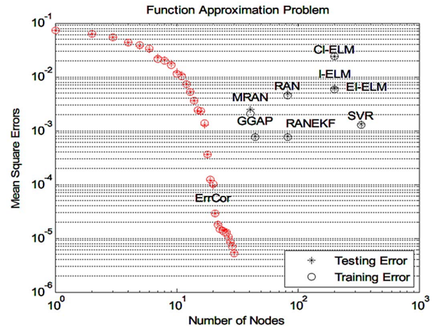
 | Test Time | Total Nodes?
GGAP | 54.16 | 45.3
MRAN | 52.15 | 43.6
RANEKF | 106.8 | 89.4
RAN | 112.2 | 93.9
SVR | 2493.6 | 2086.7 | Something Wrong Here
I-ELM | 236 | 197.5
CI-ELM | 239 | 200
EI-ELM | 239 | 200
ErrCorr | 23.9 | 20

