DASHBOARD
 |  |  | HISTORIS |  |  |  |  | PROYEKSI
Profitability Indicator Ratio
 | 2019 | 2020 | 2021 | Average
GP/Sales | 26.30% | 33.67% | 35.31% | 31.76%
EBITDA/Sales | 11.08% | 17.81% | 19.46% | 16.12%
EBIT/Sales | 7.29% | 7.98% | 13.57% | 9.62%
Net Profit/Sales | 4.72% | 6.62% | 11.03% | 7.46%
Net Profit/Asset | 2.36% | 4.10% | 10.64% | 5.70%
Net Profit/Equity | 2.65% | 4.39% | 13.30% | 6.78%
Assets
 | Current Assets | Total Non Current Asset
2019 | 706,318,865 | 17,964,211,763
2020 | 1,417,287,289 | 16,993,087,735
2021 | 1,266,935,637 | 16,011,357,394
Assets
 | Current Assets | Total Non Current Asset
2018 | - | -
2019 | 706,318,865 | 17,964,211,763
2020 | 1,417,287,289 | 16,993,087,735
2021 | 1,266,935,637 | 16,011,357,394
2022P | 2,804,259,504 | 15,147,876,561
2023P | 7,344,841,132 | 14,388,089,190
2024P | 20,971,057,653 | 13,719,241,531

Liquidity Measurement Ratio
 | 2019 | 2020 | 2021 | Average
CA/CL | 0.38 | 1.12 | 0.35 | 0.62
(Cash+A/R)/CL | 0.36 | 1.10 | 0.35 | 0.60
Cash/CL | 0.23 | 0.57 | 0.29 | 0.36

Liabilites and Equity
 | Shareholders' Equity | LIABILITES & EQUITY
2019 | 16,645,436,325 | 18,491,672,016
2020 | 17,179,157,089 | 18,447,564,089
2021 | 13,816,821,754 | 17,394,059,536
Liability and Equity
 | Shareholders' Equity | LIABILITES & EQUITY
2018 | - | -
2019 | 16,645,436,325 | 18,491,672,016
2020 | 17,179,157,089 | 18,447,564,089
2021 | 13,816,821,754 | 17,394,059,536
2022P | 15,724,851,098 | 21,529,943,363
2023P | 18,299,019,461 | 28,023,251,587
2024P | 21,662,561,538 | 38,461,820,280

Leverage Ratio
 | 2019 | 2020 | 2021 | Average
Debt to Assets Ratio | 9.89% | 6.89% | 20.70% | 12.49%
Debt to Equity Ratio | 11.09% | 7.38% | 25.89% | 14.79%
Capitalization Ratio | 0.00% | 0.00% | 0.00% | 0.00%
Interest Coverage | 4183.13% | 66882.50% | 240058.73% | 103708.12%
Equity to Total Asset | 89.15% | 93.31% | 79.97% | 87.48%

Sales, COGS, Gross Profit, & Net Profit
 | Revenue | COGS | Gross Profit | Net Profit After Tax
2019 | 9,335,637,236 | (6,880,608,086) | 2,455,029,150 | 440,745,074
2020 | 11,406,787,320 | (7,565,752,910) | 3,841,034,410 | 754,862,153
2021 | 16,663,916,100 | (10,779,658,214) | 5,884,257,886 | 1,838,106,527
Sales, COGS, Gross Profit, & Net Profit
 | Revenue | COGS | Gross Profit | Net Profit After Tax
2018 | - | - | - | -
2019 | 9,335,637,236 | (6,880,608,086) | 2,455,029,150 | 440,745,074
2020 | 11,406,787,320 | (7,565,752,910) | 3,841,034,410 | 754,862,153
2021 | 16,663,916,100 | (10,779,658,214) | 5,884,257,886 | 1,838,106,527
2022P | 20,456,242,491 | (13,959,203,284) | 6,497,039,207 | 1,908,029,344
2023P | 25,111,615,682 | (17,135,998,865) | 7,975,616,818 | 2,574,168,363
2024P | 30,826,445,397 | (21,035,760,502) | 9,790,684,894 | 3,363,542,077

None
 | 2019 | 2020 | 2021 | Average
Operating Cash Flow/Sales | 23.86% | 6.22% | 31.04% | 20.37%
FCF/Operating Cash Flow | -349.85% | 74.07% | 98.81% | -58.99%
Operating Cash Flow/Bank Loan Short Term | 0.00% | 0.00% | 0.00% | 0.00%

 |  |  |  |  |  | Cuti Off Date

 |  |  |  |  |  |  | SUBSEQUENT EVENT
2020 |  | ? |  | 2021 |  |  |  | 2022
Net Profit | 754,862,153 | Net Profit | 0 | Net Profit | 1,838,106,527 |  |  | Net Profit | 961,479,281
Ekuitas | 17,179,157,089 | Ekuitas | 0 | Ekuitas | 13,816,821,754 |  |  | Ekuitas | 14,328,714,899
DER | 7.38% | DER | 0.00% | DER | 25.89% |  |  | DER | 12%
NPM | 6.62% | NPM | 0.00% | NPM | 11.03% |  |  | NPM | 6%

GROWTH REVENUE
GROWTH

Makmur Jaya Sejati Raya

DATA PENJUALAN Makmur Jaya Sejati Raya |  |  |  | GROWTH SALES AND NET INCOME Makmur Jaya Sejati Raya
Uraian | 2019 | 2020 | 2021 | Uraian | 2019 | 2020 | 2021
Penjualan | 9,335,637,236 | 11,406,787,320 | 16,663,916,100 | Penjualan | 0.00% | 22.19% | 46.09%
Laba Bersih | 440,745,074 | 754,862,153 | 1,838,106,527 | Laba Bersih | 0.00% | 71.27% | 143.50%

Data Penjualan/Laba
Growth Penjualan dan Laba Bersih Perusahaan
 |  |  |  |  |  |  |  | Y = -3E+06x + 7E+07
 |  |  |  |  |  |  |  | Year | x | -3E+06 | 7E+07 | Proyeksi Sales
 |  |  |  |  |  |  |  | 0 | 1 | (3,000,000) | 70,000,000 | 67,000,000
 |  |  |  |  |  |  |  | 1 | 2 | (3,000,000) | 70,000,000 | 64,000,000
 |  |  |  |  |  |  |  | 2 | 3 | (3,000,000) | 70,000,000 | 61,000,000
 |  |  |  |  |  |  |  | 3 | 4 | (3,000,000) | 70,000,000 | 58,000,000
 |  |  |  |  |  |  |  | 4 | 5 | (3,000,000) | 70,000,000 | 55,000,000
 |  |  |  |  |  |  |  | 5 | 6 | (3,000,000) | 70,000,000 | 52,000,000
 |  |  |  |  |  |  |  | 6 | 7 | (3,000,000) | 70,000,000 | 49,000,000
 |  |  |  |  |  |  |  | 7 | 8 | (3,000,000) | 70,000,000 | 46,000,000
 |  |  |  |  |  |  |  | MEAN (AVERAGE GROWTH)

INDUSTRI

DATA PENJUALAN/PENDAPATAN INDUSTRI |  |  |  | GROWTH INDUSTRI
Uraian | 2019 | 2020 | 2021 | Uraian | 2019 | 2020 | 2021
Penjualan |  |  |  | Penjualan | 0.00% | 0.00% | 0.00%
Pendapatan Bersih |  |  |  | Pendapatan Bersih | 0.00% | 0.00% | 0.00%

Penjualan/Pendapatan
 | Penjualan | Pendapatan Bersih
2019
2020
2021
Growth Industri

GROWTH

PERBANDINGAN GROWTH INDUSTRI DENGAN Makmur Jaya Sejati Raya

DATA PENJUALAN/PENDAPATAN PT NSK INDONESIA |  |  |  | GROWTH PT NSK INDONESIA
Uraian | 2019 | 2020 | 2021 | Uraian | 2019 | 2020 | 2021
Penjualan | 9,335,637,236 | 11,406,787,320 | 16,663,916,100 | Penjualan | 0.00% | 22.19% | 46.09%
Pendapatan Bersih | 440,745,074 | 754,862,153 | 1,838,106,527 | Pendapatan Bersih | 0.00% | 71.27% | 143.50%
DATA PENJUALAN/PENDAPATAN INDUSTRI |  |  |  | GROWTH INDUSTRI
Uraian | 2019 | 2020 | 2021 | Uraian | 2019 | 2020 | 2021
Penjualan | - | - | - | Penjualan | 0.00% | 0.00% | 0.00%
Pendapatan Bersih | - | - | - | Pendapatan Bersih | 0.00% | 0.00% | 0.00%

Data Penjualan
 | Perusahaan | Industri
2019 | 9,335,637,236 | -
2020 | 11,406,787,320 | -
2021 | 16,663,916,100 | -
Growth Penjualan

Data Pendapatan Bersih
 | Perusahaan | Industri
2019 | 440,745,074 | -
2020 | 754,862,153 | -
2021 | 1,838,106,527 | -
Growth Pendapatan Bersih

DISCOUNT RATE
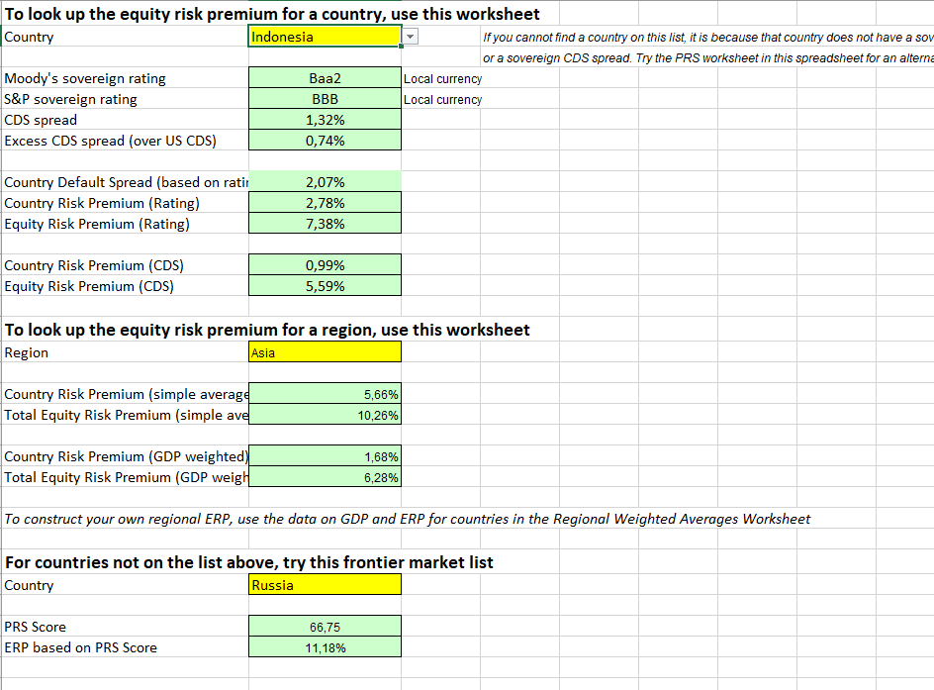
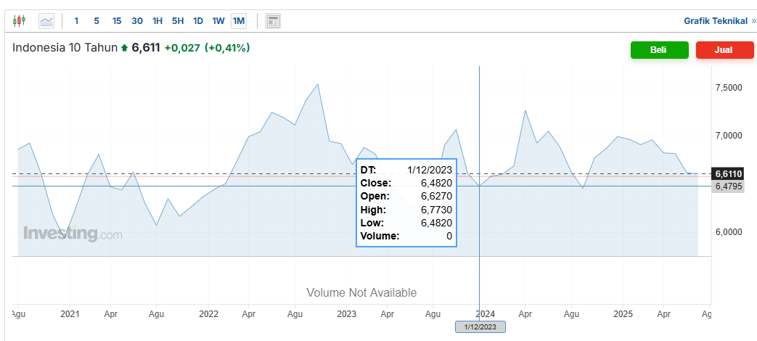
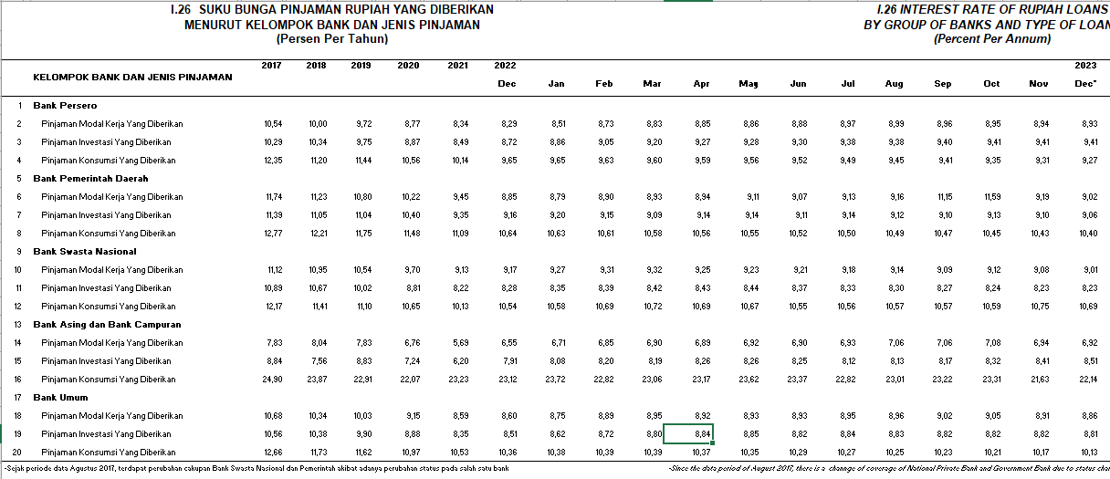
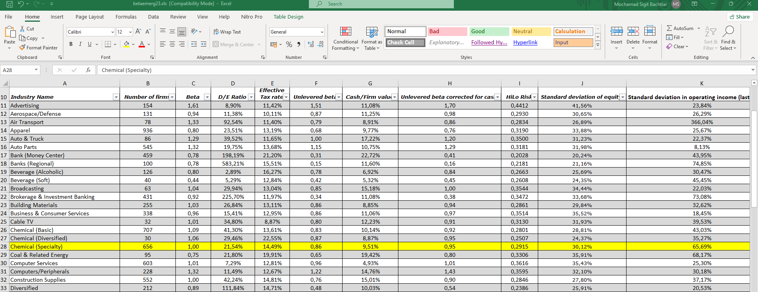
Discount Rate Analysis (CAPM) |  | BU = B/(1+ ( (1-t)x DER)) |  | = | 0.9332
Tax Rate | 22% | BL = BU x ( 1+ ((1-t)x DER )) |  | = | 1.0900
Risk Free | 6.48% | Ke = Rf + (β.Rp) - RBDS |  | = | 12.45%
Beta | 1.090 | Kd = i x (1 - t) |  | = | 6.86%
Equity Risk Premium (Rating) | 7.38% | Struktur Kapital | Bobot (%) Pasar | Biaya Mdl (%) | WACC (%) | pinjaman inves
Country Default Spread (Based on Rating) | 2.07% |  |  |  |  | BANK PERSERO | 9.41
Debt Rate | 8.80% | Hutang | 17.72% | 6.86% | 1.22% | BANK PEMDAS | 9.06
DER industry | 21.54% | Ekuitas | 82.28% | 12.45% | 10.25% | BANK SWASNAS | 8.23
CoE | 12.45% |  |  |  |  | BANK ASENG | 8.51
CoD | 6.86% | Weighted Average Cost of Capital (WACC) |  |  | 11.46% | BANK OM OM | 8.81
WACC | 11.46% |  |  |  |  | AVERAGE | 8.804
Growth | -3.91%

