DISCOUNT RATE
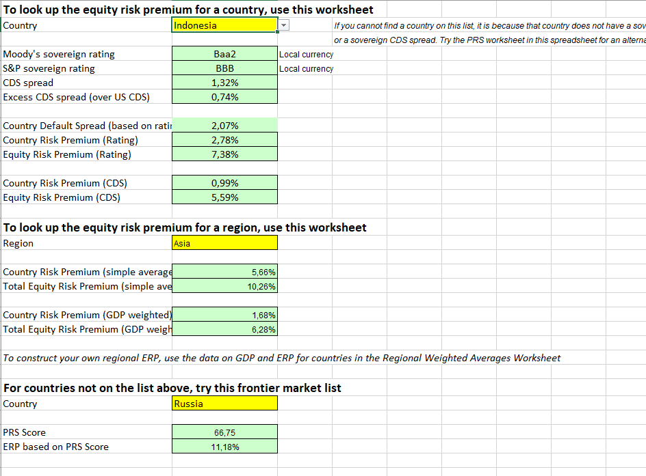
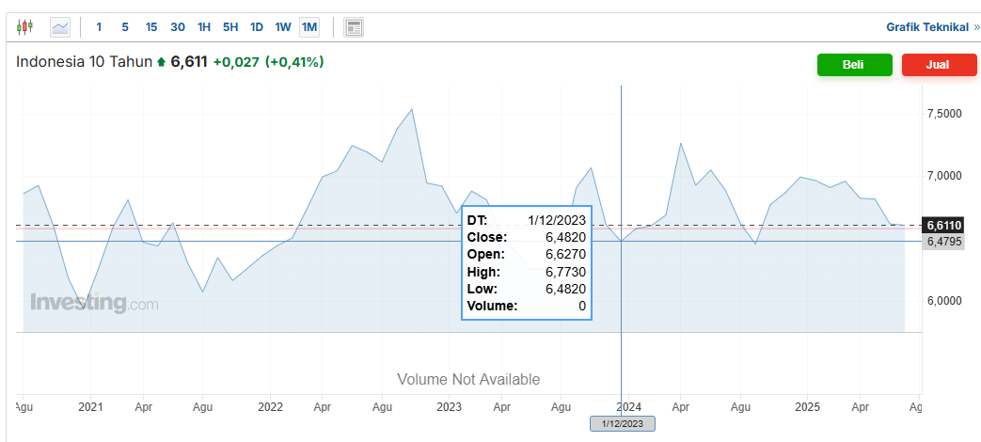
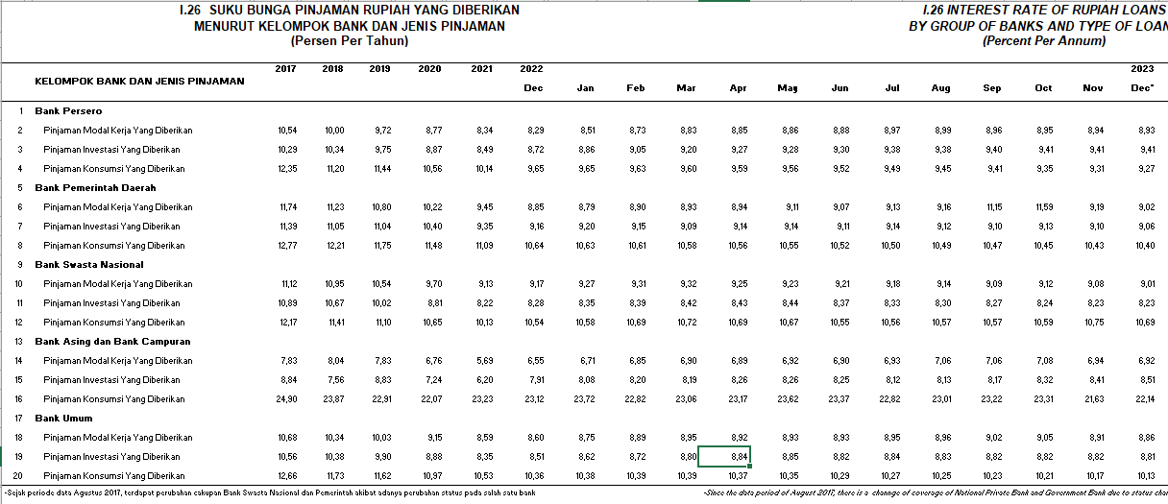
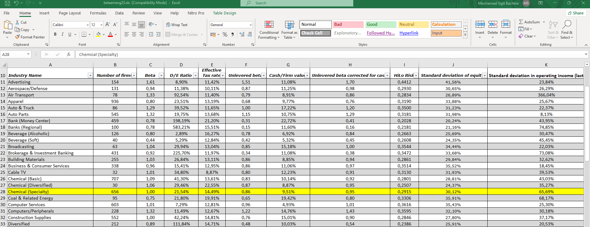
Discount Rate Analysis (CAPM) |  | BU = B/(1+ ( (1-t)x DER)) |  | = | -
Tax Rate |  | BL = BU x ( 1+ ((1-t)x DER )) |  | = | -
Risk Free |  | Ke = Rf + (β.Rp) - RBDS |  | = | 0.00%
Beta |  | Kd = i x (1 - t) |  | = | 0.00%
Equity Risk Premium (Rating) |  | Struktur Kapital | Bobot (%) Pasar | Biaya Mdl (%) | WACC (%) | pinjaman inves
Country Default Spread (Based on Rating)
Debt Rate | 0.00% | Hutang | 0.00% | 0.00% | 0.00%
DER industry |  | Ekuitas | 100.00% | 0.00% | 0.00%
CoE | 0.00%
CoD | 0.00% | Weighted Average Cost of Capital (WACC) |  |  | 0.00%
WACC | 0.00%
Growth | #DIV/0!

