DISCOUNT RATE
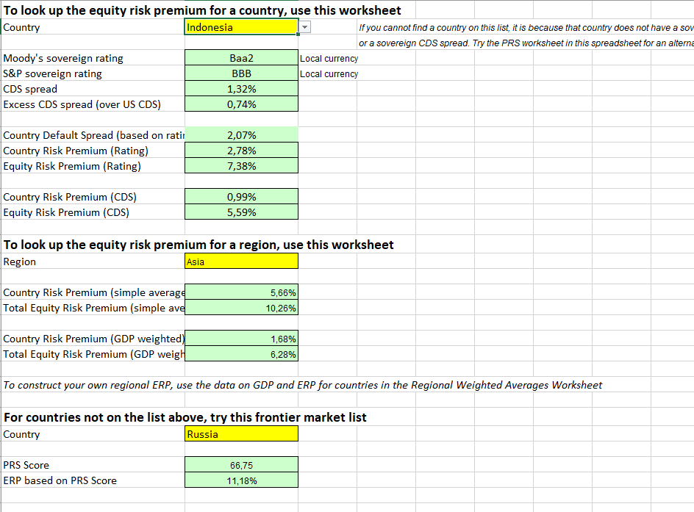
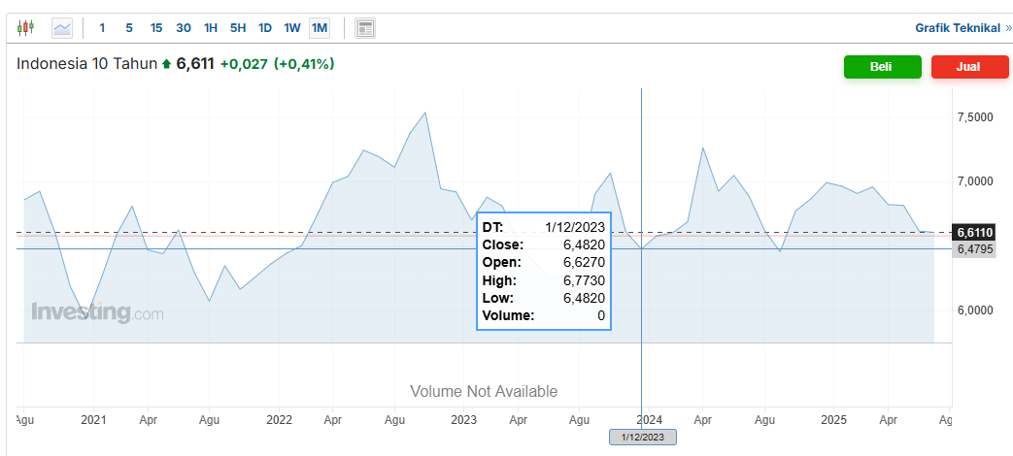
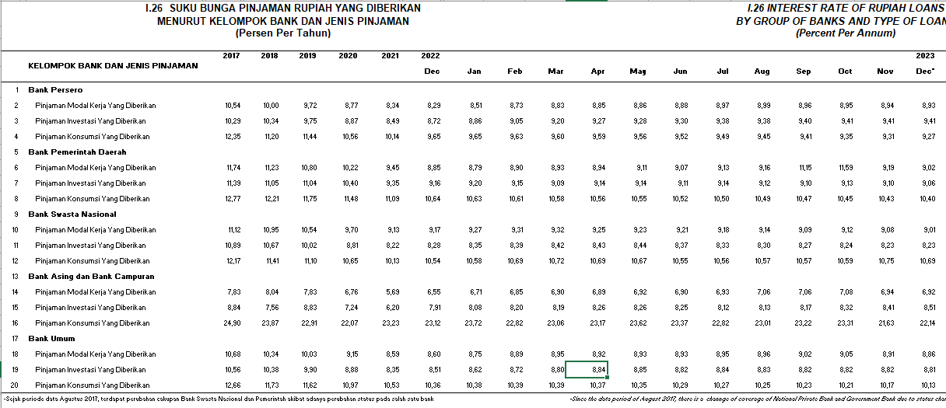
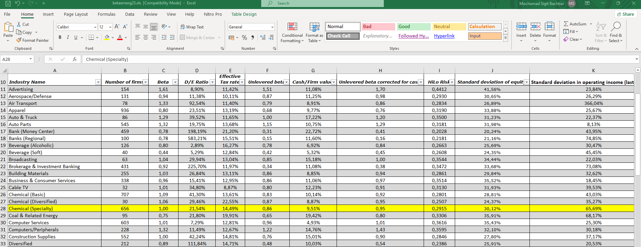
Discount Rate Analysis (CAPM) |  | BU = B/(1+ ( (1-t)x DER)) |  | = | 0.9332
Tax Rate |  | BL = BU x ( 1+ ((1-t)x DER )) |  | = | 1.0900
Risk Free |  | Ke = Rf + (β.Rp) - RBDS |  | = | 12.45%
Beta |  | Kd = i x (1 - t) |  | = | 6.86%
Equity Risk Premium (Rating) |  | Struktur Kapital | Bobot (%) Pasar | Biaya Mdl (%) | WACC (%) | pinjaman inves
Country Default Spread (Based on Rating)
Debt Rate | 8.80% | Hutang | 17.72% | 6.86% | 1.22%
DER industry |  | Ekuitas | 82.28% | 12.45% | 10.25%
CoE | 12.45%
CoD | 6.86% | Weighted Average Cost of Capital (WACC) |  |  | 11.46%
WACC | 11.46%
Growth | 18.65%

