DISCOUNT RATE
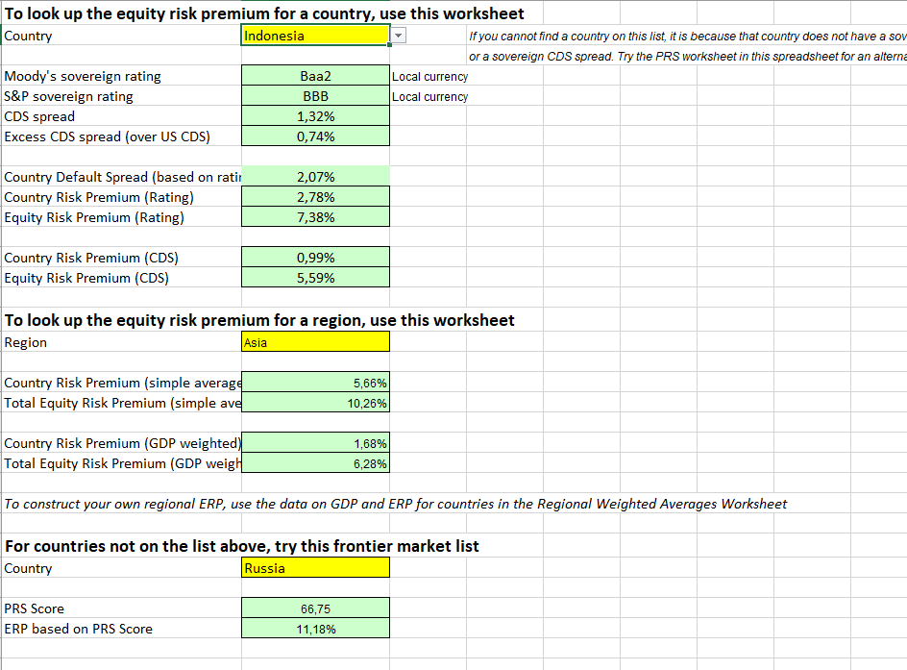
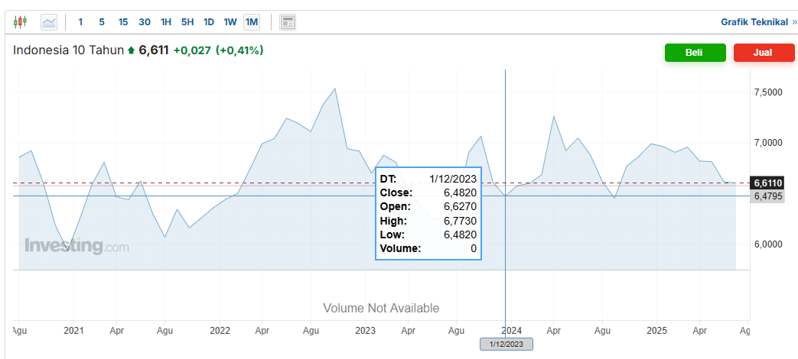
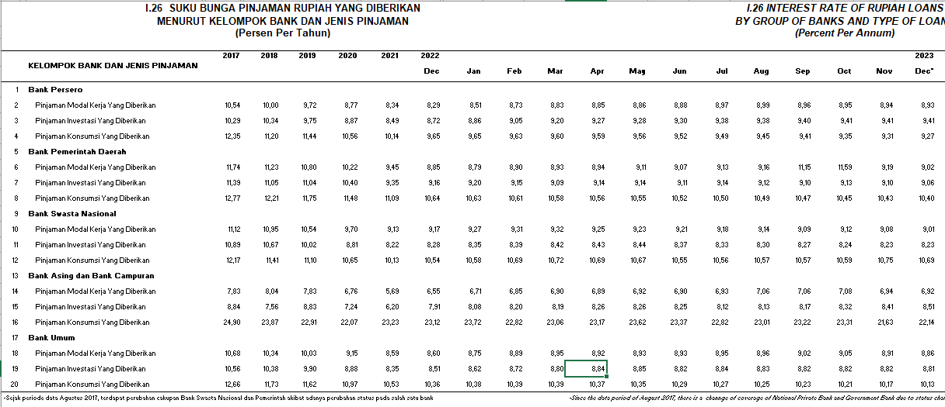
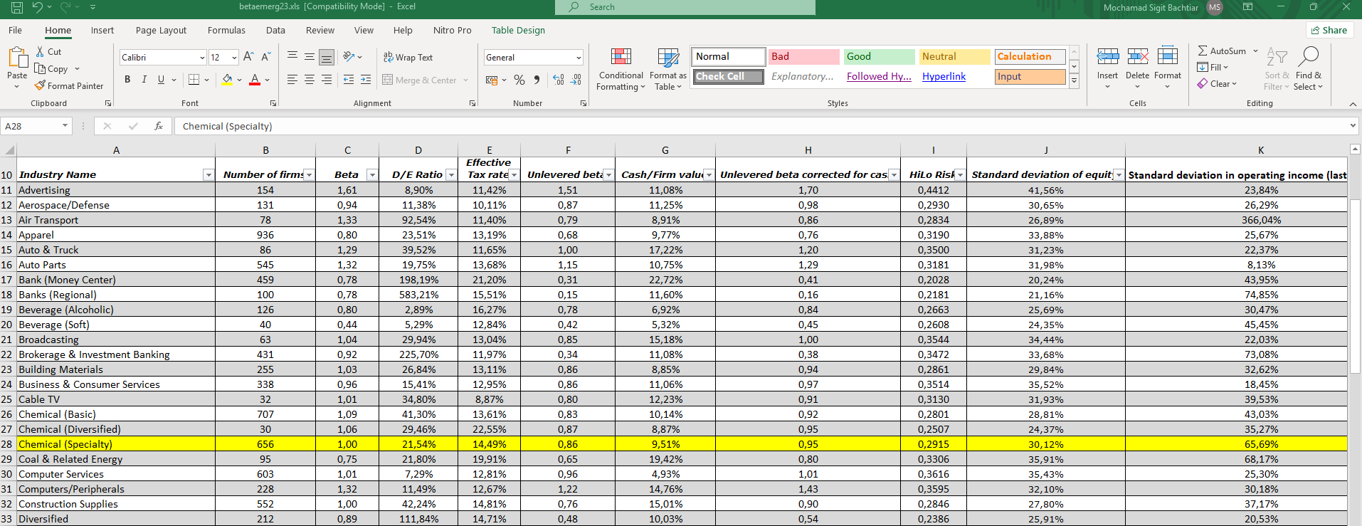
Discount Rate Analysis (CAPM) |  | BU = B/(1+ ( (1-t)x DER)) |  | = | 0.9332
Tax Rate | 22% | BL = BU x ( 1+ ((1-t)x DER )) |  | = | 1.0900
Risk Free | 6.47% | Ke = Rf + (β.Rp) - RBDS |  | = | 12.45%
Beta | 1.090 | Kd = i x (1 - t) |  | = | 6.86%
Equity Risk Premium (Rating) | 7.37% | Struktur Kapital | Bobot (%) Pasar | Biaya Mdl (%) | WACC (%) | pinjaman inves
Country Default Spread (Based on Rating) | 2.07% |  |  |  |  | Bank Persero | 941
Debt Rate | 8.80% | Hutang | 17.72% | 6.86% | 1.22% | Bank Pemdas | 906
DER industry | 21.54% | Ekuitas | 82.28% | 12.45% | 10.25% | Bank Swasnas | 823
CoE | 12.45% |  |  |  |  | Bank Asing | 851
CoD | 6.86% | Weighted Average Cost of Capital (WACC) |  |  | 11.46% | Bank Umum | 881
WACC | 11.46% |  |  |  |  | AVERAGE | 8.804
Growth | 18.65%

