Sheet2

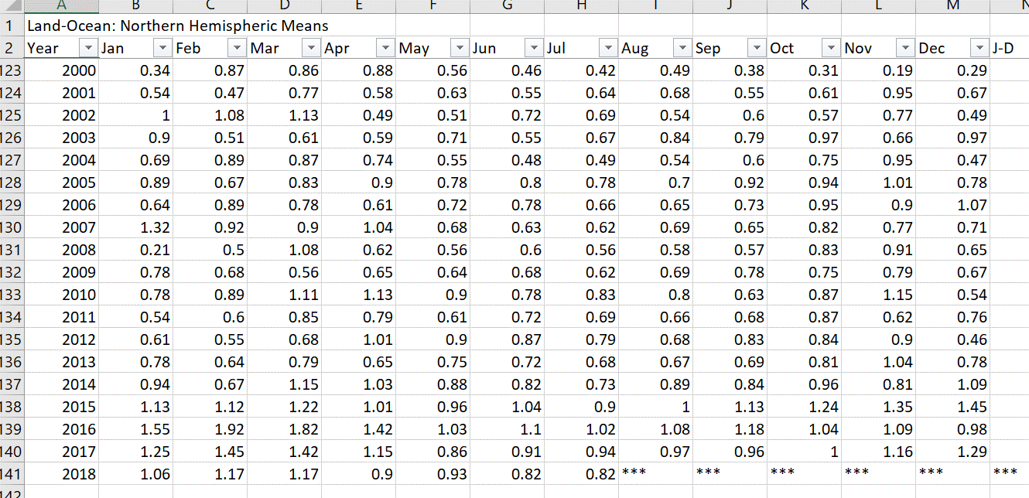
global temperature anomalies

 | Visualization | Map with Radio buttons to select different time periods showing increase in anomalies over time
 | Link to data | https://data.giss.nasa.gov/gistemp
 | Data | Combined Land-Surface Air and Sea-Surface Water Temperature Anomalies (Land-Ocean Temperature Index, LOTI)
 |  | Global-mean monthly, seasonal, and annual means, 1880-present, updated through most recent month: TXT, CSV
 |  | Northern Hemisphere-mean monthly, seasonal, and annual means, 1880-present, updated through most recent month: TXT, CSV
 |  | Southern Hemisphere-mean monthly, seasonal, and annual means, 1880-present, updated through most recent month: TXT, CSV
 |  | Zonal annual means, 1880-present, updated through most recent complete year: TXT, CSV

 | hemisphere of capital cities |  | https://en.wikipedia.org/wiki/List_of_national_capitals_by_latitude
sample

