NB TEST SOP
開始測試
Test Process | No | Test Item | QTY | CT(S) |  | 測試方式
 |  |  |  | 插拔CT(S) | 運行CT(S)
 | 1 | 插入測試配備 LAN/SD/DVD/連接WLAN |  | 15 | N/A | 人工插入配備
1.插入測試配備
LAN/SD/DVD/連接WLAN
 | 2 | 運行測試程式： 2.1.提示插拔電源(確保電池電量在15%~89%之間) 2.2.設定FAN個數 |  | 5 | N/A | 人工插拔&設定
2.運行測試程式：
2.1.確認電池電量
2.2.設定FAN個數
3.程式自動運行測試：
BATTERY
FANTEST
DEVICE
LANTEST
WLAN
SD CARD
DISK HEALTH
BLUETOOTH
DVD
 | 3 | BATTERY | X1 | 3 | 7 | 自動運行及判斷
 |  | FANTEST | X1 or 2 or3 | N/A | 7/14/21
 |  | DEVICE | X1 | N/A | 2
 |  | LANTEST | X1 | N/A | 2
 |  | WLAN | X1 | N/A | 2
 |  | SD CARD | X1 | N/A | 4
 |  | DISK HEALTH | X1 or 2 or3 | N/A | 2
4.人工執行測試：
MIC
SPEAK
HDMI
USBCOUNT
FN+F12
KEYBOARD
CAMERA
KBLED
LCD
TOUCHPAD
AUDIO(L+R)
 |  | BLUETOOTH | X1 | N/A | 2
 |  | DVD | X1 or 0 | N/A | 8
 | 4 | MIC | X1 | 4 | 26 | 人工測試判斷
 |  | SPEAK | X1 | 4 | 3
 |  | HDMI | X1 | 3 | 7
 |  | USBCOUNT | X1 or 2 or3 or 4 | 2/4/6/8 | 5/10/15/20
 |  | FN+F12 | X1 | 3 | 12
5.上傳FUNCTION測試結果
 |  | KEYBOARD | X1 | 42 | 3
 |  | CAMERA | X1 | 6 | 4
是否RUNIN？
是
7.設定RUNIN時間并執行
 |  | KBLED | X1 | 9 | 1
 |  | LCD | X1 | 9 | 1
否
 |  | TOUCHPAD | X1 | 14 | 2
6.拔除測試配備
8.上傳RUNIN測試結果
 |  | AUDIO(L+R) | X1 | 4 | 31
 | 5 | 上傳FUNCTION測試結果 |  | 5 | 5 | 人工上傳
 | 6 | 拔除測試配備 |  | 15 | N/A | 人工拔除配備
完成FUNCTION測試
完成RUNIN測試
 | 7 | 設定RUNIN時間并執行 |  | 5 | 按設定時間而定 | 人工設定
 | 8 | 上傳RUNIN測試結果 |  | 5 | 5 | 人工上傳

ERROR 53
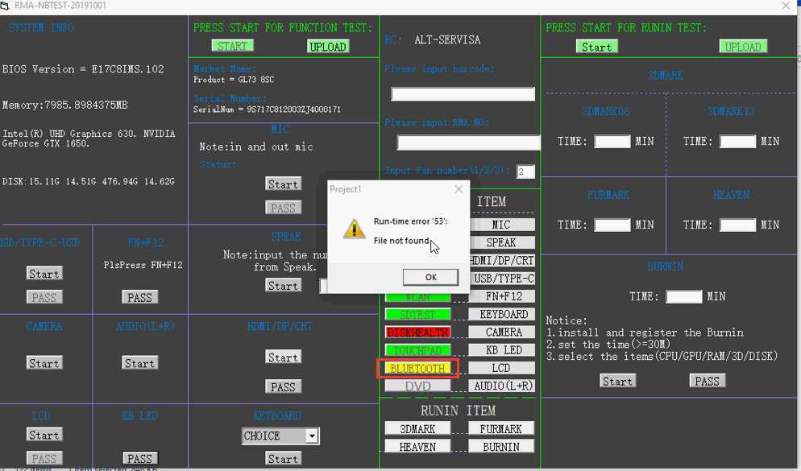
Root cause: the tool has been deleted, please close the firewall
Solution: please close the firewall, and download the test program again.
PS: For the version :RMA-NBTEST20191201, if the DISKINFO and Bluetooth had been deleted, There will be no 53 error, only note "please close the antivirus software, and download the test program again."

ERROR 5
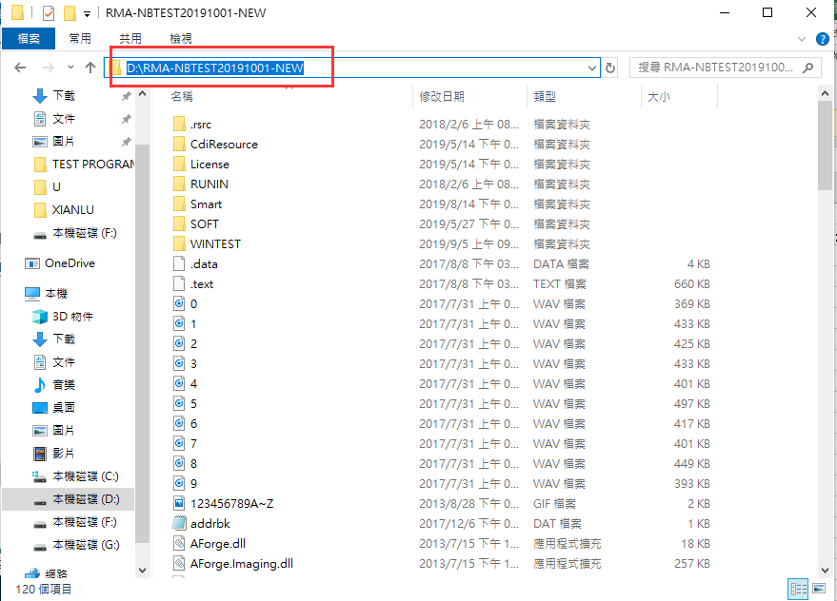
Root cause: the path of program cannot be identified.
Solution: copy the test program to the root directory of drive. Example: D:/ E:/ F:/

500 ERROR
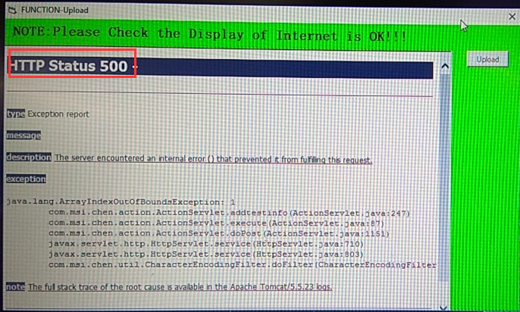
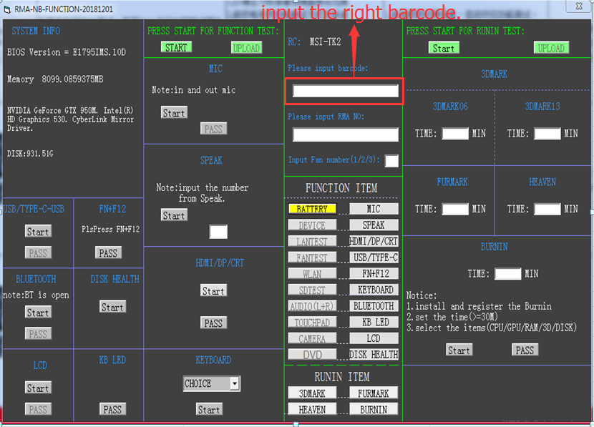
The barcode is wrong, please input the right barcode again.
根本原因：輸入的條碼錯誤，請輸入正確的條碼

IE error FOR upload
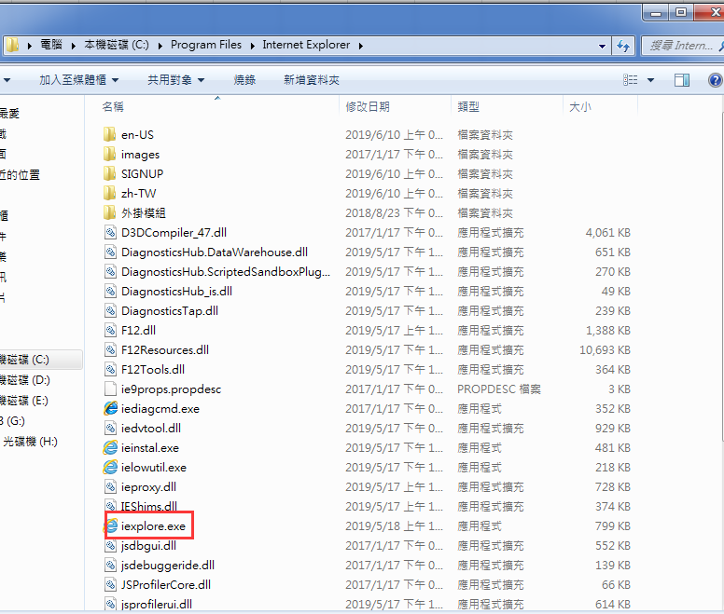
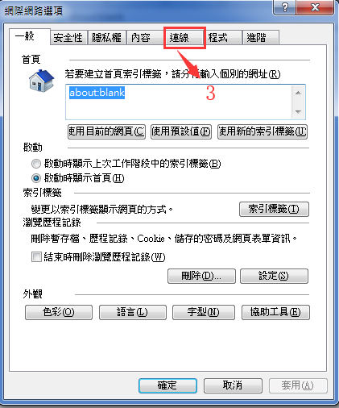
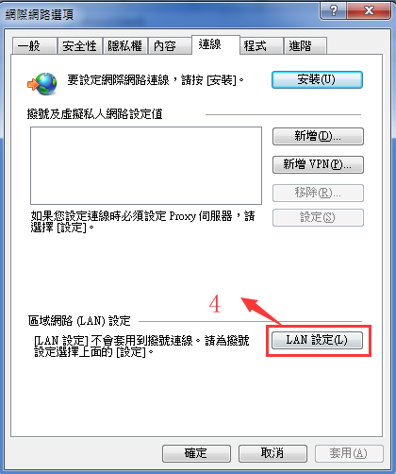
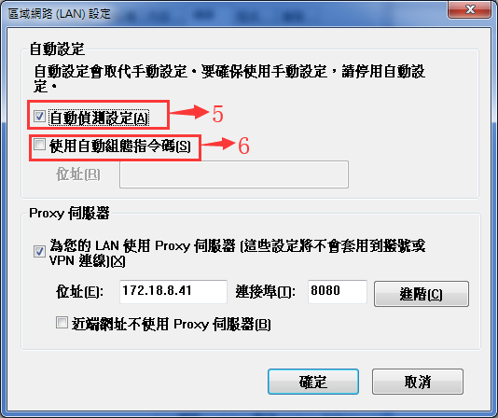
For the error as below:
針對如下現象
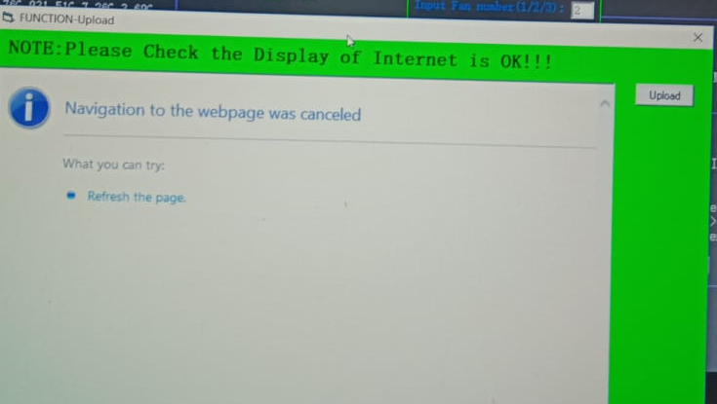

Solution: open the IE explorer, step 1 ,2, 3, 4, set these as 5 and 6, then reupload it
解決方法：打開IE瀏覽器如下左上圖，按步驟1 - 2 -3 -4 -5 -6， 設定完畢后，再次點主程式上的upload按鈕打開上傳界面。

CAMERA TEST PICTURE
CAMERA TEST
1. print the picture as below (打印如下圖片）


2. when test camera, Place the paper on the camera to identify the qr code （測試 攝像頭時，将纸放在攝像頭上识别此圖片）

91 ERROR
 | 作業指導書(WORKING INSTRUCTION)
機種(MODEL) |  | 製程站別 (Process Station) |  | ISSUE |  | Station No: | Date
ALL NB |  | 測試(Test) |  | 91 ERROR |  | F/T | 2018-11-28
PS: root couse: the page of internet isn't normal(no full open/network is fail) |  |  |  |  |  | 注意事項 (ATTENTION)
說明：根本原因是：internet页面不正常(没有完全打开/网络失败)
1. when the result is uploading, down the page to check it is full open.(normal as picture 1)
1. 上傳界面時，要確保上傳頁面已正常打開，如下圖1
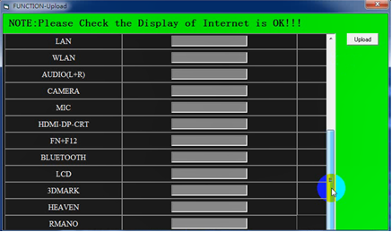

 | picture 1

2. if the page of internet isn't normal(ex: picture 2), don't press the upload button, else,the 91 error is happened.
please close the page , then check the network and press the "upload in the main test program again.
2.如果网页不正常(如图2)，请勿按上传按钮，否则发生91错误。
请关闭页面，然后检查网络，再次按測試主界面上的“upload”。
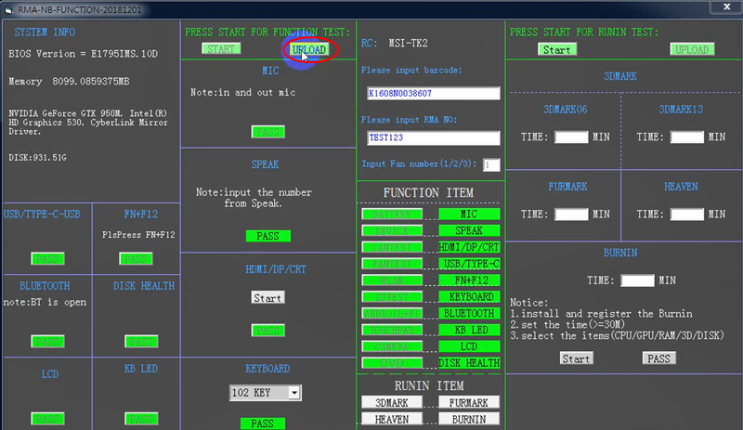
 |  |  |  |  |  | 治 工 具(TOOL / FIXTURE)
 | no normal | close it |  |  |  | 1 | 19
 |  |  |  |  |  | 2 | 20
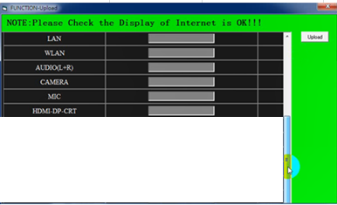
 |  |  |  |  |  | 3 | 21
 |  |  |  |  |  | 4 | 22
 |  |  |  |  |  | 5 | 23
 |  |  |  |  |  | 6 | 24

 | picture 2 |  |  |  | picture 3
APPROVED BY : |  |  | ISSUE BY: | ROBINZHOU

339 ERROR
 | 作業指導書(WORKING INSTRUCTION)
機種(MODEL) |  | 製程站別 (Process Station) |  | ISSUE |  | Station No: | Date
ALL NB |  | 測試(Test) |  | 339 ERROR |  | F/T | 2018-11-28
1. Copy the file to the path: "c:\windows\system32" (for 32 bit); "c:\windows\syswow64" (for 64 bit) |  |  |  |  |  | 注意事項 (ATTENTION)
複製以下路徑中的對應文件，例如"MCI32.OCX", 到系統目錄下，32位系統到system32,64位系統到sysWOW64.
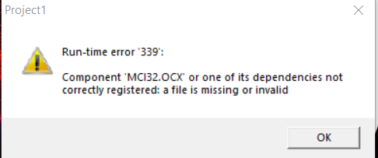
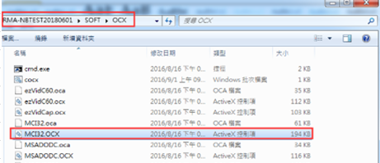

 |  |  | COPY

 |  | 32 bit os | 64 bit os
2. Regsvr32 the file
open the CMD.exe with admin limit
into the path: "c:\windows\system32" (for 32 bit); "c:\windows\syswow64" (for 64 bit), run the "regsvr32 MCI32.ocx"
註冊對應文件
用管理員權限打開CMD.EXE， 32位系統命令如下左圖；64位系統命令如下右圖 |  |  |  |  |  | 治 工 具(TOOL / FIXTURE)
以下命令以缺失MCI32.OCX為例 |  |  |  |  |  | 1 | 19
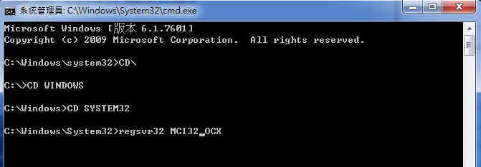
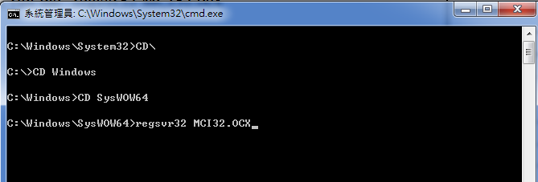
 |  |  |  |  |  | 2 | 20
 |  |  |  |  |  | 3 | 21
 |  |  |  |  |  | 4 | 22
 |  |  |  |  |  | 5 | 23
 |  |  |  |  |  | 6 | 24

 | 32 BIT |  |  |  | 64 BIT

APPROVED BY : |  |  | ISSUE BY: | ROBINZHOU

Test Special Keyboard
 | 作業指導書(WORKING INSTRUCTION)
機種(MODEL) |  | 製程站別 (Process Station) |  | ISSUE | Station No: | Date
ALL NB |  | 測試(Test) |  | Test Special Keyboard | F/T | 2018-11-28
1. Open the folder: WINTEST\KEYBOARD , and open the “WKBCCFG.EXE” |  |  |  |  | 注意事項 (ATTENTION)
打開如下文件夾，雙擊 “WKBCCFG.EXE
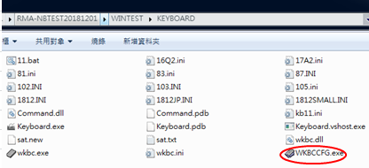

2. press the “OK”, and press every key for the keyboard
點擊OK ，按鍵盤所有鍵
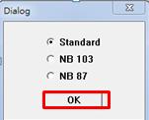

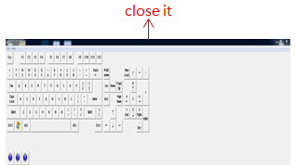
3. when all the keys have been pressed, close the interface, and press “Y”
當所有鍵都按入之後，關閉界面，并按Y 保存
 |  |  |  |  | 治 工 具(TOOL / FIXTURE)
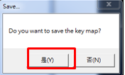
 |  |  |  |  | 1 | 19
 |  |  |  |  | 2 | 20
 |  |  |  |  | 3 | 21
 |  |  |  |  | 4 | 22
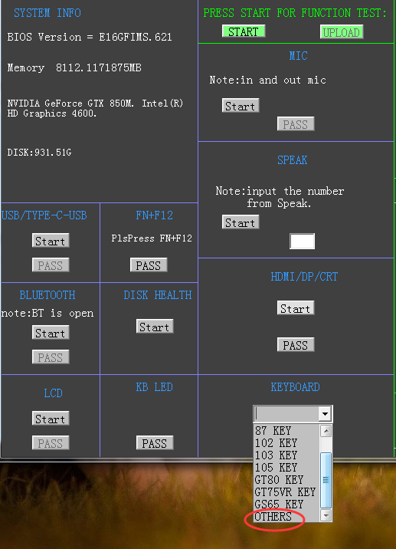
 |  |  |  |  | 5 | 23
 |  |  |  |  | 6 | 24

4. change the name of “wkbc.ini” to “other.ini” in the folder of WINTEST\KEYBOARD,
then choice "OTHERS" in the test program
更改wkbc.ini為other.ini，然後再測試程式中，鍵盤測試時，選擇others開始測試
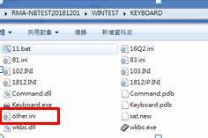
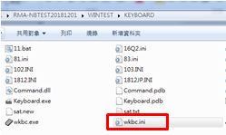
 |  | change name |  | choice "OTHERS"

APPROVED BY : |  |  | ISSUE BY: | ROBINZHOU

