Sheet1
RowID | ColID | PatternID
0 | 0 | 1
0 | 1 | 1
0 | 2 | 1
1 | 1 | 1
2 | 1 | 1
3 | 1 | 1
0 | 1 | 2
0 | 2 | 2
1 | 0 | 2
1 | 1 | 2
2 | 1 | 2
3 | 1 | 2
0 | 1 | 3
0 | 2 | 3
1 | 1 | 3
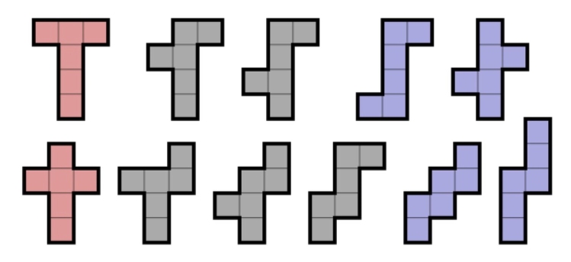
2 | 0 | 3
2 | 1 | 3
3 | 1 | 3
0 | 1 | 4
0 | 2 | 4
1 | 1 | 4
2 | 1 | 4
3 | 0 | 4
3 | 1 | 4
0 | 1 | 5
1 | 1 | 5
1 | 2 | 5
2 | 0 | 5
2 | 1 | 5
3 | 1 | 5

