Fig 1
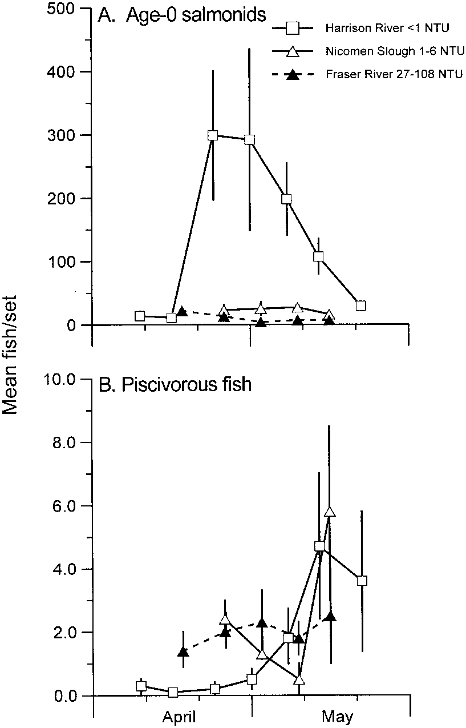

FIGURE 1.—Mean numbers (ﬁsh/set of a 15-m beach
seine) of (A) age-0 salmonids and (B) potential piscivorous
ﬁsh in Harrison River, Fraser River, and Nicomen
Slough areas, British Columbia, April and May 1991.
Vertical bars indicate standard error of weekly catches;
NTU
5 nephelometric turbidity units.

Fig 2
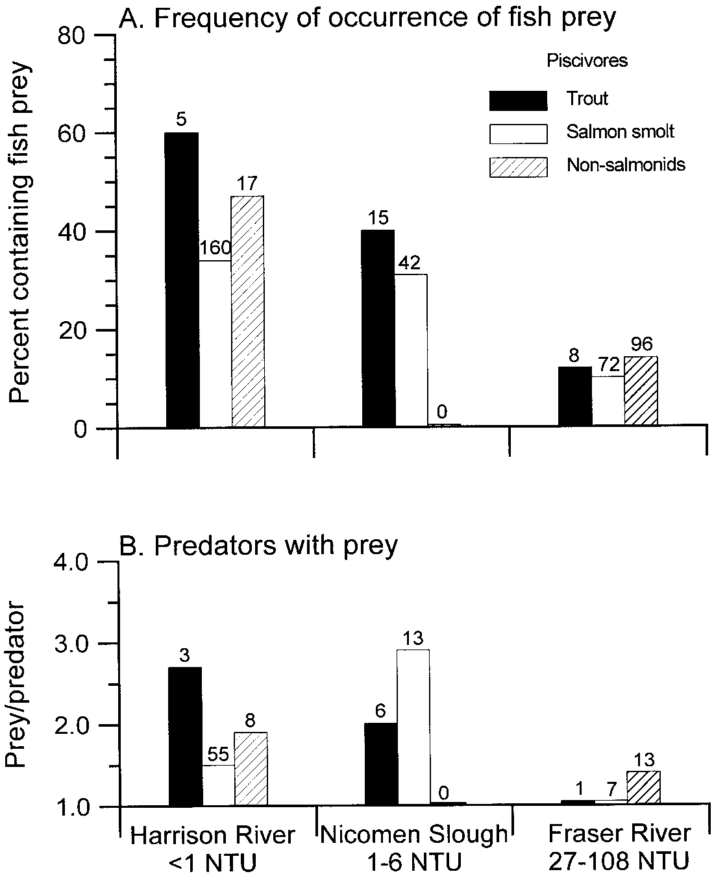

FIGURE 2.—(A) Percentage of adult trout, salmon smolts, and nonsalmonid piscivores that consumed ﬁsh prey
in the Harrison River, Fraser River, and Nicomen Slough areas, British Columbia, 25 April and 15 May 1991. (B)
Number of prey consumed per predator among those with at least one ﬁsh prey in the stomach. Numbers above
bars indicate the number of predators examined; NTU
5 nephelometric turbidity units.

Fig 3
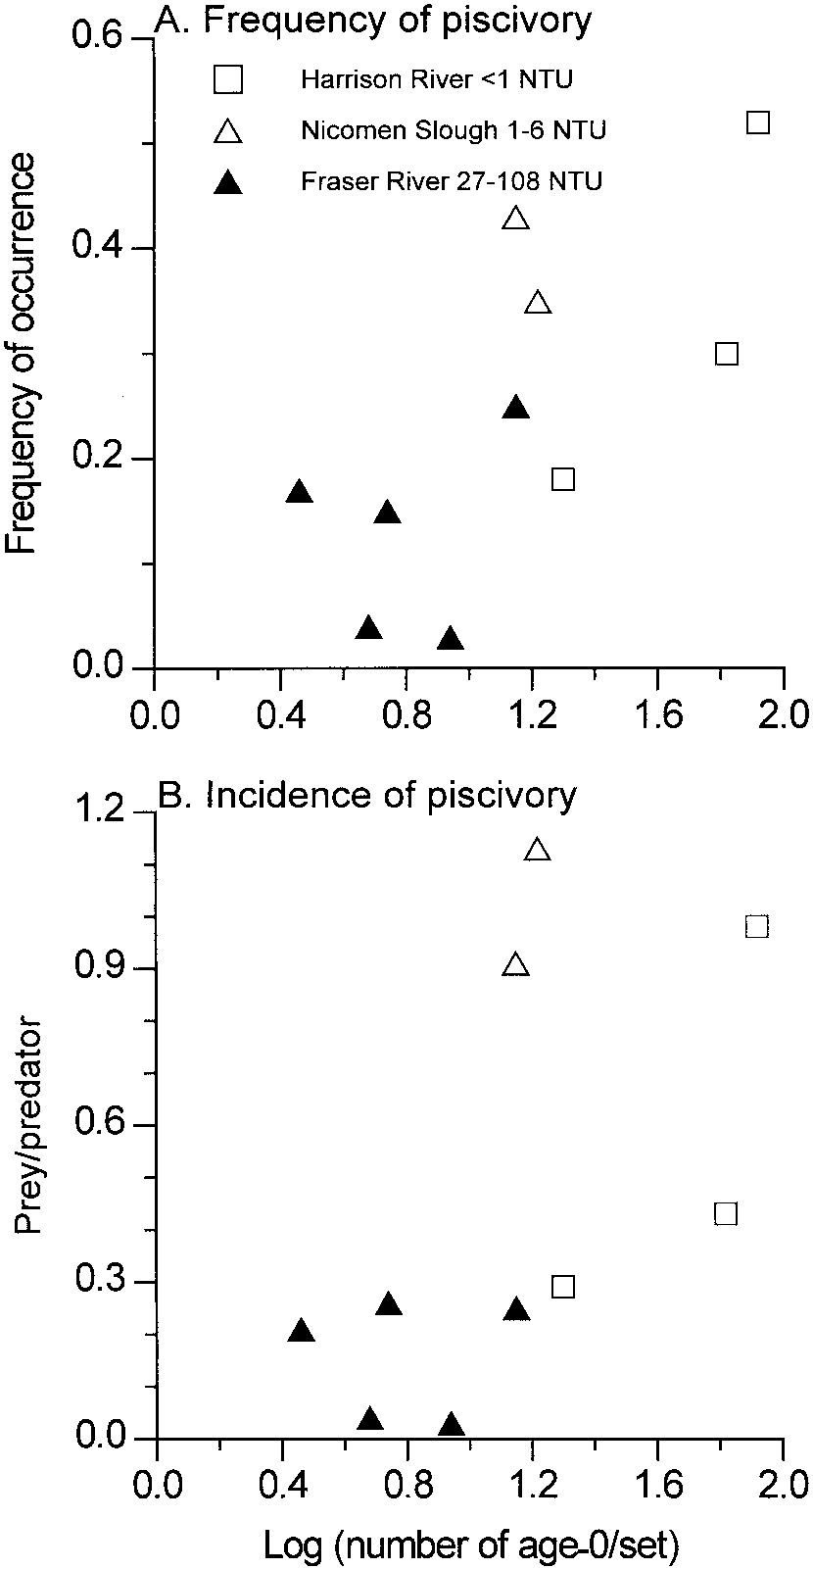

FIGURE 3.—(A) Proportion of piscivorous ﬁsh with at
least one ﬁsh in their stomach and (B) number of prey
per predator (all predators) as a function of the standardized
abundance (ﬁsh/set in a 15-m beach seine) of
age-0 salmonids in the Harrison River, the Fraser River,
and Nicomen Slough areas, British Columbia, April and
May 1991. Data are presented for dates and areas where
the predator sample size was at least 20; NTU
5 nephelometric
turbidity units.

Fig 4
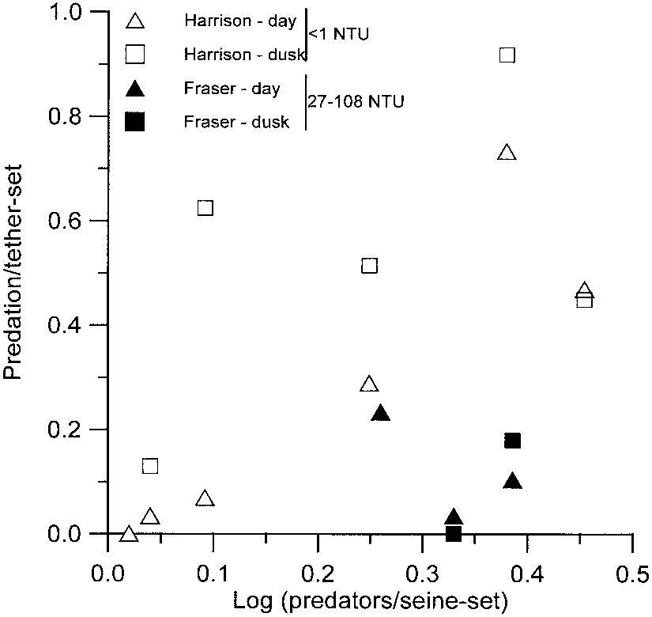

FIGURE 4.—Proportion of predation events observed
among 1-h tether sets conducted during the day and night
in the Harrison River and Fraser River, British Columbia,
as a function of predator catch by 15-m beach seine,
April and May 1991. Individual points represent percentage
in either river during a particular sample date;
NTU
5 nephelometric turbidity units.

Fig 5
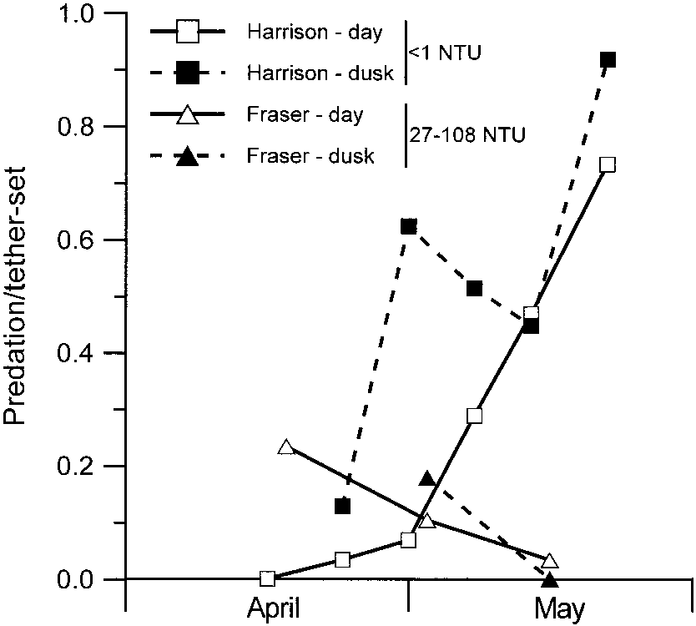

FIGURE 5.—Proportion of predation events observed
among 1-h tether sets conducted during the day and at
dusk during weekly sampling in the Harrison and Fraser
River, British Columbia, April and May 1991; NTU
5
nephelometric turbidity units.

Fig 6
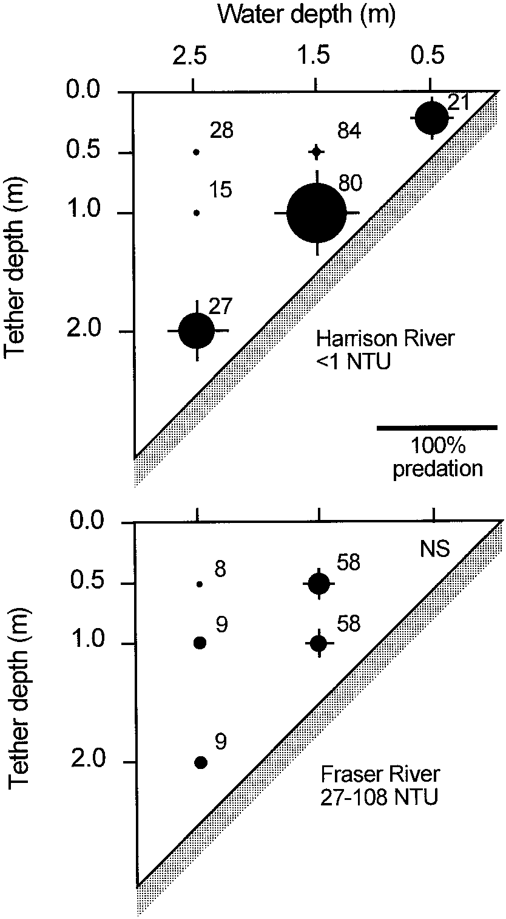

FIGURE 6.—Proportion of predation events observed
among 1-h tether sets conducted at discrete vertical positions
and depths in the Harrison River and Fraser River,
British Columbia, April and May 1991. Scale bar indicates
diameter of circle at 100% predation events;
whiskers represent SEs of sets; numbers indicate the
number of sets; NS
5 not sampled; NTU 5 nephelometric
turbidity units.

