1. Title Page
Instacart Customer Segmentation Analysis

Project Name: Instacart Customer Segmentation Analysis
Date: 09.04.2025
Analyst Name: Seán King

Contents:
Population Flow
Consistency checks
Wrangling steps
Column derivations
Visualizations
Recommendations

Data Citation: “The Instacart Online Grocery Shopping Dataset 2017”, Accessed from www.instacart.com/datasets/grocery-shopping-2017 via Kaggle on 07.04.2025

2. Population Flow
Population flow

Exclusion flag
Condition: max_order < 5
Obervations to be removed: 1440295
Final total count of order_products_all: 30964564

Orders_products_combined
Orders_products_merged
Orders_products_all

Total: 32,404,859
Total: 32,434,489
Total: 32404859

3. Consistency checks
Consistency checks

Dataset | Missing values | Missing values treatment | Duplicates
orders | Days_since_prior_order: 206209 | Nothing, all first orders | None
products | product_name: 16 | Row-wise deletion | 5
products | product_id==33664 | assinged average of 2 similar items
products | product_id==21553 | assigned average of 70 similar items
orders_products_prior | None | None | None
customers | first name: 11259 | None, unnecessary column anyway | None

4. Wrangling steps
 |  |  |  |  | Title page
Wrangling steps

 | Columns dropped | Columns renamed | Columns' type changed | Comment/Reason
1 | orders[eval_set] |  |  | irrelevant
2 |  |  | departments, df tranposed | was in the wrong shape
3 |  | df_ords['order_dow'] -> 'orders_day_of_week' |  | To make meaning clearer
4 |  |  | df_ords['order_id', 'user_id'] to string | They didn't need to be numeric
5 | customer['first name', 'surname'] |  |  | PII
6 | customer['date joined'] |  |  | reduntant as we have first order
7 | aisle_id |  |  | not needed
8 | product_id/product name |  |  | final analysis not on product level
9 | reordered, add-to-cart-order |  |  | not needed for analysis
10 |  | customers: AGE->age; STATE->state |  | keep case formatting consistent
11 |  |  | ords_prods['order_id', 'order_day_of_week', 'department_id', 'user_id'] to string | save space
12 |  |  | ords_prods: all float64->float32, all int64-> int32 | save space

5. Column derivations
Column derivations and aggregations

Dataset | New column | Column/s it was derived from | Conditions
ords_prods_merge | price_range_loc | prices | Low: <=5; Mid Range: >5 | <= 15; High: > 15 | price_range_loc | count | region | count(users) | orders_day_of_week | busiest_days | count
ords_prods_merge | busiest_day | orders_day_of_week | max = busiest day, least busy = least busy, all other = regularly busy | Mid-range product | 32823 | South | 54193 | 0 | Busiest days | 6204182
ords_prods_merge | busiest_days | orders_day_of_week | busiest 2 days, least 2 busy days, others are regularly busy | Low-range product | 16292 | West | 41481 | 1 | Busiest days | 5660230
ords_prods_merge | busiest_hours | order_hour_of_day | top 8 hours = Most orders, next 7 = Average orders, rest = Fewest orders | High-range product | 545 | Midwest | 38376 | 6 | Regularly busy | 4496490
ords_prods_merge | max_order | order_number, user_id | Max orders per customer |  |  | Northeast | 28581 | 2 | Regularly busy | 4213830
ords_prods_vars | loyalty_flag | max_order | Loyal: >40; regular: >10 <=40; New: >= 10 |  |  |  |  | 5 | Regularly busy | 4205791
ords_prods_vars | avg_price | prices | Average product price per customer | Busiest_hours | count | loyalty_flag | count | 3 | Least busy days | 3840534
ords_prods_vars | spending_flag | prices | High Spender: >=10; Low Spender: <10 | Most orders | 21118071 | New customer | 112328 | 4 | Least busy days | 3783802
ords_prods_vars | median_days_tween_orders | days_since_prior_order, user_id | Median value of days between orders per customer | Average orders | 9363426 | Regular customer | 76864
ords_prods_vars | frequency_flag | median_days_tween_orders | Non-Frequent:>=10; Regular:>10 or <=20; Frequent > 20 | Fewest orders | 1923362 | Loyal customer | 17017
ords_prods_cust_min5_demog | demographic_profile | age, income, n_dependents, fam_status | age >30, 30-50, 50+, income 100k +/-, n_dependents 0 or 1+, family status
ords_prods_cust_min5_demog | region | state | West, Midwest, Northeast, South | spending_flag | count | frequency_flag | user_id
 |  |  |  | Low spender | 202821 | Frequent customer | 86596
 |  |  |  | High spender | 3388 | Non-frequent customer | 59619
 |  |  |  |  |  | Regular customer | 59993

6. Visualizations
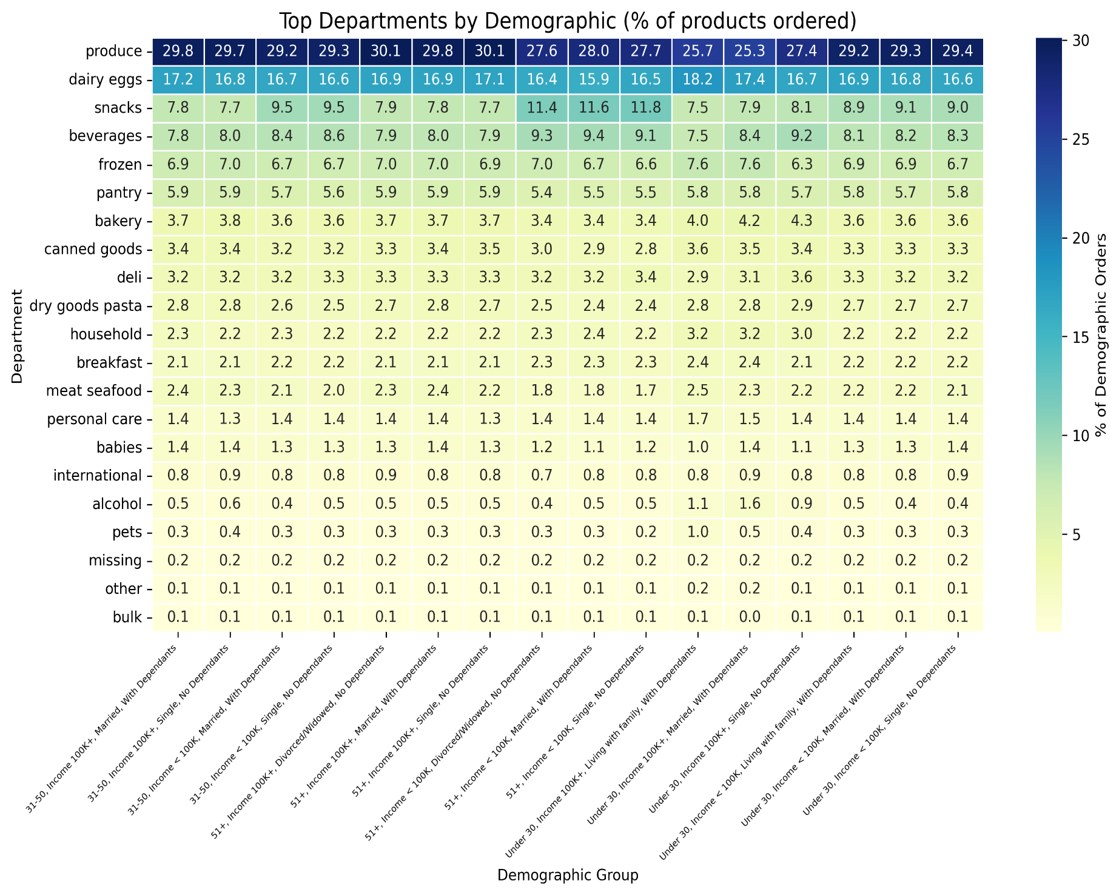
Visualisations
Stakeholder Questions
Answers and Comments

 |  | The sales team needs to know what the busiest days of the week and hours of the day are in order to schedule ads at times when there are fewer orders. | Saturday and Sunday are the busiest two days of the week by a clear margin. Tuesday and Wednesday are marginally less busy than the other weekdays. Regarding time of day, the peak time period is from 9-16h, with a gradual decline in the evenings. Between 11 and 6 am is the least busy period. This pattern remains consistent across weekends and weekdays
 |  | They also want to know whether there are particular times of the day when people spend the most money | Spending is only higher during certain times of day due to the larger number of items ordered. The average price of the items ordered remains very consistent across time, at about 7.8 dollars per item

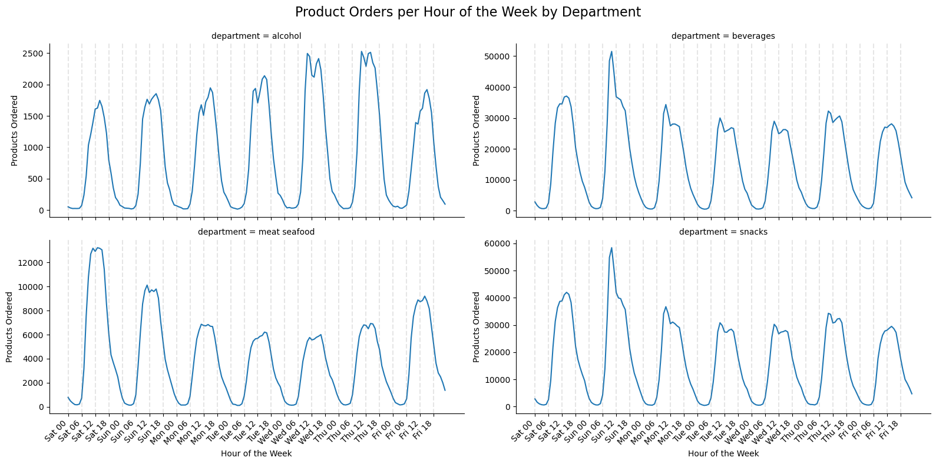
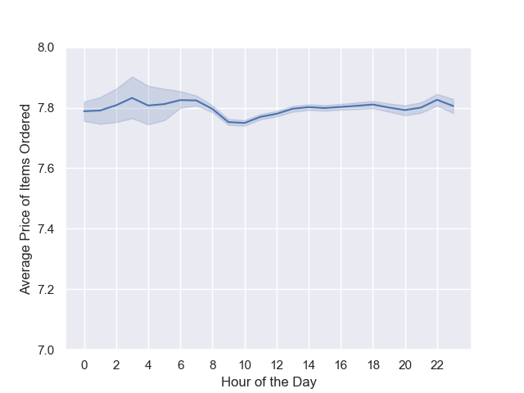 | 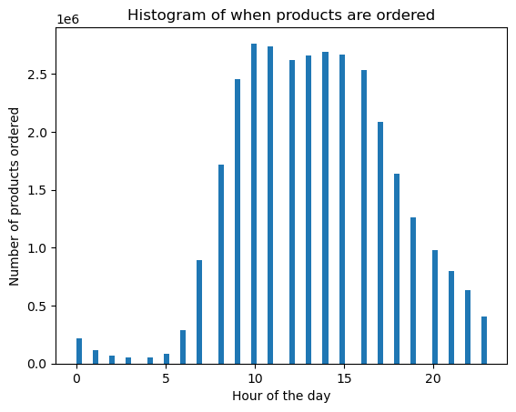 |  | In the grouped line charts at the bottom, I looked at four specific categories of product that I found interesting. First, alcohol is actually quite different compared the overall times products are ordered that we saw at the top, in that its most popular days are Tuesday, Wednesday and Thursday. This is especially surprising given alchohol is usually drank most at the weekend. This likely means that people are buying their alcohol ahead of time for the weekend, rather than making last minute purchases
 |  |  | Both beverages and snacks are more in line with the overall patterns, and are most popular at the weekend, particularly on Sundays
 |  |  | Meat and seafood is the product category with highest prices, and we see here that Saturday is the most popular time to order these items

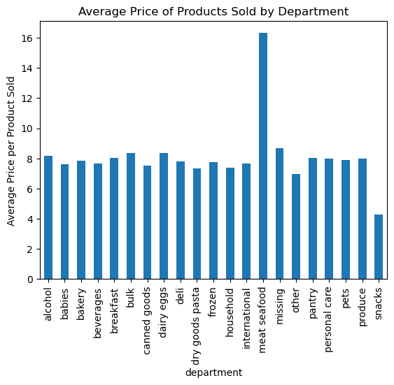
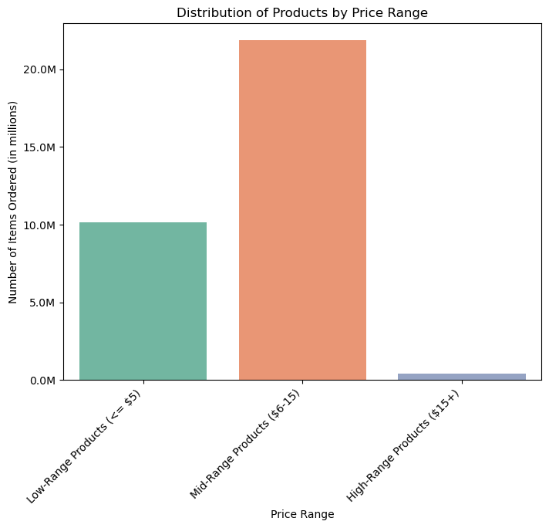

 |  | Instacart has a lot of products with different price tags. Marketing and sales want to use simpler price range groupings to help direct their efforts. | When we break down the average price of products sold by department, the two standouts are the meat/seafood category which cost around double as much as the rest, and the snacks items which are about half the price as the rest. All other product categories have about an $8 average price per item

 |  | Are there certain types of products that are more popular than others? | Looking at the popularity of products based on the marketing team's three-level grouping, low, mid and high range products, we can see that mid-range products are by a long way the most popular. Over twice as many mid-range products are ordered than low-range.

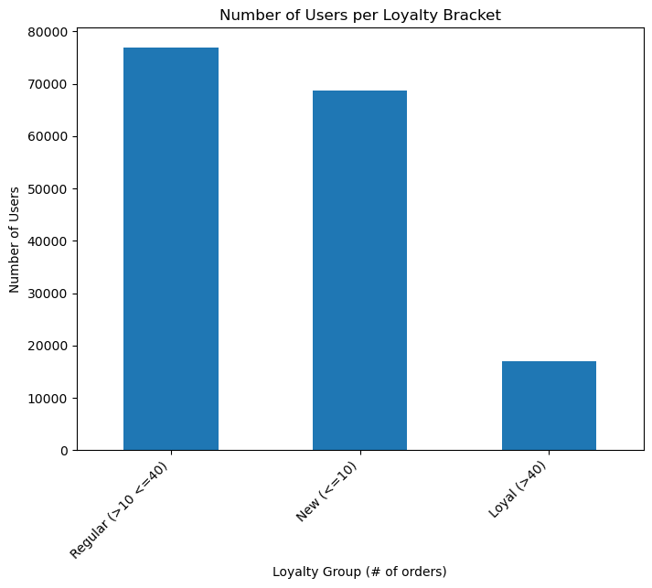
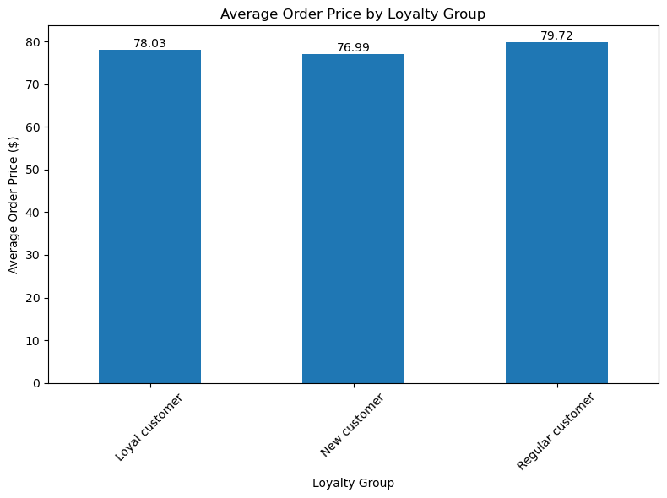

 |  | What’s the distribution among users in regards to their brand loyalty (i.e., how often do they return to Instacart)? | The largest proportion of users are within the 'Regular' category (between 10 and 40 orders), closely followed by 'New' users (less than 10 orders). There are comparatively few customers in the 'Loyal' (40+ orders) category

 |  |  | We can see that there is very little difference between the average price of an order between customer loyalty groups- All three categories are within 3 dollars of one another

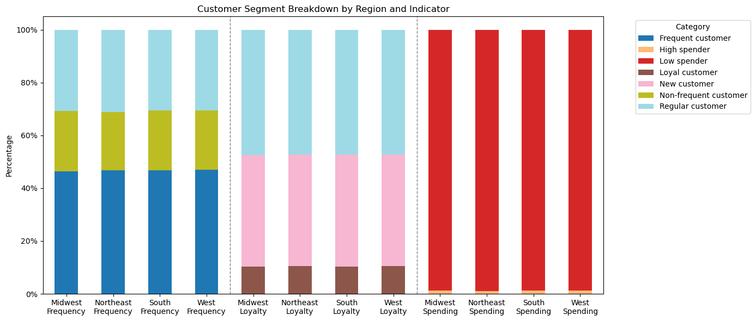
 |  | Are there differences in ordering habits based on a customer’s region?

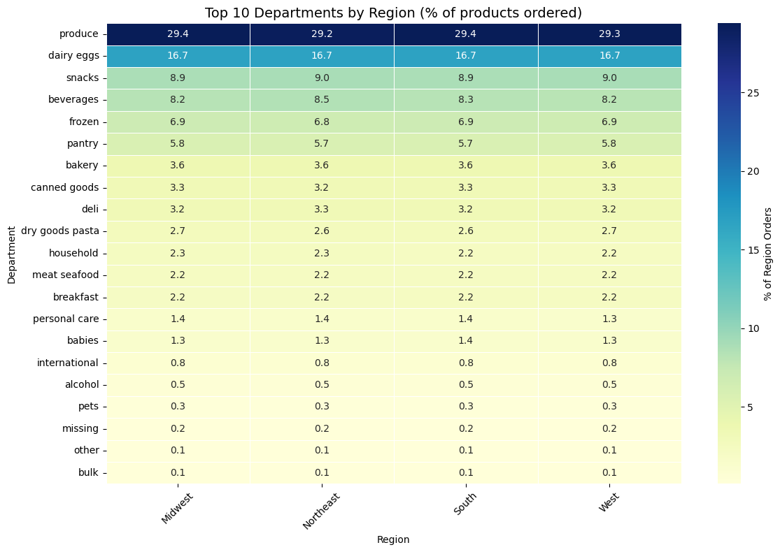
 |  |  | There are not differences in ordering habits based on customers' region. As we can see on the stacked bar charts, whether we look at high vs low spenders, customers order frequency, or their loyalty, the breakdown of customers remains the same across all 4 regions
 |  | The marketing and sales teams want to know which departments have the highest frequency of product orders.
 |  |  | Not only that, but when we look at the breakdown of the types of products that customers order in this heatmap, it is virtually identicle across regions. We can see that produce and dairy/eggs are far and away the most frequently ordered items, followed by snacks and beverages, then frozen and pantry.

 |  | Are there differences in ordering habits based on a customer’s loyalty status? |  | Region | # users
 |  |  |  | South | 54193
 |  |  |  | West | 41481
 |  |  |  | Midwest | 38376
 |  |  |  | Northeast | 28581

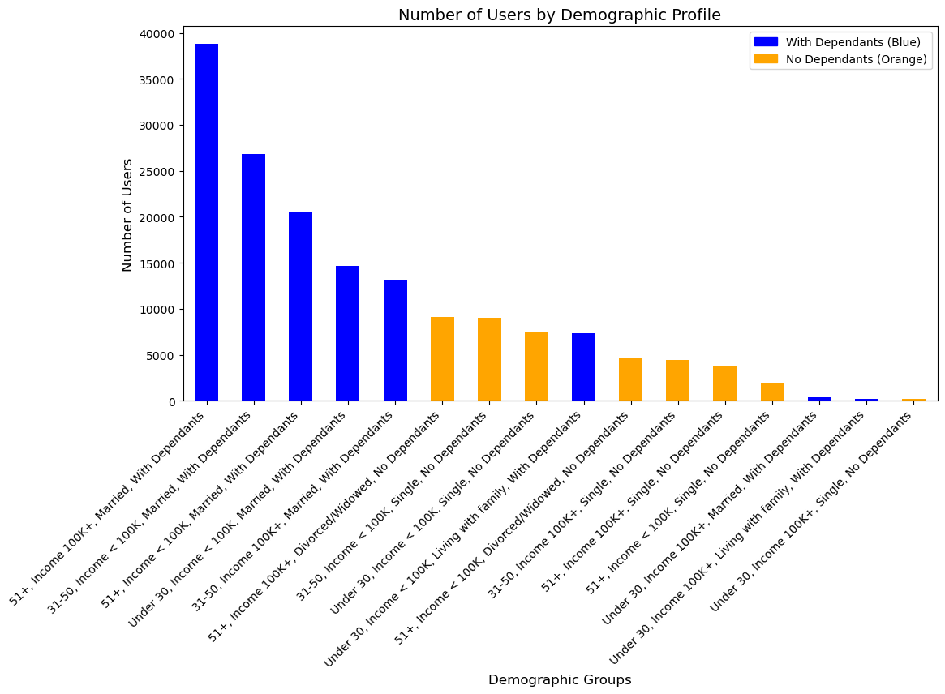

 |  | Is there a connection between age and family status in terms of ordering habits? | The demographic information we have allows us to split customers down by income, age, family status and number of dependants.

 |  | What differences can you find in ordering habits of different customer profiles? | We can see from the first bar chart that the largest portions of our user base are demographic groups who are married and with dependants, occupying the top 5 largest customer segments.
 |  |  | In the second bar chart, we can see that there is virtually no difference between the frequency of ordering between demographic groups (orange bars). When we look at the average price of an order however, we see that (perhaps unsurprisingly) the demographics with an income of $100,000 tend to place orders of a higher price than those groups whose income is less than $100,000

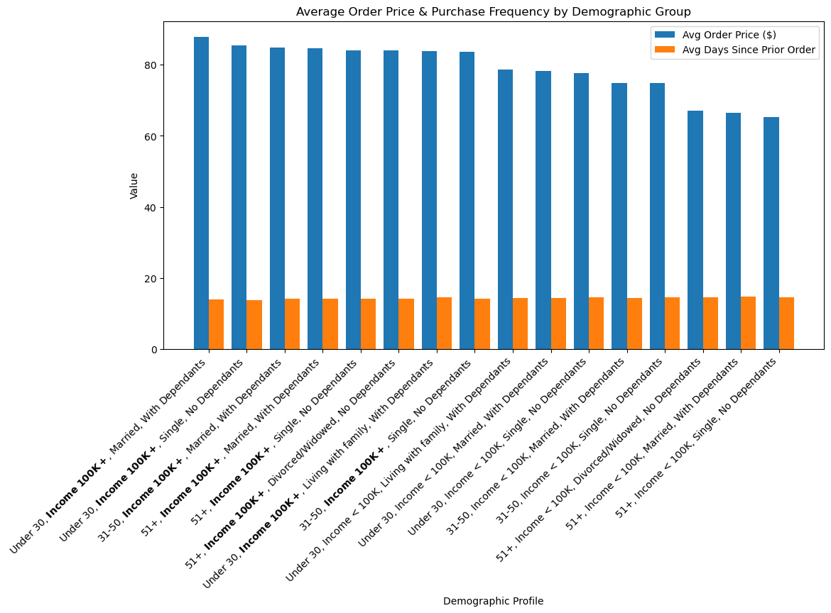
 |  |  | On the heatmap, again we see remarkable consistency across demographic profiles. One thing that stands out are the three '51+ Age' with less than 100k income (the middle three columns), who order a slightly higher percentage of snacks and beverages than other groups. We also see from the 3rd and fourth column from the left, that these two 30 and under groups with less than 100k income also order a slightly higher proportion of snacks and beverage items
 |  |  | Most surprising is the fact that we see no groups ordered a large amount of baby, pet or alcohol products. We expected such item categories to be highly shaped by the demographic information we have, yet as we can see there are no groups ordered notable amounts of these. There are three groups of under 30 with income of above 100k who spend between 0.9 and 1.6 % of their total spending on alcohol (4,5,6th columns from the right), but even these numbers are low. Similarly with babies items, all groups regardless of dependants are between 1-1.4% of spending. We can infer then that since no groups go above the low baseline levels of around, people seem to be mainly purchasing these items via methods other than Instacart, and their is space left in these markets for penetration

7. Recommendations
 |  | Title page

Recommendations

Question | Answers and recommendations
What are busiest times of the day and week | Saturday and Sunday are the busiest days of the week by a clear margin. The busiest time of day is between 9-16, and this remains true even at the weekends. The actual peak is shortly before noon most days, except Friday and Saturday when it is just after midday. We do not see a particularly strong uptick in evening orders, even at the weekend. This suggests that there is potential here to tap into the market for evening shopping
Do people spend more money at certain times of the day | Generally spending is very consistent across the time of day, with the average price of products ordered hovering around $7.8. There is a slight uptick around 10pm, more reason to try tap further into the market for evening orders
Are some types of products more popular than others | Yes. Produce and dairy/eggs are number 1 and 2 in terms of most popular products, followed by snacks and beverages, then frozen and pantry. These 7 categories account for over 70% of all items ordered. No other department category reaches even 4% of item-orders. If we look at price ranges, mid range items (5-15$) are the most popular, and $15+ are the least popular. There are thus a number of product categories currently with low popularity that we could put energy into marketing
What' the distribution among users in terms of brand loyalty | The largest customer group is our 'Regular Customers' (between 10 and 40 orders. The next largest group are the 'New Customers' (less than 10 orders. The size of our 'Loyal Customers' with 40+ is the smalest group. The size of this group will of course increase with time as customers continue to use the platform, but there is potential to promote customers returning and rewarding them for their loyalty
# Users by Region
 | # users
South | 54193
West | 41481
Midwest | 38376
Northeast | 28581
Are there regional differences in ordering habits | The short answer is no. In terms of order frequency, spending, loyalty, and even the relative popularity of different product types, the four main geographic regions are virtually indistinguishable. The only difference worth keeping is mind the absolute sizes of user-populations. From largest to smallest: 1. South, 2. West, 3. Midwest, 4. Northeast
Are there differences in ordering habits based on customer loyalty | No. I tested whether there are differences in the average price of an order between the three loyalty categories and there were no statistically significant differences found.
Are there differences in ordering habits based on demographic profile | Yes we do see some differences between the different demographic groups. Firstly and perhaps most importantly, our five largest customer demographic groups are married people with dependants. This should inform our marketing strategy when it comes to retaining this customer base, as well as which groups are yet to be as well tapped into.
 | When it comes to order frequency there is not difference across demographic groups, the average days between orders is virtually the same for all groups.
 | When we look at the average order price, however, we see that the customer groups with an income of $100,000 or higher tend to spend more per-order than lower income groups
 | In terms of products, uniformity is the main thing, with the popularity of different product types mostly indistinguishable between groups. One noticable pattern is the '51+ Age' with less than 100k income, and to a lesser extent the 30 and under with less than 100k income groups ordering snacks and beverages at a slightly higher rate than other groups. This is something marketing could incorporate in their customer profiles.
 | Perhaps most surprising was the lack of popularity in certain categories such as alcohol and products for babies. Even though we have a considerable customer base with children, no demographic groups seem to be using Instacart for the products for their babies. Nor are other demographics who tend to drink more alchohol than others using our platform to buy their alcohol. These are two untapped markets with potential for us to develop. Customers might not being aware of the possibility to order these products from us or just dont yet associate our brand with these types of products. This is something we can change

